Fish Domain
vesselFlagCountry | year | workingGroup | stock | speciesCode | catchCategory | fishDomain | bvType | bvTypeUnit | bvValue | AgeGroupPlus
BE | 2023 | WGNSSK | bll.27.3a47de | 127150 | Lan | F | Sex | Sex | F
BE | 2023 | WGNSSK | bll.27.3a47de | 127150 | Lan | M | Sex | Sex | M
BE | 2023 | WGNSSK | bll.27.3a47de | 127150 | Dis | F | Sex | Sex | F
BE | 2023 | WGNSSK | bll.27.3a47de | 127150 | Dis | M | Sex | Sex | M

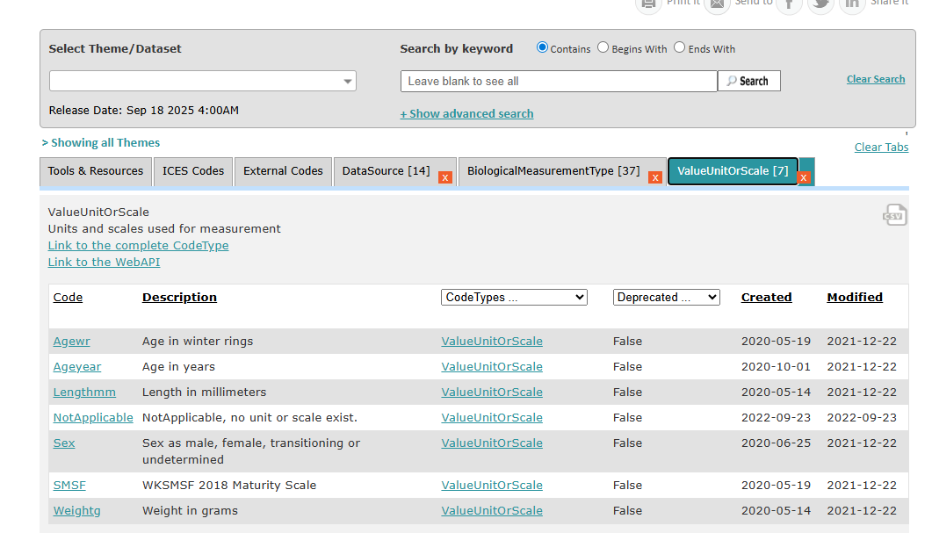
 |  |  |  |  |  | examples from Edwin?
 |  |  |  |  |  | to combine with ALK?

