基準線
＜Advance CAD＞ | ＜Auto CAD＞

Brand
C Hyou
承認申請図
Primitive "CH"
Editing "CH"
Brand placement
Character search
Create
Delete
Base diameter line
Baseline

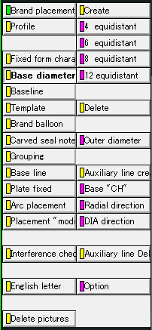
Create
Delete

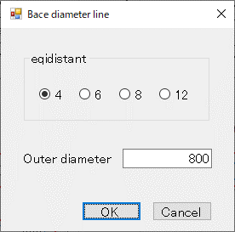
①
②
③
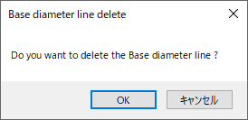
①

タイヤ円
＜Advance CAD＞ | ＜Auto CAD＞

Brand
C Hyou
承認申請図

Primitive "CH"
Editing "CH"
Brand placement
Character search

Base diameter line
Baseline

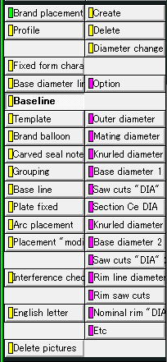
Create
Delete
Create
Delete

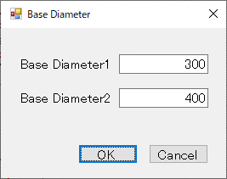
①
②
③
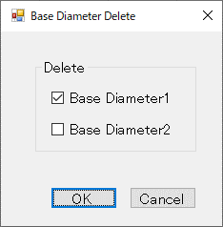
①
②

刻印文字登録
＜Advance CAD＞ | ＜Auto CAD＞

Brand
C Hyou
承認申請図

Primitive "CH"
Editing "CH"
Brand placement
Character search

Frame drawing
Figure definition
Character origin
Character "regist"

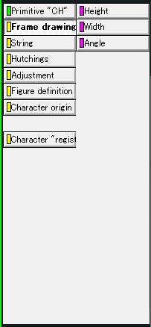
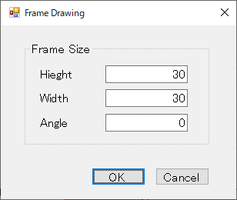
①
②
④
③

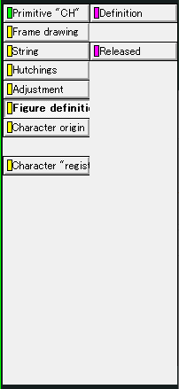
Frame drawing
Figure definition
Character origin
Character "regist"

Definition
Released
Definition
Released

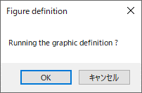
①
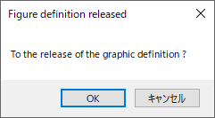
①

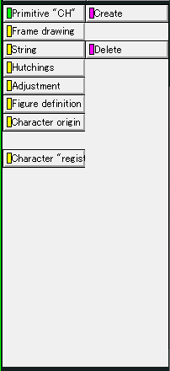
Frame drawing
Figure definition
Character origin
Character "regist"

Create
Delete
Create
Delete

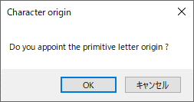
①
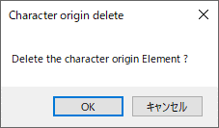
①

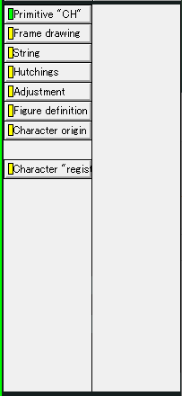
Frame drawing
Figure definition
Character origin
Character "regist"

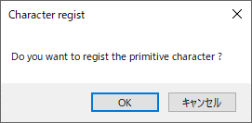
①

編集文字登録
＜Advance CAD＞ | ＜Auto CAD＞

Brand
C Hyou
承認申請図

Primitive "CH"
Editing "CH"
Brand placement
Character search

First character
One character
Auto Dimensions
Character "regist"

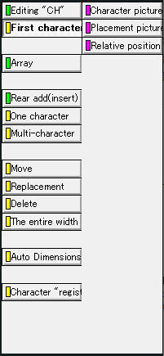

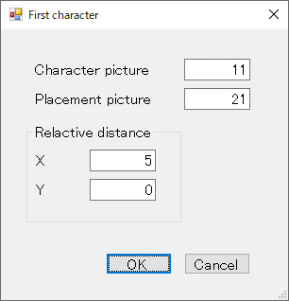
①
⑤
②
③
④

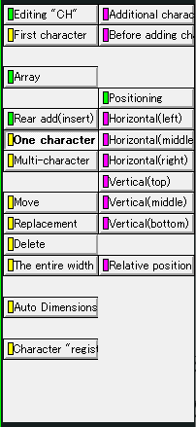
First character
One character
Auto Dimensions
Character "regist"

Additional character
Before adding character

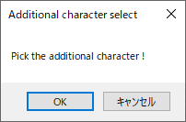
①
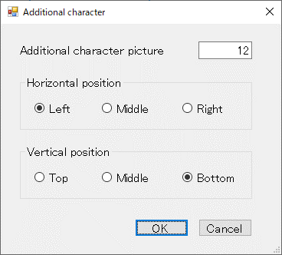
①
②
③
④

Additional character
Before adding character

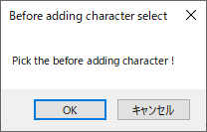
①
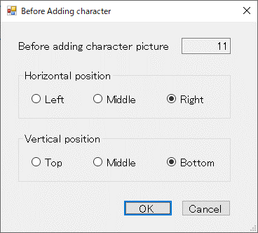
①
②
③
④

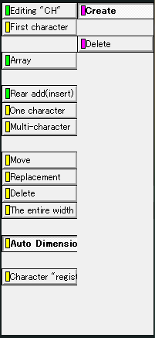
First character
One character
Auto Dimensions
Character "regist"

Create
Delete
Create
Delete

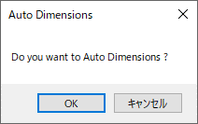
①
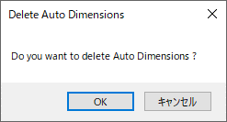
①

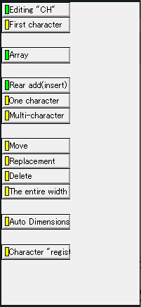
First character
One character
Auto Dimensions
Character "regist"

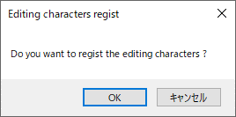
①

ラベリング
＜Advance CAD＞ | ＜Auto CAD＞

Brand
C Hyou
承認申請図

Primitive "CH"
Editing "CH"
Brand placement
Character search

Base diameter line
Base line
Brand balloon
Base line
Arc placement

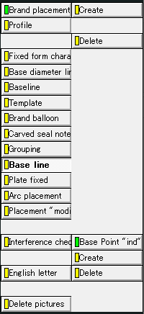
Create
Delete
Create
Delete

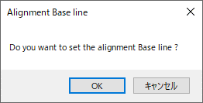
①
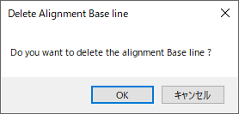

①

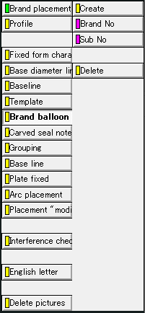
Base diameter line
Base line
Brand balloon
Base line
Arc placement

Create
Delete
Create
Delete

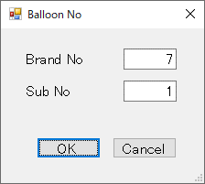
①
②
③
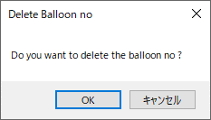
①

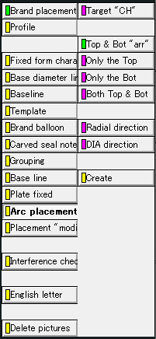
Base diameter line
Base line
Brand balloon
Base line
Arc placement

Target "CH"
Radial direction
DIA direction
Create

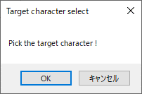
①

Target "CH"
Radial direction
DIA direction
Create

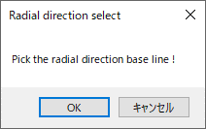
①

Target "CH"
Radial direction
DIA direction
Create

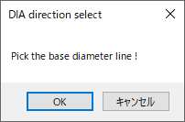
①

Target "CH"
Radial direction
DIA direction
Create

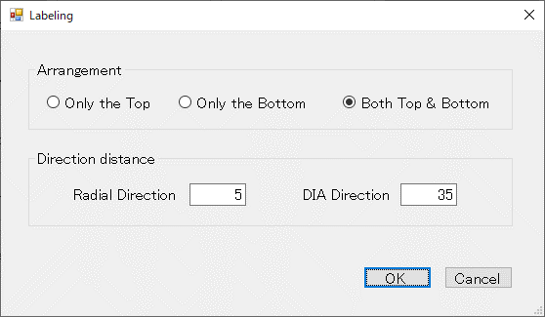
②
③
④
①

