基準線
＜Advance CAD＞ | ＜Auto CAD＞

Brand
C Hyou
承認申請図
Primitive "CH"
Editing "CH"
Brand placement
Character search
Create
Delete
Base diameter line
Baseline

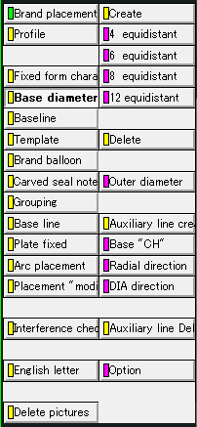
Create
Delete

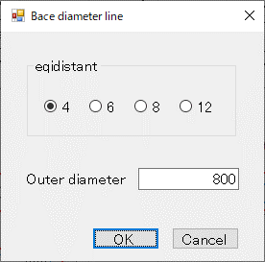
①
②
③
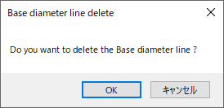
①

タイヤ円
＜Advance CAD＞ | ＜Auto CAD＞

Brand
C Hyou
承認申請図

Primitive "CH"
Editing "CH"
Brand placement
Character search

Base diameter line
Baseline

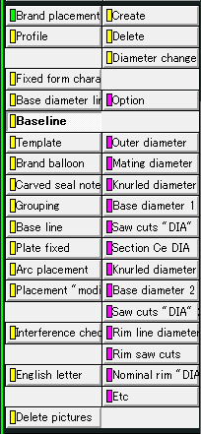
Create
Delete
Create
Delete

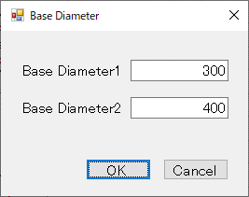
①
②
③
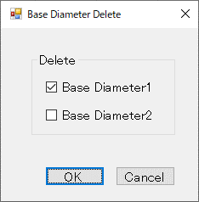
①
②

刻印文字登録
＜Advance CAD＞ | ＜Auto CAD＞

Brand
C Hyou
承認申請図

Primitive "CH"
Editing "CH"
Brand placement
Character search

Frame drawing
Figure definition
Character origin
Character "regist"

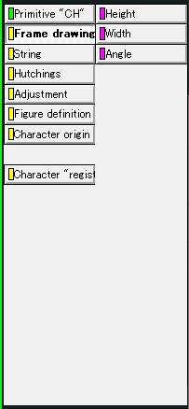
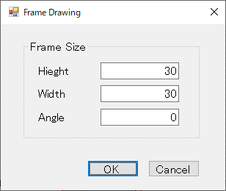
①
②
④
③

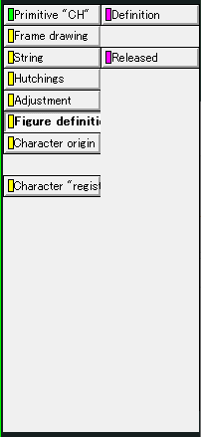
Frame drawing
Figure definition
Character origin
Character "regist"

Definition
Released
Definition
Released

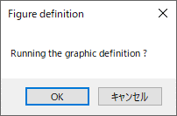
①
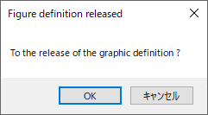
①

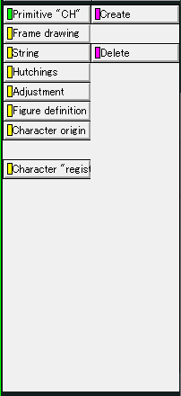
Frame drawing
Figure definition
Character origin
Character "regist"

Create
Delete
Create
Delete

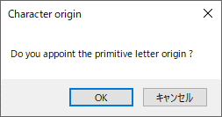
①
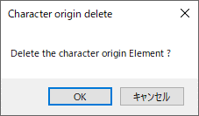
①

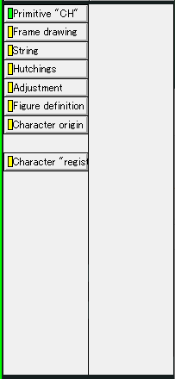
Frame drawing
Figure definition
Character origin
Character "regist"

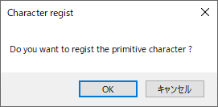
①

編集文字登録
＜Advance CAD＞ | ＜Auto CAD＞

Brand
C Hyou
承認申請図

Primitive "CH"
Editing "CH"
Brand placement
Character search

First character
One character
Auto Dimensions
Character "regist"

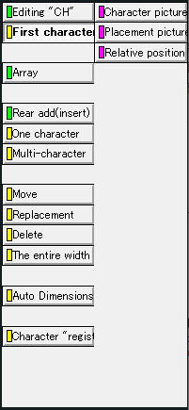

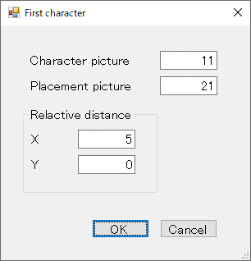
①
⑤
②
③
④

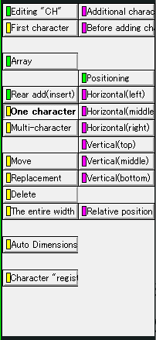
First character
One character
Auto Dimensions
Character "regist"

Additional character
Before adding character

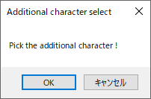
①
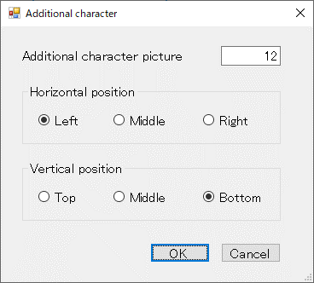
①
②
③
④

Additional character
Before adding character

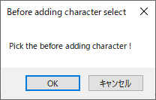
①
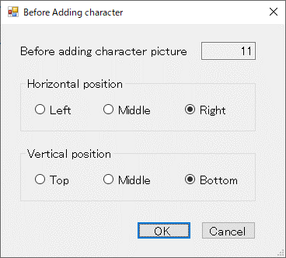
①
②
③
④

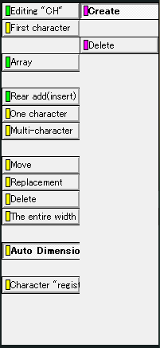
First character
One character
Auto Dimensions
Character "regist"

Create
Delete
Create
Delete

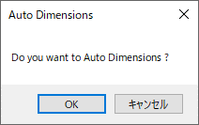
①
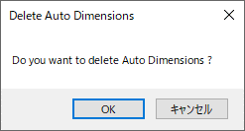
①

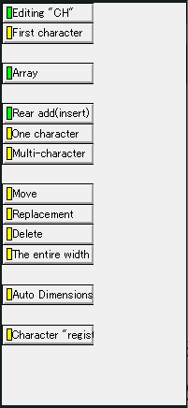
First character
One character
Auto Dimensions
Character "regist"

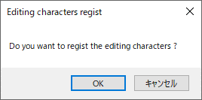
①

ラベリング
＜Advance CAD＞ | ＜Auto CAD＞

Brand
C Hyou
承認申請図

Primitive "CH"
Editing "CH"
Brand placement
Character search

Base diameter line
Base line
Brand balloon
Base line
Arc placement

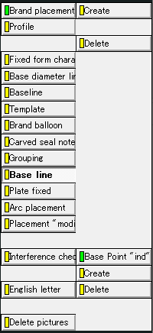
Create
Delete
Create
Delete

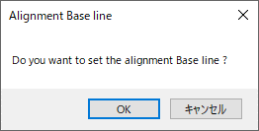
①
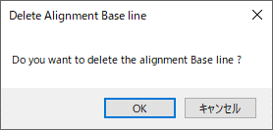
①

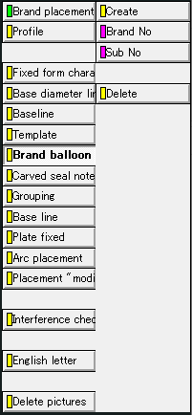
Base diameter line
Base line
Brand balloon
Base line
Arc placement

Create
Delete
Create
Delete

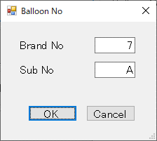
①
②
③
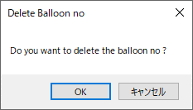
①

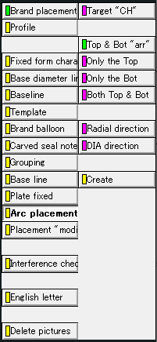
Base diameter line
Base line
Brand balloon
Base line
Arc placement

Target "CH"
Radial direction
DIA direction
Create

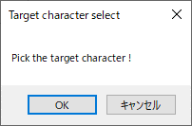
①

Target "CH"
Radial direction
DIA direction
Create

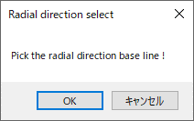
①

Target "CH"
Radial direction
DIA direction
Create

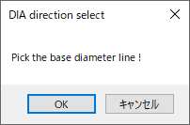
①

Target "CH"
Radial direction
DIA direction
Create

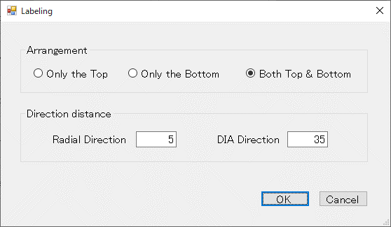
②
③
④
①

グルーピング
＜Advance CAD＞ | ＜Auto CAD＞

Brand
C Hyou
承認申請図

Primitive "CH"
Editing "CH"
Brand placement
Character search

Base diameter line
Baseline
Brand balloon
Grouping
Arc placement
Base line
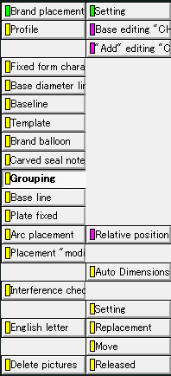

Base editing "CH"
"Add" editing "CH"
Relative position
Auto Dimensions
Released

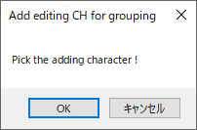
①

Base editing "CH"
"Add" editing "CH"
Relative position
Auto Dimensions
Released

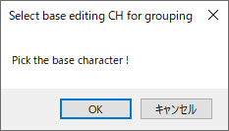
①

Base editing "CH"
"Add" editing "CH"
Relative position
Auto Dimensions
Released

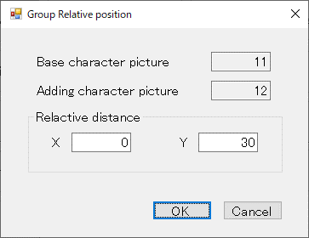
③
⑤
①
②
④

Base editing "CH"
"Add" editing "CH"
Relative position
Auto Dimensions
Released

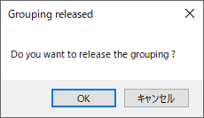
①

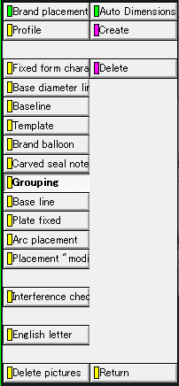
Base editing "CH"
"Add" editing "CH"
Relative position
Auto Dimensions
Released

Create
Delete
Create
Delete

①
①

ラベリングコード表
＜Advance CAD＞ | ＜Auto CAD＞

Brand
C Hyou
承認申請図

Primitive "CH"
Editing "CH"
Brand placement
Brand drawing
Character search

Code table

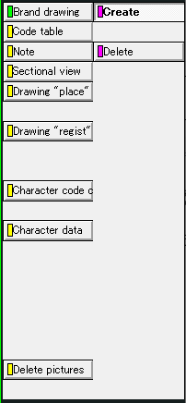
Create
Delete
Create
Delete

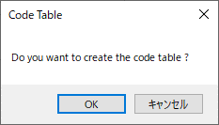
①
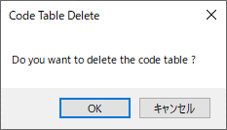
①

その他
タイトル

＜Advance CAD＞ | ＜Auto CAD＞

Drawing

Title

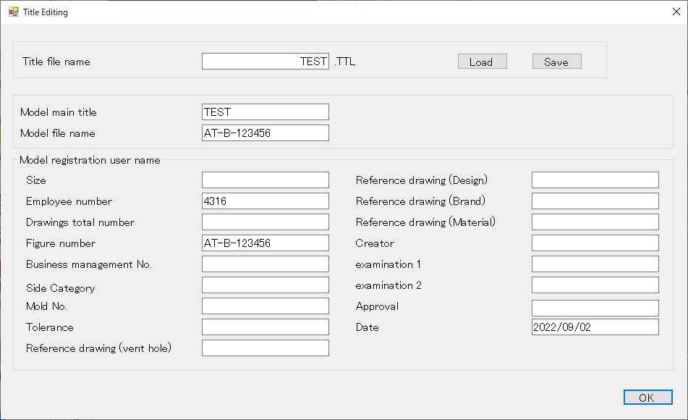
⑦
①
②
⑥
③
④
⑤

