Sheet1
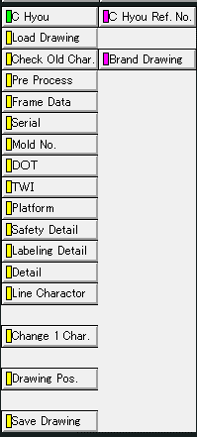
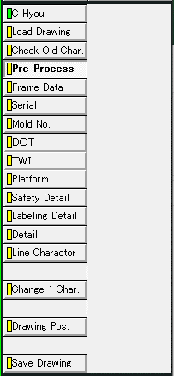
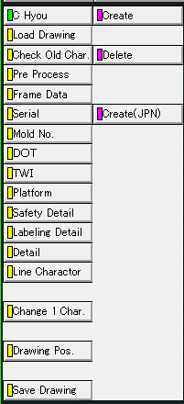
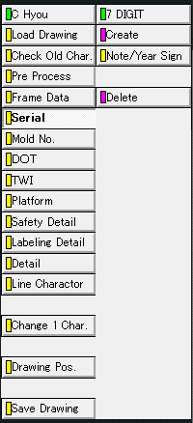
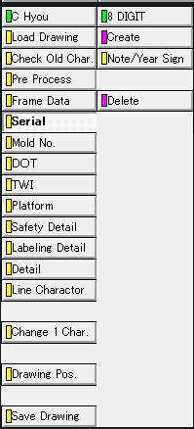
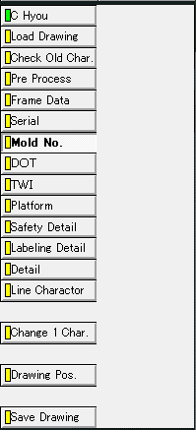
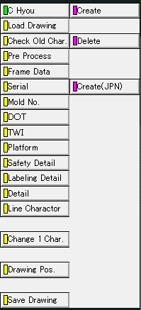
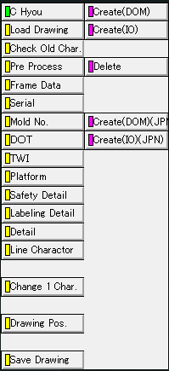
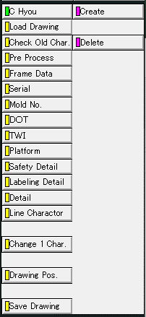
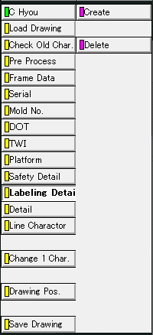
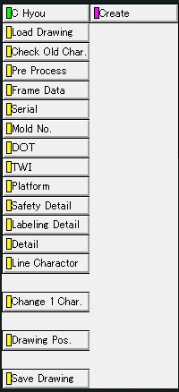
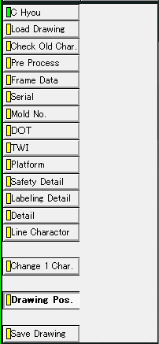
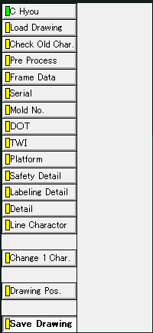
C Hyou

Brand Drawing
Pre Process
Create
7 digit >
Create
8 digit >
Create
Mold No.
TWI
Create(DOM)
Create
Create
Create
Drawing Pos.
Save Drawing

C Hyou Ref. No,
Note/Year Sign
Note/Year Sign
Create(IO)
Delete
Delete
Delete
Delete
Load Drawing
Pre Process
Frame Data
Serial
Mold No.
TWI
Platform
Safety Detail
Labeling Detail
Detail
Drawing Pos.
Save Drawing

