基準線
＜Advance CAD＞ | ＜Auto CAD＞

Brand
C Hyou
承認申請図

Primitive "CH"
Editing "CH"
Brand placement
Character search

Base diameter line
Baseline

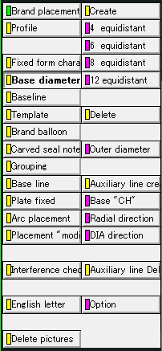
Create
Delete
Create
Delete

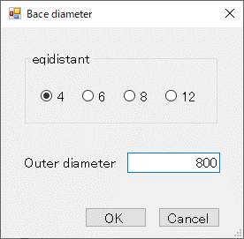
①
②
③
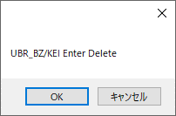
①

タイヤ円
＜Advance CAD＞ | ＜Auto CAD＞

Brand
C Hyou
承認申請図

Primitive "CH"
Editing "CH"
Brand placement
Character search

Base diameter line
Baseline

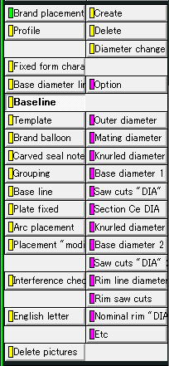
Create
Delete
Create
Delete

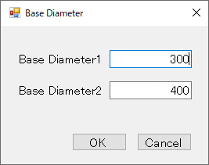
①
②
③
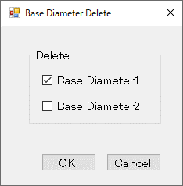
①
②

刻印文字登録
＜Advance CAD＞ | ＜Auto CAD＞

Brand
C Hyou
承認申請図

Primitive "CH"
Editing "CH"
Brand placement
Character search

Frame drawing
Figure definition
Character origin
Character "regist"

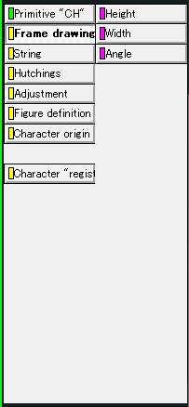
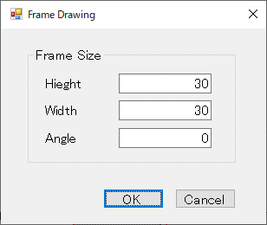
①
②
④
③

