Sheet1
ICON LUXURY GROUP |  |  |  | WOMEN'S

 |  |  |  |  |  |  |  | 01 | XS | S | M | L | XL | XXL | XXX | 4X | 5X
 |  |  |  |  |  |  |  | 03 | 42 | 44 | 46 | 48 | 50 | 52 | 54 | 56 | 58 | 60 | 62 | 64 | 66 | 68
 |  |  |  |  |  |  |  | 05 | OS
 |  |  |  |  |  |  |  | 06 | 36 | 37 | 38 | 39 | 40 | 41 | 42 | 43 | 44 | 45 | 46 |  |  |  |  |  |  | 80%
 |  |  |  |  |  |  |  | 13 | 39 | 39½ | 40 | 40½ | 41 | 41½ | 42 | 42½ | 43 | 43½ | 44 | 44½ | 45 | 45½ | 46 |  | USD | USD |  | USD | USD
Picture | Style | Color | a | Style # | Brand | Color Name | Description | 17 | XXS | XS | S | M | L | XL | XXL | 3XL | 4XL | 5XL | 6XL |  |  |  |  | QTY | MSRP | PRICE | Discount | TOT MSRP | TOT PRICE
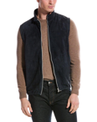 | MPCLL1857 CX622 | CX622 | MPCLL1857 | MPCLL1857CX622 | Cucinelli | NAVY+BLU COLORATO | GIUBBOTTI PELLE | 17 |  |  |  | 2 | 2 |  |  |  |  |  |  |  |  |  |  |  | $5,995.00
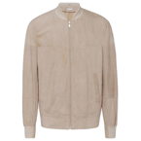 | MPCLN1769 C8050 | C8050 | MPCLN1769 | MPCLN1769C8050 | Cucinelli | BISCUIT | GIUBBOTTI PELLE | 17 |  |  |  |  | 2 | 2 |  |  |  |  |  |  |  |  |  |  | $5,495.00
 | MPCLN1721 C6531 | C6531 | MPCLN1721 | MPCLN1721C6531 | Cucinelli | CANAPA | GIUBBOTTI PELLE | 17 |  |  |  | 1 |  |  |  |  |  |  |  |  |  |  |  |  | $5,495.00
 | MZUCCLI837 C8189 | C8189 | MZUCCLI837 | MZUCCLI837C8189 | Cucinelli | CALCITE | SCARPE | 13 |  |  |  |  | 1 |  |  |  | 2 |  | 1 |  | 1 |  |  |  | $895.00
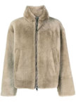 | MZUCMAU774 C8029 | C8029 | MZUCMAU774 | MZUCMAU774C8029 | Cucinelli | COGNAC | SCARPE | 13 |  |  |  |  |  |  | 3 |  |  |  |  |  |  |  |  |  | $1,295.00
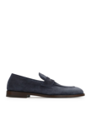 | MZUCCLB872 C8416 | C8416 | MZUCCLB872 | MZUCCLB872C8416 | Cucinelli | DENIM | SCARPE | 13 |  |  |  |  | 1 |  | 2 |  |  |  |  |  |  |  |  |  | $995.00
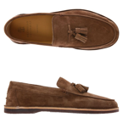 | MZUCCLS780 C8418 | C8418 | MZUCCLS780 | MZUCCLS780C8418 | Cucinelli | HAVANA | SCARPE | 13 |  |  |  |  |  |  | 1 |  |  |  | 2 |  |  |  |  |  | $875.00

