README
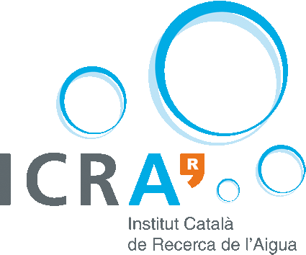

Thank you for contributing to review and improve the knowledge base of nature-based solutions for water treatment of MULTISOURCE project
This knowledge base will be used to feed the ENTSAPP, the decision support system developed in Multisource to help decision makers and citizens to select natural treatment systems for water treatment.

INSTRUCTIONS
1. Read this README sheet carefully. In case of any doubt, write to jpueyo@icra.cat to solve your concerns.
2. Read the 'Descriptions' sheet to get an understanding of what each variable represents.
3. The 'Knowledge base' sheet contains the knowledge base which is at the stake.
4. First, in the 'Knowledge base' sheet fill the 'level_confidence' column for each technology from 0 to 5. This will be used to weight the different levels of confidence (i.e., the level of expertise) for different technologies of all reviewers.
5. Review the values for the technologies you fill confident, there are three options:
- If you agree with the value, delete the question mark.
- If you disagree with the value, enter a new value without the question mark.
- If you are not sure, leave the question mark.
6. Once you finished with your review, save the excel file and send it to jpueyo@icra.cat.
7. In the mail, add the name and affilitation that you want to appear on the list of reviewers. If you prefer to stay anonymous, specify this in the mail.

The list of reviewers will be aknowledged in the "About" section of the tool and in the related publications.

After receiving all the reviews, we will summarize them and will return you a summary of the results. Depending on the level of agreement, we might ask for a new round of reviews. If do not want to receive the summary, please, specify this in the mail.

EU Aknowledgment

This project has received funding from the European Union’s Horizon H2020 innovation action programme under grant agreement 101003527.

