Sheet1
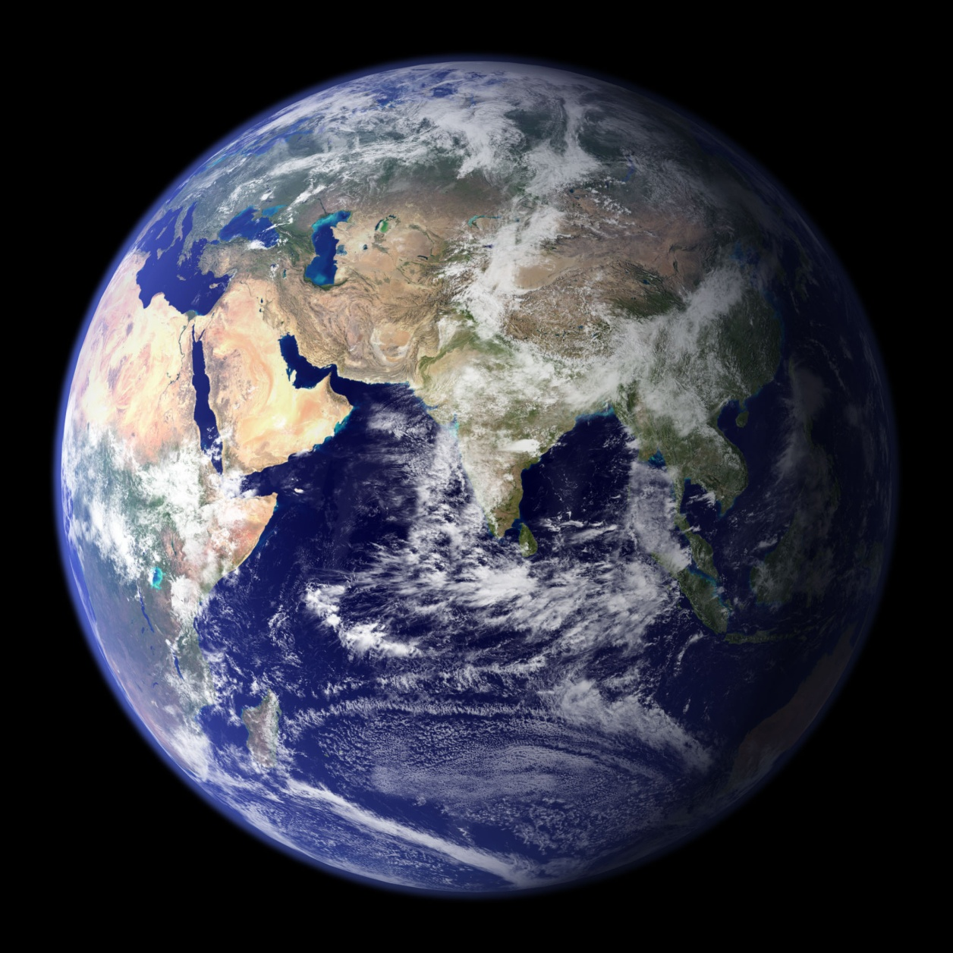
 |  |  | Our Planet Earth

1 | Mass of Earth | 5.972 × 10^24 kg

2 | Distance from SUN | 150.46 million km

3 | Planet Number | 3

