F5.1
F5.1 Female labor income share across the world, 2019
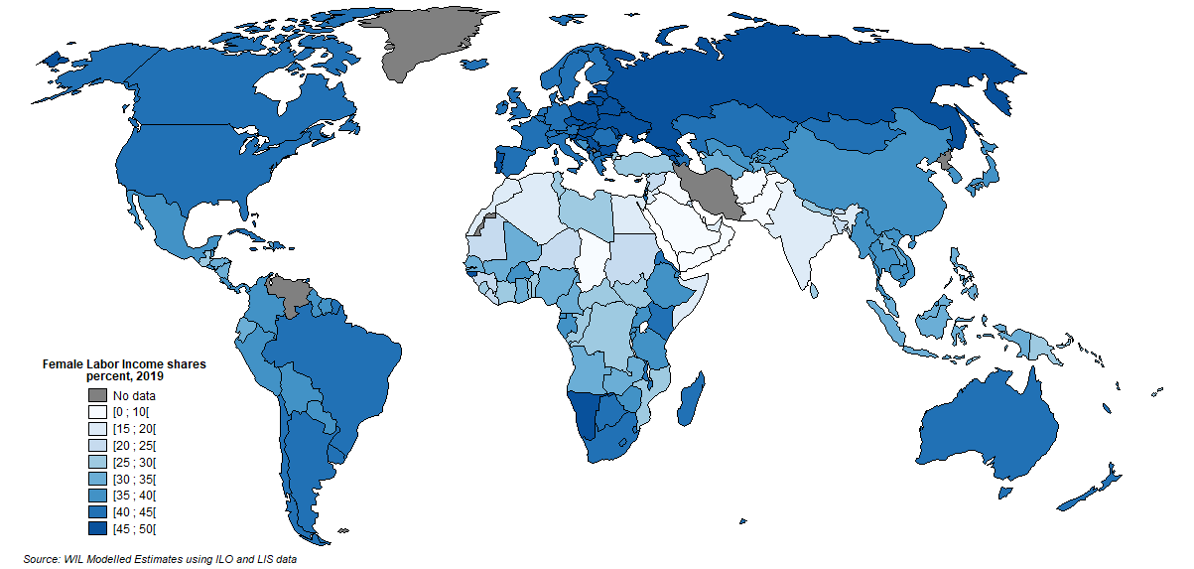

Interpretation: In 2019, the share of labor income earned by women was 41% in France, whereas it is 18% in India. Sources and series: wir2022.wid.world/methodology and Neef and Robilliard (2021).

F5.2
F5.2 Female labor income share across the world, 1990-2020
 | 1990 | 1995 | 2000 | 2005 | 2010 | 2015-2020
Asia (excl. China) | 16.34% | 16.67% | 17.68% | 18.53% | 19.67% | 20.98%
China | 38.83% | 37.90% | 36.88% | 35.35% | 34.22% | 33.63%
Russia & Central Asia | 39.03% | 39.27% | 39.86% | 40.64% | 40.74% | 40.57%
Latin America | 28.11% | 29.56% | 31.28% | 32.40% | 33.65% | 35.12%
MENA | 12.58% | 13.11% | 13.66% | 13.42% | 13.92% | 14.82%
North America | 34.15% | 34.55% | 35.56% | 36.70% | 37.57% | 38.36%
Sub-Saharan Africa | 26.12% | 26.35% | 26.53% | 27.18% | 27.86% | 28.44%
Western Europe | 31.41% | 32.41% | 33.71% | 35.66% | 37.44% | 38.16%

F5.3
Figure 5.3 Men's and women's shares in global labor incomes, 1990-2020
 | GDP weighted | Population weighted
1990 | 30.6% | 27.5%
1995 | 31.3% | 27.4%
2000 | 32.5% | 27.7%
2005 | 33.5% | 27.8%
2010 | 34.2% | 28.1%
2015-2020 | 34.7% | 28.5%

F5.4
Figure 5.4. Regional trends in earnings and employment ratios
 | Earnings ratio | Employment ratio
1990 | 52.06% | 28.54%
1995 | 55.02% | 28.59%
2000 | 58.39% | 28.30%
2005 | 57.07% | 27.89%
2010 | 57.63% | 28.58%
2015-2020 | 61.40% | 28.84%
1990 | 39.61% | 48.04%
1995 | 40.63% | 48.34%
2000 | 43.68% | 49.05%
2005 | 46.21% | 49.18%
2010 | 50.01% | 49.81%
2015-2020 | 52.58% | 51.28%
1990 | 45.14% | 84.31%
1995 | 45.05% | 85.44%
2000 | 44.38% | 86.26%
2005 | 44.98% | 86.99%
2010 | 46.63% | 86.40%
2015-2020 | 47.97% | 86.15%
1990 | 73.30% | 52.53%
1995 | 72.30% | 57.05%
2000 | 72.68% | 61.47%
2005 | 72.44% | 64.96%
2010 | 74.12% | 67.22%
2015-2020 | 75.54% | 70.45%
1990 | 66.62% | 70.19%
1995 | 66.54% | 73.19%
2000 | 66.69% | 77.33%
2005 | 68.59% | 81.69%
2010 | 70.48% | 85.68%
2015-2020 | 70.97% | 87.58%
1990 | 60.85% | 85.25%
1995 | 60.25% | 87.64%
2000 | 62.41% | 88.42%
2005 | 65.73% | 88.23%
2010 | 67.36% | 89.35%
2015-2020 | 69.39% | 89.69%
1990 | 76.64% | 82.82%
1995 | 73.75% | 82.75%
2000 | 70.92% | 82.38%
2005 | 67.68% | 80.80%
2010 | 65.44% | 79.51%
2015-2020 | 64.31% | 78.77%
1990 | 53.65% | 86.02%
...

Interpretation: In the MENA region, a woman earns 61% of what a man earns in 2020, whereas, only 29% of women are employed. Sources and series: wir2022.wid.world/methodology and Neef and Robilliard (2021)

F5.5a
 | Brazil | Spain | France | US
1980 |  |  | 11% | 9%
1981 |  |  |  | 9%
1982 |  |  |  | 10%
1983 |  |  |  | 11%
1984 |  |  | 11% | 12%
1985 |  |  |  | 11%
1986 |  |  |  | 12%
1987 |  |  |  | 14%
1988 |  |  | 16% | 15%
1989 |  |  |  | 16%
1990 |  |  | 20% | 18%
1991 |  |  | 15% | 19%
1992 |  | 18% |  | 21%
1993 |  | 18% |  | 20%
1994 |  | 18% | 20% | 18%
1995 |  | 19% | 21% | 22%
1996 | 24% | 21% | 22% | 23%
1997 | 25% |  | 22% | 23%
1998 | 26% |  | 22% | 24%
1999 | 27% | 22% | 22% | 24%
2000 | 28% | 22% | 22% | 24%
2001 | 29% | 23% | 22% | 23%
2002 | 30% | 24% | 23% | 25%
2003 | 29% | 25% | 23% | 26%
2004 | 30% | 26% | 25% | 26%
2005 | 30% | 26% | 25% | 26%
2006 | 30% | 27% | 25% | 26%
2007 | 31% | 28% | 27% | 26%
2008 | 31% | 29% | 26% | 29%
2009 | 31% | 31% | 27% | 29%
2010 | 31% | 31% | 28% | 29%
2011 | 31% | 31% | 28% | 27%
2012 | 32% | 31% | 28% | 29%
2013 | 32% | 32% |  | 29%
2014 | 33% | 33% |  | 31%
2015 | 34% | 34% |  | 30%
2016 | 34% | 34% |  | 31%
2017 | 35% | 35% |  | 30%
2018 | 36% | 35% |  | 30%
2019 |  | 36% | 32% | 30%

F5.5b
 | US | France | Spain | Brazil
1980 | 3% | 3%
1981 | 3%
1982 | 4%
1983 | 3%
1984 | 4% | 5%
1985 | 6%
1986 | 4%
1987 | 4%
1988 | 5% | 6%
1989 | 6%
1990 | 6% | 7%
1991 | 5% | 8%
1992 | 9% |  | 9%
1993 | 9% |  | 9%
1994 | 9% | 8% | 9%
1995 | 7% | 9% | 10%
1996 | 11% | 9% | 10% | 13%
1997 | 11% | 9% |  | 14%
1998 | 10% | 9% |  | 15%
1999 | 13% | 10% | 9% | 16%
2000 | 15% | 11% | 10% | 16%
2001 | 12% | 12% | 10% | 17%
2002 | 13% | 12% | 11% | 18%
2003 | 15% | 12% | 14% | 19%
2004 | 16% | 13% | 13% | 19%
2005 | 15% | 13% | 13% | 19%
2006 | 15% | 14% | 13% | 20%
2007 | 17% | 14% | 14% | 20%
2008 | 16% | 15% | 15% | 20%
2009 | 16% | 15% | 16% | 20%
2010 | 17% | 16% | 17% | 21%
2011 | 16% | 16% | 17% | 22%
2012 | 17% | 17% | 17% | 22%
2013 | 15% |  | 18% | 22%
2014 | 20% |  | 19% | 23%
2015 | 18% |  | 20% | 24%
2016 | 17% |  | 21% | 24%
2017 | 17% |  | 21% | 24%
2018 | 17% |  | 22% | 25%
2019 | 17% | 20% | 23%

FB5.1
Figure 5.7 Global gender inequality Index, 1995-2019
1995 | 0.470
2000 | 0.445
2005 | 0.417
2010 | 0.385
2011 | 0.382
2012 | 0.377
2013 | 0.362
2014 | 0.365
2015 | 0.364
2016 | 0.362
2017 | 0.353
2018 | 0.346
2019 | 0.344

