Task3
Gc | kappa | mu | ms_r | ms | x_d | x_m | c_d | y_d | y_m | r_d | y_r | Circle Point | MidPoint | Nx (inner) | Ny (Inner) | Loading | Even/Exp | Propagated | Delta | Steps | C/D | Status | Error Message
 |  |  | 0.008 | 0.4 | 8 | 6 | 2 | 9.5 | 0.8 | 5.5 | 3.7749172176 | 8.5249172176 | 8.5249172176 | 750 | 100 | 1 | Even |  |  | 50 | C | Deleted
 |  |  |  |  |  |  |  |  |  |  |  |  |  |  |  | 5 | Even |  |  | 100 | C | Deleted
 |  |  |  |  |  |  |  |  |  |  |  |  |  |  |  | 5 | Even | 4.37186 |  | 200 | C | Deleted
 |  |  | 0.008 | 0.4 | 8 | N/A | 2 | 9.5 | 0.8 | 5.5 | 3.7749172176 | 8.5249172176 | 8.5249172176 | 1000 | 100 | 4.5 | Even | 2.71812 |  | 150 | C | Deleted
1 | 1000 | 1 | 0.008 | 0.4 | 8 | N/A | 2 | 9.5 | 0.8 | 5 | 3 | 7.75 | 7.75 | 1000 | 100 | 2.75 | Even | 2.52735 | N/A | 275 | C | Saved
 |  |  | 0.004 | 0.4 | 8 | N/A | 2 | 9.5 | 0.8 | 5 | 3 | 7.75 | 7.75 | 2000 | 200 | 2 | Exp | Did not reach | N/A | 200 | C | Deleted
 |  |  |  |  |  |  |  |  |  |  |  |  |  |  |  | 2.6 | Even | Did not reach |  | 260 | C | Deleted
 |  |  |  |  |  |  |  |  |  |  |  |  |  |  |  | 2.75 | Even |  | 2.669708 | 275 | D | Deleted
 |  |  |  |  |  |  |  |  |  |  |  |  |  |  |  | 2.7 | Even |  | 2.66388 | 300 | D | Saved
 |  |  |  |  |  |  |  |  |  |  |  |  |  |  |  | 2.7 | Even |  | 2.66394 | 600 | D
 |  |  |  |  |  |  |  |  |  |  |  |  |  |  |  | 2.7 | Even |  | 2.66397 | 1200 | D
 |  |  |  |  |  |  |  |  |  |  |  |  |  |  |  | 3.7 | Even |  | 2.662181 | 2000 | D
 |  |  | 0.004 | 0.4 | 8 | N/A | 2 | 9.5 | 0.3 | 5 | 3 | 7.75 | 7.75 | 2000 | 75 | 3 | Even |  | 2.575758 | 100 | D | Deleted | --- Starting of Time step 85: t = 2.575758 ------ Starting of Time step 85: t = 2.575758 --- AM Iteration: 1744, alpha_error: 0.47661513 solver_alpha.solve(DamageProblem(), alpha.vector(), alpha_lb.vector(), alpha_ub.vector()) RuntimeError:
 |  |  |  |  |  |  |  |  |  |  |  |  |  |  |  | 3 | Exp |  | 2.570247 | 200 | D |  | --- Starting of Time step 153: t = 2.570247 ---AM Iteration: 2500, alpha_error: 0.37323315 Traceback (most recent call last): File "2D-planestress-stabilized.py", line 430, in <module> solver_alpha.solve(DamageProblem(), alpha.vector(), alpha_lb.vector(), alpha_ub.vector()) RuntimeError:
 |  |  |  |  |  |  |  |  |  |  |  |  |  |  |  | 2.6 | Exp |  | 2.569505 | 200 | D |  | --- Starting of Time step 196: t = 2.569505 ---
 |  |  | 0.002 | 0.4 | 8 | N/A | 2 | 9.5 | 0.1 | 5.5 | 3.7749172176 | 8.5249172176 | 8.5249172176 | 4000 | 50 | 3 | Even |  | 2.787879 | 100 | D | Deleted | Step 92 AM Iteration: 2122, alpha_error: 0.32328037 Traceback (most recent call last): File "2D-planestress-stabilized.py", line 430, in <module> RuntimeError: solver_alpha.solve(DamageProblem(), alpha.vector(), alpha_lb.vector(), alpha_ub.vector())

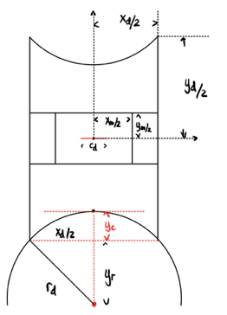
Delta | Total Steps | Cur Step | Cur Disp | length_f
2.75 | 274 | 0 | 0 | 9.5 | 0
2.75 | 274 | 50 | 1.43884 | 10.93884 | 15.145684211
2.75 | 274 | 150 | 2.14774 | 11.64774 | 22.607789474
2.75 | 274 | 191 | 2.51758 | 12.01758 | 26.500842105
2.75 | 274 | 192 | 2.52735 | 12.02735 | 26.603684211

Task4-3D
Gc | kappa | mu | kappa | nu | E | hr (hsize) | h | W | H | T (Thickness is 2*T) |  | H0 | H1 | W0 | Nx | Ny (limit) | Delta | Delta | Load Steps | Even/Exp | Con/Div | Deleted
1 | 1000 | 1 | 1000 |  |  | 0.01 | 0.1 | 0.5 | 3 | -0.1 | 0.2 | 0.1 | 0.05 | 0.05 | 300 | 10 | 3 |  | 120 |  | Int
 |  |  |  |  |  |  |  |  |  |  |  |  |  |  |  |  | 1 |  | 50 |  | Con
1 | 1000 | 1 | 1000 |  |  | 0.01 | 0.1 | 0.5 | 3 | -0.05 | 0.1 | 0.1 | 0.05 | 0.05 | 300 | 10 | 2 |  | 80 |  | Con
 |  |  |  |  |  |  |  |  |  |  |  |  |  |  |  |  | 4 | 3.428571 | 120 | Even | Div |  | --- Starting of Time step 102: t = 3.428571 --- AM Iteration: 80, alpha_error: 0.22715067 200 SNES Function norm 4.467690058813e-06 *** Warning: PETSc SNES solver diverged in 200 iterations with divergence solver_u.solve() File "3D-Taylor-Hood-Hybrid.py", line 419, in <module> Traceback (most recent call last): reason DIVERGED_MAX_IT. RuntimeError:
 |  |  |  |  |  |  |  |  |  |  |  |  |  |  |  |  | 3.5 |  | 200 | Exp loading | Div | Deleted | Starting of Time step 133: t = 3.420390 AM Iteration: 159, alpha_error: 0.29323622 200 SNES Function norm 6.829629513345e-06 *** Warning: PETSc SNES solver diverged in 200 iterations with divergence reason DIVERGED_MAX_IT. Traceback (most recent call last): File "3D-Taylor-Hood-Hybrid.py", line 426, in <module> iteration = 1 # Initialization of iteration loop RuntimeError:
 |  |  |  |  |  |  |  |  |  |  |  |  |  |  |  |  | 5 | 3.434343 | 100 | Even |  |  | --- Starting of Time step 68: t = 3.434343 --- AM Iteration: 68, alpha_error: 0.47892917 200 SNES Function norm 1.009597724139e-04 *** Warning: PETSc SNES solver diverged in 200 iterations with divergence reason DIVERGED_MAX_IT.

1 | 1000 | 1 | 1000 |  |  | 0.005 | 0.05 | 0.5 | 0.75 | -0.01 | 0.005 | 0.02 | 0.01 | 0.01 | 150 | 4 | 3.5 |  | 200 | Even | Div | Deleted
 |  |  |  |  |  |  |  |  |  |  |  |  |  |  |  |  | 3.5 | 0.03507 | 500 | Even | Div
 |  |  |  |  |  |  |  |  |  |  |  |  |  |  |  |  | 2 | 0.040201 | 200 |  | Div | Deleted
 |  |  |  |  |  |  |  |  |  |  |  |  |  |  |  |  | 1 | 0.02 | 200 | Even | Div | Deleted
 |  |  |  |  |  |  |  |  |  |  |  |  |  |  |  |  | 2 | 0.020101 | 200 |  | Div | Deleted
1 | 1000 | 1 | 1000 | 0.49950016661 | 2.9990003332 | 0.006 | 0.048 | 0.5 | 0.75 | -0.012 | 0.024 | 0.024 | 0.012 | 0.012 | 125 | 4 | 2 | 0.994975 | 200 | Even | Div | Deleted
 | Clamped top: Stabilized
 | 1000 | 1 | 1000 | 0.49950016661 | 2.9990003332 | 0.006 | 0.048 | 0.5 | 0.75 | -0.012 | 0.024 | 0.024 | 0.012 | 0.012 | 125 | 4 | 4 | 0.422111 | 200 | Even | Div | Deleted | --- Starting of Time step 21: t = 0.422111 ---
 |  |  |  |  |  |  |  |  |  |  |  |  |  |  |  |  | 3.5 | 0.397993 | 300 | Even | Div | Deleted | --- Starting of Time step 34: t = 0.397993 ---
 | 1000 | 1 | 1000 | 0.49950016661 | 2.9990003332 | 0.01 | 0.08 | 0.5 | 0.75 | -0.02 | 0.04 | 0.04 | 0.02 | 0.02 | 75 | 4 | 3 |  | 300 | Even |  | Deleted | Damage initiating around the edges
 |  |  |  |  |  |  |  |  |  |  |  |  |  |  |  |  | 3 |  | 600 | Even | Interrupted |  | Damage initiating around the edges
1 | 1000 | 0.2 | 200 | 0.49950016661 | 0.59980006664 | 0.01 | 0.08 | 0.5 | 0.75 | -0.02 | 0.04 | 0.04 | 0.02 | 0.02 | 75 | 4 | 3 |  | 200 | Even |  | Saved | Broke near boundary
1 | 1000 | 0.2 | 200 | 0.49950016661 | 0.59980006664 | 0.01 | 0.1 | 0.5 | 0.75 | -0.01 | 0.02 | 0.04 | 0.02 | 0.02 | 75 | 4 | 3 |  | 100 | Even | Div | Deleted | Bound in y and z and roller in x
 |  |  |  |  |  |  |  |  |  |  |  |  |  |  |  |  | 4 | 2.66667 | 100 | Even | Con | Deleted
 |  |  |  |  |  |  |  |  |  |  |  |  |  |  |  |  | 2.75 |  | 275 | Even | Con
1 | 1000 | 0.2 | 200 | 0.49950016661 | 0.59980006664 | 0.01 | 0.05 | 0.5 | 0.75 | -0.01 | 0.02 | 0.04 | 0.02 | 0.02 | 75 | 4 | 2.75 |  | 275 | Even
 |  |  |  |  |  |  |  |  |  |  |  |  |  |  |  |  | 2.75 |  | 200 | Even | Con | Saved | Bound in x and y and roller in z | 4 Pins
 |  |  |  |  |  |  |  |  |  |  |  |  |  |  |  |  | 2.75 | 2.48744 | 550 | Even | Div | Deleted | Bound in x and y and roller in z | 1 Pin
 |  |  |  |  |  |  |  |  |  |  |  |  |  |  |  |  | 2.75 | 2.649635 | 275 | Even | Div
 |  |  |  |  |  |  |  |  |  |  |  |  |  |  |  |  | 2.75 |  | 250 | Even | Con | Saved
 |  |  |  |  |  |  |  |  |  |  |  |  |  |  |  |  | 2.75 |  | 200 | Even | Div |  | Unphysical result
 |  |  |  |  |  |  |  |  |  |  |  |  |  |  |  |  | 2.75 | 2.6396 | 275 |  | Div |  | Bound in x and y and roller in z
 |  |  |  |  |  |  |  |  |  |  |  |  |  |  |  |  | 2.75 |  | 250 |  | Con | Saved |  | 2 Pins
 |  |  |  |  |  |  |  |  |  |  |  |  |  |  |  |  | 2.75 | 2.63945 | 200 |  | Div
Gc | kappa | mu | kappa | nu | E | hr (hsize) | h | W | H | T (Thickness is 2*T) |  | H0 | H1 | W0 | Nx | Ny (limit)
1 | 1000 | 0.2 | 200 | 0.49950016661 | 0.59980006664 | 0.01 | 0.04 | 0.5 | 0.75 | -0.01 | 0.02 | 0.1 | 0.02 | 0.02 | 75 | 10 | 2.75 | 2.71989 | 275 | Even | Div before crack | Deleted
 |  |  |  |  |  |  |  |  |  |  |  |  |  |  |  |  | 2.75 |  | 350 |  | Con |  | Almost straight ahead chrack
 |  |  |  |  |  |  |  |  |  |  |  |  |  |  |  |  | 2.75 | 0.133954 | 350 |  | Div before crack |  | Normal formulation for comparison
 |  |  |  |  |  |  |  |  |  |  |  |  |  |  |  |  | 2.75 |  | 350 |  | Div before crack |  | Normal + Stabilized formulation for comparison
 |  |  |  |  |  |  |  |  |  |  |  |  |  |  |  |  | 3.5 |  | 350 |  |  |  | Normal + Stabilized formulation for comparison
 |  |  |  |  |  |  |  |  |  |  |  |  |  |  |  |  |  |  | 700
1 | 1000 | 0.2 | 200 | 0.49950016661 | 0.59980006664 | 0.01 | 0.01 | 0.5 | 0.75 | -0.01 | 0.02 | 0.04 | 0.02 | 0.02 | 75 | 4 | 2.75 | 2.64964 | 275 |  | Div | Deleted | Bound in x and y and roller in z, 1 pin
1 | 1000 | 0.2 | 200 | 0.49950016661 | 0.59980006664 | 0.008 | 0.04 | 0.5 | 0.75 | -0.016 | 0.032 | 0.032 | 0.016 | 0.016 | 93.75 | 4 | 2.75 | Didn’t crack | 275 | Even |  | Deleted | Bound in x and y and roller in z, 1 pin
 |  |  |  |  |  |  |  |  |  |  |  |  |  |  |  |  | 4 | 2.76692 | 400 |  |  | Deleted
 |  |  |  |  |  |  |  |  |  |  |  |  |  |  |  |  | 3 | 2.7592 | 300 | Even | Con | Saved | Almost straight ahead chrack
1 | 1000 | 0.2 | 200 | 0.49950016661 | 0.59980006664 | 0.008 | 0.04 | 0.5 | 0.75 | -0.008 | 0.016 | 0.08 | 0.016 | 0.016 | 93.75 | 10 | 2.8 | 2.74982 | 280 |  | Div
 |  |  |  |  |  |  |  |  |  |  |  |  |  |  |  |  | 2.85 |  | 400 |  | Div before crack
 |  |  |  |  |  |  |  |  |  |  |  |  |  |  |  |  | 2.85 |  | 450 |  | Div before crack
 |  |  |  |  |  |  |  |  |  |  |  |  |  |  |  |  |  |  | 500
1 | 1000 | 0.2 | 200 | 0.49950016661 | 0.59980006664 | 0.008 | 0.04 | 0.5 | 0.75 | -0.008 | 0.016 | 0.16 | 0.016 | 0.016 | 93.75 | 20 | 2.85 |  | 400 |  | Div | Deleted
 |  |  |  |  |  |  |  |  |  |  |  |  |  |  |  |  | 2.85 |  | 285 |  | Div | Deleted
1 | 1000 | 0.2 | 200 | 0.49950016661 | 0.59980006664 | 0.008 | 0.04 | 0.5 | 0.75 | -0.008 | 0.016 | 0.144 | 0.016 | 0.016 | 93.75 | 18 | 2.85 | 2.729577 | 285 |  | Div
 |  |  |  |  |  |  |  |  |  |  |  |  |  |  |  |  |  |  | 350

Gc | kappa | mu | kappa | nu | E | hr (hsize) | h | W | H | T (Thickness is 2*T) |  | H0 | H1 | W0 | Nx | Ny (limit) | Delta | Delta | Load Steps | Even/Exp | Con/Div | Deleted
1 | 1000 | 0.2 | 200 | 0.49950016661 | 0.59980006664 | 0.008 | 0.04 | 0.5 | 0.75 | -0.016 | 0.032 | 0.032 | 0.016 | 0.016 | 93.75 | 4 | 3 | 2.7592 | 300 | Even | Con | Saved

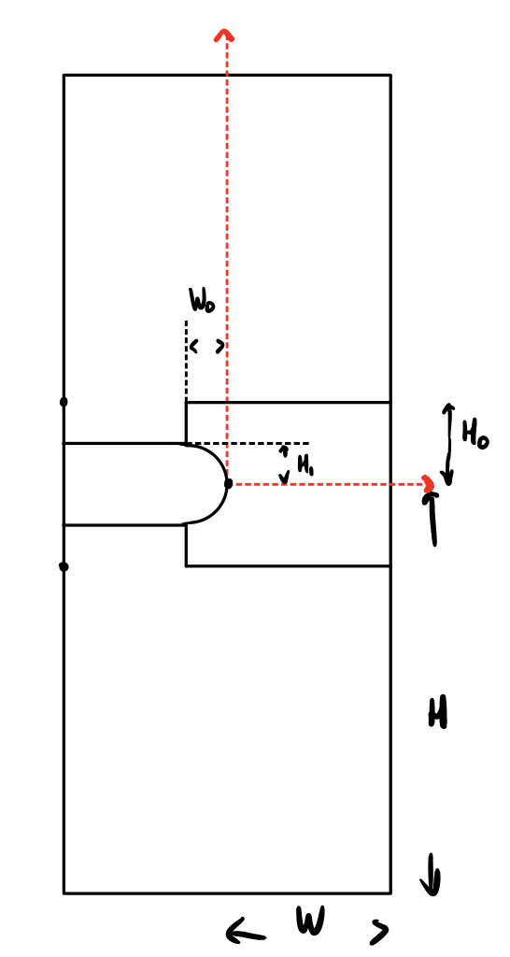
 |  |  | Delta | Total Steps | Cur Step | Cur Disp | length_f | Strain
 |  |  | 3 | 299 | 0 | 0 | 1.5 | 0
 |  |  | 3 | 299 | 50 | 0.5016722408 | 2.0016722408 | 33.444816054
 |  |  | 3 | 299 | 150 | 1.5050167224 | 3.0050167224 | 100.33444816
 |  |  | 3 | 299 | 250 | 2.508361204 | 4.008361204 | 167.22408027
 |  |  | 3 | 299 | 274 | 2.7491638796 | 4.2491638796 | 183.27759197
 |  |  | 3 | 299 | 275 | 2.7591973244 | 4.2591973244 | 183.94648829

