Task3
ms_r | ms | x_d | x_m | c_d | y_d | y_m | r_d | y_r | Circle Point | MidPoint | Nx (inner) | Ny (Inner) | Loading | Propagated | Steps | C/D
0.008 | 0.4 | 8 | 6 | 2 | 9.5 | 0.8 | 5.5 | 3.7749172176 | 8.5249172176 | 8.5249172176 | 750 | 100 | 1 |  | 50 | C | Saved
 |  |  |  |  |  |  |  |  |  |  |  |  | 5 |  | 100 | C | Deleted
 |  |  |  |  |  |  |  |  |  |  |  |  | 5 | 4.37186 | 200 | C | Deleted
0.008 | 0.4 | 8 | N/A | 2 | 9.5 | 0.8 | 5.5 | 3.7749172176 | 8.5249172176 | 8.5249172176 | 1000 | 100 | 4.5 | 2.71812 | 150 | C | Saved

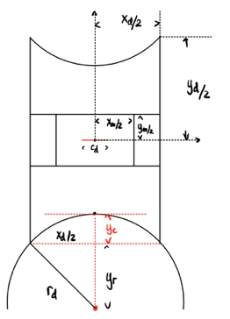
0.002 | 0.4 | 8 | N/A | 2 | 9.5 | 0.1 | 5.5 | 3.7749172176 | 8.5249172176 | 8.5249172176 | 4000 | 50 | 3 |  | 100

Task4-3D
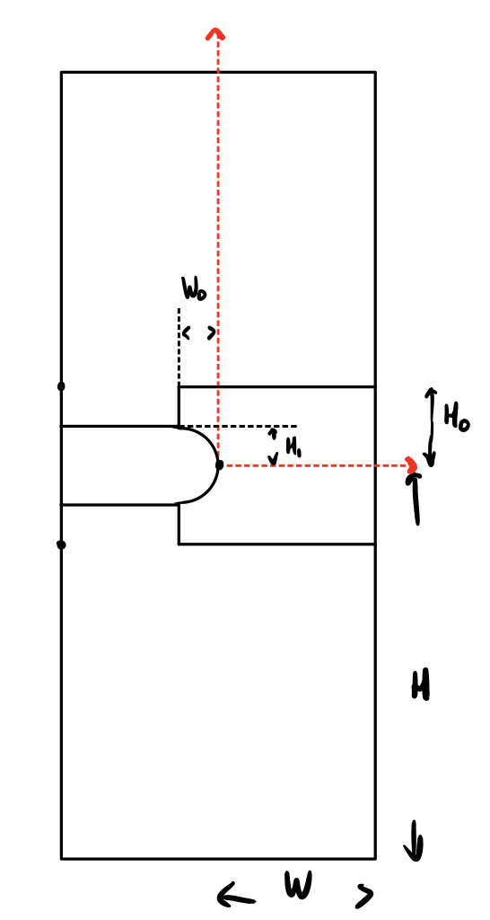
Gc | kappa | mu | hr (hsize) | h | W | H | T (Thickness is 2*T) |  | H0 | H1 | W0 | Nx | Ny (limit) | Delta | Load Steps | Con/Div
1 | 1000 | 1 | 0.01 | 0.1 | 1 | 3 | -0.1 | 0.2 | 0.1 | 0.05 | 0.05 | 300 | 10 | 3 | 30

