Step 1 - System Definition
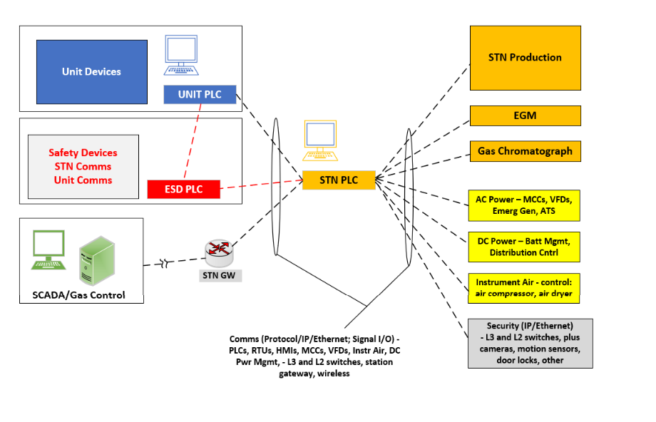
Subsystem | ID | Components/Functions | Applicable? | Instructions:
Station Control | 1 | STN PLC: Flow Control (Discharge) | Yes | Step 1 is meant to select the applicability of a critical function being present in your System's Site Installation. Adjacent to this reference architecture is a table mapping those ID to their respective functions available at a Compressor Station site. It is expected that the user adjust the Applicable column from 'Yes' to 'No' to indicate whether that specific function is present in your system's site installation and the scope of your subsequent analysis. Once the decisions of function applicability is complete, you can move to Step 2, where any functions that was deemed not applicable for analysis is hidden so that the experience is tailored to just applicable functions.
 |  | STN PLC: Press Control (Suction or Discharge) | Yes
 |  | STN PLC: Valving (Suction, Discharge, ByPass) | Yes
 |  | STN PLC: Gas Cooling (Unit Discharge) | Yes
 |  | STN PLC: Fuel Gas Supply | Yes
 |  | STN PLC: SCADA Telemetry/Cntrl Aggregator | Yes
Unit Control (Turbine + Comp) (1ea per Unit) | 2 | Unit PLC: Safe Startup | Yes
 |  | Unit PLC: Safe Idle, Shutdown | Yes
 |  | Unit PLC: Unit Valves Control | Yes
 |  | Unit PLC: Unit Fuel Gas Control | Yes
 |  | Unit PLC: Delivery Control (Speed, DisPress, SucPress) | Yes
 |  | Unit PLC + ASCV: Surge Detection (Compressor) | Yes
 |  | Unit PLC + ASCV: Surge Avoidance (Compressor) | Yes
 |  | Unit PLC: Seals System | Yes
 |  | Unit PLC: Lube Oil System | Yes
 |  | Unit PLC + Discrete Cntrl: Vibration Detection | Yes
 |  | Unit PLC: Temperature Monitoring | Yes
Safety Control | 3 | ESD PLC: Station/Units Shutdown/Shut-in/Venting | Yes
 |  | Sensing/Detection - Flame Detectors | Yes
 |  | Sensing/Detection - Gas Detectors | Yes
 |  | Manual Pushbuttons - Human Initiated ESD | Yes
Gas Control (Control Center) | 4 | Pipeline ops for delivery (STN setpoint, Unit start/stop) | Yes
STN AC Power | 5 | STN MCC | Yes
 |  | STN ATS | Yes
 |  | STN Generator(s) - Backup | Yes
STN DC Power | 6 | DC Power System Rectifier/Controller | Yes
 |  | DC Power Battery Mgmt Controller | Yes
Instrument Air (valve actuation) (N/A if gas or electric) | 7 | Instrument Air Package Controller | Yes
Other/Misc | 8 | <User Defined> | Yes
 |  | <User Defined> | Yes
 |  | <User Defined> | Yes

