Microgrid Analysis Welcome Page
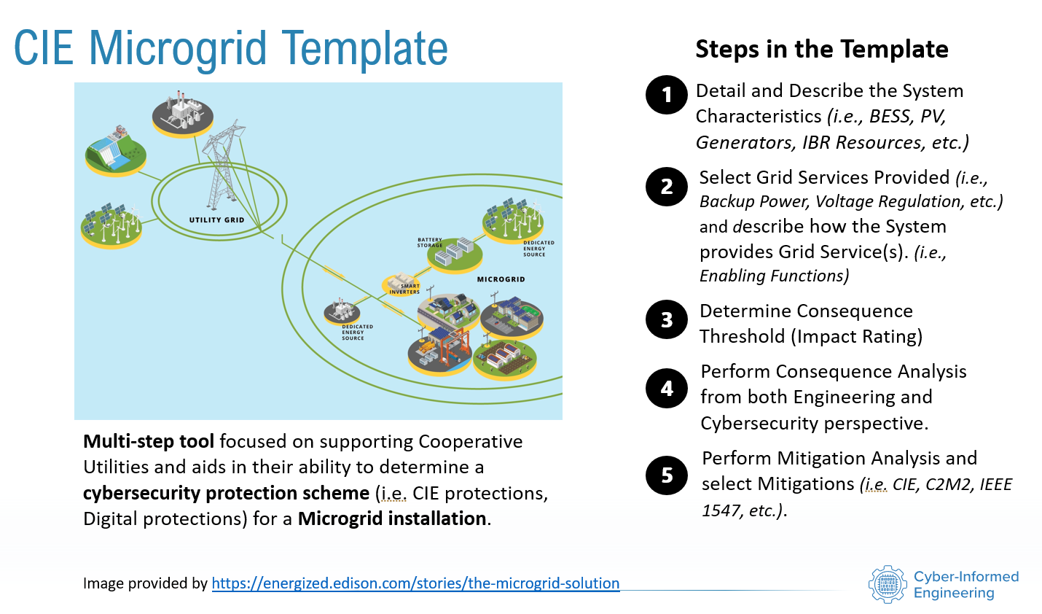

Project Details

 | Project Name:

 | Project Details:

Location Details

 | Project Address:

Contact Details

 | Project Lead:

 | Phone:

 | Email:

Audience Expectations
Audience Expectations |  | Successful completion of system analysis is a team activity. | CIE Principles
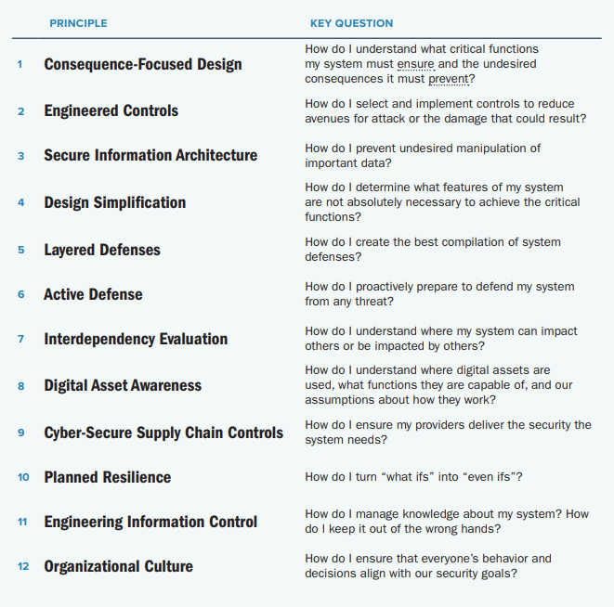
 | Step 1
 | Is intended to be completed by any user who has awareness of the equipment
 | types present in a Microgrid installation

 | Step 2
 | Is Intended to be completed by any user who has awareness of the grid services
 | facilitated by the Microgrid installation

 | Step 3
 | Is intended to be completed by the asset owner organization and their level of risk acceptance
 | as it pertains to the impacts derived from the failure of the grid service.

 | Step 4
 | Is intended to be completed by an engineer from the integrator, design firm, or asset owner
 | and a cybersecurity professional also from either the integrator, design firm, or asset owner

 | Step 5
 | Is intended to be completed by the same audience that provided the analysis in Step 4.

 | Please email cie@inl.gov for any questions or comments in regard to this CIEMAT tool.

Step 1 - System Definition
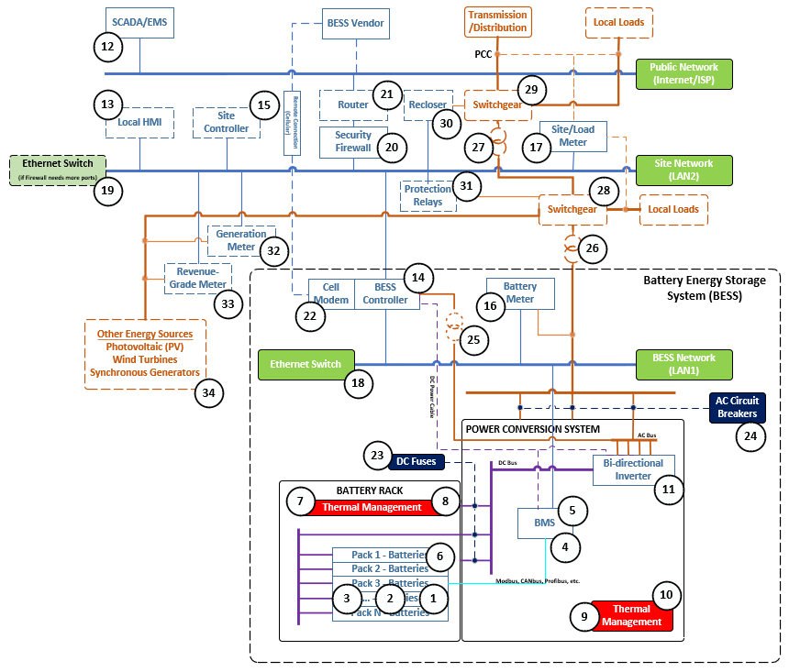
Subsystem | ID | Equipment | Applicable? | Instructions:
Battery Rack Subsystem | 1 | Battery Cell(s) | Yes | Step 1 is meant to select the applicability of a component type being present in your Microgrid Site Installation. On the left hand side, you see a reference architecture with ID placed at all the available component types traditionally found in a common Microgrid, BESS Centric, reference architecture. Adjacent to this reference architecture is a table mapping those ID to their respective equipment type. It is expected that the user adjust the Applicable column from 'Yes' to 'No' to indicate whether that specific equipment type is present in your Microgrid site installation. Once the decisions of equipment applicability is complete, you can move to Step 2, where any equipment type that was deemed not applicable is hidden so that the experience is tailored to just applicable equipment types. NOTE: On each equipment in column O within the subsystems, if you hover over the name you are able to see a note that contains additional information for understanding the intention of that equipment type.
 | 2 | Battery Module(s) | Yes
 | 3 | Battery Pack(s) | Yes
Battery Management System (BMS) Subsystem | 4 | Interface Board(s) | Yes
 | 5 | Controller | Yes
 | 6 | Sensor(s) | Yes
Thermal Management System | 7 | Battery Thermal Regulation | Yes
 | 8 | Rack Thermal Regulation | Yes
 | 9 | Container Thermal Regulation | Yes
 | 10 | Fire Protection | Yes
Power Conversion System (PCS) | 11 | Inverter(s) | Yes
Energy Management System (EMS) | 12 | SCADA Server | Yes
 | 13 | Local HMI | Yes
Controls Subsystem | 14 | BESS Controller | Yes
 | 15 | Site Controller | Yes
 | 16 | Battery Meter(s) | Yes
 | 17 | Site/Load Meter(s) | Yes
Communication Subsystem | 18 | BESS Network Switch(s) | Yes
 | 19 | Site Network Switch(s) | Yes
 | 20 | Security Firewall(s) | Yes
 | 21 | Site Router(s) | Yes
 | 22 | Cell Modem | Yes
Electrical Delivery and Protection Subsystem | 23 | Fuses(s) | Yes
 | 24 | AC Circuit Breaker(s) | Yes
 | 25 | Control Power Transformer | Yes
 | 26 | Local Power Level Transformer | Yes
 | 27 | Utility Power Level Transformer | Yes
 | 28 | Local Power Level Switchgear | Yes
 | 29 | Utility Power Level Switchgear | Yes
 | 30 | Recloser | Yes
 | 31 | Protection Relay(s) | Yes
"Other" Energy Sources Subsystem | 32 | Generation Meter | Yes
 | 33 | Revenue-Grade Meter | Yes
 | 34 | Other Energy Source #1 | Yes
 | 35 | Other Energy Source #2 | Yes

