dashboard
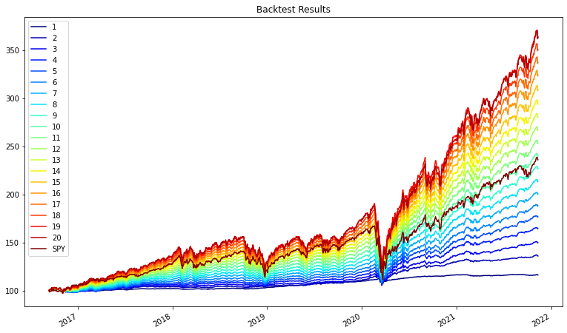
Dashboard | 1 | 2 | 3 | 4 | 5 | 6 | 7 | 8 | 9 | 10 | 11 | 12 | 13 | 14 | 15 | 16 | 17 | 18 | 19 | 20
ema_historical_return | 4.50% | 13.90% | 19.09% | 22.94% | 26.28% | 28.96% | 31.27% | 33.43% | 35.52% | 37.51% | 39.47% | 41.39% | 43.31% | 45.19% | 47.05% | 48.90% | 50.53% | 52.00% | 53.43% | 54.54%
oracle_approximating | 2.29% | 3.31% | 4.33% | 5.36% | 6.38% | 7.40% | 8.42% | 9.44% | 10.47% | 11.49% | 12.51% | 13.53% | 14.56% | 15.58% | 16.60% | 17.62% | 18.64% | 19.67% | 20.69% | 21.71%
sharpe_ratio | 1.0936 | 3.5940 | 3.9469 | 3.9058 | 3.8064 | 3.6430 | 3.4757 | 3.3292 | 3.2011 | 3.0909 | 2.9951 | 2.9115 | 2.8371 | 2.7720 | 2.7140 | 2.6620 | 2.6037 | 2.5421 | 2.4860 | 2.4203
Commodity | 0.00% | 0.00% | 0.51% | 2.50% | 4.95% | 5.00% | 5.00% | 5.00% | 5.00% | 5.00% | 5.00% | 5.00% | 5.00% | 5.00% | 5.00% | 5.00% | 1.20% | 0.00% | 0.00% | 0.00%
Equity | 1.62% | 5.15% | 10.50% | 14.68% | 19.18% | 24.55% | 30.17% | 35.80% | 41.13% | 45.88% | 50.40% | 55.37% | 60.75% | 66.03% | 71.30% | 76.61% | 82.09% | 87.39% | 92.53% | 95.78%
Fixed Income | 97.46% | 93.67% | 87.47% | 79.87% | 71.90% | 65.99% | 60.61% | 54.99% | 49.61% | 44.91% | 40.39% | 35.42% | 30.03% | 24.76% | 19.49% | 13.85% | 12.50% | 8.40% | 3.26% | 0.00%
REIT | 0.00% | 0.00% | 1.07% | 2.73% | 3.96% | 3.96% | 3.96% | 3.96% | 3.96% | 3.96% | 3.96% | 3.96% | 3.96% | 3.96% | 3.96% | 3.96% | 3.96% | 3.96% | 3.96% | 3.96%

efficient_frontier
