dashboard
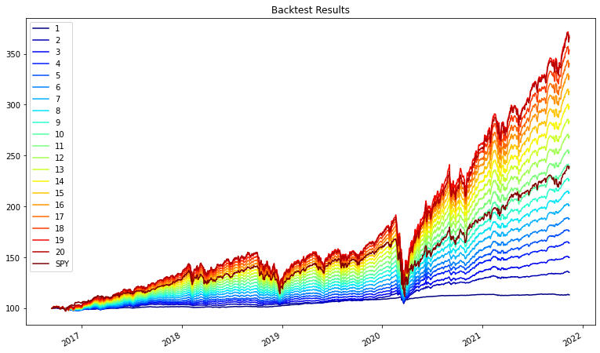
Dashboard | 1 | 2 | 3 | 4 | 5 | 6 | 7 | 8 | 9 | 10 | 11 | 12 | 13 | 14 | 15 | 16 | 17 | 18 | 19 | 20
ema_historical_return | 4.41% | 13.85% | 19.10% | 22.90% | 26.25% | 29.05% | 31.46% | 33.73% | 35.90% | 38.01% | 40.09% | 42.11% | 44.10% | 46.09% | 48.05% | 50.01% | 51.74% | 53.29% | 54.83% | 55.98%
oracle_approximating | 2.33% | 3.37% | 4.42% | 5.46% | 6.50% | 7.55% | 8.59% | 9.64% | 10.68% | 11.72% | 12.77% | 13.81% | 14.85% | 15.90% | 16.94% | 17.99% | 19.03% | 20.07% | 21.12% | 22.16%
sharpe_ratio | 1.0360 | 3.5160 | 3.8694 | 3.8287 | 3.7303 | 3.5832 | 3.4293 | 3.2915 | 3.1738 | 3.0721 | 2.9825 | 2.9045 | 2.8353 | 2.7732 | 2.7184 | 2.6687 | 2.6136 | 2.5555 | 2.5014 | 2.4361
Commodity | 0.00% | 0.00% | 0.00% | 2.30% | 4.80% | 5.00% | 5.00% | 5.00% | 5.00% | 5.00% | 5.00% | 5.00% | 5.00% | 5.00% | 5.00% | 5.00% | 1.30% | 0.00% | 0.00% | 0.00%
Equity | 1.15% | 5.08% | 10.91% | 14.91% | 19.02% | 24.54% | 30.64% | 35.77% | 40.47% | 45.65% | 50.53% | 55.47% | 60.83% | 66.13% | 71.35% | 76.57% | 81.99% | 87.26% | 92.46% | 95.79%
Fixed Income | 97.47% | 93.12% | 87.37% | 80.05% | 72.19% | 66.50% | 60.40% | 55.01% | 49.99% | 45.16% | 40.25% | 35.32% | 29.96% | 24.66% | 19.45% | 14.22% | 12.50% | 8.54% | 3.33% | 0.00%
REIT | 0.00% | 0.00% | 1.08% | 2.66% | 3.96% | 3.96% | 3.96% | 3.96% | 3.96% | 3.96% | 3.96% | 3.96% | 3.96% | 3.96% | 3.96% | 3.96% | 3.96% | 3.96% | 3.96% | 3.96%

efficient_frontier
