Instructions
Project Overview
Introduction to the Project Scenario
You are part of the 201 Analytics Consultancy Group from Reno, Nevada. Your group has been picked as a special consultant for a short-term project with the company "SalesSphere Solutions". Over the next few weeks, you will delve into the company's yearly data, spanning sales performance, employee data, budgeting, inventory management, and customer feedback. Your analysis will be critical in identifying strengths, pinpointing areas for improvement, and uncovering insights that can drive strategic decisions.
Your team will need to apply advanced Excel techniques, including conditional logic, formatting and aggregates, to analyse and interpret the data effectively. The company is counting on your expertise to provide a fresh perspective on their operations.
Task Breakdown
Sales Performance Analysis (Sales Sheet): Evaluate sales data to understand how our sales strategies are performing against targets across different regions and product categories.
Employee Data Analysis (Employee Sheet): Analyze employee performance and attendance data to assess productivity and areas where support may be needed.
Budget Analysis (BudgetMonitoring Sheet): Review budgeting accuracy by comparing budgeted amounts against actual spending, highlighting areas of over or under-spending, and suggesting adjustments for future budgeting.
Inventory Management (InventoryManagement Sheet): Examine current inventory levels in relation to sales data, identify stock that requires reordering.
Customer Feedback Analysis (Feedback Sheet): Analyze customer feedback to gauge overall satisfaction, and suggest areas for product or service improvement.
Deliverables
Analysis Report: Your group is tasked with compiling a report (at least half a page) detailing your findings from each of the sheets. Feel free to offer recommendations to the company based on your analysis.
Excel Workbook: Submit the Excel workbook containing all the sheets and requested analysis.

Sales
Sales Performance Analysis
First calculate Total Sales column as units sold *unit price
1. Determine Sales Quota Achievement
Calculate whether each salesperson has met, exceeded, or not met their sales quota for the month.
Instructions:
Add a new column to named "Quota Status."
Use the IF function to assess if the "Total Sales" are equal to or greater than the "Sales Target." If so, check if they exceed the target by more than 10% to classify as "Exceeded." If sales are equal to or just meet the target, classify as "Met." Otherwise, classify as "Not Met."
2. Calculate Sales Bonus
Determine the sales bonus for each salesperson based on whether they met, exceeded, or did not meet their sales quota. Assume the following bonus structure: Not Met = 0% of Total Sales, Met = 2% of Total Sales, Exceeded = 5% of Total Sales.
Instructions:
Add a new column named "Sales Bonus."
Utilize the IF function alongside your "Quota Status" from Task 1 to calculate the bonus accordingly.
3. Highlight Top-Performing Salespeople
Visually identify the top 10% of salespeople based on Total Sales for the month.
Instructions:
Apply conditional formatting to the "Total Sales" column to highlight the top 20% of entries.
Use a distinctive color or formatting style to make these cells stand out.
Hint
Select the range in the "Total Sales" column.
Go to the Home tab, click on Conditional Formatting, and choose "Top/Bottom Rules."
Select "MoreRules" , specify percentage and customize the formatting to your preference, such as filling the cells with a green color.
4. Candidate for best salesman
In the best salesman range, calculate the total sales for each of the 4 sales salesperson, compare by rank. Add to your report recommendation for the best salesman award.
Hint: Use "SUMIF" fuction
Quarter | Salesperson ID | Region | Product Category | Units Sold | Unit Price | Total Sales | Sales Target | Quota Status | Sales Bonus
Q1 | SP101 | North | Electronics | 150 | $200 | 30,000 | $25,000 | Exceeded | 1500
Q1 | SP102 | South | Tools | 75 | $300 | 22,500 | $20,000 | Exceeded | 1125
Q1 | SP103 | East | Electronics | 200 | $200 | 40,000 | $35,000 | Exceeded | 2000
Q1 | SP104 | West | Hardware | 50 | $300 | 15,000 | $15,000 | Met | 300
Q2 | SP101 | North | Tools | 180 | $200 | 36,000 | $30,000 | Exceeded | 1800
Q2 | SP102 | South | Hardware | 180 | $300 | 54,000 | $25,000 | Exceeded | 2700
Q2 | SP103 | East | Electronics | 250 | $200 | 50,000 | $45,000 | Exceeded | 2500
Q2 | SP104 | West | Hardware | 60 | $300 | 18,000 | $17,000 | Met | 360
Q3 | SP101 | North | Electronics | 160 | $200 | 32,000 | $28,000 | Exceeded | 1600
Q3 | SP102 | South | Hardware | 90 | $300 | 27,000 | $22,000 | Exceeded | 1350
Q3 | SP103 | East | Tools | 157 | $200 | 31,400 | $55,000 | Not Met | 0
Q3 | SP104 | West | Electronics | 109 | $300 | 32,700 | $32,000 | Met | 654
Q4 | SP101 | North | Hardware | 198 | $200 | 39,600 | $40,000 | Not Met | 0
Q4 | SP102 | South | Electronics | 128 | $300 | 38,400 | $40,000 | Not Met | 0
Q4 | SP103 | East | Hardware | 80 | $200 | 16,000 | $20,000 | Not Met | 0
Q4 | SP104 | West | Tools | 55 | $300 | 16,500 | $15,000 | Exceeded | 825

Best Salesman
SalespersonID | Total Sales | Rank
SP102 | 141900 | 1
SP101 | 137600 | 2
SP103 | 137400 | 3
SP104 | 82200 | 4

Employee
Employee Performance and Attendance
1. Calculate Eligibility for Annual Bonus
Determine which employees are eligible for an annual bonus based on their performance rating and days absent. Employees with a performance rating of 4.0 or higher and fewer than 3 days absent are eligible.
Instructions:
Add a new column named "Bonus Eligibility."
Use the IF function combined with AND to evaluate whether each employee meets both criteria The formula should return "Eligible" if both conditions are met, and "Not Eligible" otherwise.
2. Calculate the years of service for each employee up to the current year to identify employees who are approaching significant milestones (e.g., 5, 10, 15 years of service).
Instructions:
Add a new column named "Years of Service."
Use the DATEDIF function to calculate the difference between the hire date and the current date, returning the result in years.
3. Highlight Top Performers and Those Needing Support
Visually distinguish top performers from those potentially needing support based on their performance rating.
Instructions:
Apply conditional formatting to the "Performance Rating" column.
Highlight cells with a performance rating of 4.5 or higher in green to identify top performers.
Highlight cells with a performance rating lower than 3.0 in red to identify employees who may require additional support or training.
Hint
Select the range in the "Performance Rating" column.
Go to the Home tab, click on Conditional Formatting, and choose "New Rule."
Use the "Format cells that contain" rule type.
Set the rule for "Cell Value" "greater than or equal to" 4.5 and choose a green fill.
Add another rule for "Cell Value" "less than" 3.0 and choose a red fill.
4. Calculate employee rentention for each department . The retention rate in this context is defined by the average "Years of Service" for each department.
Instructions:
Create a new sheet named "DepartmentPerformance". Copy and paste the departms column from Employee sheets into the new sheet.
Use the 'Remove Duplicates' feature found under the 'Data' tab to filter the department names, leaving you with a list of distinct departments.
Create an "Employee Retention" column
Utilize the AVERAGEIF function to find out which department has the highest average retention rate and which has the lowest.
Identify and report which department has the highest and lowest average retention rate.
Employee ID | Name | Department | Position | Hire Date | Performance Rating (Previous Year) | Days Absent | Attendance Target | Bonus Eligibility | Years of Service
E101 | John Doe | Sales | Sales Representative | 2018-05-01 | 4.5 | 3 | 5 | Not Eligible | 5
E102 | Jane Smith | Marketing | Marketing Coordinator | 2019-07-15 | 4 | 2 | 5 | Eligible | 4
E103 | Michael Brown | IT | Systems Administrator | 2017-03-12 | 3 | 5 | 5 | Not Eligible | 7
E104 | Linda Green | HR | HR Specialist | 2020-11-01 | 4.2 | 1 | 5 | Eligible | 3
E105 | Kevin White | Operations | Operations Manager | 2016-01-18 | 3.5 | 6 | 5 | Not Eligible | 8
E106 | Sarah Parker | Finance | Financial Analyst | 2018-08-23 | 4.7 | 0 | 5 | Eligible | 5
E107 | James Wilson | Sales | Account Manager | 2019-02-20 | 4.1 | 4 | 5 | Not Eligible | 5
E108 | Patricia Hall | Customer Service | Customer Service Rep | 2020-06-07 | 4.3 | 3 | 5 | Not Eligible | 3
E109 | David Allen | IT | Network Engineer | 2017-09-15 | 3.9 | 4 | 5 | Not Eligible | 6
E110 | Emma Johnson | Marketing | Digital Marketer | 2019-12-01 | 4.4 | 5 | 5 | Not Eligible | 4
E111 | Madalynn Logan | IT | Financial Analyst | 2018-01-17 | 3.9 | 2 | 5 | Not Eligible | 6
E112 | Rocco Sampson | Sales | Marketing Coordinator | 2021-01-31 | 3 | 5 | 5 | Not Eligible | 3
E113 | Meilani Kim | IT | Marketing Coordinator | 2022-04-09 | 2.9 | 5 | 5 | Not Eligible | 2
E114 | Roman Dean | HR | Network Engineer | 2019-08-11 | 2.2 | 5 | 5 | Not Eligible | 4
E115 | Julianna Spears | Marketing | Customer Service Rep | 2017-05-09 | 3.9 | 5 | 5 | Not Eligible | 6
E116 | Ameer Larsen | Operations | Account Manager | 2022-12-02 | 4.5 | 1 | 5 | Eligible | 1
E117 | Xiomara Yang | Marketing | Account Manager | 2019-05-27 | 4.4 | 3 | 5 | Not Eligible | 4
E118 | Malcolm Chang | Sales | Operations Manager | 2022-05-19 | 4.4 | 1 | 5 | Eligible | 1
E119 | Ophelia Potts | Sales | Account Manager | 2020-03-27 | 4.2 | 4 | 5 | Not Eligible | 4
E120 | Alfred Gregory | Marketing | Marketing Coordinator | 2018-05-16 | 4.2 | 7 | 5 | Not Eligible | 5
E121 | Alaya Kelley | Marketing | Operations Manager | 2023-08-20 | 3 | 3 | 5 | Not Eligible | 0
E122 | Eric Bishop | HR | Sales Representative | 2021-09-14 | 3.9 | 0 | 5 | Not Eligible | 2
E123 | Brooklynn Griffith | IT | HR Specialist | 2022-01-10 | 4.4 | 0 | 5 | Eligible | 2
E124 | Franklin Villalobos | Marketing | HR Specialist | 2019-09-12 | 4 | 1 | 5 | Eligible | 4
E125 | Zoya Stafford | Sales | Customer Service Rep | 2020-12-04 | 2.5 | 6 | 5 | Not Eligible | 3
E126 | Alfredo Byrd | Operations | HR Specialist | 2023-04-26 | 4.7 | 0 | 5 | Eligible | 0
E127 | Giselle Wright | Marketing | Operations Manager | 2021-04-19 | 4.1 | 0 | 5 | Eligible | 2
E128 | Grayson Lin | Sales | Account Manager | 2020-01-05 | 3.8 | 1 | 5 | Not Eligible | 4
E129 | Makenna Ochoa | Operations | Operations Manager | 2023-08-29 | 3.9 | 3 | 5 | Not Eligible | 0
E130 | Winston Erickson | Sales | HR Specialist | 2017-02-09 | 4.7 | 3 | 5 | Not Eligible | 7
E131 | Sabrina Ford | Marketing | Financial Analyst | 2023-07-20 | 3.5 | 3 | 5 | Not Eligible | 0
E132 | Luis Dorsey | IT | Systems Administrator | 2023-01-11 | 4.1 | 0 | 5 | Eligible | 1
E133 | Addyson Stewart | Marketing | Sales Representative | 2019-04-25 | 3.9 | 3 | 5 | Not Eligible | 4
E134 | Nolan Marquez | Operations | Sales Representative | 2017-12-23 | 4.7 | 1 | 5 | Eligible | 6
E135 | Milani Pittman | Sales | Systems Administrator | 2019-02-02 | 4.5 | 2 | 5 | Eligible | 5
E136 | Valentino Hess | IT | Marketing Coordinator | 2023-04-10 | 4.5 | 0 | 5 | Eligible | 1
E137 | Kaliyah Sosa | Marketing | Network Engineer | 2020-09-26 | 4.7 | 3 | 5 | Not Eligible | 3
E138 | Emir Velasquez | Customer Service | Account Manager | 2023-10-10 | 4 | 3 | 5 | Not Eligible | 0
E139 | Esme Patton | HR | HR Specialist | 2020-03-04 | 4.7 | 5 | 5 | Not Eligible | 4
E140 | Moises Montoya | IT | Operations Manager | 2022-06-10 | 3.8 | 2 | 5 | Not Eligible | 1
E141 | Kamryn Chen | Marketing | Operations Manager | 2021-11-26 | 4 | 5 | 5 | Not Eligible | 2
E142 | Emmanuel Marquez | Marketing | Sales Representative | 2018-12-18 | 4.4 | 0 | 5 | Eligible | 5
E143 | Milani Franklin | Customer Service | Account Manager | 2019-01-18 | 3.9 | 4 | 5 | Not Eligible | 5
E144 | Simon Reilly | IT | Digital Marketer | 2022-11-08 | 3.9 | 2 | 5 | Not Eligible | 1
E145 | Tori Ramos | Sales | Sales Representative | 2017-01-14 | 4.5 | 0 | 5 | Eligible | 7
E146 | Angel Ball | Sales | Marketing Coordinator | 2019-10-25 | 4.2 | 3 | 5 | Not Eligible | 4
E147 | Abby Mullen | Operations | Marketing Coordinator | 2022-01-03 | 3 | 7 | 5 | Not Eligible | 2
E148 | Shepard Hendrix | Marketing | Network Engineer | 2023-12-22 | 4.3 | 3 | 5 | Not Eligible | 0
E149 | Zhuri Garza | Operations | Account Manager | 2022-11-19 | 4.4 | 0 | 5 | Eligible | 1
E150 | Judah Dickerson | Finance | HR Specialist | 2020-06-03 | 4 | 5 | 5 | Not Eligible | 3

BudgetMonitoring
Budget Analysis
First create columns for and calculate
-Variance: The difference between the budgeted amount and the actual spending, calculated as (Actual Spending - Budgeted Amount).
-Variance Percentage: The variance expressed as a percentage of the budgeted amount, calculated as (Variance / Budgeted Amount) * 100.
1a. Identifying departments with significant overspending or underspending
Instructions:
Create a column named "Current Spending". Use the IF function to assess if the "Variance" positive then classify the department as "underspending" and "overspending" if the variance is negative.
1b. Adjust next year'd budget.
Create an adjusted budget forecast for the next year based on the current quarter's variance. If the variance is positive (underspending), decrease next years quarter's budget by 5% of the variance amount. If positive (overspending), increase the next quarter's budget by 10% of the variance amount. Implying that, those with negative variance should have an increase in next years budget to accomodate departments' expenses.
Instructions:
Add a new column named "Adjusted Budget Forecast for Next Q."
Use a IF statement (Tip: combine with mathematical operations ) to adjust the nextyear quarter's budget based on the variance percentage. Assume the current budget as the base for the next quarter's forecast before adjustments.
Conditional Formatting Tasks
2. Gradient Color Scale Based on Department Spending
Apply a gradient color scale to the "Actual Spending" column to visually depict the range from significant underspending to significant overspending.
Instructions:
Select the "Variance " column.
Navigate to Conditional Formatting > Color Scales and select a gradient scale that transitions from green (low values, ) through yellow to red (high values).
Conditional Aggregates
Add a colum to "departmentPerformance" sheet named Annual spending
USe SUMIFS function to calculate Annual spending of each department (ie, Q1, Q2, Q3, Q4)
Department | Quarter | Budgeted Amount | Actual Spending | Variance | Variance Percentage | Current Spending | Adjusted Budget Forecast for Next Q
Sales | Q1 | $50,000 | $48,000 | 2000 | 4.0 | Underspending | $49,900
Marketing | Q1 | $40,000 | $42,500 | -2500 | -6.3 | Overspending | $40,250
IT | Q1 | $30,000 | $28,700 | 1300 | 4.3 | Underspending | $29,935
HR | Q1 | $20,000 | $19,800 | 200 | 1.0 | Underspending | $19,990
Operations | Q1 | $55,000 | $58,000 | -3000 | -5.5 | Overspending | $55,300
Finance | Q1 | $25,000 | $24,500 | 500 | 2.0 | Underspending | $24,975
Sales | Q2 | $50,000 | $52,000 | -2000 | -4.0 | Overspending | $50,200
Marketing | Q2 | $40,000 | $39,000 | 1000 | 2.5 | Underspending | $39,950
IT | Q2 | $30,000 | $31,500 | -1500 | -5.0 | Overspending | $30,150
HR | Q2 | $20,000 | $20,200 | -200 | -1.0 | Overspending | $20,020
Operations | Q2 | $55,000 | $53,000 | 2000 | 3.6 | Underspending | $54,900
Finance | Q2 | $25,000 | $25,750 | -750 | -3.0 | Overspending | $25,075
Sales | Q3 | $24,000 | $23,430 | 570 | 2.4 | Underspending | $23,972
Marketing | Q3 | $55,000 | $55,300 | -300 | -0.5 | Overspending | $55,030
IT | Q3 | $58,000 | $62,500 | -4500 | -7.8 | Overspending | $58,450
HR | Q3 | $22,000 | $21,991 | 9 | 0.0 | Underspending | $22,000
Operations | Q3 | $27,000 | $27,910 | -910 | -3.4 | Overspending | $27,091
Finance | Q3 | $25,000 | $27,500 | -2500 | -10.0 | Overspending | $25,250
Sales | Q4 | $31,000 | $30,840 | 160 | 0.5 | Underspending | $30,992
Marketing | Q4 | $30,000 | $29,121 | 879 | 2.9 | Underspending | $29,956
IT | Q4 | $45,000 | $44,675 | 325 | 0.7 | Underspending | $44,984
HR | Q4 | $52,000 | $51,200 | 800 | 1.5 | Underspending | $51,960
Operations | Q4 | $23,000 | $21,800 | 1200 | 5.2 | Underspending | $22,940
Finance | Q4 | $26,000 | $26,940 | -940 | -3.6 | Overspending | $26,094

InventoryManagement
Inventory Status Analysis
1. Determine the inventory status for each item based on its "Quantity In Stock" in relation to the "Reorder Level" and "Maximum Stock Level." The status should be "Reorder", "Sufficient", or "Overstock."
Instructions:
Add a new column named "Inventory Status."
Use a nested IF or IFS statement to categorize each item's inventory status.
"Reorder" if Quantity In Stock is equal to or below the Reorder Level.
"Sufficient" if Quantity In Stock is above the Reorder Level but below the Maximum Stock Level.
"Overstock" if Quantity In Stock is above the Maximum Stock Level.
2. Use data bars within conditional formatting to visually represent the "Quantity In Stock"
Steps
Select the "Quantity In Stock" column.
Navigate to Conditional Formatting > Data Bars
3. Apply a three arrow Direction Icon Set on average ratings.
Steps
Select the "Quantity In Stock" column.
Navigate to Conditional Formatting > Data Bars
Product ID | Item Description | Category | Quantity In Stock | Reorder Level | Maximum Stock Level | Lead Time (Days) | Inventory Status | Average Ratings | Product Viability
I001 | Widget A | Electronics | 120 | 100 | 500 | 30 | Sufficient | 3.2 | Retain
I002 | Gadget B | Hardware | 80 | 75 | 300 | 45 | Sufficient | 1.8 | Consider for Discontinuation
I003 | Widget C | Electronics | 60 | 50 | 400 | 30 | Sufficient | 3.2 | Retain
I004 | Gadget D | Hardware | 200 | 150 | 600 | 60 | Sufficient | 3.1 | Retain
I005 | Tool E | Tools | 95 | 100 | 300 | 15 | Reorder | 3.3 | Retain
I006 | Widget F | Electronics | 150 | 120 | 450 | 30 | Sufficient | 2.9 | Retain
I007 | Gadget G | Hardware | 45 | 50 | 250 | 45 | Reorder | 3.3 | Retain
I008 | Tool H | Tools | 110 | 100 | 350 | 15 | Sufficient | 3.2 | Retain
I009 | Widget I | Electronics | 130 | 110 | 520 | 25 | Sufficient | 3.6 | Retain
I010 | Gadget J | Hardware | 90 | 80 | 310 | 40 | Sufficient | 2.9 | Retain
I011 | Widget K | Electronics | 70 | 60 | 410 | 35 | Sufficient | 3.2 | Retain
I012 | Gadget L | Hardware | 210 | 160 | 610 | 55 | Sufficient | 3.4 | Retain
I013 | Tool M | Tools | 85 | 90 | 290 | 20 | Reorder | 3.0 | Retain
I014 | Widget N | Electronics | 160 | 130 | 460 | 25 | Sufficient | 3.7 | Retain
I015 | Gadget O | Hardware | 40 | 45 | 240 | 50 | Reorder | 3.0 | Retain
I016 | Tool P | Tools | 115 | 105 | 360 | 10 | Sufficient | 2.9 | Retain
I017 | Widget Q | Electronics | 140 | 115 | 530 | 20 | Sufficient | 1.7 | Consider for Discontinuation
I018 | Gadget R | Hardware | 85 | 90 | 320 | 35 | Reorder | 3.0 | Retain
I019 | Widget S | Electronics | 75 | 65 | 415 | 40 | Sufficient | 3.0 | Retain
I020 | Gadget T | Hardware | 220 | 170 | 620 | 50 | Sufficient | 3.4 | Retain
I021 | Tool U | Tools | 100 | 95 | 295 | 15 | Sufficient | 3.1 | Retain
I022 | Widget V | Electronics | 165 | 135 | 465 | 30 | Sufficient | 3.6 | Retain
I023 | Gadget W | Hardware | 55 | 60 | 255 | 45 | Reorder | 3.3 | Retain
I024 | Tool X | Tools | 105 | 100 | 355 | 12 | Sufficient | 3.2 | Retain

Feedback
Determine Sentiments Using Conditional Logic
1. Categorize customer sentiment based on the "Rating (1-5)" in the feedback. The sentiment is to be determined as "Positive", "Neutral", or "Negative" based on the following criteria:
Positive: Ratings of 4 or 5.
Neutral: A rating of 3.
Negative: Ratings of 1 or 2.
Instructions
Add a new column named "Sentiment".
Apply a nested IF formula (or VLOOKUP) to categorize each feedback rating into the respective sentiment.
2. Based on product feedback, analyze customer ratings for each product to determine their viability in Inventory Management sheet. Products with an average rating below 2 will be flagged for potential discontinuation.
Instruction
Add a column to the InventoryManagement sheet named "Average Rating"
Calculate average ratings for each product using AverageIF function (ProductID in inventory management sheets corresponsds with that in Feedback sheet).
Add anothe column to the InventoryManagement sheet named "Product Viability"
Use IF function to flag products with an average rating below 2 as "Consider for Discontinuation and 2 and above as "Retain"
3. Visually show which products are doing well interms of customer ratings.
Use icon set within conditional formatting to visually compare average ratings of products offered by the company.
Feedback ID | Date | Product ID | Rating | Sentiment
FB001 | 2024-01-02 | I017 | 1 | Negative
FB002 | 2024-01-04 | I011 | 3 | Neutral
FB003 | 2024-01-06 | I023 | 2 | Negative
FB004 | 2024-01-08 | I007 | 4 | Positive
FB005 | 2024-01-10 | I003 | 1 | Negative
FB006 | 2024-01-12 | I022 | 4 | Positive
FB007 | 2024-01-14 | I014 | 3 | Neutral
FB008 | 2024-01-16 | I001 | 2 | Negative
FB009 | 2024-01-18 | I022 | 5 | Positive
FB010 | 2024-01-20 | I005 | 3 | Neutral
FB011 | 2024-03-29 | I004 | 4 | Positive
FB012 | 2024-03-03 | I009 | 2 | Negative
FB013 | 2024-02-16 | I003 | 1 | Negative
FB014 | 2024-01-05 | I018 | 3 | Neutral
FB015 | 2024-02-11 | I001 | 5 | Positive
FB016 | 2024-01-15 | I005 | 2 | Negative
FB017 | 2024-03-22 | I012 | 4 | Positive
FB018 | 2024-03-26 | I015 | 5 | Positive
FB019 | 2024-03-11 | I016 | 2 | Negative
FB020 | 2024-01-27 | I001 | 3 | Neutral
FB021 | 2024-03-04 | I005 | 1 | Negative
FB022 | 2024-03-25 | I003 | 5 | Positive
FB023 | 2024-03-25 | I018 | 1 | Negative
FB024 | 2024-03-30 | I010 | 4 | Positive
FB025 | 2024-02-24 | I020 | 4 | Positive
FB026 | 2024-02-07 | I002 | 1 | Negative
FB027 | 2024-02-11 | I004 | 5 | Positive
FB028 | 2024-02-13 | I009 | 4 | Positive
FB029 | 2024-02-15 | I023 | 1 | Negative
FB030 | 2024-02-20 | I007 | 4 | Positive
FB031 | 2024-01-16 | I008 | 2 | Negative
FB032 | 2024-01-15 | I018 | 2 | Negative
FB033 | 2024-03-06 | I006 | 1 | Negative
FB034 | 2024-01-22 | I009 | 3 | Neutral
FB035 | 2024-01-17 | I019 | 4 | Positive
FB036 | 2024-01-27 | I022 | 3 | Neutral
FB037 | 2024-03-14 | I008 | 2 | Negative
FB038 | 2024-03-10 | I019 | 4 | Positive
FB039 | 2024-02-26 | I003 | 4 | Positive
FB040 | 2024-02-09 | I018 | 2 | Negative
FB041 | 2024-02-21 | I022 | 5 | Positive
FB042 | 2024-01-20 | I010 | 1 | Negative
FB043 | 2024-03-29 | I019 | 3 | Neutral
FB044 | 2024-02-04 | I009 | 3 | Neutral
FB045 | 2024-01-13 | I015 | 5 | Positive
FB046 | 2024-01-25 | I013 | 5 | Positive
FB047 | 2024-02-28 | I007 | 2 | Negative
FB048 | 2024-01-13 | I003 | 2 | Negative
FB049 | 2024-03-19 | I011 | 1 | Negative
FB050 | 2024-03-18 | I007 | 3 | Neutral
FB051 | 2024-02-12 | I015 | 2 | Negative
FB052 | 2024-03-03 | I019 | 5 | Positive
FB053 | 2024-03-01 | I019 | 3 | Neutral
FB054 | 2024-01-27 | I003 | 5 | Positive
FB055 | 2024-03-23 | I018 | 4 | Positive
FB056 | 2024-02-23 | I022 | 4 | Positive
FB057 | 2024-02-20 | I015 | 5 | Positive
FB058 | 2024-02-25 | I021 | 3 | Neutral
FB059 | 2024-03-12 | I002 | 1 | Negative
FB060 | 2024-01-03 | I021 | 3 | Neutral
FB061 | 2024-02-17 | I014 | 2 | Negative
FB062 | 2024-03-22 | I002 | 1 | Negative
FB063 | 2024-02-07 | I001 | 4 | Positive
FB064 | 2024-03-18 | I015 | 1 | Negative
FB065 | 2024-02-21 | I022 | 1 | Negative
FB066 | 2024-01-15 | I021 | 5 | Positive
FB067 | 2024-02-25 | I004 | 2 | Negative
FB068 | 2024-01-24 | I013 | 3 | Neutral
FB069 | 2024-01-02 | I016 | 1 | Negative
FB070 | 2024-02-16 | I014 | 4 | Positive
FB071 | 2024-03-07 | I011 | 5 | Positive
FB072 | 2024-03-23 | I014 | 3 | Neutral
FB073 | 2024-03-31 | I007 | 5 | Positive
FB074 | 2024-02-07 | I016 | 2 | Negative
FB075 | 2024-03-03 | I008 | 4 | Positive
FB076 | 2024-03-01 | I006 | 2 | Negative
FB077 | 2024-03-07 | I017 | 2 | Negative
FB078 | 2024-01-15 | I019 | 2 | Negative
FB079 | 2024-02-07 | I010 | 3 | Neutral
FB080 | 2024-01-26 | I017 | 2 | Negative
FB081 | 2024-01-24 | I003 | 3 | Neutral
FB082 | 2024-01-30 | I003 | 5 | Positive
FB083 | 2024-02-08 | I018 | 3 | Neutral
FB084 | 2024-02-13 | I019 | 4 | Positive
FB085 | 2024-02-21 | I024 | 5 | Positive
FB086 | 2024-03-03 | I011 | 4 | Positive
FB087 | 2024-01-24 | I004 | 1 | Negative
FB088 | 2024-02-27 | I021 | 3 | Neutral
FB089 | 2024-02-01 | I009 | 4 | Positive
FB090 | 2024-01-26 | I020 | 2 | Negative
FB091 | 2024-03-02 | I021 | 1 | Negative
FB092 | 2024-01-23 | I018 | 5 | Positive
FB093 | 2024-01-10 | I005 | 1 | Negative
FB094 | 2024-02-06 | I024 | 2 | Negative
FB095 | 2024-01-20 | I022 | 3 | Neutral
FB096 | 2024-02-28 | I008 | 2 | Negative
FB097 | 2024-01-13 | I002 | 1 | Negative
FB098 | 2024-01-24 | I021 | 3 | Neutral
FB099 | 2024-03-21 | I013 | 3 | Neutral
FB100 | 2024-01-06 | I023 | 2 | Negative
FB101 | 2024-02-07 | I007 | 3 | Neutral
FB102 | 2024-02-25 | I002 | 1 | Negative
FB103 | 2024-01-17 | I014 | 5 | Positive
FB104 | 2024-01-23 | I021 | 1 | Negative
FB105 | 2024-02-07 | I023 | 5 | Positive
FB106 | 2024-01-13 | I014 | 3 | Neutral
FB107 | 2024-01-09 | I004 | 4 | Positive
FB108 | 2024-03-21 | I021 | 1 | Negative
FB109 | 2024-03-21 | I023 | 4 | Positive
FB110 | 2024-01-05 | I017 | 1 | Negative
FB111 | 2024-01-22 | I007 | 4 | Positive
FB112 | 2024-01-27 | I012 | 5 | Positive
FB113 | 2024-03-11 | I009 | 5 | Positive
FB114 | 2024-03-09 | I007 | 2 | Negative
FB115 | 2024-03-28 | I024 | 1 | Negative
FB116 | 2024-03-05 | I011 | 4 | Positive
FB117 | 2024-01-10 | I008 | 5 | Positive
FB118 | 2024-03-01 | I010 | 3 | Neutral
FB119 | 2024-01-15 | I012 | 2 | Negative
FB120 | 2024-02-09 | I020 | 4 | Positive
FB121 | 2024-01-22 | I023 | 2 | Negative
FB122 | 2024-02-13 | I006 | 2 | Negative
FB123 | 2024-03-22 | I011 | 2 | Negative
FB124 | 2024-03-06 | I023 | 3 | Neutral
FB125 | 2024-02-18 | I010 | 1 | Negative
FB126 | 2024-01-22 | I014 | 3 | Neutral
FB127 | 2024-02-21 | I015 | 5 | Positive
FB128 | 2024-01-15 | I006 | 2 | Negative
FB129 | 2024-01-04 | I006 | 3 | Neutral
FB130 | 2024-01-29 | I021 | 4 | Positive
FB131 | 2024-01-02 | I009 | 4 | Positive
FB132 | 2024-02-04 | I011 | 2 | Negative
FB133 | 2024-03-18 | I024 | 4 | Positive
FB134 | 2024-03-18 | I021 | 4 | Positive
FB135 | 2024-01-14 | I007 | 3 | Neutral
FB136 | 2024-03-24 | I022 | 4 | Positive
FB137 | 2024-01-02 | I005 | 4 | Positive
FB138 | 2024-03-26 | I012 | 5 | Positive
FB139 | 2024-01-07 | I005 | 3 | Neutral
FB140 | 2024-01-20 | I024 | 3 | Neutral
FB141 | 2024-02-09 | I007 | 5 | Positive
FB142 | 2024-03-04 | I004 | 4 | Positive
FB143 | 2024-03-28 | I018 | 4 | Positive
FB144 | 2024-01-16 | I023 | 1 | Negative
FB145 | 2024-02-03 | I022 | 3 | Neutral
FB146 | 2024-03-09 | I015 | 4 | Positive
FB147 | 2024-03-10 | I012 | 5 | Positive
FB148 | 2024-01-29 | I024 | 2 | Negative
FB149 | 2024-02-05 | I016 | 5 | Positive
FB150 | 2024-03-17 | I008 | 5 | Positive
FB151 | 2024-03-31 | I018 | 1 | Negative
FB152 | 2024-03-13 | I021 | 3 | Neutral
FB153 | 2024-03-11 | I011 | 5 | Positive
FB154 | 2024-03-19 | I004 | 2 | Negative
FB155 | 2024-03-24 | I019 | 3 | Neutral
FB156 | 2024-03-18 | I011 | 3 | Neutral
FB157 | 2024-02-10 | I007 | 4 | Positive
FB158 | 2024-03-27 | I015 | 5 | Positive
FB159 | 2024-02-11 | I019 | 1 | Negative
FB160 | 2024-03-13 | I016 | 2 | Negative
FB161 | 2024-01-26 | I010 | 4 | Positive
FB162 | 2024-02-07 | I018 | 5 | Positive
FB163 | 2024-01-18 | I013 | 1 | Negative
FB164 | 2024-02-05 | I019 | 1 | Negative
FB165 | 2024-01-24 | I002 | 2 | Negative
FB166 | 2024-02-03 | I009 | 2 | Negative
FB167 | 2024-01-30 | I024 | 5 | Positive
FB168 | 2024-02-17 | I017 | 3 | Neutral
FB169 | 2024-02-22 | I024 | 3 | Neutral
FB170 | 2024-01-12 | I010 | 3 | Neutral
FB171 | 2024-01-18 | I022 | 2 | Negative
FB172 | 2024-03-20 | I018 | 4 | Positive
FB173 | 2024-01-04 | I013 | 1 | Negative
FB174 | 2024-02-25 | I013 | 3 | Neutral
FB175 | 2024-03-24 | I010 | 3 | Neutral
FB176 | 2024-03-11 | I002 | 2 | Negative
FB177 | 2024-01-27 | I019 | 2 | Negative
FB178 | 2024-01-22 | I006 | 2 | Negative
FB179 | 2024-01-26 | I020 | 4 | Positive
FB180 | 2024-01-21 | I017 | 2 | Negative
FB181 | 2024-01-13 | I024 | 3 | Neutral
FB182 | 2024-02-27 | I004 | 4 | Positive
FB183 | 2024-03-11 | I012 | 3 | Neutral
FB184 | 2024-03-06 | I019 | 4 | Positive
FB185 | 2024-03-13 | I017 | 1 | Negative
FB186 | 2024-02-02 | I013 | 1 | Negative
FB187 | 2024-01-09 | I023 | 1 | Negative
FB188 | 2024-02-23 | I013 | 5 | Positive
FB189 | 2024-03-28 | I020 | 5 | Positive
FB190 | 2024-03-09 | I012 | 4 | Positive
FB191 | 2024-01-11 | I002 | 3 | Neutral
FB192 | 2024-02-22 | I015 | 1 | Negative
FB193 | 2024-01-23 | I020 | 3 | Neutral
FB194 | 2024-01-04 | I006 | 3 | Neutral
FB195 | 2024-02-22 | I003 | 1 | Negative
FB196 | 2024-03-11 | I018 | 3 | Neutral
FB197 | 2024-02-03 | I011 | 2 | Negative
FB198 | 2024-03-27 | I013 | 2 | Negative
FB199 | 2024-02-19 | I020 | 1 | Negative
FB200 | 2024-02-29 | I012 | 1 | Negative
FB201 | 2024-03-01 | I001 | 4 | Positive
FB202 | 2024-03-23 | I006 | 3 | Neutral
FB203 | 2024-03-05 | I016 | 1 | Negative
FB204 | 2024-02-24 | I024 | 3 | Neutral
FB205 | 2024-03-31 | I021 | 4 | Positive
FB206 | 2024-03-16 | I021 | 4 | Positive
FB207 | 2024-01-19 | I001 | 5 | Positive
FB208 | 2024-03-13 | I023 | 1 | Negative
FB209 | 2024-01-15 | I007 | 1 | Negative
FB210 | 2024-02-12 | I008 | 4 | Positive
FB211 | 2024-02-15 | I009 | 5 | Positive
FB212 | 2024-01-29 | I006 | 1 | Negative
FB213 | 2024-03-11 | I012 | 5 | Positive
FB214 | 2024-01-19 | I017 | 1 | Negative
FB215 | 2024-03-15 | I013 | 3 | Neutral
FB216 | 2024-02-04 | I007 | 5 | Positive
FB217 | 2024-03-19 | I009 | 5 | Positive
FB218 | 2024-03-12 | I023 | 5 | Positive
FB219 | 2024-03-02 | I020 | 4 | Positive
FB220 | 2024-03-16 | I003 | 1 | Negative
FB221 | 2024-01-19 | I017 | 2 | Negative
FB222 | 2024-01-09 | I018 | 3 | Neutral
FB223 | 2024-03-16 | I017 | 1 | Negative
FB224 | 2024-03-12 | I013 | 5 | Positive
FB225 | 2024-02-01 | I015 | 1 | Negative
FB226 | 2024-03-01 | I020 | 2 | Negative
FB227 | 2024-01-09 | I015 | 1 | Negative
FB228 | 2024-02-03 | I008 | 4 | Positive
FB229 | 2024-01-24 | I016 | 3 | Neutral
FB230 | 2024-03-19 | I015 | 3 | Neutral
FB231 | 2024-03-04 | I022 | 5 | Positive
FB232 | 2024-03-06 | I021 | 5 | Positive
FB233 | 2024-02-04 | I009 | 5 | Positive
FB234 | 2024-03-09 | I020 | 5 | Positive
FB235 | 2024-02-28 | I006 | 5 | Positive
FB236 | 2024-02-02 | I011 | 3 | Neutral
FB237 | 2024-01-26 | I004 | 2 | Negative
FB238 | 2024-02-02 | I013 | 2 | Negative
FB239 | 2024-03-29 | I009 | 1 | Negative
FB240 | 2024-03-20 | I023 | 5 | Positive
FB241 | 2024-03-20 | I017 | 1 | Negative
FB242 | 2024-02-13 | I001 | 4 | Positive
FB243 | 2024-03-24 | I023 | 5 | Positive
FB244 | 2024-03-14 | I002 | 2 | Negative
FB245 | 2024-03-03 | I010 | 2 | Negative
FB246 | 2024-02-02 | I015 | 2 | Negative
FB247 | 2024-03-15 | I015 | 5 | Positive
FB248 | 2024-02-12 | I005 | 5 | Positive
FB249 | 2024-01-29 | I021 | 5 | Positive
FB250 | 2024-01-21 | I009 | 5 | Positive
FB251 | 2024-03-07 | I022 | 3 | Neutral
FB252 | 2024-02-25 | I017 | 1 | Negative
FB253 | 2024-01-03 | I016 | 4 | Positive
FB254 | 2024-03-26 | I024 | 5 | Positive
FB255 | 2024-02-15 | I012 | 3 | Neutral
FB256 | 2024-02-01 | I014 | 3 | Neutral
FB257 | 2024-01-06 | I018 | 5 | Positive
FB258 | 2024-02-18 | I019 | 1 | Negative
FB259 | 2024-01-04 | I013 | 5 | Positive
FB260 | 2024-02-21 | I012 | 5 | Positive
FB261 | 2024-02-28 | I015 | 2 | Negative
FB262 | 2024-02-23 | I018 | 2 | Negative
FB263 | 2024-03-13 | I002 | 1 | Negative
FB264 | 2024-01-23 | I020 | 5 | Positive
FB265 | 2024-02-02 | I014 | 5 | Positive
FB266 | 2024-02-13 | I014 | 2 | Negative
FB267 | 2024-01-06 | I001 | 5 | Positive
FB268 | 2024-02-14 | I021 | 1 | Negative
FB269 | 2024-03-30 | I005 | 3 | Neutral
FB270 | 2024-03-10 | I010 | 3 | Neutral
FB271 | 2024-02-18 | I004 | 5 | Positive
FB272 | 2024-02-08 | I021 | 2 | Negative
FB273 | 2024-01-21 | I004 | 5 | Positive
FB274 | 2024-01-11 | I023 | 5 | Positive
FB275 | 2024-03-18 | I013 | 3 | Neutral
FB276 | 2024-01-30 | I016 | 5 | Positive
FB277 | 2024-03-02 | I017 | 2 | Negative
FB278 | 2024-02-21 | I014 | 5 | Positive
FB279 | 2024-03-11 | I009 | 3 | Neutral
FB280 | 2024-01-21 | I013 | 1 | Negative
FB281 | 2024-02-04 | I020 | 5 | Positive
FB282 | 2024-03-15 | I023 | 5 | Positive
FB283 | 2024-01-08 | I023 | 5 | Positive
FB284 | 2024-01-25 | I013 | 3 | Neutral
FB285 | 2024-02-28 | I012 | 1 | Negative
FB286 | 2024-02-01 | I003 | 3 | Neutral
FB287 | 2024-03-13 | I010 | 4 | Positive
FB288 | 2024-02-06 | I015 | 3 | Neutral
FB289 | 2024-03-17 | I016 | 3 | Neutral
FB290 | 2024-02-09 | I006 | 1 | Negative
FB291 | 2024-01-12 | I007 | 2 | Negative
FB292 | 2024-02-22 | I004 | 1 | Negative
FB293 | 2024-02-10 | I007 | 2 | Negative
FB294 | 2024-03-10 | I005 | 5 | Positive
FB295 | 2024-03-03 | I006 | 5 | Positive
FB296 | 2024-01-15 | I014 | 4 | Positive
FB297 | 2024-03-02 | I024 | 2 | Negative
FB298 | 2024-01-02 | I003 | 4 | Positive
FB299 | 2024-02-26 | I010 | 4 | Positive
FB300 | 2024-01-29 | I007 | 4 | Positive
FB301 | 2024-02-13 | I007 | 2 | Negative
FB302 | 2024-02-28 | I008 | 3 | Neutral
FB303 | 2024-02-16 | I021 | 3 | Neutral
FB304 | 2024-03-13 | I009 | 5 | Positive
FB305 | 2024-01-23 | I024 | 1 | Negative
FB306 | 2024-01-19 | I019 | 5 | Positive
FB307 | 2024-03-18 | I001 | 5 | Positive
FB308 | 2024-01-09 | I004 | 4 | Positive
FB309 | 2024-02-22 | I018 | 1 | Negative
FB310 | 2024-02-19 | I007 | 3 | Neutral
FB311 | 2024-01-03 | I023 | 4 | Positive
FB312 | 2024-01-15 | I020 | 4 | Positive
FB313 | 2024-02-23 | I011 | 5 | Positive
FB314 | 2024-03-05 | I023 | 2 | Negative
FB315 | 2024-03-13 | I005 | 2 | Negative
FB316 | 2024-02-07 | I004 | 4 | Positive
FB317 | 2024-01-02 | I022 | 4 | Positive
FB318 | 2024-02-29 | I001 | 2 | Negative
FB319 | 2024-01-30 | I003 | 4 | Positive
FB320 | 2024-03-22 | I020 | 3 | Neutral
FB321 | 2024-01-17 | I008 | 2 | Negative
FB322 | 2024-02-22 | I010 | 3 | Neutral
FB323 | 2024-01-13 | I004 | 4 | Positive
FB324 | 2024-03-09 | I005 | 2 | Negative
FB325 | 2024-02-01 | I022 | 4 | Positive
FB326 | 2024-02-29 | I021 | 2 | Negative
FB327 | 2024-02-18 | I016 | 3 | Neutral
FB328 | 2024-02-01 | I019 | 3 | Neutral
FB329 | 2024-03-07 | I010 | 1 | Negative
FB330 | 2024-02-18 | I017 | 2 | Negative
FB331 | 2024-02-20 | I006 | 5 | Positive
FB332 | 2024-03-10 | I023 | 4 | Positive
FB333 | 2024-01-08 | I023 | 5 | Positive
FB334 | 2024-02-05 | I019 | 2 | Negative
FB335 | 2024-01-26 | I010 | 2 | Negative
FB336 | 2024-02-12 | I017 | 2 | Negative
FB337 | 2024-03-02 | I007 | 1 | Negative
FB338 | 2024-02-06 | I018 | 2 | Negative
FB339 | 2024-03-24 | I013 | 4 | Positive
FB340 | 2024-02-09 | I009 | 3 | Neutral
FB341 | 2024-02-04 | I007 | 5 | Positive
FB342 | 2024-03-11 | I024 | 2 | Negative
FB343 | 2024-02-12 | I018 | 4 | Positive
FB344 | 2024-02-05 | I001 | 2 | Negative
FB345 | 2024-01-10 | I024 | 5 | Positive
FB346 | 2024-01-11 | I023 | 3 | Neutral
FB347 | 2024-03-11 | I016 | 2 | Negative
FB348 | 2024-02-14 | I007 | 3 | Neutral
FB349 | 2024-03-12 | I005 | 5 | Positive
FB350 | 2024-01-17 | I013 | 4 | Positive
FB351 | 2024-03-14 | I003 | 4 | Positive
FB352 | 2024-03-23 | I011 | 2 | Negative
FB353 | 2024-01-21 | I018 | 5 | Positive
FB354 | 2024-01-28 | I003 | 2 | Negative
FB355 | 2024-02-16 | I023 | 4 | Positive
FB356 | 2024-02-05 | I014 | 3 | Neutral
FB357 | 2024-01-16 | I006 | 2 | Negative
FB358 | 2024-03-13 | I008 | 1 | Negative
FB359 | 2024-01-29 | I015 | 3 | Neutral
FB360 | 2024-03-23 | I007 | 5 | Positive
FB361 | 2024-02-15 | I016 | 3 | Neutral
FB362 | 2024-03-23 | I017 | 1 | Negative
FB363 | 2024-01-30 | I003 | 3 | Neutral
FB364 | 2024-02-26 | I006 | 4 | Positive
FB365 | 2024-01-15 | I001 | 1 | Negative
FB366 | 2024-01-22 | I015 | 1 | Negative
FB367 | 2024-02-21 | I006 | 5 | Positive
FB368 | 2024-03-21 | I019 | 4 | Positive
FB369 | 2024-01-15 | I014 | 4 | Positive
FB370 | 2024-02-08 | I011 | 1 | Negative
FB371 | 2024-01-27 | I021 | 1 | Negative
FB372 | 2024-02-25 | I002 | 2 | Negative
FB373 | 2024-03-09 | I022 | 3 | Neutral
FB374 | 2024-02-08 | I011 | 3 | Neutral
FB375 | 2024-02-21 | I019 | 1 | Negative
FB376 | 2024-03-07 | I007 | 1 | Negative
FB377 | 2024-01-02 | I006 | 2 | Negative
FB378 | 2024-01-10 | I021 | 4 | Positive
FB379 | 2024-01-07 | I012 | 1 | Negative
FB380 | 2024-01-28 | I014 | 5 | Positive
FB381 | 2024-03-23 | I011 | 4 | Positive
FB382 | 2024-03-18 | I015 | 1 | Negative
FB383 | 2024-01-24 | I010 | 2 | Negative
FB384 | 2024-03-02 | I005 | 4 | Positive
FB385 | 2024-03-23 | I016 | 5 | Positive
FB386 | 2024-01-17 | I007 | 3 | Neutral
FB387 | 2024-02-15 | I015 | 5 | Positive
FB388 | 2024-02-03 | I006 | 4 | Positive
FB389 | 2024-03-18 | I013 | 2 | Negative
FB390 | 2024-01-01 | I001 | 5 | Positive
FB391 | 2024-01-10 | I002 | 3 | Neutral
FB392 | 2024-02-22 | I017 | 3 | Neutral
FB393 | 2024-01-11 | I014 | 5 | Positive
FB394 | 2024-03-30 | I002 | 1 | Negative
FB395 | 2024-03-22 | I014 | 4 | Positive
FB396 | 2024-01-17 | I002 | 2 | Negative
FB397 | 2024-02-16 | I010 | 4 | Positive
FB398 | 2024-02-13 | I012 | 4 | Positive
FB399 | 2024-03-03 | I016 | 1 | Negative
FB400 | 2024-03-02 | I020 | 3 | Neutral
FB401 | 2024-03-12 | I016 | 1 | Negative
FB402 | 2024-02-19 | I006 | 1 | Negative
FB403 | 2024-01-09 | I019 | 5 | Positive
FB404 | 2024-02-09 | I015 | 5 | Positive
FB405 | 2024-02-10 | I018 | 3 | Neutral
FB406 | 2024-02-13 | I010 | 3 | Neutral
FB407 | 2024-03-04 | I011 | 3 | Neutral
FB408 | 2024-02-09 | I001 | 2 | Negative
FB409 | 2024-01-17 | I020 | 3 | Neutral
FB410 | 2024-03-26 | I005 | 3 | Neutral
FB411 | 2024-03-30 | I007 | 4 | Positive
FB412 | 2024-01-17 | I016 | 5 | Positive
FB413 | 2024-01-19 | I019 | 3 | Neutral
FB414 | 2024-02-09 | I002 | 3 | Neutral
FB415 | 2024-03-18 | I010 | 1 | Negative
FB416 | 2024-01-04 | I008 | 5 | Positive
FB417 | 2024-03-15 | I018 | 1 | Negative
FB418 | 2024-03-19 | I021 | 4 | Positive
FB419 | 2024-03-01 | I001 | 1 | Negative
FB420 | 2024-01-10 | I023 | 3 | Neutral
FB421 | 2024-03-21 | I011 | 3 | Neutral
FB422 | 2024-01-13 | I012 | 3 | Neutral
FB423 | 2024-03-30 | I010 | 4 | Positive
FB424 | 2024-01-15 | I004 | 5 | Positive
FB425 | 2024-01-19 | I024 | 4 | Positive
FB426 | 2024-02-23 | I007 | 5 | Positive
FB427 | 2024-01-19 | I008 | 2 | Negative
FB428 | 2024-03-18 | I007 | 4 | Positive
FB429 | 2024-03-13 | I003 | 4 | Positive
FB430 | 2024-02-15 | I018 | 4 | Positive
FB431 | 2024-02-11 | I009 | 2 | Negative
FB432 | 2024-02-04 | I018 | 2 | Negative
FB433 | 2024-03-12 | I011 | 5 | Positive
FB434 | 2024-02-29 | I018 | 3 | Neutral
FB435 | 2024-02-15 | I006 | 4 | Positive
FB436 | 2024-01-11 | I002 | 3 | Neutral
FB437 | 2024-03-17 | I024 | 3 | Neutral
FB438 | 2024-03-23 | I005 | 3 | Neutral
FB439 | 2024-01-15 | I008 | 3 | Neutral
FB440 | 2024-01-30 | I016 | 4 | Positive
FB441 | 2024-03-28 | I020 | 2 | Negative
FB442 | 2024-01-22 | I022 | 5 | Positive
FB443 | 2024-01-10 | I010 | 1 | Negative
FB444 | 2024-03-24 | I013 | 5 | Positive
FB445 | 2024-02-12 | I020 | 2 | Negative
FB446 | 2024-01-01 | I020 | 4 | Positive
FB447 | 2024-01-30 | I018 | 4 | Positive
FB448 | 2024-02-28 | I011 | 3 | Neutral
FB449 | 2024-01-18 | I021 | 5 | Positive
FB450 | 2024-02-09 | I020 | 2 | Negative
FB451 | 2024-01-21 | I008 | 5 | Positive
FB452 | 2024-02-20 | I021 | 4 | Positive
FB453 | 2024-01-25 | I013 | 3 | Neutral
FB454 | 2024-02-03 | I016 | 2 | Negative
FB455 | 2024-02-16 | I023 | 1 | Negative
FB456 | 2024-01-02 | I007 | 3 | Neutral
FB457 | 2024-02-19 | I003 | 5 | Positive
FB458 | 2024-02-19 | I017 | 1 | Negative
FB459 | 2024-01-23 | I015 | 1 | Negative
FB460 | 2024-01-01 | I015 | 4 | Positive
FB461 | 2024-02-23 | I016 | 3 | Neutral
FB462 | 2024-02-01 | I006 | 1 | Negative
FB463 | 2024-01-22 | I006 | 3 | Neutral
FB464 | 2024-03-19 | I020 | 3 | Neutral
FB465 | 2024-01-23 | I013 | 3 | Neutral
FB466 | 2024-01-21 | I004 | 1 | Negative
FB467 | 2024-01-28 | I006 | 1 | Negative
FB468 | 2024-03-16 | I023 | 3 | Neutral
FB469 | 2024-03-08 | I001 | 2 | Negative
FB470 | 2024-01-26 | I008 | 4 | Positive
FB471 | 2024-02-26 | I020 | 5 | Positive
FB472 | 2024-01-29 | I009 | 4 | Positive
FB473 | 2024-03-24 | I010 | 4 | Positive
FB474 | 2024-01-04 | I017 | 2 | Negative
FB475 | 2024-01-28 | I001 | 3 | Neutral
FB476 | 2024-02-18 | I021 | 1 | Negative
FB477 | 2024-03-27 | I009 | 4 | Positive
FB478 | 2024-02-04 | I005 | 5 | Positive
FB479 | 2024-01-21 | I010 | 4 | Positive
FB480 | 2024-02-16 | I004 | 1 | Negative
FB481 | 2024-03-27 | I017 | 2 | Negative
FB482 | 2024-01-21 | I011 | 3 | Neutral
FB483 | 2024-02-08 | I004 | 2 | Negative
FB484 | 2024-02-03 | I017 | 1 | Negative
FB485 | 2024-01-13 | I023 | 3 | Neutral
FB486 | 2024-03-23 | I008 | 4 | Positive
FB487 | 2024-03-29 | I014 | 5 | Positive
FB488 | 2024-02-09 | I016 | 3 | Neutral
FB489 | 2024-03-13 | I006 | 5 | Positive
FB490 | 2024-03-09 | I004 | 4 | Positive
FB491 | 2024-03-09 | I006 | 4 | Positive
FB492 | 2024-03-13 | I023 | 5 | Positive
FB493 | 2024-02-19 | I007 | 2 | Negative
FB494 | 2024-03-03 | I004 | 2 | Negative
FB495 | 2024-03-18 | I007 | 5 | Positive
FB496 | 2024-01-05 | I006 | 5 | Positive
FB497 | 2024-02-22 | I020 | 4 | Positive
FB498 | 2024-01-02 | I011 | 4 | Positive
FB499 | 2024-01-16 | I023 | 3 | Neutral
FB500 | 2024-01-22 | I002 | 2 | Negative
FB501 | 2024-02-06 | I010 | 5 | Positive
FB502 | 2024-01-01 | I013 | 1 | Negative
FB503 | 2024-02-29 | I013 | 5 | Positive
FB504 | 2024-02-22 | I014 | 5 | Positive
FB505 | 2024-03-09 | I022 | 4 | Positive
FB506 | 2024-02-14 | I017 | 2 | Negative
FB507 | 2024-03-26 | I014 | 2 | Negative
FB508 | 2024-03-23 | I021 | 5 | Positive
FB509 | 2024-02-08 | I002 | 2 | Negative
FB510 | 2024-02-04 | I005 | 5 | Positive
FB511 | 2024-03-06 | I024 | 4 | Positive
FB512 | 2024-03-14 | I023 | 5 | Positive
FB513 | 2024-01-27 | I014 | 2 | Negative
FB514 | 2024-02-26 | I016 | 4 | Positive
FB515 | 2024-03-23 | I019 | 2 | Negative
FB516 | 2024-03-07 | I008 | 1 | Negative
FB517 | 2024-03-09 | I014 | 5 | Positive
FB518 | 2024-02-02 | I017 | 2 | Negative

AnswerSamples
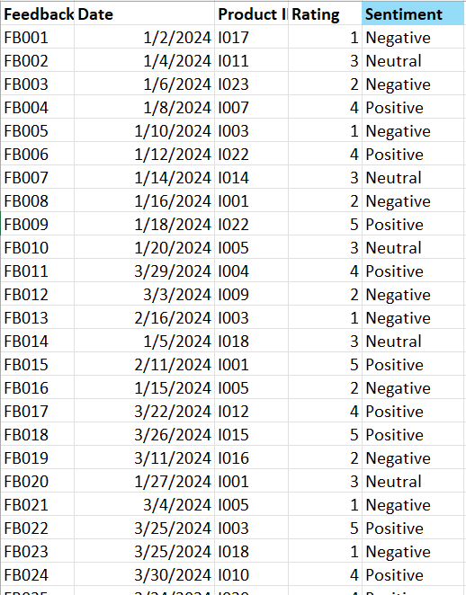
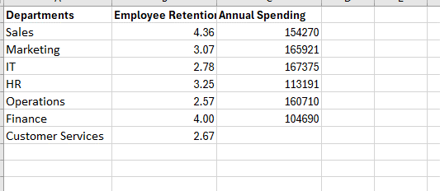
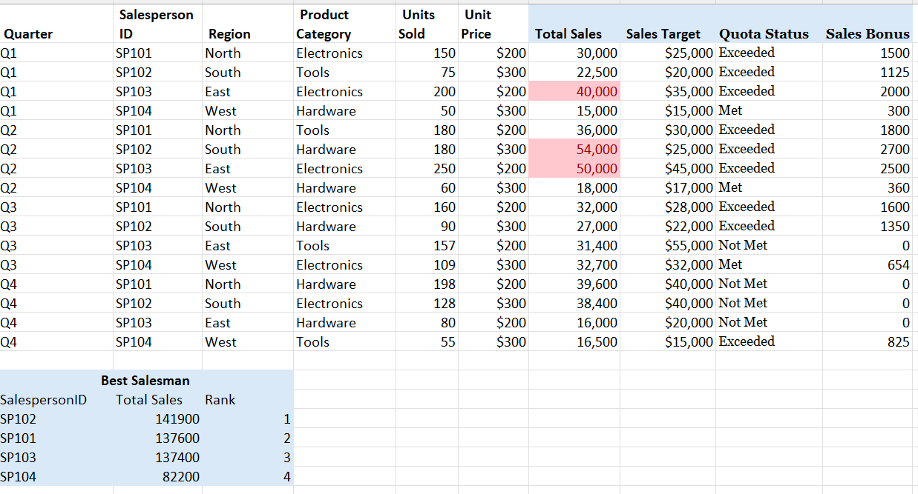
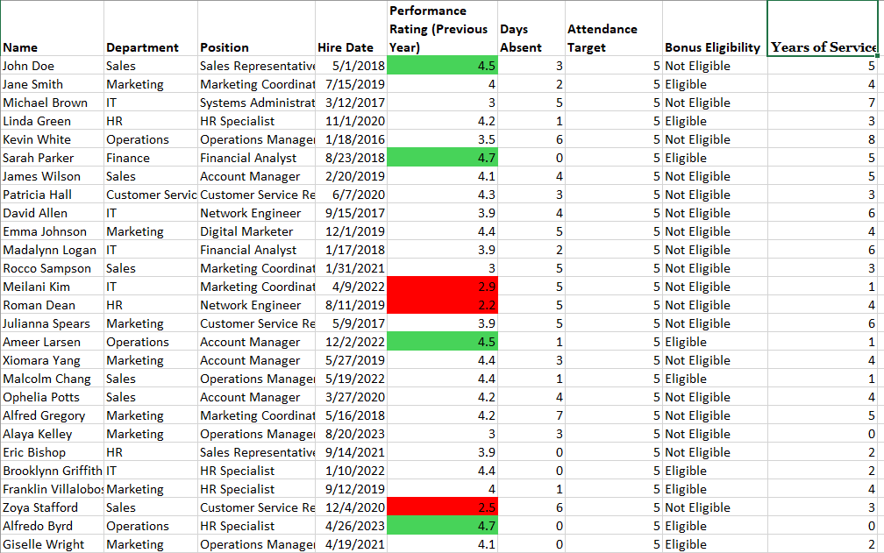
Sales |  |  | Employee
 |  |  |  | Employee

 | BudgetMonitoring |  |  |  | Inventory Management
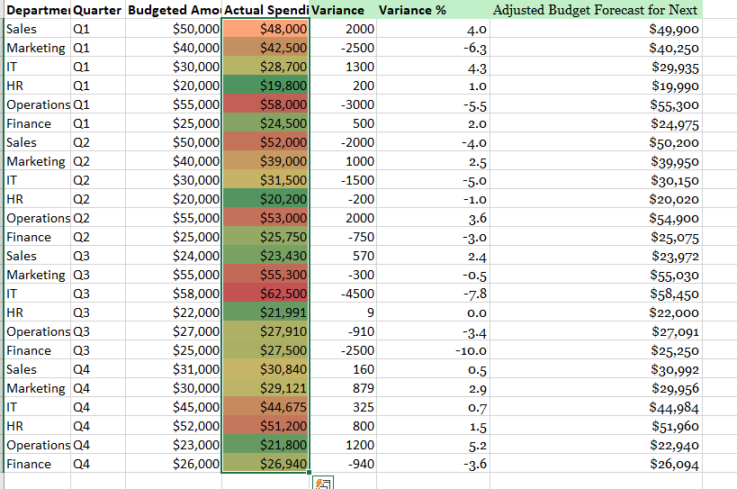
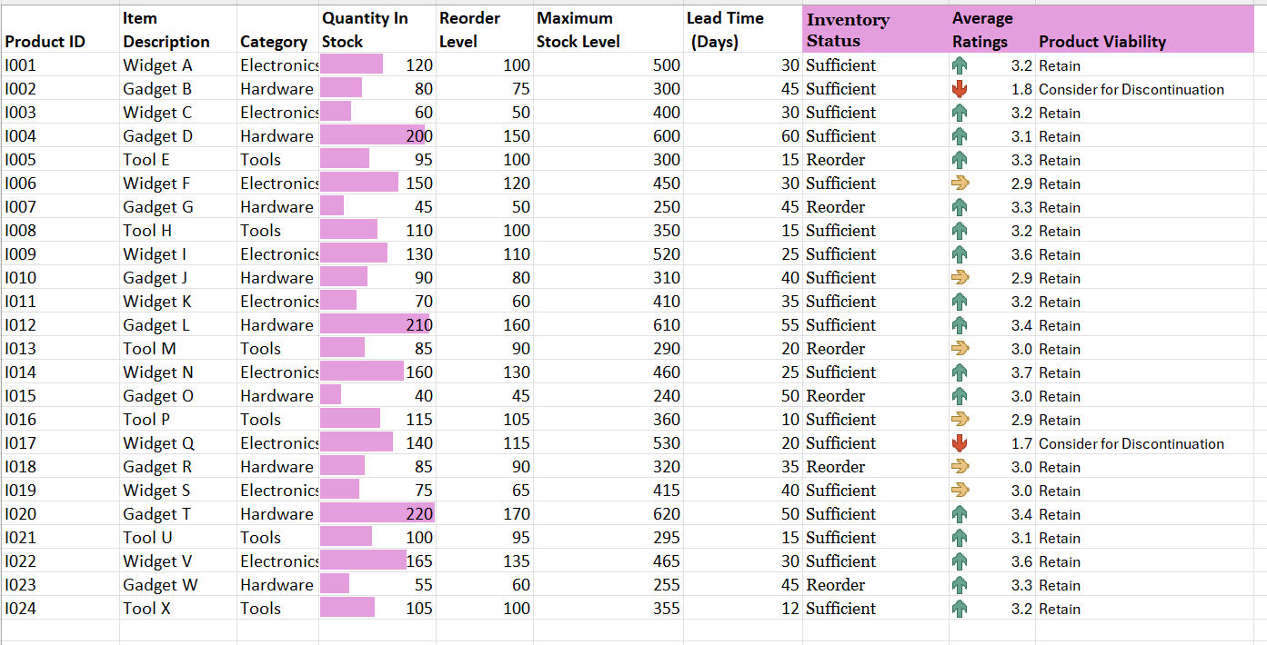

 | Feedback
 |  | DepartmentPerformance

