Table IX (IFL_o)
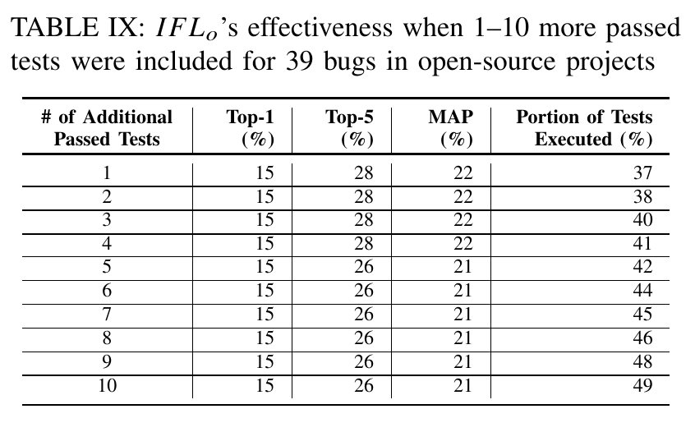
# of Additional Passed Tests | Top-1(I) | Top-1(R) | Top-5(I) | Top-5(R) | MAP(I) | MAP(R) | MRR(I) | MRR(R) | Portion of Tests Executed (%)[I] | Portion of Tests Executed (%)[R]
1 | 3 | 11 | 14 | 28 | 12 | 14 | 12 | 20 | 41% | 46%
2 | 3 | 12 | 14 | 29 | 12 | 14 | 12 | 21 | 44% | 47%
3 | 3 | 11 | 22 | 31 | 13 | 14 | 13 | 21 | 46% | 48%
4 | 3 | 12 | 22 | 30 | 13 | 15 | 13 | 21 | 46% | 48%
5 | 3 | 11 | 31 | 29 | 16 | 15 | 16 | 20 | 48% | 48%
6 | 11 | 10 | 39 | 29 | 23 | 15 | 23 | 20 | 50% | 48%
7 | 17 | 11 | 47 | 31 | 29 | 16 | 29 | 21 | 52% | 49%
8 | 17 | 11 | 42 | 32 | 28 | 16 | 28 | 21 | 55% | 50%
9 | 17 | 10 | 42 | 32 | 29 | 16 | 29 | 20 | 57% | 49%
10 | 19 | 11 | 44 | 34 | 31 | 17 | 31 | 22 | 54% | 49%

Table X(IFL_1 IFL_c on All Alg)
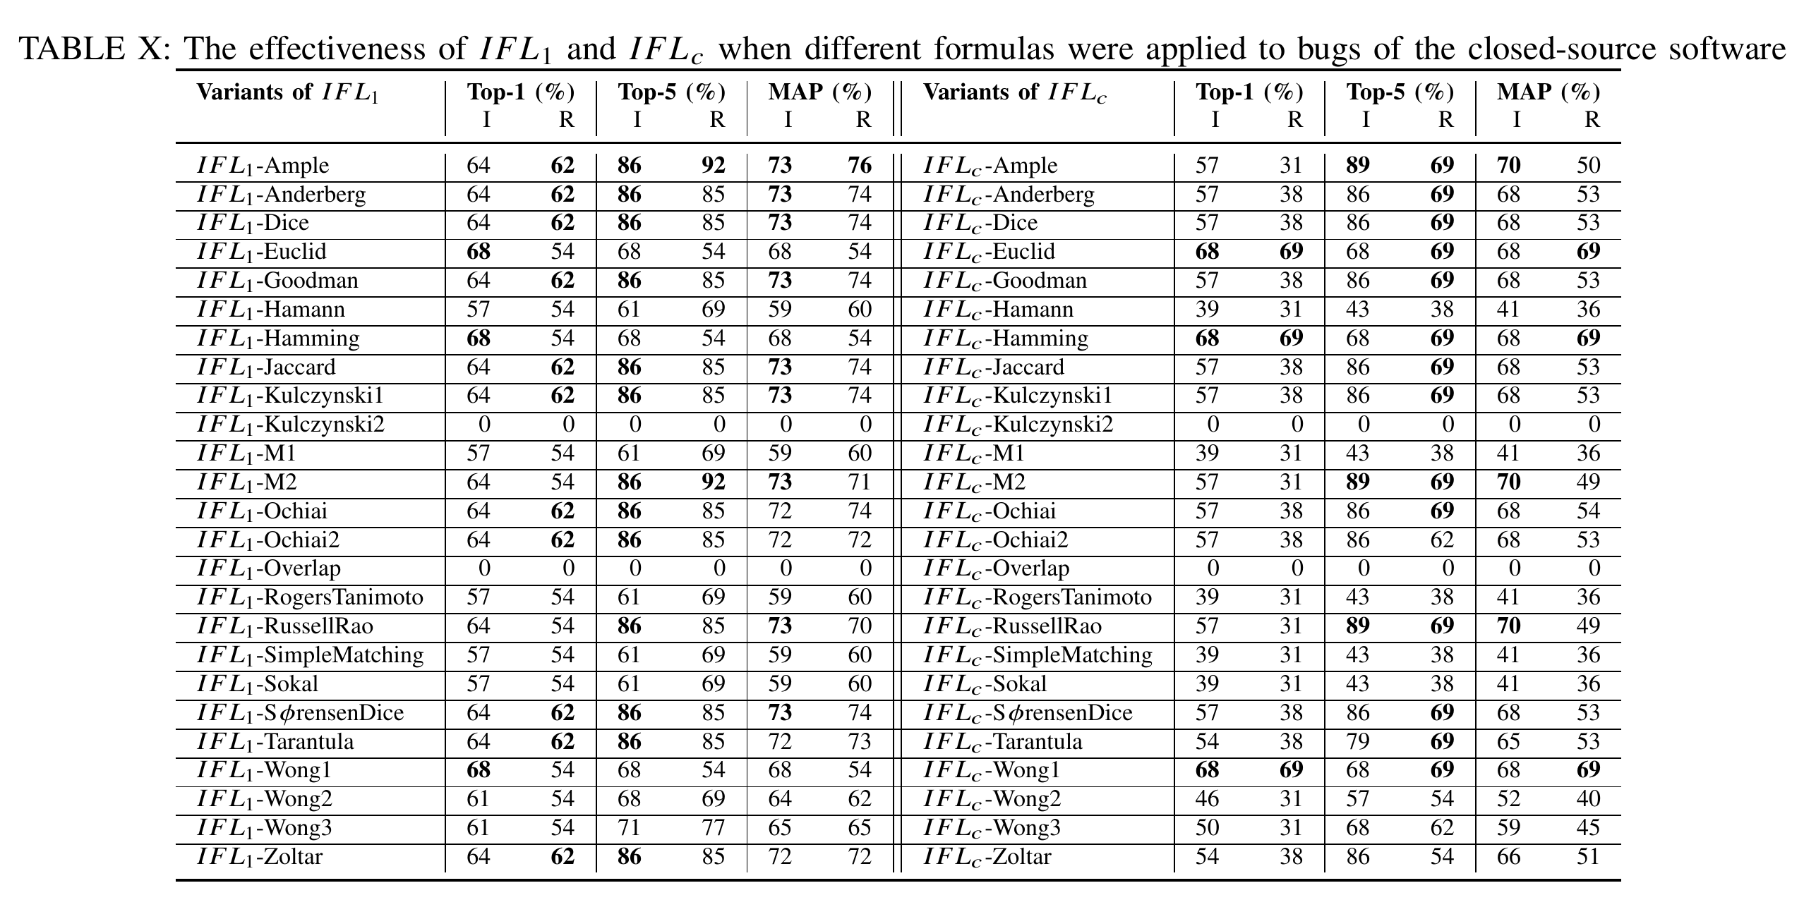
IFL_1 |  |  |  |  |  |  |  |  | IFL_c
Variants of IFL_1 | Top-1(I) | Top-1(R) | Top-5(I) | Top-5(R) | MAP(I) | MAP(R) | MRR(I) | MRR(R) | Variants of IFL_c | Top-1(I) | Top-1(R) | Top-5(I) | Top-5(R) | MAP(I) | MAP(R) | MRR(I) | MRR(R)
FIRST_FAILED_TEST-AMPLE | 3 | 10 | 8 | 25 | 9 | 12 | 9 | 18 | COMPLETE-AMPLE | 27 | 8 | 62 | 25 | 40 | 12 | 40 | 16
FIRST_FAILED_TEST-ANDERBERG | 3 | 10 | 8 | 28 | 9 | 13 | 9 | 20 | COMPLETE-ANDERBERG | 27 | 12 | 62 | 30 | 40 | 17 | 40 | 22
FIRST_FAILED_TEST-DICE | 3 | 10 | 8 | 28 | 9 | 13 | 9 | 20 | COMPLETE-DICE | 27 | 12 | 62 | 30 | 40 | 17 | 40 | 22
FIRST_FAILED_TEST-EUCLID | 0 | 0 | 0 | 6 | 2 | 3 | 2 | 3 | COMPLETE-EUCLID | 0 | 0 | 0 | 6 | 2 | 3 | 2 | 3
FIRST_FAILED_TEST-GOODMAN | 3 | 10 | 8 | 28 | 9 | 13 | 9 | 20 | COMPLETE-GOODMAN | 27 | 12 | 62 | 30 | 40 | 17 | 40 | 22
FIRST_FAILED_TEST-HAMANN | 3 | 5 | 5 | 13 | 7 | 6 | 7 | 10 | COMPLETE-HAMANN | 14 | 4 | 27 | 10 | 20 | 6 | 20 | 7
FIRST_FAILED_TEST-HAMMING | 0 | 0 | 0 | 6 | 2 | 3 | 2 | 3 | COMPLETE-HAMMING | 0 | 0 | 0 | 6 | 2 | 3 | 2 | 3
FIRST_FAILED_TEST-JACCARD | 3 | 10 | 8 | 28 | 9 | 13 | 9 | 20 | COMPLETE-JACCARD | 27 | 12 | 62 | 30 | 40 | 17 | 40 | 22
FIRST_FAILED_TEST-KULCZYNSKI1 | 3 | 10 | 8 | 28 | 9 | 13 | 9 | 20 | COMPLETE-KULCZYNSKI1 | 27 | 12 | 62 | 30 | 40 | 17 | 40 | 22
FIRST_FAILED_TEST-KULCZYNSKI2 | 0 | 0 | 0 | 1 | 1 | 1 | 1 | 1 | COMPLETE-KULCZYNSKI2 | 0 | 0 | 0 | 2 | 1 | 2 | 1 | 2
FIRST_FAILED_TEST-M1 | 3 | 5 | 5 | 13 | 7 | 6 | 7 | 10 | COMPLETE-M1 | 14 | 4 | 27 | 10 | 20 | 6 | 20 | 7
FIRST_FAILED_TEST-M2 | 3 | 10 | 8 | 28 | 9 | 13 | 9 | 20 | COMPLETE-M2 | 27 | 10 | 62 | 28 | 40 | 15 | 40 | 20
FIRST_FAILED_TEST-OCHIAI | 0 | 0 | 0 | 1 | 1 | 1 | 1 | 1 | COMPLETE-OCHIAI | 0 | 0 | 0 | 2 | 1 | 2 | 1 | 2
FIRST_FAILED_TEST-OCHIAI2 | 0 | 0 | 0 | 1 | 1 | 1 | 1 | 1 | COMPLETE-OCHIAI2 | 0 | 0 | 0 | 2 | 1 | 2 | 1 | 2
FIRST_FAILED_TEST-OVERLAP | 0 | 0 | 0 | 0 | 0 | 1 | 0 | 0 | COMPLETE-OVERLAP | 0 | 0 | 0 | 0 | 0 | 0 | 0 | 0
FIRST_FAILED_TEST-ROGERSTANIMOTO | 3 | 5 | 5 | 13 | 7 | 6 | 7 | 10 | COMPLETE-ROGERSTANIMOTO | 14 | 4 | 27 | 10 | 20 | 6 | 20 | 7
FIRST_FAILED_TEST-RUSSELLRAO | 3 | 10 | 8 | 28 | 9 | 13 | 9 | 20 | COMPLETE-RUSSELLRAO | 27 | 10 | 62 | 26 | 40 | 14 | 40 | 19
FIRST_FAILED_TEST-SIMPLEMATCHING | 3 | 5 | 5 | 13 | 7 | 6 | 7 | 10 | COMPLETE-SIMPLEMATCHING | 14 | 4 | 27 | 10 | 20 | 6 | 20 | 7
FIRST_FAILED_TEST-SOKAL | 3 | 5 | 5 | 13 | 7 | 6 | 7 | 10 | COMPLETE-SOKAL | 14 | 4 | 27 | 10 | 20 | 6 | 20 | 7
FIRST_FAILED_TEST-SORENSENDICE | 3 | 10 | 8 | 28 | 9 | 13 | 9 | 20 | COMPLETE-SORENSENDICE | 27 | 12 | 62 | 30 | 40 | 17 | 40 | 22
FIRST_FAILED_TEST-TARANTULA | 0 | 0 | 0 | 1 | 1 | 1 | 1 | 1 | COMPLETE-TARANTULA | 0 | 0 | 0 | 2 | 1 | 2 | 1 | 2
FIRST_FAILED_TEST-WONG1 | 0 | 0 | 0 | 6 | 2 | 3 | 2 | 3 | COMPLETE-WONG1 | 0 | 0 | 0 | 6 | 2 | 3 | 2 | 3
FIRST_FAILED_TEST-WONG2 | 3 | 5 | 5 | 13 | 7 | 6 | 7 | 10 | COMPLETE-WONG2 | 27 | 6 | 51 | 11 | 37 | 7 | 37 | 9
FIRST_FAILED_TEST-WONG3 | 3 | 5 | 5 | 13 | 7 | 6 | 7 | 10 | COMPLETE-WONG3 | 27 | 6 | 51 | 13 | 37 | 8 | 37 | 10
FIRST_FAILED_TEST-ZOLTAR | 0 | 0 | 0 | 1 | 1 | 1 | 1 | 1 | COMPLETE-ZOLTAR | 0 | 0 | 0 | 2 | 1 | 2 | 1 | 2

Fig.3(IFL_f)
Goodman - Real
Hamann - Real
Euclid - Real
GOODMAN
REAL
# of Failed Tests | Top-1 | Top-5 | MAP | MRR
1 | 10 | 28 | 13 | 20
2 | 10 | 34 | 15 | 19
3 | 6 | 31 | 13 | 18
4 | 11 | 37 | 16 | 23
5 | 11 | 32 | 14 | 21

HAMANN
REAL
# of Failed Tests | Top-1 | Top-5 | MAP | MRR
1 | 5 | 13 | 6 | 10
2 | 4 | 19 | 8 | 10
3 | 3 | 22 | 5 | 11
4 | 4 | 22 | 5 | 12
5 | 0 | 16 | 6 | 9

Hanmann - Artificial
Hamann - Artificial
EUCLID
REAL
# of Failed Tests | Top-1 | Top-5 | MAP | MRR
Goodman - Artificial
1 | 0 | 6 | 3 | 3
2 | 0 | 5 | 3 | 3
3 | 0 | 6 | 3 | 3
4 | 0 | 7 | 3 | 3
5 | 0 | 0 | 2 | 1

GOODMAN
ARTIFICIAL
# of Failed Tests | Top-1 | Top-5 | MAP | MRR
1 | 3 | 8 | 9 | 9
2 | 26 | 74 | 43 | 43
3 | 42 | 75 | 53 | 53
4 | 0 | 100 | 33 | 33
5 | 0 | 100 | 33 | 33

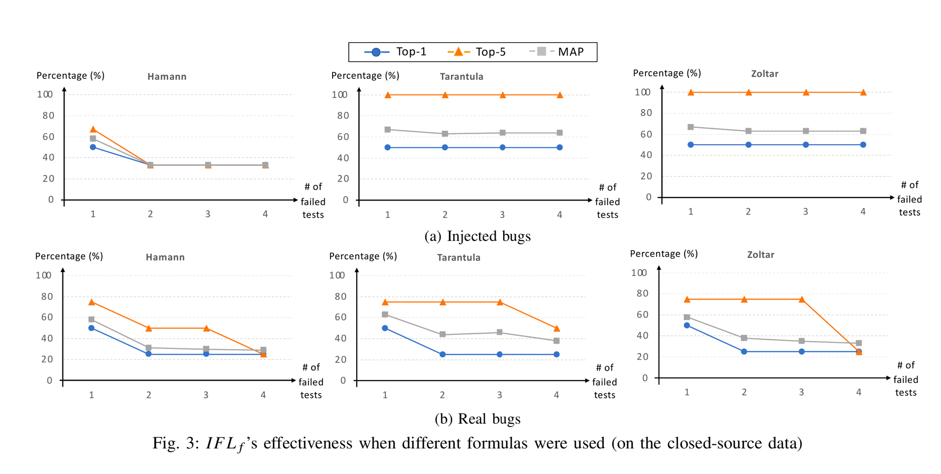
HAMANN
ARTIFICIAL
# of Failed Tests | Top-1 | Top-5 | MAP | MRR
1 | 3 | 5 | 7 | 7
2 | 26 | 53 | 38 | 38
3 | 25 | 33 | 28 | 28
4 | 0 | 100 | 33 | 33
5 | 0 | 100 | 33 | 33

EUCLID
ARTIFICIAL
# of Failed Tests | Top-1 | Top-5 | MAP | MRR
1 | 0 | 0 | 2 | 2
2 | 0 | 0 | 2 | 2
3 | 0 | 0 | 3 | 3
4 | 0 | 0 | 2 | 2
5 | 0 | 0 | 2 | 2

Fig.4(IFL_o)
Goodman - Real
Hamann - Real
Euclid - Real
GOODMAN
REAL
# of passed Tests | Top-1 | Top-5 | MAP | MRR
1 | 11 | 28 | 14 | 20
2 | 12 | 29 | 14 | 21
3 | 11 | 31 | 14 | 21
4 | 12 | 30 | 15 | 21
5 | 11 | 29 | 15 | 20
6 | 10 | 29 | 15 | 20
7 | 11 | 31 | 16 | 21
8 | 11 | 32 | 16 | 21
9 | 10 | 32 | 16 | 20
10 | 11 | 34 | 17 | 22

HAMANN
REAL
# of passed Tests | Top-1 | Top-5 | MAP | MRR
1 | 5 | 13 | 6 | 10
2 | 6 | 14 | 6 | 11
3 | 6 | 16 | 6 | 11
4 | 5 | 14 | 6 | 10
5 | 5 | 12 | 6 | 8
Goodman - Artificial
Hamann - Artificial
Euclid - Artificial
6 | 5 | 13 | 6 | 9
7 | 5 | 14 | 6 | 9
8 | 5 | 14 | 6 | 9
9 | 4 | 14 | 6 | 9
10 | 5 | 15 | 7 | 10

EUCLID
REAL
# of passed Tests | Top-1 | Top-5 | MAP | MRR
1 | 0 | 6 | 3 | 3
2 | 0 | 6 | 3 | 3
3 | 0 | 5 | 3 | 3
4 | 0 | 6 | 3 | 3
5 | 0 | 5 | 3 | 3
6 | 0 | 5 | 3 | 3
7 | 0 | 5 | 3 | 3
8 | 0 | 5 | 3 | 3
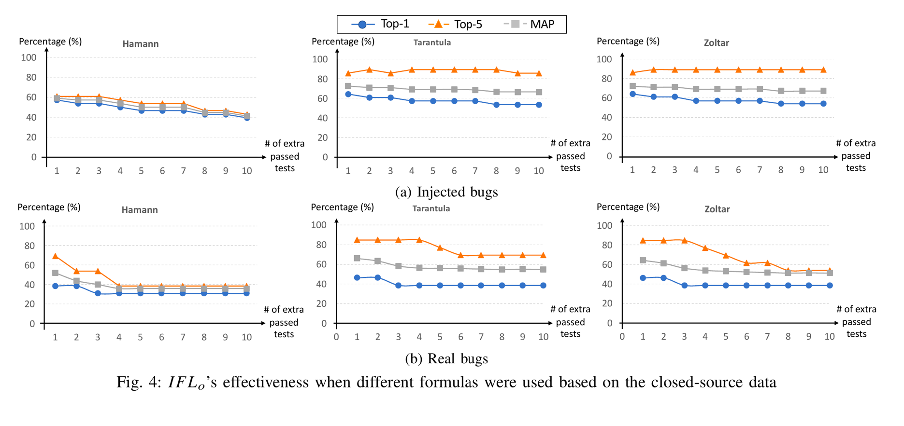
9 | 0 | 5 | 3 | 3
10 | 0 | 4 | 3 | 3

GOODMAN
ARTIFICIAL
# of passed Tests | Top-1 | Top-5 | MAP | MRR
1 | 3 | 14 | 12 | 12
2 | 3 | 14 | 12 | 12
3 | 3 | 22 | 13 | 13
4 | 3 | 22 | 13 | 13
5 | 3 | 31 | 16 | 16
6 | 11 | 39 | 23 | 23
7 | 17 | 47 | 29 | 29
8 | 17 | 42 | 28 | 28
9 | 17 | 42 | 29 | 29
10 | 19 | 44 | 31 | 31

HAMANN
ARTIFICIAL
# of passed Tests | Top-1 | Top-5 | MAP | MRR
1 | 3 | 8 | 10 | 10
2 | 3 | 8 | 9 | 9
3 | 3 | 16 | 10 | 10
4 | 3 | 17 | 10 | 10
5 | 3 | 17 | 11 | 11
6 | 11 | 25 | 17 | 17
7 | 17 | 33 | 23 | 23
8 | 17 | 28 | 22 | 22
9 | 17 | 28 | 23 | 23
10 | 19 | 31 | 26 | 26

EUCLID
ARTIFICIAL
# of passed Tests | Top-1 | Top-5 | MAP | MRR
1 | 0 | 0 | 2 | 2
2 | 0 | 0 | 2 | 2
3 | 0 | 0 | 2 | 2
4 | 0 | 0 | 2 | 2
5 | 0 | 0 | 2 | 2
6 | 0 | 0 | 2 | 2
7 | 0 | 0 | 2 | 2
8 | 0 | 0 | 2 | 2
9 | 0 | 0 | 2 | 2
10 | 0 | 0 | 2 | 2

