VIT
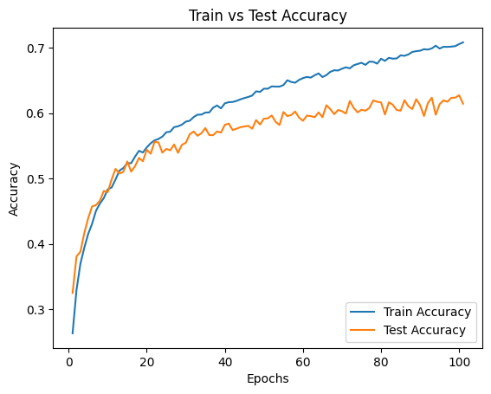
Model Config Name | Value | Training | Value | Unit | Total Parameters | 522,058
Patch_Size | 4 | Time Taken for each epoch | 40 | sec | Model Size | 1.99MB
max_len | 100 | Estimated TFLOPS per epoch | 53 | TFLOPS
embed_dim | 128 | Total Train Time | 3981 | sec
Dataset | Cifar10 | Flops Per Inference Step | 0.03 | GFLOPs
Layers | 6 | Inference Time per image | 0.02 | sec
Channels | 3 | Final Train Accuracy | 76 | %
Heads | 8 | Final Test Accuracy | 74 | %
learning Rate | 0.003 | Peak Memory usage per epoch | 0.49 | GB
batch_size | 128 | Average Memory Usage per Batch | 84.6 | MB
img_size | 32x32 | Average CPU Usage per Batch | 8.27%
epochs | 100 | Average Tokens per Image | 161.97
 |  | Estimated FLOPs Inference | 0.05 | TFLOPS

ReVIT
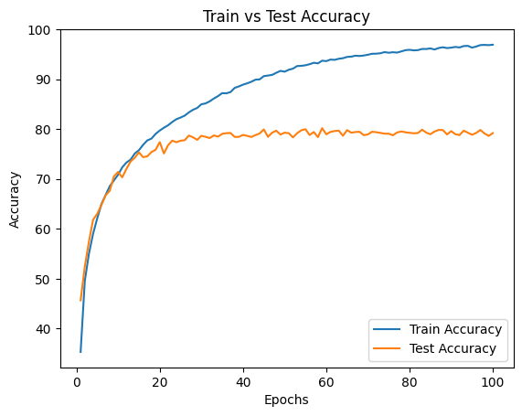
Model Config Name | Value | Training | Value | Unit | Total Parameters | 1,207,178
Patch_Size | 4 | Time Taken for each epoch | 47-215 | sec | Model Size | 4.61 MB
max_len | 100 | Estimated TFLOPS | 123.615 | TFLOPS
embed_dim | 128 | Total Train Time | 4919 | sec
Dataset | Cifar10 | Flops Per Inference Step | 0.05 | GFLOPs
Layers | 6 | Inference Time per image | 0.02 | sec
Channels | 3 | Final Train Accuracy | 96.92 | %
Heads | 8 | Final Test Accuracy | 79.2 | %
learning Rate | 0.003 | Peak Memory usage per epoch | 0.19 GB | GB
batch_size | 128 | Average Memory Usage per Batch | 90.96 | MB
img_size | 32x32 | Average CPU Usage per Batch | 8.09 | %
epochs | 100 | Average Tokens per Image | 3 | Tokens
 |  | Estimated FLOPs Inference | 0.0106 | TFLOPS

