sales_modified
Row ID | Order ID | Order Date | Ship Date | Ship Mode | Customer ID | Customer Name | Product ID | Category | Product Name | Quantity | Discount | Profit
1 | CA-2016-152156 | 08.11.16 | 11.11.16 | Second Class | CG-12520 | Claire Gute | FUR-BO-10001798 | Furniture | Bush Somerset Collection Bookcase | 2 | 0 | 41.9136
2 | CA-2016-152156 | 08.11.16 | 11.11.16 | Second Class | CG-12520 | Claire Gute | FUR-CH-10000454 | Furniture | Hon Deluxe Fabric Upholstered Stacking Chairs, Rounded Back | 3 | 0 | 219.582
3 | CA-2016-138688 | 12.06.16 | 16.06.16 | Second Class | DV-13045 | Darrin Van Huff | OFF-LA-10000240 | Office Supplies | Self-Adhesive Address Labels for Typewriters by Universal | 2 | 0 | 6.8714
4 | US-2015-108966 | 11.10.15 | 18.10.15 | Standard Class | SO-20335 | Sean O'Donnell | FUR-TA-10000577 | Furniture | Bretford CR4500 Series Slim Rectangular Table | 5 | 0.45 | -383.031
5 | US-2015-108966 | 11.10.15 | 18.10.15 | Standard Class | SO-20335 | Sean O'Donnell |  | Office Supplies | Eldon Fold 'N Roll Cart System | 2 | 0.2 | 2.5164
6 | CA-2014-115812 | 09.06.14 | 14.06.14 | Standard Class | BH-11710 | Brosina Hoffman | FUR-FU-10001487 | Furniture | Eldon Expressions Wood and Plastic Desk Accessories, Cherry Wood | 7 | 0 | 14.1694
7 | CA-2014-115812 | 09.06.14 | 14.06.14 | Standard Class | BH-11710 | Brosina Hoffman | OFF-AR-10002833 | Office Supplies | Newell 322 | 4 | 0 | 1.9656
8 | CA-2014-115812 | 09.06.14 | 14.06.14 | Standard Class | BH-11710 | Brosina Hoffman | TEC-PH-10002275 | Technology | Mitel 5320 IP Phone VoIP phone | 6 | 0.2 | 90.7152
9 | CA-2015-117415 | 27.12.15 | 31.12.15 | Standard Class | SN-20710 | Steve Nguyen | OFF-EN-10002986 | Office Supplies | #10-4 1/8" x, 9 1/2" Premium Diagonal Seam Envelopes | 9 | 0.2 | 35.415
10 |  | 09.06.14 | 14.06.14 | Standard Class | BH-11710 | Brosina Hoffman | OFF-AP-10002892 | Office Supplies | Belkin F5C206VTEL 6 Outlet Surge | 5 | 0 | 34.47
11 | CA-2014-115812 | 09.06.14 | 14.06.14 | Standard Class | BH-11710 | Brosina Hoffman | FUR-TA-10001539 | Furniture | Chromcraft Rectangular Conference Tables | 9 | 0.2 | 85.3092

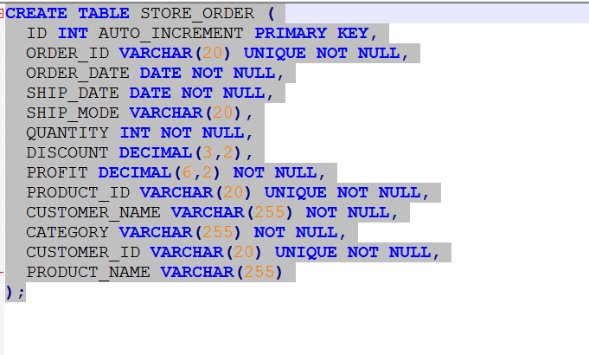

 |  |  |  |  |  |  |  |  |  | 0

