random_forest
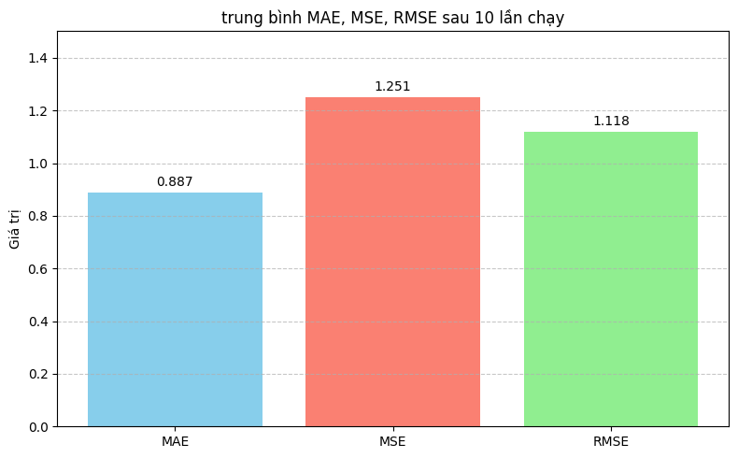
 |  |  |  |  |  |  | chạy thực nghiệm 10 lần của 20 bộ tham số

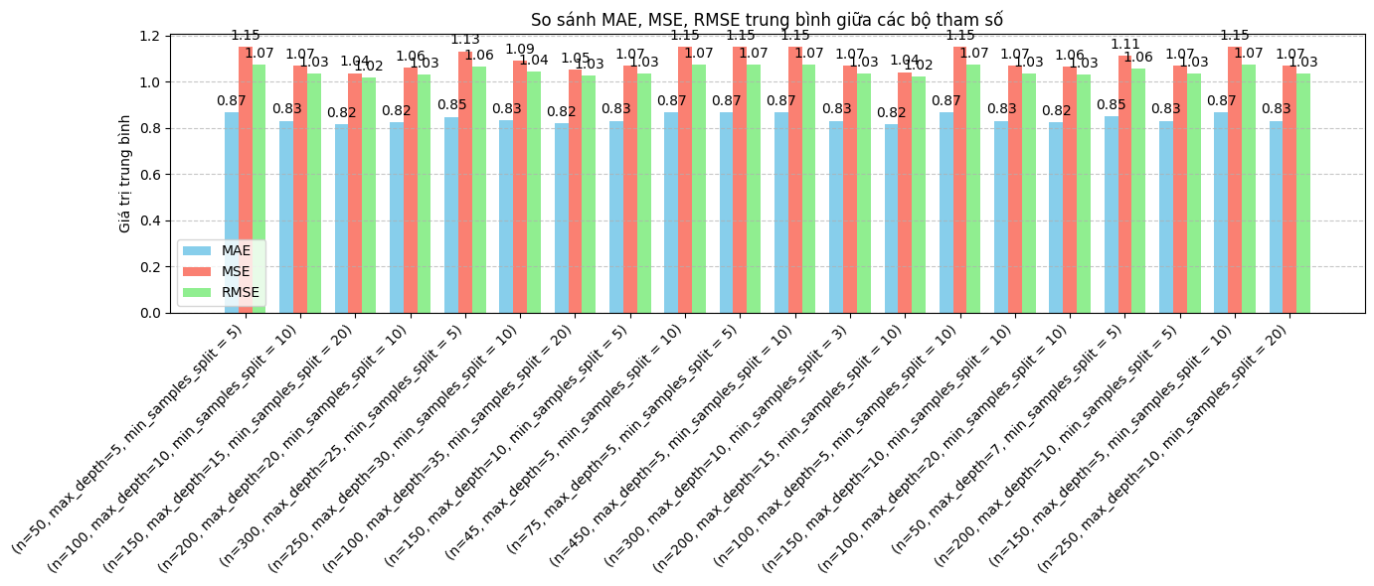
lần | parameter | MAE | MSE | RMSE | timeTrain | timeTest
1 | n_estimators = 50, max_depth = 5, min_samples_split = 5, random_state = 42) | 0.87 | 1.15 | 1.07 | 2.0878 | 0.0417
2 | n_estimators = 100, max_depth = 10, min_samples_split = 10, random_state = 42) | 0.83 | 1.07 | 1.03 | 16.8253 | 0.4540
3 | n_estimators = 150, max_depth = 15, min_samples_split = 20, random_state = 42) | 0.82 | 1.04 | 1.02 | 14.2321 | 0.3776
4 | n_estimators = 200, max_depth = 20, min_samples_split = 10, random_state = 42) | 0.82 | 1.06 | 1.03 | 45.7837 | 1.4868
5 | n_estimators = 300, max_depth = 25, min_samples_split = 5, random_state = 42) | 0.85 | 1.13 | 1.07 | 40.0292 | 1.3219
6 | n_estimators = 250, max_depth = 30, min_samples_split = 10, random_state = 42) | 0.83 | 1.09 | 1.05 | 28.7191 | 0.9694
7 | n_estimators = 100, max_depth = 35, min_samples_split = 20, random_state = 42) | 0.82 | 1.05 | 1.03 | 10.5281 | 0.3455
8 | n_estimators = 150, max_depth = 10, min_samples_split = 5, random_state = 42) | 0.83 | 1.07 | 1.03 | 9.6130 | 0.2575
9 | n_estimators = 45, max_depth = 5, min_samples_split = 10, random_state = 42) | 0.87 | 1.15 | 1.07 | 1.6 | 0.0401
10 | n_estimators = 75, max_depth = 5, min_samples_split = 5, random_state = 42) | 0.87 | 1.15 | 1.07 | 2.5719 | 0.0612
11 | n_estimators = 450, max_depth = 5, min_samples_split = 10, random_state = 42) | 0.87 | 1.15 | 1.07 | 15.3414 | 0.3801
12 | n_estimators = 300, max_depth = 10, min_samples_split = 3, random_state = 42) | 0.83 | 1.07 | 1.03 | 18.8646 | 0.4899
13 | n_estimators = 200, max_depth = 15, min_samples_split = 10, random_state = 42) | 0.82 | 1.04 | 1.02 | 17.7945 | 0.5309
14 | n_estimators = 100, max_depth = 5, min_samples_split = 10, random_state = 42) | 0.87 | 1.15 | 1.07 | 3.4128 | 0.0832
15 | n_estimators = 150, max_depth = 10, min_samples_split = 10, random_state = 42) | 0.83 | 1.07 | 1.03 | 9.4205 | 0.2469
16 | n_estimators = 100, max_depth = 20, min_samples_split = 10, random_state = 42) | 0.82 | 1.06 | 1.03 | 11.9499 | 0.4187
17 | n_estimators = 50, max_depth = 7, min_samples_split = 5, random_state = 42) | 0.86 | 1.11 | 1.06 | 2.7415 | 0.0677
18 | n_estimators = 200, max_depth = 10, min_samples_split = 5, random_state = 42) | 0.83 | 1.07 | 1.03 | 14.9017 | 0.3875
19 | n_estimators = 150, max_depth = 5, min_samples_split = 10, random_state = 42) | 0.87 | 1.15 | 1.07 | 6.1320 | 0.1476
20 | n_estimators = 250, max_depth = 10, min_samples_split = 20, random_state = 42) | 0.83 | 1.07 | 1.03 | 18.6297 | 0.4822

 | bộ tham số mặc định | 0.887 | 1,251 | 1,118 | 15,4536 | 0.6150

 |  |  |  |  |  |  | chạy thực nghiệm 10 lần bộ tham số mặc định

LightGBM
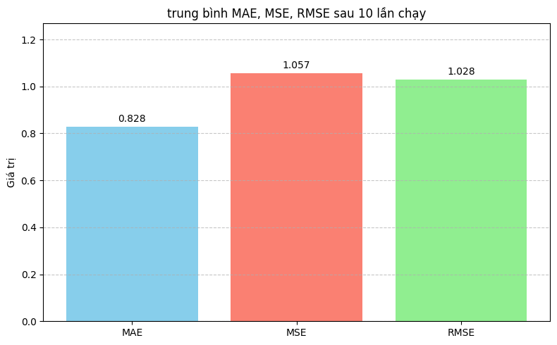
 | lightGBM
 |  |  |  |  |  |  | chạy thực nghiệm 10 lần của 20 bộ tham số

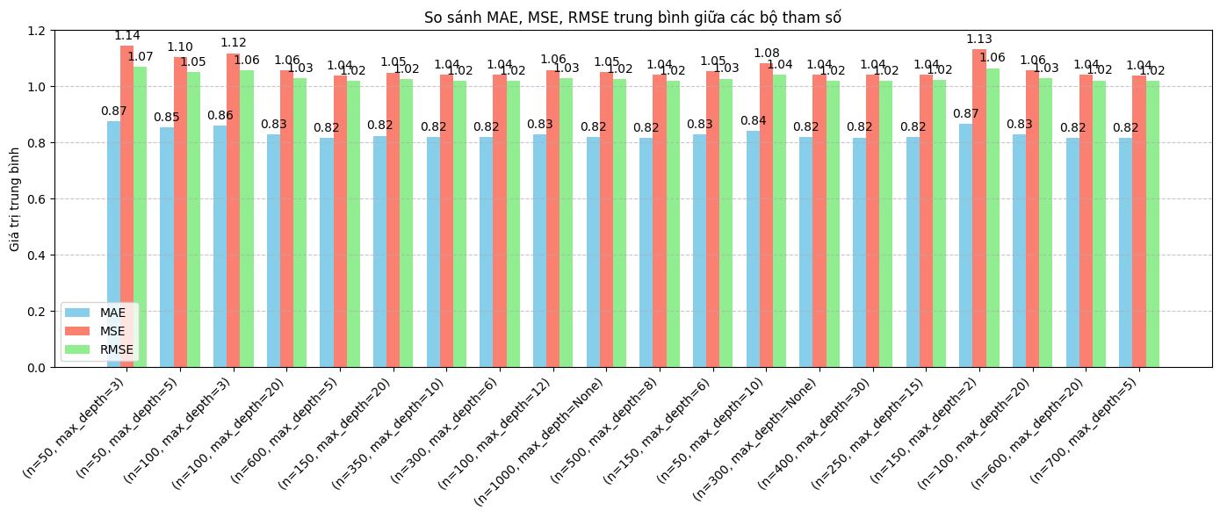
lần | parameter | MAE | MSE | RMSE | timeTrain | timeTest
1 | n_estimators = 50, max_depth = 3 | 0.87 | 1.14 | 1.07 | 0.1078 | 0.0146
2 | n_estimators = 50, max_depth = 5 | 0.85 | 1.10 | 1.05 | 0.1534 | 0.0216
3 | n_estimators = 100, max_depth = 3 | 0.86 | 1.12 | 1.06 | 0.1583 | 0.0321
4 | n_estimators = 100, max_depth = 20 | 0.83 | 1.06 | 1.03 | 0.2530 | 0.0541
5 | n_estimators = 600, max_depth = 5 | 0.82 | 1.04 | 1.02 | 1.1 | 0.2080
6 | n_estimators = 150, max_depth = 20 | 0.82 | 1.05 | 1.02 | 0.3557 | 0.0639
7 | n_estimators = 350, max_depth = 10 | 0.82 | 1.04 | 1.02 | 0.5987 | 0.1129
8 | n_estimators = 300, max_depth = 6 | 0.82 | 1.04 | 1.02 | 0.5984 | 0.1089
9 | n_estimators = 100, max_depth = 12 | 0.83 | 1.06 | 1.03 | 0.2577 | 0.0614
10 | n_estimators = 1000, max_depth = None | 0.82 | 1.05 | 1.02 | 1.4912 | 0.34
11 | n_estimators = 500, max_depth = 8 | 0.82 | 1.04 | 1.02 | 0.8140 | 0.1530
12 | n_estimators = 150, max_depth = 6 | 0.83 | 1.05 | 1.03 | 0.3279 | 0.0535
13 | n_estimators = 50, max_depth = 10 | 0.84 | 1.08 | 1.04 | 0.1749 | 0.0241
14 | n_estimators = 300, max_depth = None | 0.82 | 1.04 | 1.02 | 0.5148 | 0.0953
15 | n_estimators = 400, max_depth = 30 | 0.82 | 1.04 | 1.02 | 0.6931 | 0.1229
16 | n_estimators = 250, max_depth = 15 | 0.82 | 1.04 | 1.02 | 0.4858 | 0.0839
17 | n_estimators = 150, max_depth = 20 | 0.87 | 1.13 | 1.06 | 0.1930 | 0.0333
18 | n_estimators = 100, max_depth = 20 | 0.83 | 1.06 | 1.03 | 0.2531 | 0.0621
19 | n_estimators = 600, max_depth = 20 | 0.82 | 1.04 | 1.02 | 0.9393 | 0.1719
20 | n_estimators = 700, max_depth = 5 | 0.82 | 1.04 | 1.02 | 1.3737 | 0.2565

 |  |  |  |  |  |  | chạy thực nghiệm 10 lần của bộ tham số mặc định
 |  | 0.828 | 1,057 | 1,028 | 0.3343 | 0.0496

