Scenario I - Uncertainties
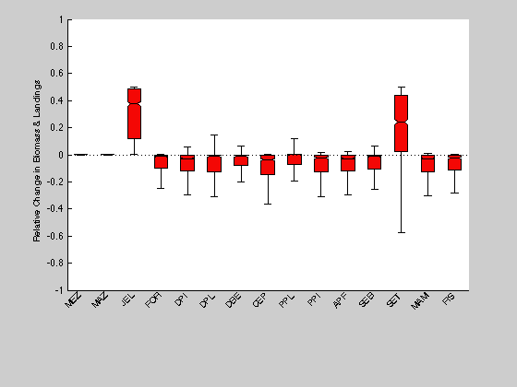
Increased jellyfish biomass scenario re-run under different assumptions of parameter uncertainty. Jellyfish biomass was increased by 50% and results are reported as the mean and coefficient of variation (CV) of the relative change in production (fractional change = (Pscenario model - Pbase model) / Pbase model) of 1000 randomly generated models.
Models were randomly generated by drawing from a normal distribution about each element of the ECOTRAN production matrix. The level of uncertainty about each production matrix element is calculated from the uncertainty of each parameter (biomass, P/B, P/Q, AE, diet, landings, and discards) defined in the model pedigree (Table J).
In this alternate uncertainty analysis, scenarios were re-run with the uncertainty of biomass, growth efficiency (P/Q), and diet terms each separately decreased by a factor of 0.1 and then run with uncertainties increased by a factor of 10.
(scroll down for figures)

 |  | DEFAULT pedigree |  |  | BIOMASS uncertainty |  |  |  |  | GROWTH EFFICIENCY uncertainty |  |  |  |  | DIET uncertainty
 |  |  |  |  | decreased by 0.1X |  | increased by 10X |  |  | decreased by 0.1X |  | increased by 10X |  |  | decreased by 0.1X |  | increased by 10X
 |  | mean | CV |  | mean | CV | mean | CV |  | mean | CV | mean | CV |  | mean | CV | mean | CV
 | Mesozooplakton | 0.00 | 2.8 |  | 0.00 | 5.0 | 0.00 | 8.8 |  | 0.00 | 2.0 | 0.00 | 12.9 |  | 0.00 | 5.1 | 0.00 | 5.9
 | Macrozooplankton | 0.00 | 7.1 |  | 0.00 | 4.9 | 0.00 | 10.4 |  | 0.00 | 6.5 | 0.00 | 14.4 |  | 0.00 | 7.5 | 0.00 | 9.6
 | Large jellyfish | 0.36 | 0.4 |  | 0.37 | 0.3 | 0.29 | 0.6 |  | 0.38 | 0.2 | 0.27 | 0.7 |  | 0.37 | 0.3 | 0.31 | 0.6
 | Forage fish | -0.11 | 1.1 |  | -0.12 | 1.0 | -0.06 | 2.1 |  | -0.13 | 0.9 | -0.08 | 2.2 |  | -0.11 | 1.1 | -0.09 | 1.8
 | Cephalopods | -0.13 | 1.2 |  | -0.13 | 1.0 | -0.13 | 1.7 |  | -0.13 | 1.0 | -0.14 | 1.7 |  | -0.13 | 1.1 | -0.12 | 1.6
 | Pelagic planktivorous fish | -0.13 | 1.8 |  | -0.12 | 1.8 | -0.06 | 4.0 |  | -0.14 | 1.6 | -0.07 | 3.6 |  | -0.13 | 1.7 | -0.06 | 4.1
 | Pelagic piscivorous fish | -0.13 | 1.1 |  | -0.13 | 1.0 | -0.10 | 1.9 |  | -0.14 | 0.9 | -0.11 | 1.8 |  | -0.13 | 1.0 | -0.10 | 1.7
 | Demersal piscivorous fish | -0.12 | 1.2 |  | -0.12 | 1.0 | -0.10 | 1.8 |  | -0.13 | 0.9 | -0.10 | 1.9 |  | -0.12 | 1.1 | -0.10 | 1.7
 | Demersal planktivorous fish | -0.13 | 1.5 |  | -0.12 | 1.4 | -0.11 | 2.1 |  | -0.13 | 1.3 | -0.11 | 2.1 |  | -0.12 | 1.5 | -0.12 | 1.9
 | Demersal benthivorous fish | -0.09 | 1.4 |  | -0.09 | 1.2 | -0.08 | 2.1 |  | -0.10 | 1.1 | -0.07 | 2.1 |  | -0.09 | 1.3 | -0.08 | 1.9
 | Apex predatory fish | -0.12 | 1.1 |  | -0.12 | 1.0 | -0.09 | 1.8 |  | -0.12 | 0.9 | -0.09 | 1.9 |  | -0.11 | 1.0 | -0.10 | 1.7
 | Seabirds | -0.12 | 1.1 |  | -0.12 | 1.0 | -0.07 | 2.1 |  | -0.14 | 0.9 | -0.08 | 2.0 |  | -0.12 | 1.1 | -0.09 | 1.8
 | Marine mammals | -0.12 | 1.1 |  | -0.12 | 1.0 | -0.10 | 1.8 |  | -0.12 | 0.9 | -0.10 | 1.8 |  | -0.11 | 1.1 | -0.11 | 1.7
 | Sea turtle | 0.30 | 0.6 |  | 0.32 | 0.5 | 0.23 | 0.9 |  | 0.33 | 0.5 | 0.18 | 1.2 |  | 0.32 | 0.5 | 0.23 | 1.0
 | Fisheries | -0.12 | 1.0 |  | -0.12 | 1.0 | -0.08 | 1.8 |  | -0.13 | 0.8 | -0.09 | 1.9 |  | -0.12 | 1.0 | -0.10 | 1.7

To summarize differences under alternate levels of uncertainty, we looked at the change in the mean scenario effect and the spread of scenario effects as the ratio of the high uncertainty run to the low uncertainty run (ratios of mean effect and spread of effects under 10X increased uncertainty / 0.1X decreased uncertainty)
Changes of 0.5 or greater are highlighted. Decreased mean effects under higher uncertainty are in red. Increased mean effects under higher uncertainty are in green.
Increased uncertainty generally reduced the scale of the mean scenario effect but increased the spread of the scenario effect.
The main reason for the reduced mean effect under greater uncertainty is that a greater fraction of the 1000 Monte Carlo models could not support the full targeted 1.5X increase in jellyfish or in forage fish biomasses.
The system was generally more sensitive to uncertainty in growth efficiency (P/Q) than to uncertainty in biomass or uncertainty in diet.

 |  | Change in MEAN effect (10X increased uncertainty / 0.1X decreased uncertainty) |  |  |  |  |  |  |  | Change in SPREAD effect (10X increased uncertainty / 0.1X decreased uncertainty)
 |  | BIOMASS | P/Q | DIET |  |  |  |  |  | BIOMASS | P/Q | DIET
 | Mesozooplakton | 0.6 | 0.9 | 0.8 |  |  |  |  | Mesozooplakton | 1.8 | 6.4 | 1.1
 | Macrozooplankton | 2.3 | 0.6 | 2.1 |  |  |  |  | Macrozooplankton | 2.1 | 2.2 | 1.3
 | Large jellyfish | 0.8 | 0.7 | 0.8 |  |  |  |  | Large jellyfish | 1.9 | 2.8 | 1.8
 | Forage fish | 0.5 | 0.6 | 0.8 |  |  |  |  | Forage fish | 2.1 | 2.5 | 1.7
 | Cephalopods | 1.0 | 1.0 | 1.0 |  |  |  |  | Cephalopods | 1.7 | 1.7 | 1.4
 | Pelagic planktivorous fish | 0.5 | 0.5 | 0.5 |  |  |  |  | Pelagic planktivorous fish | 2.2 | 2.2 | 2.4
 | Pelagic piscivorous fish | 0.8 | 0.8 | 0.8 |  |  |  |  | Pelagic piscivorous fish | 1.9 | 2.1 | 1.7
 | Demersal piscivorous fish | 0.8 | 0.8 | 0.9 |  |  |  |  | Demersal piscivorous fish | 1.8 | 2.0 | 1.6
 | Demersal planktivorous fish | 0.9 | 0.8 | 1.0 |  |  |  |  | Demersal planktivorous fish | 1.6 | 1.6 | 1.2
 | Demersal benthivorous fish | 0.9 | 0.8 | 0.9 |  |  |  |  | Demersal benthivorous fish | 1.8 | 1.9 | 1.5
 | Apex predatory fish | 0.8 | 0.8 | 0.8 |  |  |  |  | Apex predatory fish | 1.9 | 2.1 | 1.6
 | Seabirds | 0.6 | 0.6 | 0.8 |  |  |  |  | Seabirds | 2.0 | 2.3 | 1.7
 | Marine mammals | 0.8 | 0.8 | 0.9 |  |  |  |  | Marine mammals | 1.8 | 2.0 | 1.6
 | Sea turtle | 0.7 | 0.6 | 0.7 |  |  |  |  | Sea turtle | 1.8 | 2.5 | 1.8
 | Fisheries | 0.6 | 0.6 | 0.8 |  |  |  |  | Fisheries | 1.9 | 2.2 | 1.7

 | Fig. 1. Scenario I |  |  |  |  |  |  | Fig. 2. Scenario I. |  |  |  |  |  | Fig. 3. Scenario I.
 | Uncertainty levels as defined in data pedigree (Table I). |  |  |  |  |  |  | Uncertainty levels as defined in data pedigree (Table I) |  |  |  |  |  | Uncertainty levels as defined in data pedigree (Table I)
 |  |  |  |  |  |  |  | Biomass uncertainty scaled by 0.1X. |  |  |  |  |  | Biomass uncertainty scaled by 10X
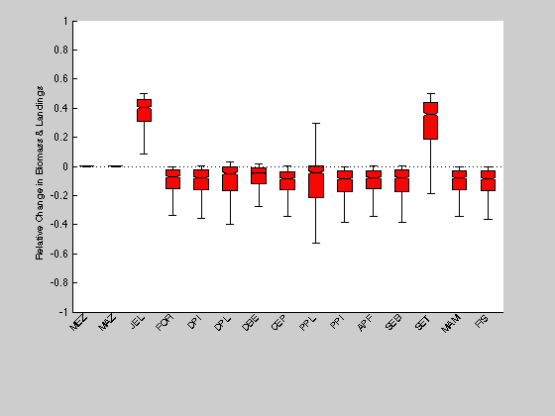

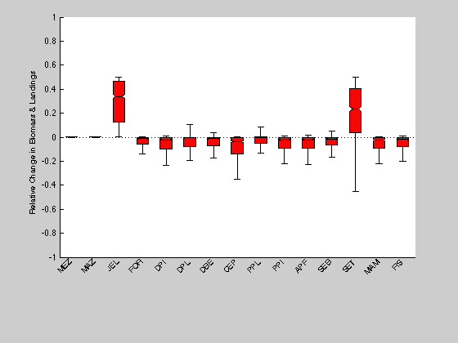

 | Fig. 4. Scenario I. |  |  |  |  |  |  | Fig. 5. Scenario I |  |  |  |  |  | Fig. 6. Scenario I.
 | Uncertainty levels as defined in data pedigree (Table I) |  |  |  |  |  |  | Uncertainty levels as defined in data pedigree (Table I) |  |  |  |  |  | Uncertainty levels as defined in data pedigree (Table I)
 | Growth efficiency (P/Q) uncertainty scaled by 0.1X. |  |  |  |  |  |  | Growth efficiency (P/Q) uncertainty scaled by 10X. |  |  |  |  |  | Diet uncertainty scaled by 0.1X.
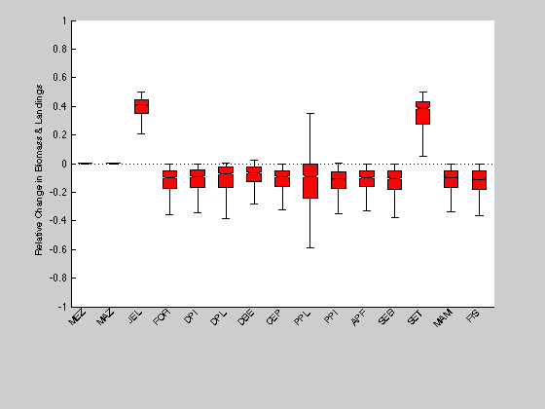
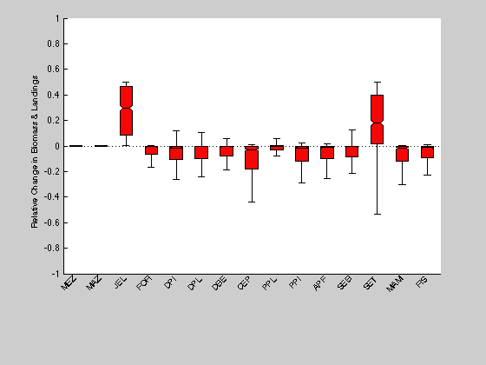
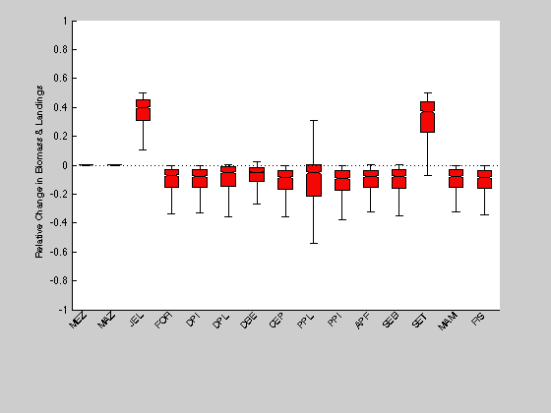

 | Fig. 7. Scenario I.
 | Uncertainty levels as defined in data pedigree (Table I)
 | Diet uncertainty scaled by 10X.

Scenario II - Uncertainties
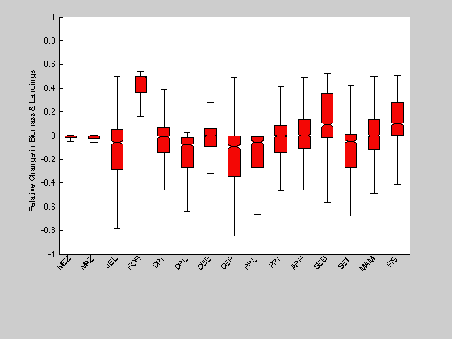
Increased forage fish biomass scenario re-run under different assumptions of parameter uncertainty. Forage fish biomass was increased by 50% and results are reported as the mean and coefficient of variation (CV) of the relative change in production (fractional change = (Pscenario model - Pbase model) / Pbase model) of 1000 randomly generated models.
Models were randomly generated by drawing from a normal distribution about each element of the ECOTRAN production matrix. The level of uncertainty about each production matrix element is calculated from the uncertainty of each parameter (biomass, P/B, P/Q, AE, diet, landings, and discards) defined in the model pedigree (Table J).
In this alternate uncertainty analysis, scenarios were re-run with the uncertainty of biomass, growth efficiency (P/Q), and diet terms each separately decreased by a factor of 0.1 and then run with uncertainties increased by a factor of 10.
(scroll down for figures)

 |  | DEFAULT pedigree |  |  | BIOMASS uncertainty |  |  |  |  | GROWTH EFFICIENCY uncertainty |  |  |  | DIET uncertainty
 |  |  |  |  | decreased by 0.1X |  | increased by 10X |  |  | decreased by 0.1X |  | increased by 10X |  | decreased by 0.1X |  | increased by 10X
 |  | mean | CV |  | mean | CV | mean | CV |  | mean | CV | mean | CV | mean | CV | mean | CV
 | Mesozooplakton | -0.02 | 3.0 |  | -0.02 | 2.2 | -0.06 | 3.0 |  | -0.02 | 2.6 | -0.05 | 3.2 | -0.02 | 2.2 | -0.06 | 3.3
 | Macrozooplankton | -0.02 | 2.4 |  | -0.02 | 2.7 | -0.07 | 2.7 |  | -0.02 | 2.5 | -0.06 | 2.9 | -0.02 | 2.4 | -0.06 | 3.1
 | Large jellyfish | -0.22 | 1.2 |  | -0.25 | 1.1 | -0.13 | 2.8 |  | -0.26 | 0.9 | -0.08 | 4.3 | -0.24 | 1.1 | -0.12 | 2.8
 | Forage fish | 0.44 | 0.2 |  | 0.45 | 0.2 | 0.38 | 0.4 |  | 0.46 | 0.1 | 0.39 | 0.4 | 0.45 | 0.2 | 0.41 | 0.3
 | Cephalopods | -0.38 | 0.8 |  | -0.42 | 0.7 | -0.19 | 1.8 |  | -0.42 | 0.7 | -0.16 | 2.2 | -0.38 | 0.8 | -0.19 | 1.6
 | Pelagic planktivorous fish | -0.26 | 1.0 |  | -0.27 | 1.0 | -0.21 | 1.5 |  | -0.27 | 1.0 | -0.17 | 1.7 | -0.27 | 1.0 | -0.19 | 1.5
 | Pelagic piscivorous fish | -0.05 | 5.1 |  | -0.06 | 4.3 | -0.02 | 14.3 |  | -0.04 | 5.8 | -0.05 | 6.0 | -0.02 | 13.9 | -0.05 | 5.3
 | Demersal piscivorous fish | -0.10 | 2.3 |  | -0.10 | 2.5 | -0.05 | 5.2 |  | -0.10 | 2.1 | -0.03 | 8.9 | -0.08 | 2.8 | -0.05 | 5.2
 | Demersal planktivorous fish | -0.26 | 1.0 |  | -0.25 | 0.9 | -0.23 | 1.4 |  | -0.26 | 0.9 | -0.19 | 1.5 | -0.23 | 1.0 | -0.21 | 1.3
 | Demersal benthivorous fish | -0.05 | 5.4 |  | -0.06 | 3.8 | -0.03 | 7.5 |  | -0.05 | 4.2 | -0.01 | 18.5 | -0.03 | 7.1 | -0.03 | 8.4
 | Apex predatory fish | -0.04 | 6.3 |  | -0.06 | 4.6 | 0.00 | 84.9 |  | -0.06 | 4.2 | 0.01 | 19.4 | -0.02 | 12.5 | -0.01 | 30.3
 | Seabirds | 0.24 | 0.9 |  | 0.23 | 1.0 | 0.14 | 1.9 |  | 0.27 | 0.7 | 0.10 | 2.9 | 0.25 | 0.8 | 0.11 | 2.6
 | Marine mammals | -0.03 | 9.5 |  | -0.04 | 6.4 | -0.02 | 10.8 |  | -0.04 | 5.8 | 0.00 | 64.9 | -0.01 | 37.5 | -0.02 | 14.4
 | Sea turtle | -0.23 | 1.2 |  | -0.26 | 1.0 | -0.14 | 2.3 |  | -0.27 | 0.8 | -0.09 | 3.6 | -0.24 | 1.1 | -0.13 | 2.4
 | Fisheries | 0.25 | 0.6 |  | 0.26 | 0.7 | 0.16 | 1.1 |  | 0.28 | 0.5 | 0.14 | 1.6 | 0.27 | 0.5 | 0.12 | 1.8

To summarize differences under alternate levels of uncertainty, we looked at the change in the mean scenario effect and the spread of scenario effects as the ratio of the high uncertainty run to the low uncertainty run (ratios of mean effect and spread of effects under 10X increased uncertainty / 0.1X decreased uncertainty)
Changes of 0.5 or greater are highlighted. Decreased mean effects under higher uncertainty are in red. Increased mean effects under higher uncertainty are in green.
Increased uncertainty generally reduced the scale of the mean scenario effect but increased the spread of the scenario effect.
The main reason for the reduced mean effect under greater uncertainty is that a greater fraction of the 1000 Monte Carlo models could not support the full targeted 1.5X increase in jellyfish or in forage fish biomasses.
The system was generally more sensitive to uncertainty in growth efficiency (P/Q) than to uncertainty in biomass or uncertainty in diet.

 |  | Change in MEAN effect (10X increased uncertainty / 0.1X decreased uncertainty) |  |  |  |  |  |  |  | Change in SPREAD effect (10X increased uncertainty / 0.1X decreased uncertainty)
 |  | BIOMASS | P/Q | DIET |  |  |  |  |  | BIOMASS | P/Q | DIET
 | Mesozooplakton | 3.3 | 2.1 | 2.9 |  |  |  |  | Mesozooplakton | 1.4 | 1.2 | 1.5
 | Macrozooplankton | 3.2 | 2.6 | 2.6 |  |  |  |  | Macrozooplankton | 1.0 | 1.2 | 1.3
 | Large jellyfish | 0.5 | 0.3 | 0.5 |  |  |  |  | Large jellyfish | 2.5 | 4.9 | 2.5
 | Forage fish | 0.8 | 0.9 | 0.9 |  |  |  |  | Forage fish | 2.5 | 2.5 | 2.0
 | Cephalopods | 0.4 | 0.4 | 0.5 |  |  |  |  | Cephalopods | 2.5 | 3.1 | 2.0
 | Pelagic planktivorous fish | 0.8 | 0.6 | 0.7 |  |  |  |  | Pelagic planktivorous fish | 1.5 | 1.8 | 1.5
 | Pelagic piscivorous fish | 0.3 | 1.1 | 3.2 |  |  |  |  | Pelagic piscivorous fish | 3.3 | 1.0 | 0.4
 | Demersal piscivorous fish | 0.5 | 0.3 | 0.7 |  |  |  |  | Demersal piscivorous fish | 2.1 | 4.2 | 1.8
 | Demersal planktivorous fish | 0.9 | 0.8 | 0.9 |  |  |  |  | Demersal planktivorous fish | 1.5 | 1.7 | 1.3
 | Demersal benthivorous fish | 0.5 | 0.3 | 1.0 |  |  |  |  | Demersal benthivorous fish | 2.0 | 4.4 | 1.2
 | Apex predatory fish | 0.0 | -0.2 | 0.4 |  |  |  |  | Apex predatory fish | 18.6 | 4.6 | 2.4
 | Seabirds | 0.6 | 0.4 | 0.5 |  |  |  |  | Seabirds | 1.9 | 4.3 | 3.1
 | Marine mammals | 0.6 | -0.1 | 3.2 |  |  |  |  | Marine mammals | 1.7 | 11.2 | 0.4
 | Sea turtle | 0.5 | 0.3 | 0.5 |  |  |  |  | Sea turtle | 2.4 | 4.2 | 2.2
 | Fisheries | 0.6 | 0.5 | 0.4 |  |  |  |  | Fisheries | 1.7 | 3.0 | 3.2

 | Fig. 1. Scenario II |  |  |  |  |  |  | Fig. 2. Scenario II |  |  |  |  |  | Fig. 3. Scenario II
 | Uncertainty levels as defined in data pedigree (Table I) |  |  |  |  |  |  | Uncertainty levels as defined in data pedigree (Table I) |  |  |  |  |  | Uncertainty levels as defined in data pedigree (Table I)
 |  |  |  |  |  |  |  | Biomass uncertainty scaled by 0.1X |  |  |  |  |  | Biomass uncertainty scaled by 10X
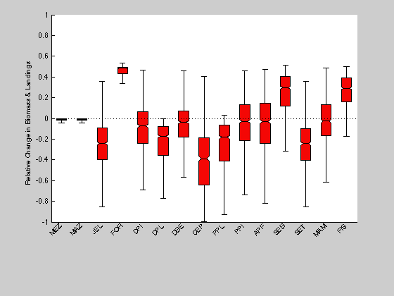
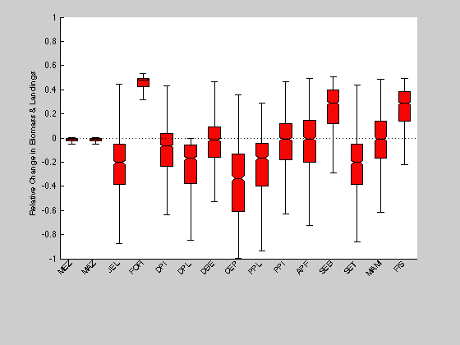
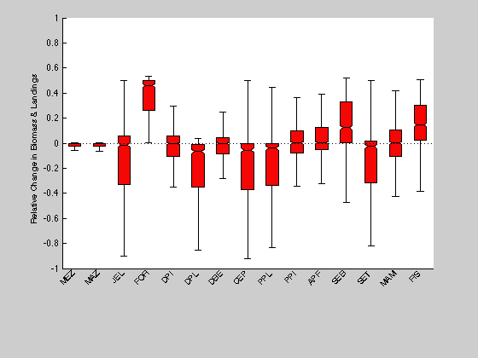

 | Fig. 4. Scenario II |  |  |  |  |  |  | Fig. 5. Scenario II |  |  |  |  |  | Fig. 6. Scenario II
 | Uncertainty levels as defined in data pedigree (Table I) |  |  |  |  |  |  | Uncertainty levels as defined in data pedigree (Table I) |  |  |  |  |  | Uncertainty levels as defined in data pedigree (Table I)
 | Growth efficiency (P/Q) uncertainty scaled by 0.1X |  |  |  |  |  |  | Growth efficiency (P/Q) uncertainty scaled by 10X |  |  |  |  |  | Diet uncertainty scaled by 0.1X

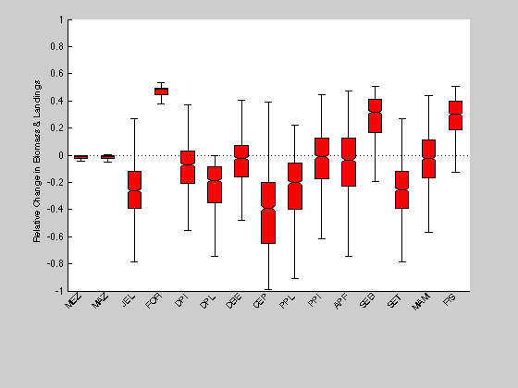
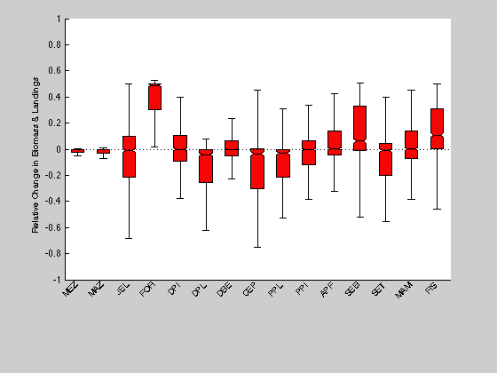
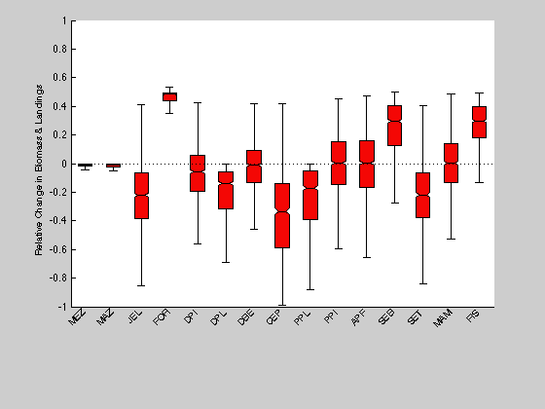

 | Fig. 7. Scenario II
 | Uncertainty levels as defined in data pedigree (Table I)
 | Diet uncertainty scaled by 10X

