Sallen-Key Unity Gain High Pass
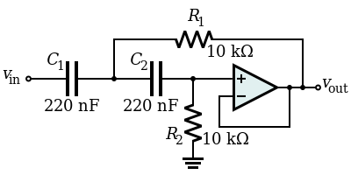
 | High Pass wikipedia example | High Pass (example in book) | Target |  | Ideal based on http://www.calculatoredge.com/electronics/sk%20high%20pass.htm
 |  | 3000 | 2700 | 2700 | 3000 | 2700 | 2700 | 2700 | 125
R1 | 10000 | 800 | 750 | 600 | 797.5 | 886.525 | 744.0475 | 733.33333333 | 4100
R2 | 10000 | 1600 | 1500 | 1200 | 1595 | 1773.05 | 1488.095 | 1500 | 8200
C1 | 0.00000022 | 0.000000047 | 0.000000056 | 0.000000068 | 0.000000047 | 0.000000047 | 0.000000056 | 5.60E-08 | 2.20E-07
C2 | 0.00000022 | 0.000000047 | 0.000000056 | 0.000000068 | 0.000000047 | 0.000000047 | 0.000000056 | 5.60E-08 | 2.20E-07
Q | 0.5 | 0.70710678119 | 0.70710678119 | 0.70710678119 | 0.70710678119 | 0.70710678119 | 0.70710678119 | 0.71509694193 | 0.70710678119
w0 | 454.54545455 | 18806.031415 | 16835.875743 | 17331.048558 | 18864.984491 | 16970.559354 | 16970.565464 | 17026.117665 | 783.93212992
f0 | 72.343155941 | 2993.0728592 | 2679.5128454 | 2758.3220467 | 3002.4555327 | 2700.9484079 | 2700.9493803 | 2709.7907877 | 124.76667351
1/sqrt(2) | 0.70710678119 | 0.70710678119 | 0.70710678119 | 0.70710678119 | 0.70710678119 | 0.70710678119 | 0.70710678119 | 0.70710678119 | 0.70710678119
 |  | 1596.3055254

 |  |  |  |  | http://en.wikipedia.org/wiki/Sallen%E2%80%93Key_topology

Sallen-Key High Pass
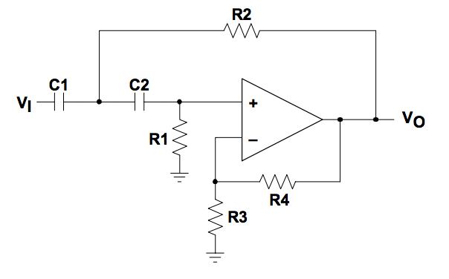
Goal | 3000 | 2700 | 2700
C1 | 0.000000047 | 0.000000082 | 6.80E-08
C2 | 0.000000047 | 0.000000082 | 6.80E-08
R1 | 960 | 620 | 750
R2 | 1300 | 820 | 1000
R3 | 1000 | 820 | 1000
R4 | 1080 | 820 | 1043.4782609
K | 2.08 | 2 | 2.0434782609
f | 3031.2026687 | 2722.0964044 | 2702.5925847
q | 0.71464892752 | 0.69904092039 | 0.71137801025
q - 1/sqrt(2) | 0.0075421463349 | -0.0080658607953 | 0.004271229065

Sallen-Key Unity Gain low Pass
 | High Pass wikipedia example
Target F | 10000 | 3000
R1 | 10000 | 717.24137931
R2 | 10000 | 888.88888889
C1 | 0.000000001 | 9.40E-08
C2 | 0.000000001 | 4.70E-08
Q | 0.5 | 0.70305716487
w0 | 100000 | 18842.162152
f0 | 15915.494307 | 2998.8232446
1/sqrt(2) | 0.70710678119 | 0.70710678119

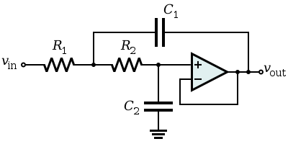
 |  |  | http://en.wikipedia.org/wiki/Sallen%E2%80%93Key_topology

