Sheet1
 | Graph | Status | Image | Settings | Date
1 | 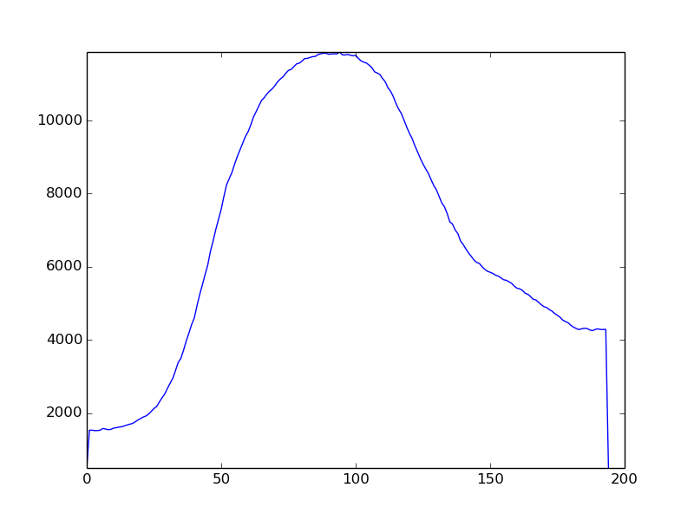 | not_drunk |  | {'y2': 939, 'angle': 9.0, 'sensetivity': 615, 'flip': False, 'x2': 359, 'y1': 794, 'x1': 46} | 2019-12-11 19:46:23.711200
2 | 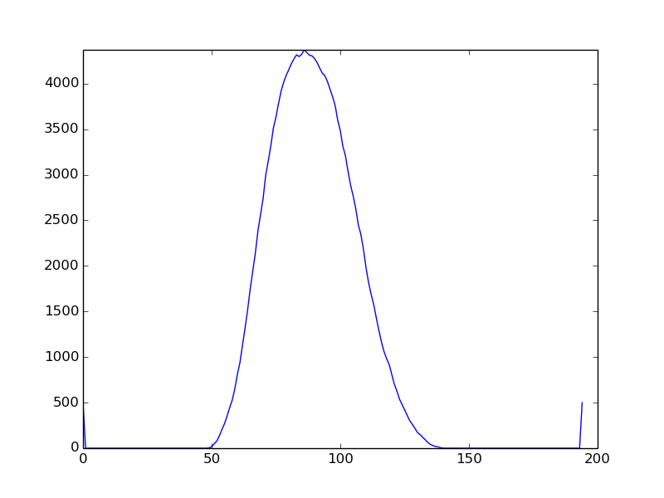 | not_drunk |  | {'y2': 939, 'angle': 9.0, 'sensetivity': 615, 'flip': False, 'x2': 359, 'y1': 794, 'x1': 46} | 2019-12-11 19:46:33.846051
3 | 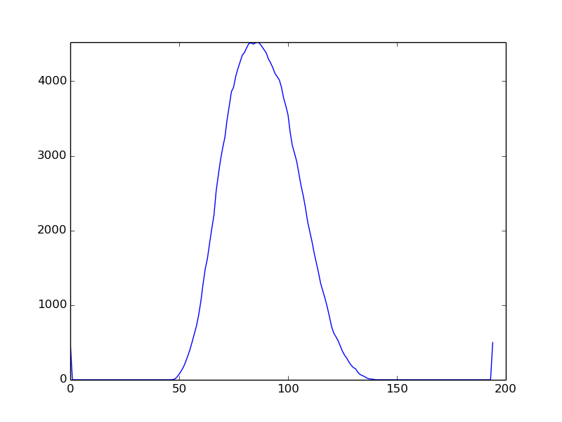 | drunk |  | {'y2': 939, 'angle': 9.0, 'sensetivity': 615, 'flip': False, 'x2': 359, 'y1': 794, 'x1': 46} | 2019-12-11 19:47:07.175495
4 | 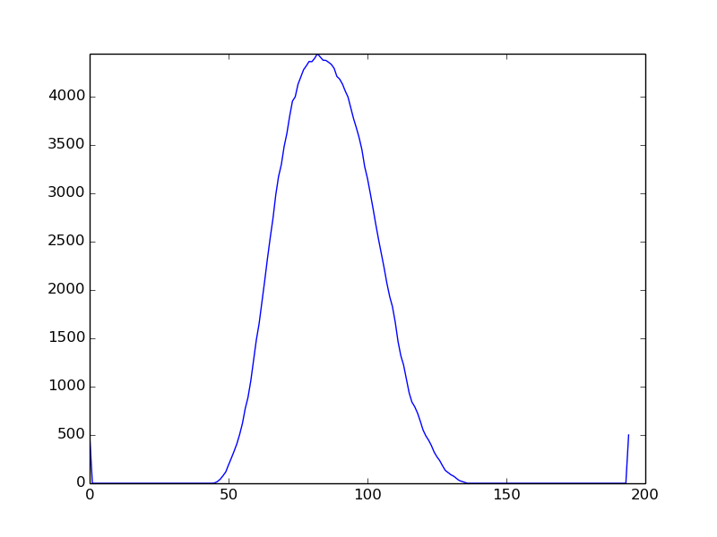 | drunk |  | {'y2': 939, 'angle': 9.0, 'sensetivity': 615, 'flip': False, 'x2': 359, 'y1': 794, 'x1': 46} | 2019-12-11 19:47:30.718707
5 | 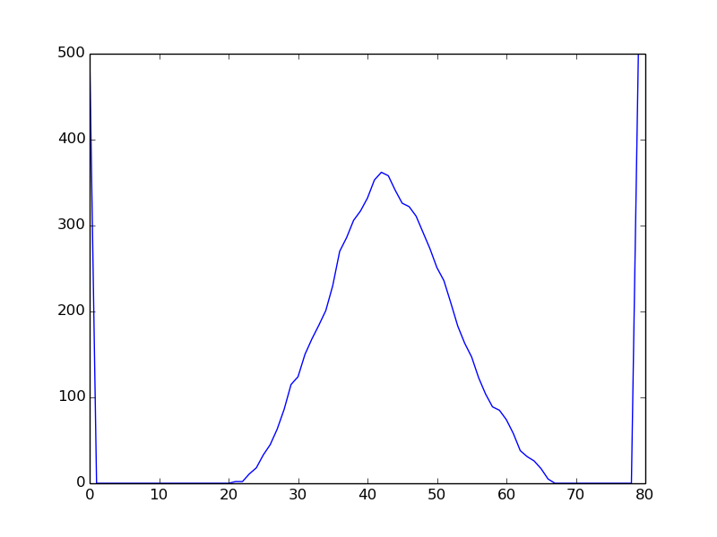 | drunk |  | {'y2': 939, 'angle': 9.0, 'sensetivity': 615, 'flip': False, 'x2': 359, 'y1': 794, 'x1': 46} | 2019-12-11 19:47:46.562692
6 | 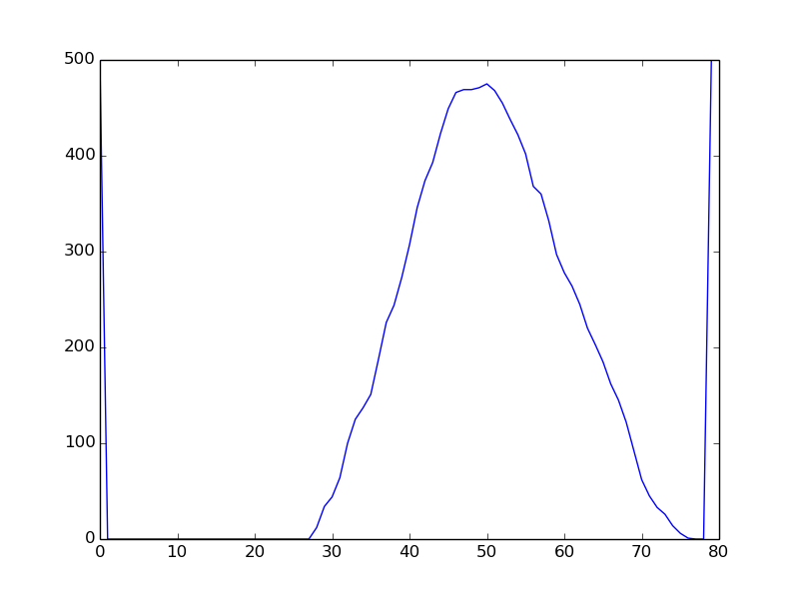 | not_drunk |  | {'y2': 939, 'angle': 9.0, 'sensetivity': 615, 'flip': False, 'x2': 359, 'y1': 794, 'x1': 46} | 2019-12-11 19:48:00.218900
7 | 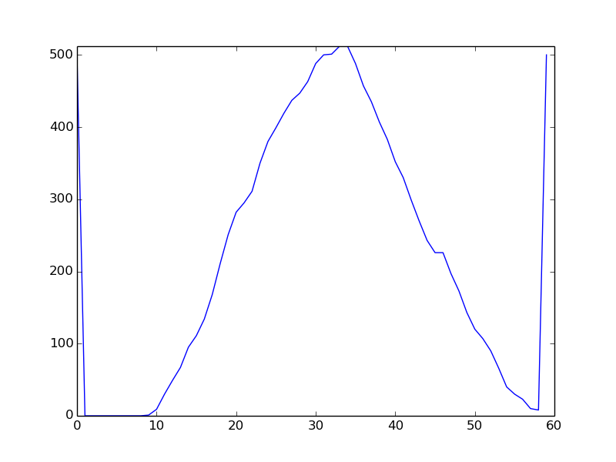 | not_drunk |  | {'y2': 939, 'angle': 9.0, 'sensetivity': 615, 'flip': False, 'x2': 359, 'y1': 794, 'x1': 46} | 2019-12-11 19:48:07.608075

