Sheet1
 | Graph | Status | Image | Settings | Date
1 | 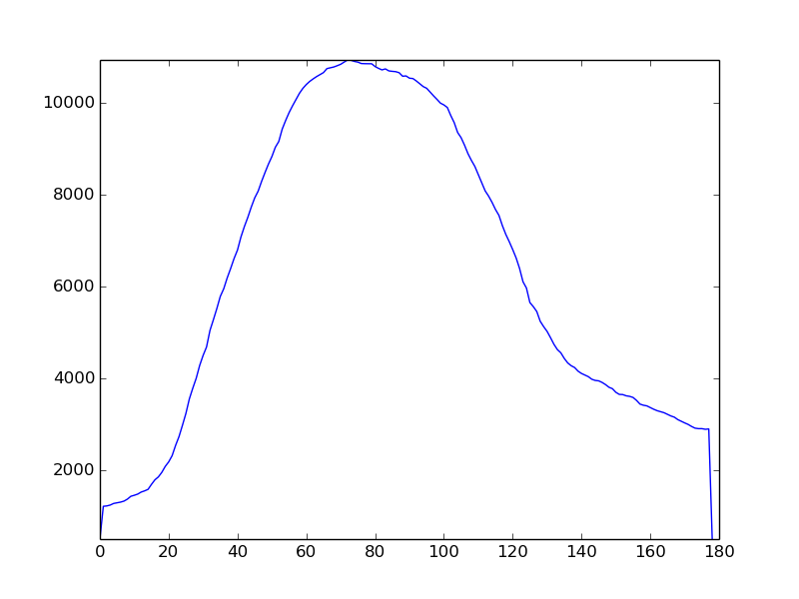 | not_drunk |  | {'y2': 939, 'angle': 9.0, 'sensetivity': 615, 'flip': False, 'x2': 359, 'y1': 794, 'x1': 46} | 2019-12-11 20:05:19.889846
3 | 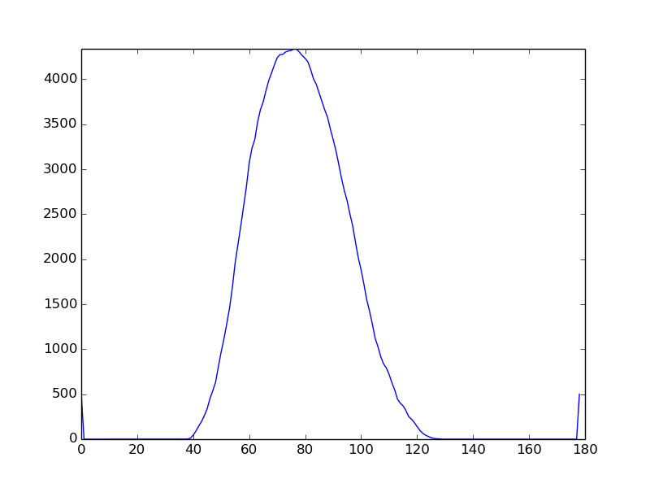 | not_drunk |  | {'y2': 939, 'angle': 9.0, 'sensetivity': 615, 'flip': False, 'x2': 359, 'y1': 794, 'x1': 46} | 2019-12-11 20:05:41.440647
4 |  | not_drunk |  | {'y2': 939, 'angle': 9.0, 'sensetivity': 615, 'flip': False, 'x2': 359, 'y1': 794, 'x1': 46} | 2019-12-11 20:05:58.565038
5 | 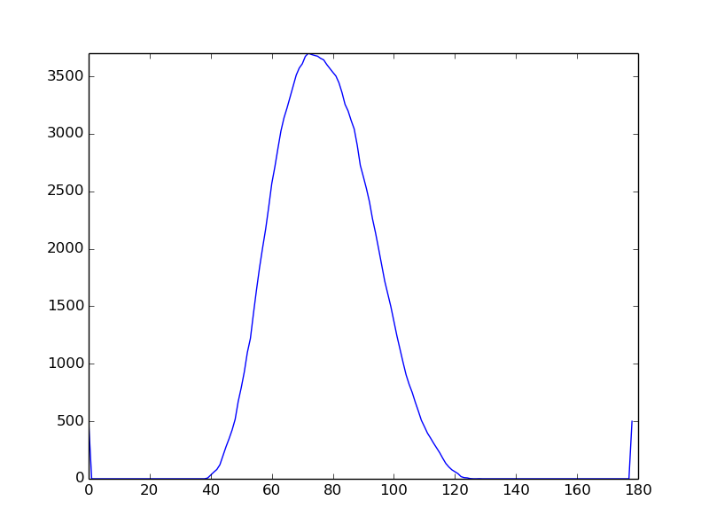 | drunk |  | {'y2': 939, 'angle': 9.0, 'sensetivity': 615, 'flip': False, 'x2': 359, 'y1': 794, 'x1': 46} | 2019-12-11 20:06:17.204044
6 | 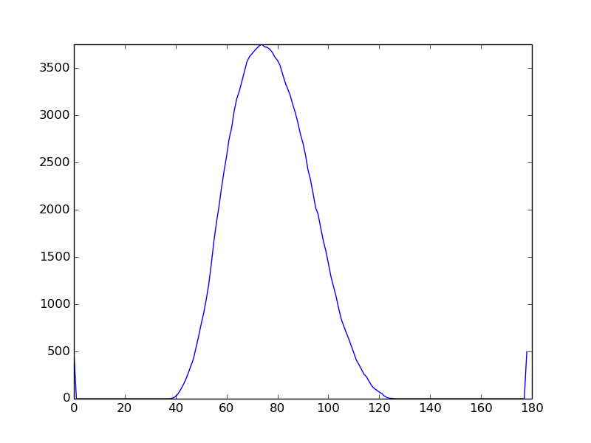 | drunk |  | {'y2': 939, 'angle': 9.0, 'sensetivity': 615, 'flip': False, 'x2': 359, 'y1': 794, 'x1': 46} | 2019-12-11 20:06:21.757945

