China_Telecom_gravity_1024LP
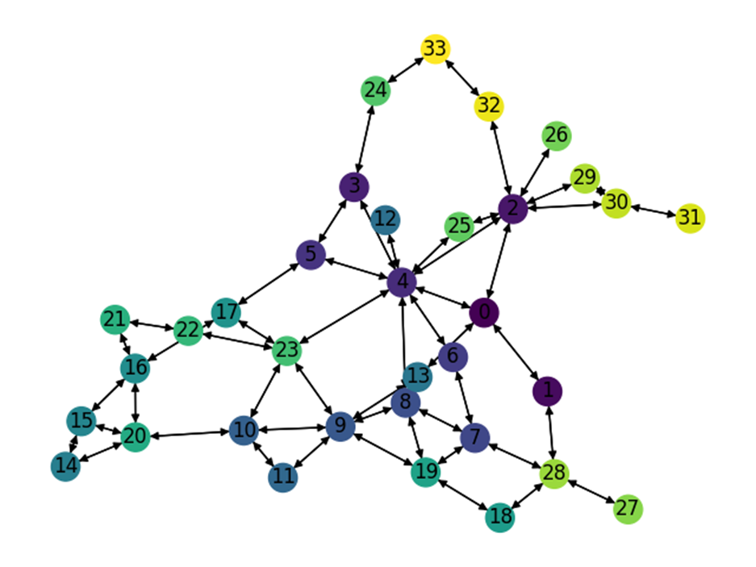
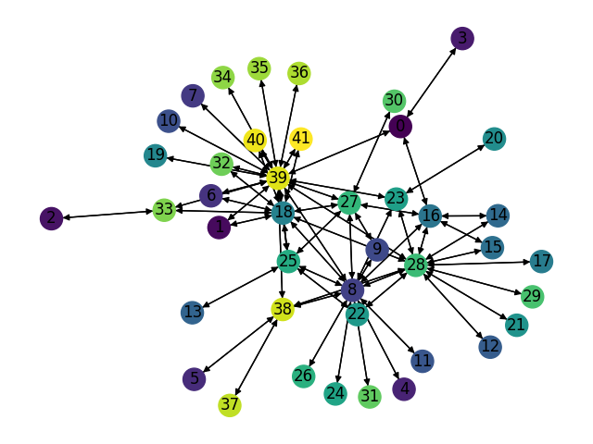
Number of Nodes | Number of links | Smart node set |  | Training Set: |  |  | Test Set: |  |  | Test Set: |  |  | Test Set: |  | LP Set:
42 | 132 | {8, 18, 27, 28, 39} | Description | Gravity Traffic, 1024 TMs, 30% sparsity |  |  | Gravity Traffic, 1024 TMs, 30% sparsity |  |  | Gravity Traffic, 1024 TMs, 30% sparsity |  |  | Gravity Traffic, 1024 TMs, 30% sparsity |  | Gravity Traffic, 1024 TMs, 30% sparsity
 |  |  | Optimal Expected Congestion | 1.4017 |  |  | 1.4092 |  |  | 1.4108 |  |  | 1.405 |  | 1.4017
 |  |  | Reduce source- destination to destination routing congestion | 6.8306 | 387.31% |  | 7.6843 |  | 445.30% | 7.6826 |  | 444.56% | 7.1189 | 406.76%
 |  |  | Oblivious Mean Congestion | 2.1465 | 53.14% |  | 2.1532 |  | 52.80% | 2.1534 |  | 52.64% | 2.1428 | 52.53%
 |  |  | Mean Traffic Matrix optimal routing scheme expected congestion | 2.29 | 63.37% |  | 2.2345 |  | 58.57% | 2.23 |  | 58.07% | 2.3261 | 65.58%

 |  |  | Smart Nodes Set size | “Smart Nodes” by evaluating all hubs options | Expected Congestion of Test Set 0 |  | Expected Congestion of Test Set 1 |  | Expected Congestion of Test Set 2 |  | LP
 |  |  | "-1 (No optimization, just smart weight init)" | None | 2.032 | 44.20% | 2.026 | 43.61% | 2.0285 | 44.40% | 2.0163 | 43.85%
 |  |  | 0 just RL | None | 1.7542 | 24.48% | 1.7684 | 25.35% | 1.7688 | 25.91% | 1.7562 | 25.29%
 |  |  | 1 | (28,)1.7077 | 1.7319 | 22.90% | 1.7305 | 22.66% | 1.7276 | 22.98% | 1.718 | 22.57%
 |  |  | 2 | (28, 39) 1.643 | 1.6716 | 18.62% | 1.696 | 20.22% | 1.6801 | 19.60% | 1.643 | 17.21%
 |  |  | 3 | (8, 28, 39) 1.584 | 1.6399 | 16.37% | 1.6496 | 16.93% | 1.6347 | 16.37% | 1.5871 | 13.23%
 |  |  | 4 | (8, 18, 28, 39)1.541 | 1.6126 | 14.43% | 1.6074 | 13.94% | 1.6032 | 14.12% | 1.5431 | 10.09%
 |  |  | 5 | (8, 18, 27, 28, 39)1.507 | 1.5899 | 12.82% | 1.5878 | 12.55% | 1.5807 | 12.52% | 1.5183 | 8.32%

Expected Congestion Vs. Optimal

GEANT_gravity_2048LP
Number of Nodes | Number of links | Smart node set |  | Training Set: |  |  | Test Set: |  |  | Test Set: |  |  | Test Set: |  | LP Set:
34 | 104 | {2,4,9,23} | Description | Gravity Traffic, 1024 TMs, 30% sparsity |  |  | Gravity Traffic, 1024 TMs, 30% sparsity |  |  | Gravity Traffic, 1024 TMs, 30% sparsity |  |  | Gravity Traffic, 1024 TMs, 30% sparsity |  | Gravity Traffic, 2048 TMs, 30% sparsity
 |  |  | Optimal Expected Congestion | 1.7073 |  |  | 1.7031 |  |  | 1.713 |  |  | 1.706 |  | 1.7316
 |  |  | Reduce source- destination to destination routing congestion | 136.6947 | 7906% |  | 132.4935 |  | 7679.6% | 151.2026 |  | 8726.77% | 49.514683497 | 2802.5%
 |  |  | Oblivious Mean Congestion | 2.5397 | 49% |  | 2.5322 |  | 48.7% | 2.5429 |  | 48.45% | 2.5408 | 48.9%
 |  |  | Mean Traffic Matrix optimal routing scheme expected congestion | 2.5535 | 50% |  | 2.9328 |  | 72.2% | 2.9143 |  | 70.13% | 2.5128 | 47.3%

 |  |  | Smart Nodes Set size | “Smart Nodes” by evaluating all hubs options | Expected Congestion of Test Set 0 |  | Expected Congestion of Test Set 1 |  | Expected Congestion of Test Set 2 |  | LP
 |  |  | "-1 (No optimization, just smart weight init)" | None | 2.6912 | 58.02% | 2.731 | 59.43% | 2.6671 | 56.34% | 2.6861 | 55.12%
 |  |  | 0 just RL | None | 1.9369 | 13.73% | 1.9479 | 13.71% | 1.948 | 14.19% | 1.9598 | 13.18%
 |  |  | 1 | (4,) 1.912 | 1.9179 | 12.61% | 1.9254 | 12.40% | 1.9054 | 11.69% | 1.914 | 10.53%
 |  |  | 2 | (4, 23) 1.875 | 1.8807 | 10.43% | 1.8951 | 10.63% | 1.8859 | 10.55% | 1.8766 | 8.37%
 |  |  | 3 | (4, 9, 23) 1.853 | 1.8734 | 10.00% | 1.8806 | 9.78% | 1.8732 | 9.81% | 1.8538 | 7.06%
 |  |  | 4 | (2, 4, 9, 23)1.846 | 1.8679 | 9.68% | 1.8741 | 9.40% | 1.8652 | 9.34% | 1.8504 | 6.86%

Expected Congestion Vs. Optimal

GEANT_gravity_1024LP
Number of Nodes | Number of links | Smart node set |  | Training Set: |  |  | Test Set: |  |  | Test Set: |  |  | Test Set: |  | LP Set:
34 | 104 | {2,4,9,23} | Description | Gravity Traffic, 1024 TMs, 30% sparsity |  |  | Gravity Traffic, 1024 TMs, 30% sparsity |  |  | Gravity Traffic, 1024 TMs, 30% sparsity |  |  | Gravity Traffic, 1024 TMs, 30% sparsity |  | Gravity Traffic, 1024 TMs, 30% sparsity
 |  |  | Optimal Expected Congestion | 1.7073 |  |  | 1.7031 |  |  | 1.713 |  |  | 1.706 |  | 1.7116
 |  |  | Reduce source- destination to destination routing congestion | 136.6947 | 7906% |  | 132.4935 |  | 7679.6% | 151.2026 |  | 8726.77% | 49.514683497 | 2802.5%
 |  |  | Oblivious Mean Congestion | 2.5397 | 49% |  | 2.5322 |  | 48.7% | 2.5429 |  | 48.45% | 2.5408 | 48.9%
 |  |  | Mean Traffic Matrix optimal routing scheme expected congestion | 2.5535 | 50% |  | 2.9328 |  | 72.2% | 2.9143 |  | 70.13% | 2.5128 | 47.3%

 |  |  | Smart Nodes Set size | “Smart Nodes” by evaluating all hubs options | Expected Congestion of Test Set 0 |  | Expected Congestion of Test Set 1 |  | Expected Congestion of Test Set 2 |  | LP
 |  |  | "-1 (No optimization, just smart weight init)" | None | 2.6912 | 58.02% | 2.731 | 59.43% | 2.6671 | 56.34% | 2.6861 | 56.94%
 |  |  | 0 just RL | None | 1.9369 | 13.73% | 1.9479 | 13.71% | 1.948 | 14.19% | 1.9527 | 14.09%
 |  |  | 1 | (4,) 1.904 | 1.916 | 12.50% | 1.9268 | 12.48% | 1.9143 | 12.21% | 1.9112 | 11.66%
 |  |  | 2 | (4, 23) 1.87 | 1.8943 | 11.23% | 1.8938 | 10.55% | 1.8992 | 11.33% | 1.8764 | 9.63%
 |  |  | 3 | (4, 9, 23) 1.8446 | 1.8933 | 11.17% | 1.899 | 10.86% | 1.8917 | 10.89% | 1.8634 | 8.87%
 |  |  | 4 | (2, 4, 9, 23) 1.834 | 1.8993 | 11.52% | 1.9074 | 11.35% | 1.8977 | 11.24% | 1.8581 | 8.56%

Expected Congestion Vs. Optimal

ScaleFree30Nodes_gravity_1024LP
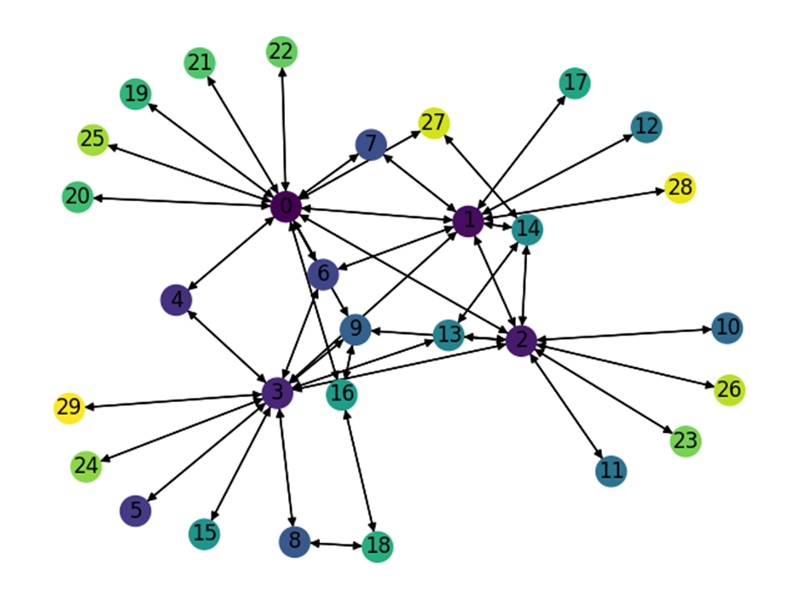
Number of Nodes | Number of links | Smart node set |  | Training Set: |  |  | Test Set: |  |  | Test Set: |  |  | Test Set: |  | LP Set:
30 | 86 | {0,1,2,3} | Description | Gravity Traffic, 1024 TMs, 30% sparsity |  |  | Gravity Traffic, 1024 TMs, 30% sparsity |  |  | Gravity Traffic, 1024 TMs, 30% sparsity |  |  | Gravity Traffic, 1024 TMs, 30% sparsity |  | Gravity Traffic, 1024 TMs, 30% sparsity
 |  |  | Optimal Expected Congestion | 1.3137 |  |  | 1.3108 |  |  | 1.3134 |  |  | 1.3114 |  | 1.3261
 |  |  | Reduce source- destination to destination routing congestion | 1.883 | 43.34% |  | 1.9888 |  | 51.72% | 1.8765 |  | 42.87% | 1.8301 | 39.55%
 |  |  | Oblivious Mean Congestion | 1.6628 | 26.57% |  | 1.661 |  | 26.72% | 1.6674 |  | 26.95% | 1.6593 | 26.53%
 |  |  | Mean Traffic Matrix optimal routing scheme expected congestion | 1.707 | 29.94% |  | 1.6947 |  | 29.29% | 1.7579 |  | 33.84% | 1.7424 | 32.87%

 |  |  | Smart Nodes Set size | “Smart Nodes” by evaluating all hubs options | Expected Congestion of Test Set 0 |  | Expected Congestion of Test Set 1 |  | Expected Congestion of Test Set 2 |  | LP
 |  |  | "-1 (No optimization, just smart weight init)" | None | 1.6334 | 24.61% | 1.6202 | 23.36% | 1.6295 | 24.26% | 1.641 | 23.75%
 |  |  | 0 just RL | None | 1.5123 | 15.37% | 1.5193 | 15.68% | 1.5107 | 15.20% | 1.5098 | 13.85%
 |  |  | 1 | (0,) 1.49 | 1.5014 | 14.54% | 1.4993 | 14.15% | 1.502 | 14.53% | 1.4967 | 12.86%
 |  |  | 2 | (0, 2) 1.462 | 1.4745 | 12.49% | 1.4734 | 12.18% | 1.4752 | 12.49% | 1.4653 | 10.50%
 |  |  | 3 | (0, 2, 3) 1.43 | 1.4462 | 10.33% | 1.4498 | 10.39% | 1.4549 | 10.94% | 1.4409 | 8.66%
 |  |  | 4 | (0, 1, 2, 3) 1.398 | 1.44 | 9.86% | 1.4303 | 8.90% | 1.427 | 8.82% | 1.4093 | 6.27%

Expected Congestion Vs. Optimal

ScaleFree30Nodes_cstm_bimodal
Number of Nodes | Number of links | Smart node set |  | Training Set: |  |  | Test Set: |  |  | Test Set: |  |  | Test Set: |  | LP Set:
30 | 86 | {0,1,2,3} | Description | Bimodal Traffic, 1024 TMs, 40% sparsity G_1 (5,1) G_2 (1,0.2) |  |  | Bimodal Traffic, 1024 TMs, 40% sparsity G_1 (5,1) G_2 (1,0.2) |  |  | Bimodal Traffic, 1024 TMs, 40% sparsity G_1 (5,1) G_2 (1,0.2) |  |  | Bimodal Traffic, 1024 TMs, 40% sparsity G_1 (5,1) G_2 (1,0.2) |  | Bimodal Traffic,4096 TMs, 40% sparsity G_1 (5,1) G_2 (1,0.2)
 |  |  | Optimal Expected Congestion | 2.1530 |  |  | 2.1661 |  |  | 2.1726 |  |  | 2.1769 |  | 2.1661
 |  |  | Reduce source- destination to destination routing congestion | 2.7635 | 28.36% |  | 2.9442 |  | 35.92% | 2.9425 |  | 35.44% | 3.4914 | 60.38%
 |  |  | Oblivious Mean Congestion | 2.4928 | 15.78% |  | 2.4995 |  | 15.39% | 2.4897 |  | 14.60% | 2.4943 | 14.58%
 |  |  | Mean Traffic Matrix optimal routing scheme expected congestion | 2.3236 | 7.92% |  | 2.3371 |  | 7.89% | 2.3441 |  | 7.89% | 2.3585 | 8.34%

 |  |  | Smart Nodes Set size | “Smart Nodes” by evaluating all hubs options | Expected Congestion of Test Set 0 |  | Expected Congestion of Test Set 1 |  | Expected Congestion of Test Set 2 |  | LP
 |  |  | "-1 (No optimization, just smart weight init)" | None | 2.2432 | 3.56% | 2.2429 | 3.24% | 2.2508 | 3.40% | 2.2382 | 3.33%
 |  |  | 0 just RL | None | 2.2342 | 3.14% | 2.2331 | 2.78% | 2.2427 | 3.02% | 2.2354 | 3.20%
 |  |  | 1 | (3,) 2.22107 | 2.2272 | 2.82% | 2.2302 | 2.65% | 2.2389 | 2.85% | 2.2211 | 2.54%
 |  |  | 2 | (0, 3) 2.20886 | 2.2179 | 2.39% | 2.2262 | 2.47% | 2.2311 | 2.49% | 2.2073 | 1.90%
 |  |  | 3 | (0, 2, 3) 2.19509 | 2.2135 | 2.19% | 2.2213 | 2.24% | 2.2286 | 2.37% | 2.1956 | 1.36%
 |  |  | 4 | (0, 1, 2, 3) 2.18557 | 2.2084 | 1.95% | 2.2156 | 1.98% | 2.2199 | 1.98% | 2.1853 | 0.89%

Expected Congestion Vs. Optimal

ScaleFree30Nodes_poisson_0.2sp
Number of Nodes | Number of links | Smart node set |  | Training Set: |  |  | Test Set: |  |  | Test Set: |  |  | Test Set: |  | LP Set:
30 | 86 | {0,1,2,3} | Description | Poisson Traffic, 1024 TMs, 20% sparsity |  |  | Poisson Traffic, 1024 TMs, 20% sparsity |  |  | Poisson Traffic, 1024 TMs, 20% sparsity |  |  | Poisson Traffic, 1024 TMs, 20% sparsity |  | Poisson Traffic, 4096 TMs, 20% sparsity
 |  |  | Optimal Expected Congestion | 10.0897 |  |  | 10.0444 |  |  | 10.0515 |  |  | 10.0597
 |  |  | Reduce source- destination to destination routing congestion | 11.442 | 13.40% |  | 11.4264 |  | 13.76% | 11.6352 |  | 15.76% | 11.5159 | 14.48%
 |  |  | Oblivious Mean Congestion | 10.7237 | 6.28% |  | 10.7044 |  | 6.57% | 10.6977 |  | 6.43% | 10.7566 | 6.93%
 |  |  | Mean Traffic Matrix optimal routing scheme expected congestion | 10.6969 | 6.02% |  | 10.711 |  | 6.64% | 10.6705 |  | 6.16% | 10.7071 | 6.44%

 |  |  | Smart Nodes Set size | “Smart Nodes” by evaluating all hubs options | Expected Congestion of Test Set 0 |  | Expected Congestion of Test Set 1 |  | Expected Congestion of Test Set 2 |  | LP
 |  |  | "-1 (No optimization, just smart weight init)" | None | 10.312 | 2.67% | 10.308 | 2.55% | 10.320 | 2.58% | 10.300217342
 |  |  | 1 | (0,) 10.226 | 10.2826 | 2.37% | 10.2768 | 2.24% | 10.2897 | 2.29% | 10.2262
 |  |  | 2 | (0, 2) 10.1587 | 10.2663 | 2.21% | 10.2582 | 2.06% | 10.2904 | 2.29% | 10.1587
 |  |  | 3 | (0, 2, 3) 10.114 | 10.2756 | 2.30% | 10.2641 | 2.12% | 10.3026 | 2.41% | 10.1141
 |  |  | 4 | (0, 1, 2, 3) 10.095 | 10.2844 | 2.39% | 10.278 | 2.25% | 10.288 | 2.27% | 10.095

Expected Congestion Vs. Optimal
 | Test Set 0 | Test Set 1 | Test Set 2 | LP
"-1 (No optimization, just smart weight init)" | 2.67% | 2.55% | 2.58%
0 just RL | 2.37% | 2.24% | 2.29%
1 | 2.21% | 2.06% | 2.29%
2 | 2.30% | 2.12% | 2.41%
3 | 2.39% | 2.25% | 2.27%
4
5

ScaleFree30Nodes_poisson_0.1sp
Number of Nodes | Number of links | Smart node set |  | Training Set: |  |  | Test Set: |  |  | Test Set: |  | Test Set: |  | LP
30 | 86 | {0,1,2,3} | Description | Poisson Traffic, 1024 TMs, 10% sparsity |  |  | Poisson Traffic, 1024 TMs, 10% sparsity |  |  | Poisson Traffic, 1024 TMs, 10% sparsity |  | Poisson Traffic, 1024 TMs, 10% sparsity |  | Poisson Traffic, 4096 TMs, 10% sparsity
 |  |  | Optimal Expected Congestion | 6.5814 |  |  | 6.453 |  |  | 6.4638 |  | 6.4846
 |  |  | Reduce source- destination to destination routing congestion | 7.1029 | 7.92% |  | 7.0242 |  | 8.85% | 7.0049 | 8.37% | 7.0021 | 7.98%
 |  |  | Oblivious Mean Congestion | 6.7776 | 2.98% |  | 6.6662 |  | 3.30% | 6.6773 | 3.30% | 6.6875 | 3.13%
 |  |  | Mean Traffic Matrix optimal routing scheme expected congestion | 7.0855 | 7.66% |  | 7.0627 |  | 9.45% | 7.006 | 8.39% | 7.0274 | 8.37%

 |  |  | Smart Nodes Set size | “Smart Nodes” by evaluating all hubs options | Expected Congestion of Test Set 0 |  | Expected Congestion of Test Set 1 |  | Expected Congestion of Test Set 2
 |  |  | "-1 (No optimization, just smart weight init)" | None | 6.696 | 3.77% | 6.697 | 3.60% | 6.699 | 3.31%
 |  |  | 1 | (0,) 6.63571 | 6.6826 | 3.56% | 6.6775 | 3.31% | 6.6896 | 3.16%
 |  |  | 2 | (0, 3) 6.58628 | 6.6638 | 3.27% | 6.6569 | 2.99% | 6.6843 | 3.08%
 |  |  | 3 | (0, 1, 3) 6.55522 | 6.662 | 3.24% | 6.6644 | 3.10% | 6.6765 | 2.96%
 |  |  | 4 | (0, 1, 2, 3) 6.53818 | 6.6696 | 3.36% | 6.6708 | 3.20% | 6.6963 | 3.26%

Expected Congestion Vs. Optimal
 | Test Set 0 | Test Set 1 | Test Set 2 | LP
"-1 (No optimization, just smart weight init)" | 3.77% | 3.60% | 3.31%
0 just RL | 3.56% | 3.31% | 3.16%
1 | 3.27% | 2.99% | 3.08%
2 | 3.24% | 3.10% | 2.96%
3 | 3.36% | 3.20% | 3.26%
4
5

GoodNet_Gravity_1024LP
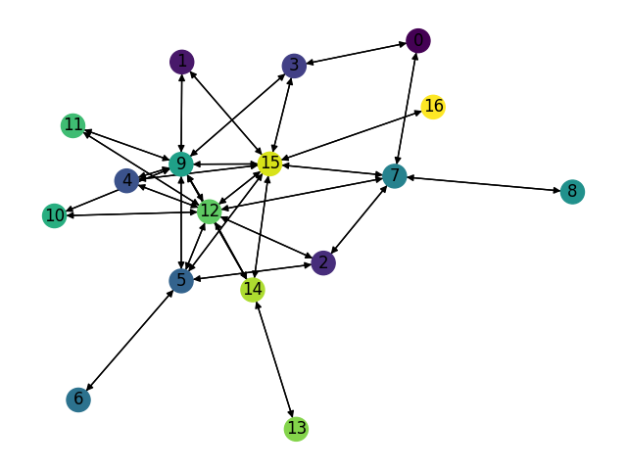
Number of Nodes | Number of links | Smart node set |  | Training Set: |  |  | Test Set: |  |  | Test Set: |  |  | Test Set: |  | LP Set:
17 | 62 | {5,7,9,12,15} | Description | Gravity Traffic, 1024 TMs, 30% sparsity |  |  | Gravity Traffic, 1024 TMs, 30% sparsity |  |  | Gravity Traffic, 1024 TMs, 30% sparsity |  |  | Gravity Traffic, 1024 TMs, 30% sparsity |  | Gravity Traffic, 1024 TMs, 30% sparsity
 |  |  | Optimal Expected Congestion | 1.0495 |  |  | 1.0496 |  |  | 1.0473 |  |  | 1.0501 |  | 1.0532
 |  |  | Reduce source- destination to destination routing congestion | 1.2936 | 23.26% |  | 1.3237 |  | 26.11% | 1.2976 |  | 23.90% | 1.2619 | 20.17%
 |  |  | Oblivious Mean Congestion | 1.2488 | 18.99% |  | 1.2505 |  | 19.14% | 1.2482 |  | 19.18% | 1.2525 | 19.27%
 |  |  | Mean Traffic Matrix optimal routing scheme expected congestion | 1.4819 | 41.20% |  | 1.5116 |  | 44.02% | 1.4991 |  | 43.14% | 1.4861 | 41.52%

 |  |  | Smart Nodes Set size | “Smart Nodes” by evaluating all hubs options | Expected Congestion of Test Set 0 |  | Expected Congestion of Test Set 1 |  | Expected Congestion of Test Set 2 |  | LP
 |  |  | "-1 (No optimization, just smart weight init)" | None | 1.2381 | 17.96% | 1.231 | 17.54% | 1.2423 | 18.30% | 1.2519 | 18.87%
 |  |  | 0 just RL | None | 1.1844 | 12.84% | 1.1823 | 12.89% | 1.1813 | 12.49% | 1.1849 | 12.50%
 |  |  | 1 | (12,) 1.167 | 1.17 | 11.47% | 1.17 | 11.72% | 1.169 | 11.32% | 1.1675 | 10.85%
 |  |  | 2 | (12, 15) 1.1494 | 1.16 | 10.52% | 1.155 | 10.28% | 1.16 | 10.47% | 1.1492 | 9.12%
 |  |  | 3 | (7, 12, 15) 1.133 | 1.154 | 9.95% | 1.145 | 9.33% | 1.15 | 9.51% | 1.1407 | 8.31%
 |  |  | 4 | (5, 9, 12, 15) 1.115 | 1.138 | 8.42% | 1.1347 | 8.35% | 1.1364 | 8.22% | 1.1149 | 5.86%
 |  |  | 5 | (5,7,9,12,15) 1.09425 | 1.12 | 6.71% | 1.122 | 7.13% | 1.127 | 7.32% | 1.0973 | 4.19%

Expected Congestion Vs. Optimal

GoodNet_poisson_0.2_4096LP
Number of Nodes | Number of links | Smart node set |  | Training Set: |  |  | Test Set: |  |  | Test Set: |  |  | Test Set: |  | LP Set:
17 | 62 | {5,7,9,12,15} | Description | Poisson Traffic, 1024 TMs, 20% sparsity |  |  | Poisson Traffic, 1024 TMs, 20% sparsity |  |  | Poisson Traffic, 1024 TMs, 20% sparsity |  |  | Poisson Traffic, 1024 TMs, 20% sparsity |  | Poisson Traffic, 4096 TMs, 20% sparsity
 |  |  | Optimal Expected Congestion | 4.095 |  |  | 4.0998 |  |  | 4.0725 |  |  | 4.0468
 |  |  | Reduce source- destination to destination routing congestion | 4.2219 | 3.11% |  | 4.2433 |  | 3.50% | 4.4214 |  | 8.57% | 4.1654 | 2.93%
 |  |  | Oblivious Mean Congestion | 4.2056 | 2.71% |  | 4.19 |  | 2.20% | 4.1736 |  | 2.48% | 4.1481 | 2.50%
 |  |  | Mean Traffic Matrix optimal routing scheme expected congestion | 4.5577 | 11.31% |  | 4.5738 |  | 11.56% | 4.5223 |  | 11.04% | 4.4357 | 9.61%

 |  |  | Smart Nodes Set size | “Smart Nodes” by evaluating all hubs options | Expected Congestion of Test Set 0 |  | Expected Congestion of Test Set 1 |  | Expected Congestion of Test Set 2 |  | LP
 |  |  | "-1 (No optimization, just smart weight init)" | None | 4.190 | 2.206% | 4.160 | 2.15% | 4.151 | 2.57% | 4.188
 |  |  | 1 | (7,) 4.1700 | 4.1718 | 1.76% | 4.1496 | 1.89% | 4.1407 | 2.32% | 4.170
 |  |  | 2 | (7, 15) 4.155 | 4.1633 | 1.55% | 4.1386 | 1.62% | 4.1301 | 2.06% | 4.155
 |  |  | 3 | (7, 12, 15) 4.141 | 4.1549 | 1.34% | 4.1359 | 1.56% | 4.1207 | 1.83% | 4.1407
 |  |  | 4 | (7, 9, 12, 15) 4.133 | 4.1537 | 1.31% | 4.136 | 1.56% | 4.1146 | 1.68% | 4.1325
 |  |  | 5 | (5, 7, 9, 12, 15) 4.1277 | 4.1526 | 1.29% | 4.132 | 1.46% | 4.1131 | 1.64% | 4.1277

Expected Congestion Vs. Optimal
 | Test Set 0 | Test Set 1 | Test Set 2 | LP
"-1 (No optimization, just smart weight init)" | 2.21% | 2.15% | 2.57%
1 | 1.76% | 1.89% | 2.32%
2 | 1.55% | 1.62% | 2.06%
3 | 1.34% | 1.56% | 1.83%
4 | 1.31% | 1.56% | 1.68%
5 | 1.29% | 1.46% | 1.64%

GoodNet_poisson_0.1_4096LP
Number of Nodes | Number of links | Smart node set |  | Training Set: |  |  | Test Set: |  |  | Test Set: |  | Test Set: |  | LP Set:
17 | 62 | {5,7,9,12,15} | Description | Poisson Traffic, 1024 TMs, 10% sparsity |  |  | Poisson Traffic, 1024 TMs, 10% sparsity |  |  | Poisson Traffic, 1024 TMs, 10% sparsity |  | Poisson Traffic, 1024 TMs, 10% sparsity |  | Poisson Traffic, 4096 TMs, 10% sparsity
 |  |  | Optimal Expected Congestion | 2.627 |  |  | 2.63 |  |  | 2.6289 |  | 2.6355
 |  |  | Reduce source- destination to destination routing congestion | 2.745 | 4.51% |  | 2.7387 |  | 4.13% | 2.7199 | 3.46% | 2.7506 | 4.37%
 |  |  | Oblivious Mean Congestion | 2.6985 | 2.74% |  | 2.7019 |  | 2.73% | 2.7 | 2.70% | 2.6988 | 2.40%
 |  |  | Mean Traffic Matrix optimal routing scheme expected congestion | 3.1152 | 18.60% |  | 3.0915 |  | 17.55% | 3.1057 | 18.14% | 3.0897 | 17.23%

 |  |  | Smart Nodes Set size | “Smart Nodes” by evaluating all hubs options | Expected Congestion of Test Set 0 |  | Expected Congestion of Test Set 1 |  | Expected Congestion of Test Set 2
 |  |  | "-1 (No optimization, just smart weight init)" | None | 2.755 | 4.759% | 2.742 | 4.30% | 2.760 | 4.71%
 |  |  | 1 | (12,) 2.72908 | 2.7416 | 4.24% | 2.7336 | 3.98% | 2.7509 | 4.38%
 |  |  | 2 | (7, 9) 2.71082 | 2.7355 | 4.01% | 2.7187 | 3.42% | 2.7351 | 3.78%
 |  |  | 3 | (7, 9, 12) 2.69447 | 2.72 | 3.42% | 2.7104 | 3.10% | 2.7207 | 3.23%
 |  |  | 4 | (7, 9, 12, 15) 2.68188 | 2.7077 | 2.95% | 2.7043 | 2.87% | 2.7087 | 2.78%
 |  |  | 5 | (5, 7, 9, 12, 15) 2.67403 | 2.7035 | 2.79% | 2.7002 | 2.71% | 2.7052 | 2.64%

Expected Congestion Vs. Optimal
 | Test Set 0 | Test Set 1 | Test Set 2 | LP
"-1 (No optimization, just smart weight init)" | 4.76% | 4.30% | 4.71%
1 | 4.24% | 3.98% | 4.38%
2 | 4.01% | 3.42% | 3.78%
3 | 3.42% | 3.10% | 3.23%
4 | 2.95% | 2.87% | 2.78%
5 | 2.79% | 2.71% | 2.64%

GoodNet_cstm_Bimodal_1024LP (2)
Number of Nodes | Number of links | Smart node set |  | Training Set: |  |  | Test Set: |  |  | Test Set: |  |  | Test Set: |  | LP Set:
17 | 62 | {5,7,9,12,15} | Description | Bimodal Traffic, 1024 TMs, 40% sparsity G_1 (30,5) G_2 (4,1) |  |  | Bimodal Traffic, 1024 TMs, 40% sparsity G_1 (30,5) G_2 (4,1) |  |  | Bimodal Traffic, 1024 TMs, 40% sparsity G_1 (30,5) G_2 (4,1) |  |  | Bimodal Traffic, 1024 TMs, 40% sparsity G_1 (30,5) G_2 (4,1) |  | Bimodal Traffic, 1024 TMs, 40% sparsity G_1 (30,5) G_2 (4,1)
 |  |  | Optimal Expected Congestion | 1.360 |  |  | 1.365 |  |  | 1.3514 |  |  | 1.3651 |  | 1.3536
 |  |  | Reduce source- destination to destination routing congestion | 1.4526 | 6.84% |  | 1.4593 |  | 6.91% | 1.4406 |  | 6.60% | 1.4595 | 6.92%
 |  |  | Oblivious Mean Congestion | 1.4184 | 4.32% |  | 1.4262 |  | 4.48% | 1.4086 |  | 4.23% | 1.4274 | 4.56%
 |  |  | Mean Traffic Matrix optimal routing scheme expected congestion | 1.6437 | 20.90% |  | 1.6247 |  | 19.03% | 1.6136 |  | 19.40% | 1.6562 | 21.32%

 |  |  | Smart Nodes Set size | “Smart Nodes” by evaluating all hubs options | Expected Congestion of Test Set 0 |  | Expected Congestion of Test Set 1 |  | Expected Congestion of Test Set 2 |  | LP
 |  |  | "-1 (No optimization, just smart weight init)" | None | 1.451 | 6.27% | 1.431 | 5.86% | 1.453 | 6.44% | 1.4462 | 6.84%
 |  |  | 0 just RL | None | 1.444 | 5.82% | 1.416 | 4.78% | 1.446 | 5.94% | 1.4466 | 6.87%
 |  |  | 1 | (12,) 1.42948 | 1.4411 | 5.58% | 1.4127 | 4.54% | 1.4295 | 4.72% | 1.425 | 5.30%
 |  |  | 2 | (12, 15) 1.4105 | 1.4228 | 4.23% | 1.4073 | 4.14% | 1.42 | 4.02% | 1.4083 | 4.04%
 |  |  | 3 | (7, 12, 15) 1.39551 | 1.4177 | 3.86% | 1.4015 | 3.71% | 1.4191 | 3.95% | 1.3953 | 3.08%
 |  |  | 4 | (7, 9, 12, 15) 1.38173 | 1.413 | 3.52% | 1.3937 | 3.13% | 1.4163 | 3.75% | 1.3864 | 2.42%
 |  |  | 5 | (5, 7, 9, 12, 15) 1.37686 | 1.3992 | 2.51% | 1.38 | 2.12% | 1.4049 | 2.91% | 1.3791 | 1.88%

Expected Congestion Vs. Optimal

GoodNet_cstm_Bimodal_1024LP
Number of Nodes | Number of links | Smart node set |  | Training Set: |  |  | Test Set: |  |  | Test Set: |  |  | Test Set: |  | LP Set:
17 | 62 | {5,7,9,12,15} | Description | Bimodal Traffic, 1024 TMs, 50% sparsity G_1 (50,10) G_2 (1,0.2) |  |  | Bimodal Traffic, 1024 TMs, 50% sparsity G_1 (50,10) G_2 (1,0.2) |  |  | Bimodal Traffic, 1024 TMs, 50% sparsity G_1 (50,10) G_2 (1,0.2) |  |  | Bimodal Traffic, 1024 TMs, 50% sparsity G_1 (50,10) G_2 (1,0.2) |  | Bimodal Traffic, 1024 TMs, 50% sparsity G_1 (50,10) G_2 (1,0.2)
 |  |  | Optimal Expected Congestion | 1.689 |  |  | 1.6854 |  |  | 1.6783 |  |  | 1.6816 |  | 1.6711
 |  |  | Reduce source- destination to destination routing congestion | 1.9001 | 12.51% |  | 1.9051 |  | 13.04% | 1.8972 |  | 13.04% | 1.9051 | 13.29%
 |  |  | Oblivious Mean Congestion | 1.7718 | 4.91% |  | 1.767 |  | 4.84% | 1.7597 |  | 4.85% | 1.7766 | 5.65%
 |  |  | Mean Traffic Matrix optimal routing scheme expected congestion | 2.244 | 32.88% |  | 2.2833 |  | 35.48% | 2.2575 |  | 34.51% | 2.2565 | 34.19%

 |  |  | Smart Nodes Set size | “Smart Nodes” by evaluating all hubs options | Expected Congestion of Test Set 0 |  | Expected Congestion of Test Set 1 |  | Expected Congestion of Test Set 2 |  | LP
 |  |  | "-1 (No optimization, just smart weight init)" | None | 1.929 | 14.45% | 1.922 | 14.50% | 1.925 | 14.49% | 1.920 | 14.91%
 |  |  | 0 just RL | None | 1.917 | 13.72% | 1.902 | 13.31% | 1.907 | 13.40% | 1.903 | 13.86%
 |  |  | 1 | (12,) 1.8644 | 1.899 | 12.67% | 1.8788 | 11.95% | 1.876 | 11.56% | 1.847 | 10.50%
 |  |  | 2 | (12, 15) 1.82218 | 1.8854 | 11.87% | 1.8619 | 10.94% | 1.8474 | 9.86% | 1.8125 | 8.46%
 |  |  | 3 | (9, 12, 15) 1.78346 | 1.8681 | 10.84% | 1.8525 | 10.38% | 1.8396 | 9.40% | 1.7954 | 7.44%
 |  |  | 4 | (7, 9, 12, 15) 1.75307 | 1.8338 | 8.81% | 1.838 | 9.52% | 1.8176 | 8.09% | 1.7652 | 5.63%
 |  |  | 5 | (5, 7, 9, 12, 15) 1.73388 | 1.8076 | 7.25% | 1.7703 | 5.48% | 1.7755 | 5.58% | 1.717 | 2.75%

Expected Congestion Vs. Optimal

GoodNet_Bimodal_1024LP
Number of Nodes | Number of links | Smart node set |  | Training Set: |  |  | Test Set: |  |  | Test Set: |  |  | Test Set: |  | LP Set:
17 | 62 | {5,7,9,12,15} | Description | Bimodal Traffic, 1024 TMs, 100% sparsity |  |  | Bimodal Traffic, 1024 TMs, 100% sparsity |  |  | Bimodal Traffic, 1024 TMs, 100% sparsity |  |  | Bimodal Traffic, 1024 TMs, 100% sparsity |  | Bimodal Traffic, 1024 TMs, 100% sparsity
 |  |  | Optimal Expected Congestion | 2.803 |  |  | 2.7955 |  |  | 2.7581 |  |  | 2.7648 |  | 2.7809
 |  |  | Reduce source- destination to destination routing congestion | 2.8767 | 2.63% |  | 2.8867 |  | 3.26% | 2.8269 |  | 2.49% | 2.9761 | 7.64%
 |  |  | Oblivious Mean Congestion | 2.8637 | 2.17% |  | 2.8633 |  | 2.43% | 2.8247 |  | 2.41% | 2.8349 | 2.54%
 |  |  | Mean Traffic Matrix optimal routing scheme expected congestion | 3.0715 | 9.58% |  | 3.0191 |  | 8.00% | 3.0357 |  | 10.06% | 3.0482 | 10.25%

 |  |  | Smart Nodes Set size | “Smart Nodes” by evaluating all hubs options | Expected Congestion of Test Set 0 |  | Expected Congestion of Test Set 1 |  | Expected Congestion of Test Set 2 |  | LP
 |  |  | "-1 (No optimization, just smart weight init)" | None | 2.842 | 1.66% | 2.806 | 1.75% | 2.819 | 1.97% | 2.829 | 1.73%
 |  |  | 1 | (12,) 2.818 | 2.8437 | 1.72% | 2.8043 | 1.68% | 2.8168 | 1.88% | 2.818 | 1.32%
 |  |  | 2 | (7, 12) 2.8069 | 2.841 | 1.63% | 2.7983 | 1.46% | 2.8127 | 1.73% | 2.8069 | 0.93%
 |  |  | 3 | (7, 12, 15) 2.7994 | 2.8461 | 1.81% | 2.8069 | 1.77% | 2.8191 | 1.96% | 2.7994 | 0.67%
 |  |  | 4 | (5, 7, 12, 15) 2.7964 | 2.8509 | 1.98% | 2.8126 | 1.98% | 2.8237 | 2.13% | 2.7964 | 0.56%
 |  |  | 5 | (5, 7, 9, 12, 15) 2.795 | 2.8575 | 2.22% | 2.8235 | 2.37% | 2.8305 | 2.38% | 2.7954 | 0.52%

Expected Congestion Vs. Optimal

Claranet_Gravity_1024LP
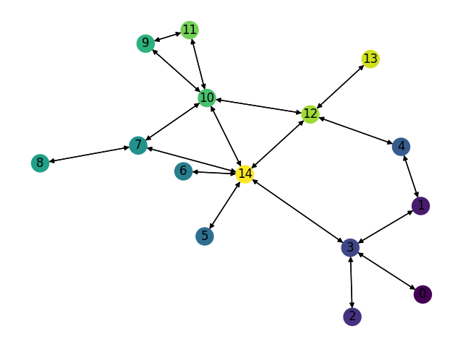
Number of Nodes | Number of links | Smart node set |  | Training Set: |  |  | Test Set: |  |  | Test Set: |  |  | Test Set: |  | LP Set:
15 | 36 | {3,10,12,14} | Description | Gravity Traffic, 1024 TMs, 30% sparsity |  |  | Gravity Traffic, 1024 TMs, 30% sparsity |  |  | Gravity Traffic, 1024 TMs, 30% sparsity |  |  | Gravity Traffic, 1024 TMs, 30% sparsity |  | Gravity Traffic, 1024 TMs, 30% sparsity
 |  |  | Optimal Expected Congestion | 1.575865799 |  |  | 1.5975 |  |  | 1.5900288164 |  |  | 1.5902498595 |  | 1.5943
 |  |  | Reduce source- destination to destination routing congestion | 2.7644269401 | 75.42% |  | 2.7112 |  | 69.72% | 2.7552018435 |  | 73.28% | 2.753980265 | 73.18%
 |  |  | Oblivious Mean Congestion | 2.0908 | 32.68% |  | 2.1182 |  | 32.59% | 2.105 |  | 32.39% | 2.1087 | 32.60%
 |  |  | Mean Traffic Matrix optimal routing scheme expected congestion | 2.0024 | 27.07% |  | 2.0304 |  | 27.10% | 2.0094 |  | 26.38% | 2.0157 | 26.75%

 |  |  | Smart Nodes Set size | “Smart Nodes” by evaluating all hubs options | Expected Congestion of Test Set 0 |  | Expected Congestion of Test Set 1 |  | Expected Congestion of Test Set 2 |  | LP
 |  |  | "-1 (No optimization, just smart weight init)" | None | 1.8592385391 | 16.38% | 1.8553405631 | 16.69% | 1.8535580876 | 16.56% | 1.8475878989 | 15.89%
 |  |  | 0 just RL | None | 1.8269 | 14.36% | 1.8394 | 15.68% | 1.8344 | 15.35% | 1.8235 | 14.38%
 |  |  | 1 | (14,) 1.77563 | 1.7831 | 11.62% | 1.7855 | 12.29% | 1.7721 | 11.44% | 1.7763 | 11.42%
 |  |  | 2 | (3, 14) 1.7243 | 1.7392 | 8.87% | 1.7428 | 9.61% | 1.7324 | 8.94% | 1.7288 | 8.44%
 |  |  | 3 | (3, 12, 14) 1.68801 | 1.709 | 6.98% | 1.6983 | 6.81% | 1.6957 | 6.63% | 1.6928 | 6.18%
 |  |  | 4 | (3, 10, 12, 14) 1.68054 | 1.6963 | 6.18% | 1.6904 | 6.31% | 1.6857 | 6.00% | 1.6729 | 4.93%

Expected Congestion Vs. Optimal

Claranet_cstm_bimodal1024LP
Number of Nodes | Number of links | Smart node set |  | Training Set: |  |  | Test Set: |  |  | Test Set: |  |  | Test Set: |  | LP Set:
15 | 36 | {3,10,12,14} | Description | Bimodal Traffic, 1024 TMs, 40% sparsity G_1 (5,1) G_2 (0.5,0.1) |  |  | Bimodal Traffic, 1024 TMs, 40% sparsity G_1 (5,1) G_2 (0.5,0.1) |  |  | Bimodal Traffic, 1024 TMs, 40% sparsity G_1 (5,1) G_2 (0.5,0.1) |  |  | Gravity Traffic, 1024 TMs, 30% sparsity Bimodal Traffic, 1024 TMs, 40% sparsity G_1 (5,1) G_2 (0.5,0.1) |  | Bimodal Traffic, 1024 TMs, 40% sparsity G_1 (5,1) G_2 (0.5,0.1)
 |  |  | Optimal Expected Congestion | 1.3919 |  |  | 1.4402 |  |  | 1.4033 |  |  | 1.409 |  | 1.4252
 |  |  | Reduce source- destination to destination routing congestion | 2.1012 | 50.96% |  | 2.1937 |  | 52.32% | 2.1277 |  | 51.62% | 2.0683 | 46.79%
 |  |  | Oblivious Mean Congestion | 1.6252 | 16.76% |  | 1.662 |  | 15.40% | 1.6387 |  | 16.77% | 1.6374 | 16.21%
 |  |  | Mean Traffic Matrix optimal routing scheme expected congestion | 1.7434 | 25.25% |  | 1.7851 |  | 23.95% | 1.7501 |  | 24.71% | 1.7485 | 24.10%

 |  |  | Smart Nodes Set size | “Smart Nodes” by evaluating all hubs options | Expected Congestion of Test Set 0 |  | Expected Congestion of Test Set 1 |  | Expected Congestion of Test Set 2 |  | LP
 |  |  | "-1 (No optimization, just smart weight init)" | None | 1.6226 | 12.66% | 1.6044 | 14.33% | 1.5882 | 12.72% | 1.5931 | 11.78%
 |  |  | 0 just RL | None | 1.6032 | 11.32% | 1.5947 | 13.64% | 1.5731 | 11.65% | 1.5720 | 10.30%
 |  |  | 1 | (3,) 1.54368 | 1.5719 | 9.14% | 1.5788 | 12.51% | 1.5397 | 9.28% | 1.5251 | 7.01%
 |  |  | 2 | (3, 14) 1.52449 | 1.5529 | 7.83% | 1.5373 | 9.55% | 1.5272 | 8.39% | 1.5077 | 5.79%
 |  |  | 3 | (3, 12, 14) 1.49809 | 1.5409 | 6.99% | 1.5051 | 7.25% | 1.5011 | 6.54% | 1.4925 | 4.72%
 |  |  | 4 | (3, 10, 12, 14) 1.49208 | 1.5232 | 5.76% | 1.4870 | 5.96% | 1.4772 | 4.84% | 1.4800 | 3.85%

Expected Congestion Vs. Optimal

T-lex_Gravity_1024LP
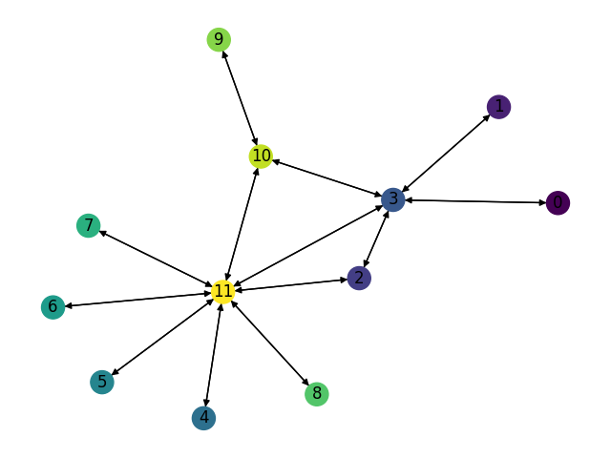
Number of Nodes | Number of links | Smart node set |  | Training Set: |  |  | Test Set: |  |  | Test Set: |  |  | Test Set: |  | LP Set:
12 | 26 | {2,3,10,11} | Description | Gravity Traffic, 1024 TMs, 30% sparsity |  |  | Gravity Traffic, 1024 TMs, 30% sparsity |  |  | Gravity Traffic, 1024 TMs, 30% sparsity |  |  | Gravity Traffic, 1024 TMs, 30% sparsity |  | Gravity Traffic, 1024 TMs, 30% sparsity
 |  |  | Optimal Expected Congestion | 1.1398 |  |  | 1.1405 |  |  | 1.1354 |  |  | 1.1472 |  | 1.129
 |  |  | Reduce source- destination to destination routing congestion | 1.3656 | 19.81% |  | 1.3802 |  | 21.02% | 1.3492 |  | 18.83% | 1.3754 | 19.89%
 |  |  | Oblivious Mean Congestion | 1.2449 | 9.22% |  | 1.2455 |  | 9.21% | 1.2343 |  | 8.71% | 1.2501 | 8.97%
 |  |  | Mean Traffic Matrix optimal routing scheme expected congestion | 1.6634 | 45.94% |  | 1.6489 |  | 44.58% | 1.6713 |  | 47.20% | 1.6698 | 45.55%

 |  |  | Smart Nodes Set size | “Smart Nodes” by evaluating all hubs options | Expected Congestion of Test Set 0 |  | Expected Congestion of Test Set 1 |  | Expected Congestion of Test Set 2 |  | LP
 |  |  | "-1 (No optimization, just smart weight init)" | None | 1.3714 | 20.24% | 1.358 | 19.61% | 1.370 | 19.46% | 1.3573917718 | 20.23%
 |  |  | 0 just RL | None | 1.3212 | 15.84% | 1.3202 | 16.28% | 1.3093 | 14.13% | 1.3158 | 16.55%
 |  |  | 1 | (3,) 1.25128 | 1.2866 | 12.81% | 1.2457 | 9.71% | 1.2537 | 9.28% | 1.2395 | 9.79%
 |  |  | 2 | (3, 11) 1.1967 | 1.2121 | 6.28% | 1.198 | 5.51% | 1.215 | 5.91% | 1.1889 | 5.31%
 |  |  | 3 | (3, 10, 11) 1.1577 | 1.1682 | 2.43% | 1.172 | 3.22% | 1.1788 | 2.75% | 1.1495 | 1.82%
 |  |  | 4 | (2, 3, 10, 11) 1.12889 | 1.1411 | 0.05% | 1.1434 | 0.70% | 1.1585 | 0.99% | 1.131 | 0.18%

Expected Congestion Vs. Optimal
 | Test Set 0 | Test Set 1 | Test Set 2 | LP
"-1 (No optimization, just smart weight init)" | 20.24% | 19.61% | 19.46% | 20.23%
0 just RL | 15.84% | 16.28% | 14.13% | 16.55%
1 | 12.81% | 9.71% | 9.28% | 9.79%
2 | 6.28% | 5.51% | 5.91% | 5.31%
3 | 2.43% | 3.22% | 2.75% | 1.82%
4 | 0.05% | 0.70% | 0.99% | 0.18%

