China_Telecom_gravity_1024LP
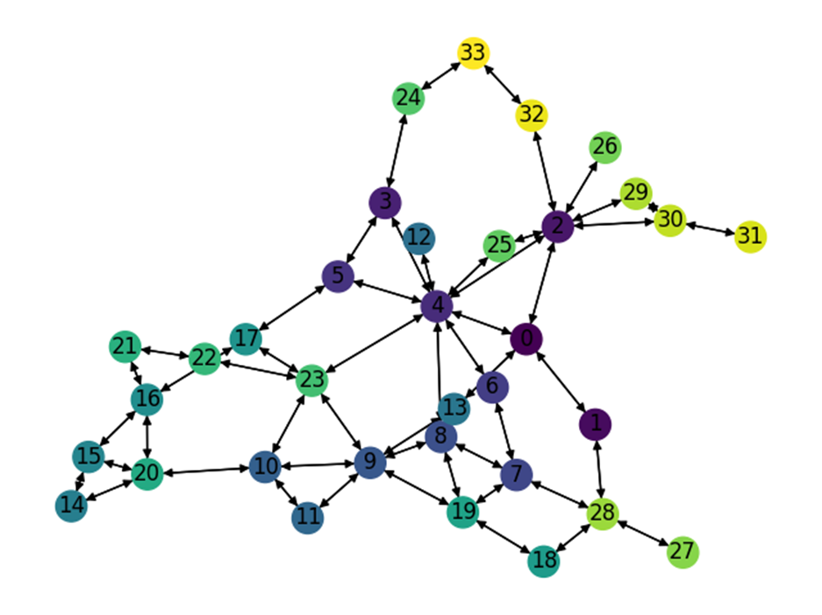
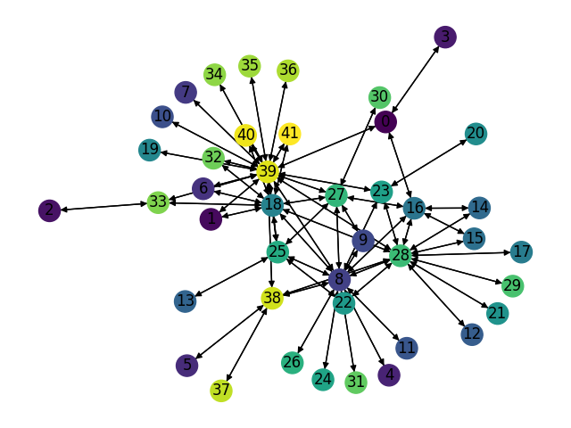
Number of Nodes | Number of links | Smart node set |  | Training Set: |  |  | Test Set: |  |  | Test Set: |  |  | Test Set: |  | LP Set:
42 | 132 | {8, 18, 27, 28, 39} | Description | Gravity Traffic, 1024 TMs, 30% sparsity |  |  | Gravity Traffic, 1024 TMs, 30% sparsity |  |  | Gravity Traffic, 1024 TMs, 30% sparsity |  |  | Gravity Traffic, 1024 TMs, 30% sparsity |  | Gravity Traffic, 1024 TMs, 30% sparsity
 |  |  | Optimal Expected Congestion | 1.4017 |  |  | 1.4092 |  |  | 1.4108 |  |  | 1.405 |  | 1.4017
 |  |  | Reduce source- destination to destination routing congestion | 6.8306 | 387.31% |  | 7.6843 |  | 445.30% | 7.6826 |  | 444.56% | 7.1189 | 406.76% | 6.9219 | 393.82%
 |  |  | Oblivious Mean Congestion | 2.1462 | 53.11% |  | 2.1529 |  | 52.77% | 2.153 |  | 52.61% | 2.1425 | 52.51% | 2.1358 | 52.37%
 |  |  | Mean Traffic Matrix optimal routing scheme expected congestion | 2.29 | 63.37% |  | 2.2345 |  | 58.57% | 2.23 |  | 58.07% | 2.3261 | 65.58% | 2.1919 | 56.37%

 |  |  | Smart Nodes Set size | “Smart Nodes” by evaluating all hubs options | Expected Congestion of Test Set 0 |  | Expected Congestion of Test Set 1 |  | Expected Congestion of Test Set 2 |  | LP
 |  |  | "-1 (No optimization, just smart weight init)" | None | 2.032 | 44.20% | 2.026 | 43.61% | 2.0285 | 44.40% | 2.0163 | 43.85%
 |  |  | 0 just RL | None | 1.7542 | 24.48% | 1.7684 | 25.35% | 1.7688 | 25.91% | 1.7562 | 25.29%
 |  |  | 1 | (28,)1.7077 | 1.7319 | 22.90% | 1.7305 | 22.66% | 1.7276 | 22.98% | 1.718 | 22.57%
 |  |  | 2 | (28, 39) 1.643 | 1.6716 | 18.62% | 1.696 | 20.22% | 1.6801 | 19.60% | 1.643 | 17.21%
 |  |  | 3 | (8, 28, 39) 1.584 | 1.6399 | 16.37% | 1.6496 | 16.93% | 1.6347 | 16.37% | 1.5871 | 13.23%
 |  |  | 4 | (8, 18, 28, 39)1.541 | 1.6126 | 14.43% | 1.6074 | 13.94% | 1.6032 | 14.12% | 1.5431 | 10.09%
 |  |  | 5 | (8, 18, 27, 28, 39)1.507 | 1.5899 | 12.82% | 1.5878 | 12.55% | 1.5807 | 12.52% | 1.5183 | 8.32%

Expected Congestion Vs. Optimal

China_Tele_cstm_bimodal_ 4096LP
Number of Nodes | Number of links | Smart node set |  | Training Set: |  |  | Test Set: |  |  | Test Set: |  |  | Test Set: |  | LP Set:
42 | 132 | {8, 18, 27, 28, 39} | Description | Bimodal Traffic, 1024 TMs, 30% sparsity G_1 (2.0,0.2) G_2 (0.2,0.02) |  |  | Bimodal Traffic, 1024 TMs, 30% sparsity G_1 (2.0,0.2) G_2 (0.2,0.02) |  |  | Bimodal Traffic, 1024 TMs, 30% sparsity G_1 (2.0,0.2) G_2 (0.2,0.02) |  |  | Bimodal Traffic, 1024 TMs, 30% sparsity G_1 (2.0,0.2) G_2 (0.2,0.02) |  | Bimodal Traffic, 4096 TMs, 30% sparsity G_1 (2.0,0.2) G_2 (0.2,0.02)
 |  |  | Optimal Expected Congestion | 1.7001 |  |  | 1.7063 |  |  | 1.6840 |  |  | 1.6809 |  | 1.6888
 |  |  | Reduce source- destination to destination routing congestion | 2.7684 | 62.84% |  | 2.6797 |  | 57.05% | 3.0984 |  | 83.99% | 2.6519 | 57.76% | 1.7438 | 3.26%
 |  |  | Oblivious Mean Congestion | 1.7002 | 0.01% |  | 1.7070 |  | 0.04% | 1.6850 |  | 0.06% | 1.6815 | 0.03% | 1.6898 | 0.06%
 |  |  | Mean Traffic Matrix optimal routing scheme expected congestion | 1.9125 | 12.49% |  | 1.8948 |  | 11.05% | 1.8819 |  | 11.75% | 1.9047 | 13.31% | 1.9218 | 13.80%

 |  |  | Smart Nodes Set size | “Smart Nodes” by evaluating all hubs options | Expected Congestion of Test Set 0 |  | Expected Congestion of Test Set 1 |  | Expected Congestion of Test Set 2 |  | LP
 |  |  | "-1 (No optimization, just smart weight init)" | None | 1.7292 | 1.34% | 1.7032 | 1.14% | 1.7051 | 1.44% | 1.71272 | 1.42%
 |  |  | 0 just RL | None | 1.7170 | 0.63% | 1.6903 | 0.37% | 1.6924 | 0.68% | 1.70015 | 0.67%
 |  |  | 1 | (39,) 1.69309 | 1.7111 | 0.28% | 1.6870 | 0.18% | 1.6831 | 0.13% | 1.69300 | 0.25%
 |  |  | 2 | (39, 28) 1.6942 | 1.7086 | 0.14% | 1.6846 | 0.03% | 1.6820 | 0.06% | 1.69120 | 0.14%
 |  |  | 3 | (8, 39, 28) 1.69172 | 1.7064 | 0.01% | 1.6943 | 0.61% | 1.6862 | 0.31% | 1.69100 | 0.13%
 |  |  | 4 | (8, 39, 27, 28) 1.69152 | 1.7147 | 0.49% | 1.6913 | 0.43% | 1.6876 | 0.40% | 1.69043 | 0.10%
 |  |  | 5 | (8, 18, 27, 28, 39)1.69149 | 1.7166 | 0.60% | 1.6934 | 0.56% | 1.6848 | 0.23% | 1.68897 | 0.01%

Expected Congestion Vs. Optimal

China_Tele_cstm_bimodal_ 1024LP
Number of Nodes | Number of links | Smart node set |  | Training Set: |  |  | Test Set: |  |  | Test Set: |  |  | Test Set: |  | LP Set:
42 | 132 | {8, 18, 27, 28, 39} | Description | Bimodal Traffic, 1024 TMs, 30% sparsity G_1 (2.0,0.2) G_2 (0.2,0.02) |  |  | Bimodal Traffic, 1024 TMs, 30% sparsity G_1 (2.0,0.2) G_2 (0.2,0.02) |  |  | Bimodal Traffic, 1024 TMs, 30% sparsity G_1 (2.0,0.2) G_2 (0.2,0.02) |  |  | Bimodal Traffic, 1024 TMs, 30% sparsity G_1 (2.0,0.2) G_2 (0.2,0.02) |  | Bimodal Traffic, 1024 TMs, 30% sparsity G_1 (2.0,0.2) G_2 (0.2,0.02)
 |  |  | Optimal Expected Congestion | 1.7001 |  |  | 1.7063 |  |  | 1.684 |  |  | 1.681 |  | 1.6769
 |  |  | Reduce source- destination to destination routing congestion | 2.7684 | 62.84% |  | 2.6797 |  | 57.05% | 3.0984 |  | 83.99% | 2.6519 | 57.77% | 2.9621 | 76.64%
 |  |  | Oblivious Mean Congestion | 1.7002 | 0.01% |  | 1.707 |  | 0.04% | 1.685 |  | 0.06% | 1.6815 | 0.04% | 1.6783 | 0.08%
 |  |  | Mean Traffic Matrix optimal routing scheme expected congestion | 1.9125 | 12.49% |  | 1.8948 |  | 11.05% | 1.8819 |  | 11.75% | 1.9047 | 13.31% | 1.9202 | 14.51%

 |  |  | Smart Nodes Set size | “Smart Nodes” by evaluating all hubs options | Expected Congestion of Test Set 0 |  | Expected Congestion of Test Set 1 |  | Expected Congestion of Test Set 2 |  | LP
 |  |  | "-1 (No optimization, just smart weight init)" | None | 1.7292 | 1.34% | 1.7032 | 1.14% | 1.7051 | 1.44% | 1.6998612798 | 1.37%
 |  |  | 0 just RL | None | 1.7170 | 0.63% | 1.6903 | 0.37% | 1.6924 | 0.68% | 1.6901 | 0.79%
 |  |  | 1 | (39,) 1.68247 | 1.7105 | 0.25% | 1.6869 | 0.17% | 1.6854 | 0.27% | 1.68095 | 0.24%
 |  |  | 2 | (39, 28) 1.68132 | 1.7285 | 1.30% | 1.6958 | 0.70% | 1.6909 | 0.59% | 1.67895 | 0.12%
 |  |  | 3 | (8, 39, 28) 1.68101 | 1.7506 | 2.60% | 1.7470 | 3.74% | 1.7412 | 3.59% | 1.6789 | 0.12%
 |  |  | 4 | (8, 39, 27, 28) 1.68056 | 1.8191 | 6.61% | 1.7942 | 6.54% | 1.7998 | 7.07% | 1.67775 | 0.05%
 |  |  | 5 | (8, 18, 27, 28, 39 1.68055 | 1.8225 | 6.81% | 1.8116 | 7.58% | 1.8242 | 8.53% | 1.677 | 0.01%

 |  |  |  |  |  |  | 1.6908333333

Expected Congestion Vs. Optimal

GEANT_gravity_2048LP
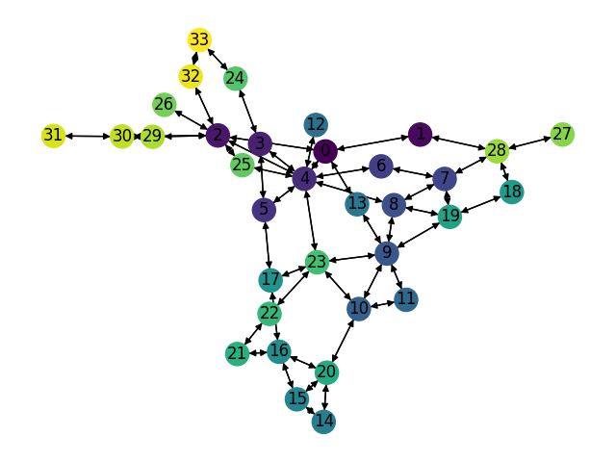
Number of Nodes | Number of links | Smart node set |  | Training Set: |  |  | Test Set: |  |  | Test Set: |  |  | Test Set: |  | LP Set:
34 | 104 | {2,4,9,23} | Description | Gravity Traffic, 1024 TMs, 30% sparsity |  |  | Gravity Traffic, 1024 TMs, 30% sparsity |  |  | Gravity Traffic, 1024 TMs, 30% sparsity |  |  | Gravity Traffic, 1024 TMs, 30% sparsity |  | Gravity Traffic, 2048 TMs, 30% sparsity
 |  |  | Optimal Expected Congestion | 1.7073 |  |  | 1.7031 |  |  | 1.713 |  |  | 1.706 |  | 1.7316
 |  |  | Reduce source- destination to destination routing congestion | 136.6947 | 7906% |  | 132.4935 |  | 7679.6% | 151.2026 |  | 8726.77% | 49.514683497 | 2802.5% | 82.191953899 | 4646.59%
 |  |  | Oblivious Mean Congestion | 2.5397 | 49% |  | 2.5322 |  | 48.7% | 2.5429 |  | 48.45% | 2.5408 | 48.9% |  | -100.00%
 |  |  | Mean Traffic Matrix optimal routing scheme expected congestion | 2.5535 | 50% |  | 2.9328 |  | 72.2% | 2.9143 |  | 70.13% | 2.5128 | 47.3% | 2.9658 | 71.28%

 |  |  | Smart Nodes Set size | “Smart Nodes” by evaluating all hubs options | Expected Congestion of Test Set 0 |  | Expected Congestion of Test Set 1 |  | Expected Congestion of Test Set 2 |  | LP
 |  |  | "-1 (No optimization, just smart weight init)" | None | 2.6912 | 58.02% | 2.731 | 59.43% | 2.6671 | 56.34% | 2.6861 | 55.12%
 |  |  | 0 just RL | None | 1.9369 | 13.73% | 1.9479 | 13.71% | 1.948 | 14.19% | 1.9598 | 13.18%
 |  |  | 1 | (4,) 1.912 | 1.9179 | 12.61% | 1.9254 | 12.40% | 1.9054 | 11.69% | 1.914 | 10.53%
 |  |  | 2 | (4, 23) 1.875 | 1.8807 | 10.43% | 1.8951 | 10.63% | 1.8859 | 10.55% | 1.8766 | 8.37%
 |  |  | 3 | (4, 9, 23) 1.853 | 1.8734 | 10.00% | 1.8806 | 9.78% | 1.8732 | 9.81% | 1.8538 | 7.06%
 |  |  | 4 | (2, 4, 9, 23)1.846 | 1.8679 | 9.68% | 1.8741 | 9.40% | 1.8652 | 9.34% | 1.8504 | 6.86%

 |  |  | (0, 2, 4, 9) 1.87753

Expected Congestion Vs. Optimal

GEANT_gravity_1024LP
Number of Nodes | Number of links | Smart node set |  | Training Set: |  |  | Test Set: |  |  | Test Set: |  |  | Test Set: |  | LP Set:
34 | 104 | {2,4,9,23} | Description | Gravity Traffic, 1024 TMs, 30% sparsity |  |  | Gravity Traffic, 1024 TMs, 30% sparsity |  |  | Gravity Traffic, 1024 TMs, 30% sparsity |  |  | Gravity Traffic, 1024 TMs, 30% sparsity |  | Gravity Traffic, 1024 TMs, 30% sparsity
 |  |  | Optimal Expected Congestion | 1.7073 |  |  | 1.7031 |  |  | 1.713 |  |  | 1.706 |  | 1.7116
 |  |  | Reduce source- destination to destination routing congestion | 136.6947 | 7906% |  | 132.4935 |  | 7679.6% | 151.2026 |  | 8726.77% | 49.514683497 | 2802.5% | 146.5649 | 8463.03%
 |  |  | Oblivious Mean Congestion | 2.5397 | 49% |  | 2.5322 |  | 48.7% | 2.5429 |  | 48.45% | 2.5408 | 48.9% |  | -100.00%
 |  |  | Mean Traffic Matrix optimal routing scheme expected congestion | 2.5535 | 50% |  | 2.9328 |  | 72.2% | 2.9143 |  | 70.13% | 2.5128 | 47.3% | 3.3036 | 93.01%

 |  |  | Smart Nodes Set size | “Smart Nodes” by evaluating all hubs options | Expected Congestion of Test Set 0 |  | Expected Congestion of Test Set 1 |  | Expected Congestion of Test Set 2 |  | LP
 |  |  | "-1 (No optimization, just smart weight init)" | None | 2.6912 | 58.02% | 2.731 | 59.43% | 2.6671 | 56.34% | 2.6861 | 56.94%
 |  |  | 0 just RL | None | 1.9369 | 13.73% | 1.9479 | 13.71% | 1.948 | 14.19% | 1.9527 | 14.09%
 |  |  | 1 | (4,) 1.904 | 1.916 | 12.50% | 1.9268 | 12.48% | 1.9143 | 12.21% | 1.9112 | 11.66%
 |  |  | 2 | (4, 23) 1.87 | 1.8943 | 11.23% | 1.8938 | 10.55% | 1.8992 | 11.33% | 1.8764 | 9.63%
 |  |  | 3 | (4, 9, 23) 1.8446 | 1.8933 | 11.17% | 1.899 | 10.86% | 1.8917 | 10.89% | 1.8634 | 8.87%
 |  |  | 4 | (2, 4, 9, 23) 1.834 | 1.8993 | 11.52% | 1.9074 | 11.35% | 1.8977 | 11.24% | 1.8581 | 8.56%

Expected Congestion Vs. Optimal

GEANT_cstm_bimodal_2048LP
Number of Nodes | Number of links | Smart node set |  | Training Set: |  |  | Test Set: |  |  | Test Set: |  |  | Test Set: |  | LP Set:
34 | 104 | {2,4,9,23} | Description | Bimodal Traffic, 1024 TMs, 40% sparsity G_1 (0.1,0.05) G_2 (0.01,0.005) |  |  | Bimodal Traffic, 1024 TMs, 40% sparsity G_1 (0.1,0.05) G_2 (0.01,0.005) |  |  | Bimodal Traffic, 1024 TMs, 40% sparsity G_1 (0.1,0.05) G_2 (0.01,0.005) |  |  | Bimodal Traffic, 1024 TMs, 40% sparsity G_1 (0.1,0.05) G_2 (0.01,0.005) |  | Bimodal Traffic, 2048 TMs, 40% sparsity G_1 (0.1,0.05) G_2 (0.01,0.005)
 |  |  | Optimal Expected Congestion | 18.9132 |  |  | 18.6160 |  |  | 18.8469 |  |  | 18.7122 |  | 18.6752
 |  |  | Reduce source- destination to destination routing congestion | 21.3182 | 13% |  | 20.9482 |  | 12.5% | 21.1648 |  | 12.30% | 21.0365 | 12.4% | 20.9826 | 12.36%
 |  |  | Oblivious Mean Congestion | 19.1280 | 1% |  | 18.8308 |  | 1.2% | 19.0618 |  | 1.14% | 18.9268 | 1.2% | 18.8892 | 1.15%
 |  |  | Mean Traffic Matrix optimal routing scheme expected congestion | 23.6209 | 25% |  | 23.1494 |  | 24.4% | 23.4576 |  | 24.46% | 23.2380 | 24.2% | 23.3027 | 24.78%

 |  |  | Smart Nodes Set size | “Smart Nodes” by evaluating all hubs options | Expected Congestion of Test Set 0 |  | Expected Congestion of Test Set 1 |  | Expected Congestion of Test Set 2 |  | LP
 |  |  | "-1 (No optimization, just smart weight init)" | None | 22.1329 | 18.89% | 22.4931 | 19.35% | 22.3047 | 19.20% | 22.2668 | 19.23%
 |  |  | 0 just RL | None | 22.1372 | 18.91% | 22.5162 | 19.47% | 22.3447 | 19.41% | 22.2410 | 19.09%
 |  |  | 1 | (13,) 21.5037 | 21.4205 | 15.06% | 21.7379 | 15.34% | 21.5228 | 15.02% | 21.5037 | 15.15%
 |  |  | 2 | (4, 9) 20.804 | 20.7892 | 11.67% | 20.9789 | 11.31% | 20.9049 | 11.72% | 20.8040 | 11.40%
 |  |  | 3 | (4,9,13) 19.8969 | 19.9238 | 7.03% | 20.0938 | 6.62% | 19.9953 | 6.86% | 19.8969 | 6.54%
 |  |  | 4 | (0, 4, 9, 13) 18.6761 | 18.6341 | 0.10% | 18.8617 | 0.08% | 18.7247 | 0.07% | 18.6761 | 0.0048%

Expected Congestion Vs. Optimal

Link {0, 13} is just 45 Mb/s and most of capacities are 10Gb

ScaleFree30Nodes_gravity_1024LP
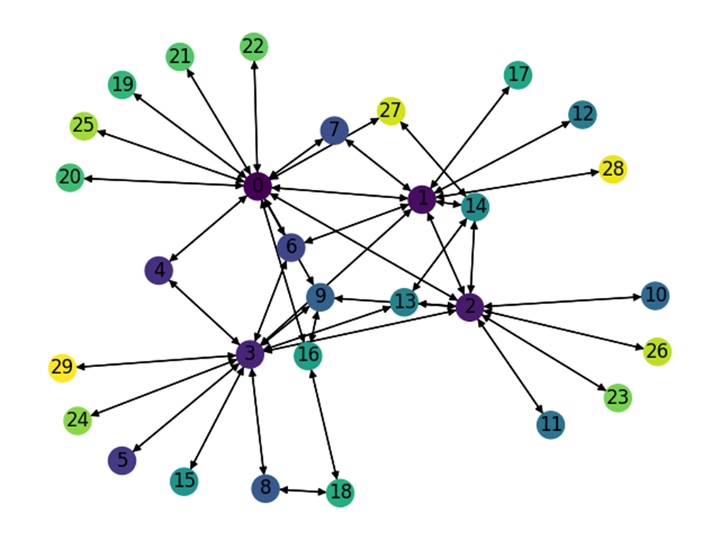
Number of Nodes | Number of links | Smart node set |  | Training Set: |  |  | Test Set: |  |  | Test Set: |  |  | Test Set: |  | LP Set:
30 | 86 | {0,1,2,3} | Description | Gravity Traffic, 1024 TMs, 30% sparsity |  |  | Gravity Traffic, 1024 TMs, 30% sparsity |  |  | Gravity Traffic, 1024 TMs, 30% sparsity |  |  | Gravity Traffic, 1024 TMs, 30% sparsity |  | Gravity Traffic, 1024 TMs, 30% sparsity
 |  |  | Optimal Expected Congestion | 1.3137 |  |  | 1.3108 |  |  | 1.3134 |  |  | 1.3114 |  | 1.3261
 |  |  | Reduce source- destination to destination routing congestion | 1.883 | 43.34% |  | 1.9888 |  | 51.72% | 1.8765 |  | 42.87% | 1.8301 | 39.55% | 1.9192 | 44.73%
 |  |  | Oblivious Mean Congestion | 1.6628 | 26.57% |  | 1.661 |  | 26.72% | 1.6674 |  | 26.95% | 1.6593 | 26.53% | 1.6787 | 26.59%
 |  |  | Mean Traffic Matrix optimal routing scheme expected congestion | 1.707 | 29.94% |  | 1.6947 |  | 29.29% | 1.7579 |  | 33.84% | 1.7424 | 32.87% | 1.6667 | 25.68%

 |  |  | Smart Nodes Set size | “Smart Nodes” by evaluating all hubs options | Expected Congestion of Test Set 0 |  | Expected Congestion of Test Set 1 |  | Expected Congestion of Test Set 2 |  | LP
 |  |  | "-1 (No optimization, just smart weight init)" | None | 1.6334 | 24.61% | 1.6202 | 23.36% | 1.6295 | 24.26% | 1.641 | 23.75%
 |  |  | 0 just RL | None | 1.5123 | 15.37% | 1.5193 | 15.68% | 1.5107 | 15.20% | 1.5098 | 13.85%
 |  |  | 1 | (0,) 1.49 | 1.5014 | 14.54% | 1.4993 | 14.15% | 1.502 | 14.53% | 1.4967 | 12.86%
 |  |  | 2 | (0, 2) 1.462 | 1.4745 | 12.49% | 1.4734 | 12.18% | 1.4752 | 12.49% | 1.4653 | 10.50%
 |  |  | 3 | (0, 2, 3) 1.43 | 1.4462 | 10.33% | 1.4498 | 10.39% | 1.4549 | 10.94% | 1.4409 | 8.66%
 |  |  | 4 | (0, 1, 2, 3) 1.398 | 1.44 | 9.86% | 1.4303 | 8.90% | 1.427 | 8.82% | 1.4093 | 6.27%

Expected Congestion Vs. Optimal

ScaleFree30_cstm_bimodal_4096LP
Number of Nodes | Number of links | Smart node set |  | Training Set: |  |  | Test Set: |  |  | Test Set: |  |  | Test Set: |  | LP Set:
30 | 86 | {0,1,2,3} | Description | Bimodal Traffic, 1024 TMs, 40% sparsity G_1 (5,1) G_2 (1,0.2) |  |  | Bimodal Traffic, 1024 TMs, 40% sparsity G_1 (5,1) G_2 (1,0.2) |  |  | Bimodal Traffic, 1024 TMs, 40% sparsity G_1 (5,1) G_2 (1,0.2) |  |  | Bimodal Traffic, 1024 TMs, 40% sparsity G_1 (5,1) G_2 (1,0.2) |  | Bimodal Traffic,4096 TMs, 40% sparsity G_1 (5,1) G_2 (1,0.2)
 |  |  | Optimal Expected Congestion | 2.1530 |  |  | 2.1661 |  |  | 2.1726 |  |  | 2.1769 |  | 2.1661
 |  |  | Reduce source- destination to destination routing congestion | 2.7635 | 28.36% |  | 2.9442 |  | 35.92% | 2.9425 |  | 35.44% | 3.4914 | 60.38% | 2.2298 | 2.94%
 |  |  | Oblivious Mean Congestion | 2.4928 | 15.78% |  | 2.4995 |  | 15.39% | 2.4897 |  | 14.60% | 2.4943 | 14.58% | 2.4918 | 15.04%
 |  |  | Mean Traffic Matrix optimal routing scheme expected congestion | 2.3236 | 7.92% |  | 2.3371 |  | 7.89% | 2.3441 |  | 7.89% | 2.3585 | 8.34% | 2.3351 | 7.80%

 |  |  | Smart Nodes Set size | “Smart Nodes” by evaluating all hubs options | Expected Congestion of Test Set 0 |  | Expected Congestion of Test Set 1 |  | Expected Congestion of Test Set 2 |  | LP
 |  |  | "-1 (No optimization, just smart weight init)" | None | 2.2432 | 3.56% | 2.2429 | 3.24% | 2.2508 | 3.40% | 2.2382 | 3.33%
 |  |  | 0 just RL | None | 2.2342 | 3.14% | 2.2331 | 2.78% | 2.2427 | 3.02% | 2.2354 | 3.20%
 |  |  | 1 | (3,) 2.22107 | 2.2272 | 2.82% | 2.2302 | 2.65% | 2.2389 | 2.85% | 2.2211 | 2.54%
 |  |  | 2 | (0, 3) 2.20886 | 2.2179 | 2.39% | 2.2262 | 2.47% | 2.2311 | 2.49% | 2.2073 | 1.90%
 |  |  | 3 | (0, 2, 3) 2.19509 | 2.2135 | 2.19% | 2.2213 | 2.24% | 2.2286 | 2.37% | 2.1956 | 1.36%
 |  |  | 4 | (0, 1, 2, 3) 2.18557 | 2.2084 | 1.95% | 2.2156 | 1.98% | 2.2199 | 1.98% | 2.1853 | 0.89%

Expected Congestion Vs. Optimal

GoodNet_Gravity_1024LP
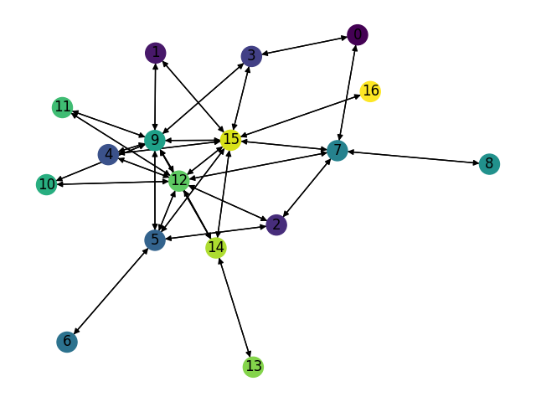
Number of Nodes | Number of links | Smart node set |  | Training Set: |  |  | Test Set: |  |  | Test Set: |  |  | Test Set: |  | LP Set:
17 | 62 | {5,7,9,12,15} | Description | Gravity Traffic, 1024 TMs, 30% sparsity |  |  | Gravity Traffic, 1024 TMs, 30% sparsity |  |  | Gravity Traffic, 1024 TMs, 30% sparsity |  |  | Gravity Traffic, 1024 TMs, 30% sparsity |  | Gravity Traffic, 1024 TMs, 30% sparsity
 |  |  | Optimal Expected Congestion | 1.0495 |  |  | 1.0496 |  |  | 1.0473 |  |  | 1.0501 |  | 1.0532
 |  |  | Reduce source- destination to destination routing congestion | 1.2936 | 23.26% |  | 1.3237 |  | 26.11% | 1.2976 |  | 23.90% | 1.2619 | 20.17% | 1.3215280928 | 25.48%
 |  |  | Oblivious Mean Congestion | 1.2488 | 18.99% |  | 1.2505 |  | 19.14% | 1.2482 |  | 19.18% | 1.2525 | 19.27% | 1.2525 | 18.92%
 |  |  | Mean Traffic Matrix optimal routing scheme expected congestion | 1.4819 | 41.20% |  | 1.5116 |  | 44.02% | 1.4991 |  | 43.14% | 1.4861 | 41.52% | 1.5157 | 43.91%

 |  |  | Smart Nodes Set size | “Smart Nodes” by evaluating all hubs options | Expected Congestion of Test Set 0 |  | Expected Congestion of Test Set 1 |  | Expected Congestion of Test Set 2 |  | LP
 |  |  | "-1 (No optimization, just smart weight init)" | None | 1.2381 | 17.96% | 1.231 | 17.54% | 1.2423 | 18.30% | 1.2519 | 18.87%
 |  |  | 0 just RL | None | 1.1844 | 12.84% | 1.1823 | 12.89% | 1.1813 | 12.49% | 1.1849 | 12.50%
 |  |  | 1 | (12,) 1.167 | 1.17 | 11.47% | 1.17 | 11.72% | 1.169 | 11.32% | 1.1675 | 10.85%
 |  |  | 2 | (12, 15) 1.1494 | 1.16 | 10.52% | 1.155 | 10.28% | 1.16 | 10.47% | 1.1492 | 9.12%
 |  |  | 3 | (7, 12, 15) 1.133 | 1.154 | 9.95% | 1.145 | 9.33% | 1.15 | 9.51% | 1.1407 | 8.31%
 |  |  | 4 | (5, 9, 12, 15) 1.115 | 1.138 | 8.42% | 1.1347 | 8.35% | 1.1364 | 8.22% | 1.1149 | 5.86%
 |  |  | 5 | (5,7,9,12,15) 1.09425 | 1.12 | 6.71% | 1.122 | 7.13% | 1.127 | 7.32% | 1.0973 | 4.19%

Expected Congestion Vs. Optimal

GoodNet_Bimodal_4096LP
Number of Nodes | Number of links | Smart node set |  | Training Set: |  |  | Test Set: |  |  | Test Set: |  |  | Test Set: |  | LP Set:
17 | 62 | {5,7,9,12,15} | Description | Bimodal Traffic, 1024 TMs, 50% sparsity G_1 ratio 20% G_1 (50,10) G_2 (1,0.2) |  |  | Bimodal Traffic, 1024 TMs, 50% sparsity G_1 ratio 20% G_1 (50,10) G_2 (1,0.2) |  |  | Bimodal Traffic, 1024 TMs, 50% sparsity G_1 ratio 20% G_1 (50,10) G_2 (1,0.2) |  |  | Bimodal Traffic, 1024 TMs, 50% sparsity G_1 ratio 20% G_1 (50,10) G_2 (1,0.2) |  | Bimodal Traffic, 4096 TMs, 50% sparsity G_1 ratio 20% G_1 (50,10) G_2 (1,0.2)
 |  |  | Optimal Expected Congestion | 3.989 |  |  | 4.02 |  |  | 4.017 |  |  | 4.0596 |  | 4.020
 |  |  | Reduce source- destination to destination routing congestion | 4.1283 | 3.51% |  | 4.1663 |  | 3.64% | 4.127 |  | 2.75% | 4.1694 | 2.70% | 4.133 | 2.80%
 |  |  | Oblivious Mean Congestion | 4.1066 | 2.96% |  | 4.1256 |  | 2.63% | 4.1261 |  | 2.73% | 4.1599 | 2.47% | 4.122 | 2.53%
 |  |  | Mean Traffic Matrix optimal routing scheme expected congestion | 4.5655 | 14.47% |  | 4.5661 |  | 13.58% | 4.5573 |  | 13.46% | 4.6017 | 13.35% | 4.605 | 14.54%

 |  |  | Smart Nodes Set size | “Smart Nodes” by evaluating all hubs options | Expected Congestion of Test Set 0 |  | Expected Congestion of Test Set 1 |  | Expected Congestion of Test Set 2 |  | LP
 |  |  | "-1 (No optimization, just smart weight init)" | None | 4.142 | 3.04% | 4.135 | 2.96% | 4.172 | 2.77% | 4.139 | 2.96%
 |  |  | 0 just RL | None | 4.120 | 2.49% | 4.119 | 2.54% | 4.165 | 2.59% | 4.128 | 2.68%
 |  |  | 1 | (12,) 4.12622 | 4.1036 | 2.08% | 4.1147 | 2.44% | 4.14 | 1.98% | 4.127 | 2.65%
 |  |  | 2 | (12, 15) 4.10813 | 4.1008 | 2.01% | 4.1034 | 2.16% | 4.1353 | 1.86% | 4.1046 | 2.09%
 |  |  | 3 | (9, 12, 15) 4.09865 | 4.08515 | 1.62% | 4.0891 | 1.81% | 4.1097 | 1.23% | 4.09 | 1.73%
 |  |  | 4 | (7, 9, 12, 15) 4.07875 | 4.081 | 1.52% | 4.0631 | 1.16% | 4.08785 | 0.70% | 4.0765 | 1.39%
 |  |  | 5 | (5, 7, 9, 12, 15) 4.0726 | 4.0629 | 1.07% | 4.0589 | 1.05% | 4.0769 | 0.43% | 4.0508 | 0.75%

Expected Congestion Vs. Optimal

GoodNet_cstm_Bimodal_1024LP_2
Number of Nodes | Number of links | Smart node set |  | Training Set: |  |  | Test Set: |  |  | Test Set: |  |  | Test Set: |  | LP Set:
17 | 62 | {5,7,9,12,15} | Description | Custom Bimodal Traffic, 1024 TMs, 40% sparsity G_1 (30,5) G_2 (4,1) |  |  | Custom Bimodal Traffic, 1024 TMs, 40% sparsity G_1 (30,5) G_2 (4,1) |  |  | Custom Bimodal Traffic, 1024 TMs, 40% sparsity G_1 (30,5) G_2 (4,1) |  |  | Custom Bimodal Traffic, 1024 TMs, 40% sparsity G_1 (30,5) G_2 (4,1) |  | Custom Bimodal Traffic, 1024 TMs, 40% sparsity G_1 (30,5) G_2 (4,1)
 |  |  | Optimal Expected Congestion | 1.360 |  |  | 1.365 |  |  | 1.3514 |  |  | 1.3651 |  | 1.3536
 |  |  | Reduce source- destination to destination routing congestion | 1.4526 | 6.84% |  | 1.4593 |  | 6.91% | 1.4406 |  | 6.60% | 1.4595 | 6.92% | 1.4542 | 7.43%
 |  |  | Oblivious Mean Congestion | 1.4184 | 4.32% |  | 1.4262 |  | 4.48% | 1.4086 |  | 4.23% | 1.4274 | 4.56% | 1.4185 | 4.79%
 |  |  | Mean Traffic Matrix optimal routing scheme expected congestion | 1.6437 | 20.90% |  | 1.6247 |  | 19.03% | 1.6136 |  | 19.40% | 1.6562 | 21.32% | 1.6224 | 19.86%

 |  |  | Smart Nodes Set size | “Smart Nodes” by evaluating all hubs options | Expected Congestion of Test Set 0 |  | Expected Congestion of Test Set 1 |  | Expected Congestion of Test Set 2 |  | LP
 |  |  | "-1 (No optimization, just smart weight init)" | None | 1.451 | 6.27% | 1.431 | 5.86% | 1.453 | 6.44% | 1.4462 | 6.84%
 |  |  | 0 just RL | None | 1.444 | 5.82% | 1.416 | 4.78% | 1.446 | 5.94% | 1.4466 | 6.87%
 |  |  | 1 | (12,) 1.42948 | 1.4411 | 5.58% | 1.4127 | 4.54% | 1.4295 | 4.72% | 1.425 | 5.30%
 |  |  | 2 | (12, 15) 1.4105 | 1.4228 | 4.23% | 1.4073 | 4.14% | 1.42 | 4.02% | 1.4083 | 4.04%
 |  |  | 3 | (7, 12, 15) 1.39551 | 1.4177 | 3.86% | 1.4015 | 3.71% | 1.4191 | 3.95% | 1.3953 | 3.08%
 |  |  | 4 | (7, 9, 12, 15) 1.38173 | 1.413 | 3.52% | 1.3937 | 3.13% | 1.4163 | 3.75% | 1.3864 | 2.42%
 |  |  | 5 | (5, 7, 9, 12, 15) 1.37686 | 1.3992 | 2.51% | 1.38 | 2.12% | 1.4049 | 2.91% | 1.3791 | 1.88%

Expected Congestion Vs. Optimal

GoodNet_cstm_Bimodal_4096LP
Number of Nodes | Number of links | Smart node set |  | Training Set: |  |  | Test Set: |  |  | Test Set: |  |  | Test Set: |  | LP Set:
17 | 62 | {5,7,9,12,15} | Description | Custom Bimodal Traffic, 1024 TMs, 50% sparsity G_1 (50,10) G_2 (1,0.2) |  |  | Custom Bimodal Traffic, 1024 TMs, 50% sparsity G_1 (50,10) G_2 (1,0.2) |  |  | Custom Bimodal Traffic, 1024 TMs, 50% sparsity G_1 (50,10) G_2 (1,0.2) |  |  | Custom Bimodal Traffic, 1024 TMs, 50% sparsity G_1 (50,10) G_2 (1,0.2) |  | Custom Bimodal Traffic, 1024 TMs, 50% sparsity G_1 (50,10) G_2 (1,0.2)
 |  |  | Optimal Expected Congestion | 1.743 |  |  | 1.7569 |  |  | 1.719 |  |  | 1.7482 |  | 1.762348726
 |  |  | Reduce source- destination to destination routing congestion | 1.9647 | 12.73% |  | 1.9716 |  | 12.22% | 1.9384 |  | 12.76% | 1.957 | 11.94% | 1.9788682863 | 12.29%
 |  |  | Oblivious Mean Congestion | 1.8277 | 4.87% |  | 1.8435 |  | 4.93% | 1.8077 |  | 5.16% | 1.8425 | 5.39% | 1.8341 | 4.07%
 |  |  | Mean Traffic Matrix optimal routing scheme expected congestion | 2.3231 | 33.30% |  | 2.3215 |  | 32.14% | 2.3069 |  | 34.20% | 2.3316 | 33.37% | 2.325 | 31.93%

 |  |  | Smart Nodes Set size | “Smart Nodes” by evaluating all hubs options | Expected Congestion of Test Set 0 |  | Expected Congestion of Test Set 1 |  | Expected Congestion of Test Set 2 |  | LP
 |  |  | "-1 (No optimization, just smart weight init)" | None | 1.987 | 13.07% | 1.958 | 13.90% | 1.989 | 13.79% | 1.996 | 13.25%
 |  |  | 0 just RL | None | 1.972 | 12.23% | 1.939 | 12.81% | 1.976 | 13.02% | 1.980 | 12.34%
 |  |  | 1 | (12,) 1.95014 | 1.9551 | 11.28% | 1.9085 | 11.02% | 1.9582 | 12.01% | 1.942 | 10.17%
 |  |  | 2 | (12, 15) 1.91806 | 1.9248 | 9.56% | 1.8884 | 9.85% | 1.9236 | 10.03% | 1.9124 | 8.51%
 |  |  | 3 | (9, 12, 15) 1.87841 | 1.9041 | 8.38% | 1.8553 | 7.93% | 1.8946 | 8.37% | 1.8838 | 6.89%
 |  |  | 4 | (7, 9, 12, 15) 1.84918 | 1.8749 | 6.72% | 1.8345 | 6.72% | 1.86935 | 6.93% | 1.8476 | 4.84%
 |  |  | 5 | (5, 7, 9, 12, 15) 1.82899 | 1.84 | 4.73% | 1.8052 | 5.01% | 1.8341 | 4.91% | 1.8231 | 3.45%

Expected Congestion Vs. Optimal

GoodNet_cstm_Bimodal_1024LP
Number of Nodes | Number of links | Smart node set |  | Training Set: |  |  | Test Set: |  |  | Test Set: |  |  | Test Set: |  | LP Set:
17 | 62 | {5,7,9,12,15} | Description | Custom Bimodal Traffic, 1024 TMs, 50% sparsity G_1 (50,10) G_2 (1,0.2) |  |  | Custom Bimodal Traffic, 1024 TMs, 50% sparsity G_1 (50,10) G_2 (1,0.2) |  |  | Custom Bimodal Traffic, 1024 TMs, 50% sparsity G_1 (50,10) G_2 (1,0.2) |  |  | Custom Bimodal Traffic, 1024 TMs, 50% sparsity G_1 (50,10) G_2 (1,0.2) |  | Custom Bimodal Traffic, 1024 TMs, 50% sparsity G_1 (50,10) G_2 (1,0.2)
 |  |  | Optimal Expected Congestion | 1.743 |  |  | 1.7569 |  |  | 1.719 |  |  | 1.7482 |  | 1.7783
 |  |  | Reduce source- destination to destination routing congestion | 1.9647 | 12.73% |  | 1.9716 |  | 12.22% | 1.9384 |  | 12.76% | 1.957 | 11.94% | 1.9925 | 12.05%
 |  |  | Oblivious Mean Congestion | 1.8277 | 4.87% |  | 1.8435 |  | 4.93% | 1.8077 |  | 5.16% | 1.8425 | 5.39% | 1.8605 | 4.62%
 |  |  | Mean Traffic Matrix optimal routing scheme expected congestion | 2.3231 | 33.30% |  | 2.3215 |  | 32.14% | 2.3069 |  | 34.20% | 2.3316 | 33.37% | 2.375 | 33.55%

 |  |  | Smart Nodes Set size | “Smart Nodes” by evaluating all hubs options | Expected Congestion of Test Set 0 |  | Expected Congestion of Test Set 1 |  | Expected Congestion of Test Set 2 |  | LP
 |  |  | "-1 (No optimization, just smart weight init)" | None | 1.987 | 13.07% | 1.958 | 13.90% | 1.989 | 13.79% | 2.023 | 13.77%
 |  |  | 0 just RL | None | 1.972 | 12.23% | 1.939 | 12.81% | 1.976 | 13.02% | 2.009 | 12.97%
 |  |  | 1 | (12,) 1.97294 | 1.9637 | 11.77% | 1.9191 | 11.64% | 1.9577 | 11.98% | 1.967 | 10.59%
 |  |  | 2 | (12, 15) 1.93067 | 1.9559 | 11.33% | 1.9056 | 10.86% | 1.9501 | 11.55% | 1.9374 | 8.95%
 |  |  | 3 | (9, 12, 15) 1.88799 | 1.9215 | 9.37% | 1.8657 | 8.53% | 1.9242 | 10.07% | 1.8731 | 5.33%
 |  |  | 4 | (7, 9, 12, 15) 1.85457 | 1.8862 | 7.36% | 1.8498 | 7.61% | 1.9019 | 8.79% | 1.8543 | 4.27%
 |  |  | 5 | (5, 7, 9, 12, 15) 1.84055 | 1.8854 | 7.31% | 1.844 | 7.27% | 1.8723 | 7.10% | 1.8392 | 3.42%

Expected Congestion Vs. Optimal

Claranet_Gravity_1024LP
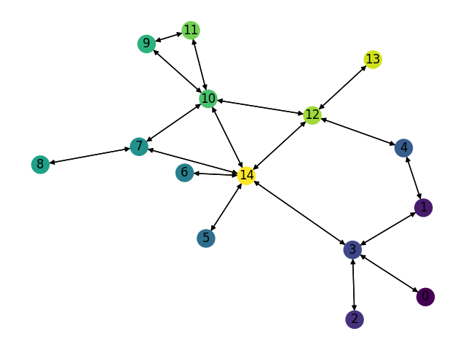
Number of Nodes | Number of links | Smart node set |  | Training Set: |  |  | Test Set: |  |  | Test Set: |  |  | Test Set: |  | LP Set:
15 | 36 | {3,10,12,14} | Description | Gravity Traffic, 1024 TMs, 30% sparsity |  |  | Gravity Traffic, 1024 TMs, 30% sparsity |  |  | Gravity Traffic, 1024 TMs, 30% sparsity |  |  | Gravity Traffic, 1024 TMs, 30% sparsity |  | Gravity Traffic, 1024 TMs, 30% sparsity
 |  |  | Optimal Expected Congestion | 1.575865799 |  |  | 1.5975 |  |  | 1.5900288164 |  |  | 1.5902498595 |  | 1.5943
 |  |  | Reduce source- destination to destination routing congestion | 2.7644269401 | 75.42% |  | 2.7112 |  | 69.72% | 2.7552018435 |  | 73.28% | 2.753980265 | 73.18% | 2.7661 | 73.50%
 |  |  | Oblivious Mean Congestion | 2.0908 | 32.68% |  | 2.1182 |  | 32.59% | 2.105 |  | 32.39% | 2.1087 | 32.60% | 2.1063 | 32.11%
 |  |  | Mean Traffic Matrix optimal routing scheme expected congestion | 2.0024 | 27.07% |  | 2.0304 |  | 27.10% | 2.0094 |  | 26.38% | 2.0157 | 26.75% | 2.0179 | 26.57%

 |  |  | Smart Nodes Set size | “Smart Nodes” by evaluating all hubs options | Expected Congestion of Test Set 0 |  | Expected Congestion of Test Set 1 |  | Expected Congestion of Test Set 2 |  | LP
 |  |  | "-1 (No optimization, just smart weight init)" | None | 1.8592385391 | 16.38% | 1.8553405631 | 16.69% | 1.8535580876 | 16.56% | 1.8475878989 | 15.89%
 |  |  | 0 just RL | None | 1.8269 | 14.36% | 1.8394 | 15.68% | 1.8344 | 15.35% | 1.8235 | 14.38%
 |  |  | 1 | (14,) 1.77563 | 1.7831 | 11.62% | 1.7855 | 12.29% | 1.7721 | 11.44% | 1.7763 | 11.42%
 |  |  | 2 | (3, 14) 1.7243 | 1.7392 | 8.87% | 1.7428 | 9.61% | 1.7324 | 8.94% | 1.7288 | 8.44%
 |  |  | 3 | (3, 12, 14) 1.68801 | 1.709 | 6.98% | 1.6983 | 6.81% | 1.6957 | 6.63% | 1.6928 | 6.18%
 |  |  | 4 | (3, 10, 12, 14) 1.68054 | 1.6963 | 6.18% | 1.6904 | 6.31% | 1.6857 | 6.00% | 1.6729 | 4.93%

Expected Congestion Vs. Optimal

Claranet_bimodal_4096L
Number of Nodes | Number of links | Smart node set |  | Training Set: |  |  | Test Set: |  |  | Test Set: |  |  | Test Set: |  | LP Set:
15 | 36 | {3,10,12,14} | Description | Bimodal Traffic, 1024 TMs, 40% sparsity, G_1 Ratio 20% G_1 (5,1) G_2 (0.5,0.1) |  |  | Bimodal Traffic, 1024 TMs, 40% sparsity, G_1 Ratio 20% G_1 (5,1) G_2 (0.5,0.1) |  |  | Bimodal Traffic, 1024 TMs, 40% sparsity, G_1 Ratio 20% G_1 (5,1) G_2 (0.5,0.1) |  |  | Bimodal Traffic, 1024 TMs, 40% sparsity, G_1 Ratio 20% G_1 (5,1) G_2 (0.5,0.1) |  | Bimodal Traffic, 1024 TMs, 40% sparsity, G_1 Ratio 20% G_1 (5,1) G_2 (0.5,0.1)
 |  |  | Optimal Expected Congestion | 2.5413 |  |  | 2.5485 |  |  | 2.5336 |  |  | 2.5459 |  | 2.5407
 |  |  | Reduce source- destination to destination routing congestion | 2.9329 | 15.41% |  | 3.8805 |  | 52.27% | 2.8788 |  | 13.62% |  | -100.00% | 4.1751 | 64.33%
 |  |  | Oblivious Mean Congestion | 2.927 | 15.18% |  | 2.8975 |  | 13.69% | 2.8922 |  | 14.15% | 2.8894 | 13.49% | 2.9001 | 14.15%
 |  |  | Mean Traffic Matrix optimal routing scheme expected congestion | 3.0572 | 20.30% |  | 3.076 |  | 20.70% | 3.0547 |  | 20.57% | 3.0503 | 19.81% | 3.0446 | 19.83%

 |  |  | Smart Nodes Set size | “Smart Nodes” by evaluating all hubs options | Expected Congestion of Test Set 0 |  | Expected Congestion of Test Set 1 |  | Expected Congestion of Test Set 2 |  | LP
 |  |  | "-1 (No optimization, just smart weight init)" | None | 2.7771 | 8.97% | 2.7798 | 9.72% | 2.7760 | 9.04% | 2.8000 | 10.21%
 |  |  | 0 just RL | None | 2.7461 | 7.75% | 2.7468 | 8.41% | 2.7491 | 7.98% | 2.7299 | 7.45%
 |  |  | 1 | (3,) 2.70483 | 2.7050 | 6.14% | 2.6833 | 5.91% | 2.6986 | 6.00% | 2.7055 | 6.49%
 |  |  | 2 | (3, 14) 2.68502 | 2.6841 | 5.32% | 2.6777 | 5.69% | 2.6697 | 4.86% | 2.6893 | 5.85%
 |  |  | 3 | (3, 12, 14) 2.66095 | 2.6649 | 4.57% | 2.6655 | 5.21% | 2.6631 | 4.60% | 2.6556 | 4.52%
 |  |  | 4 | (3,10,12,14) 2.65634 | 2.6564 | 4.23% | 2.6432 | 4.33% | 2.6532 | 4.21% | 2.6501 | 4.31%

Expected Congestion Vs. Optimal

 |  |  |  |  |  |  |  |  |  |  |  |  |  | `

Claranet_cstm_bimodal_4096LP
Number of Nodes | Number of links | Smart node set |  | Training Set: |  |  | Test Set: |  |  | Test Set: |  |  | Test Set: |  | LP Set:
15 | 36 | {3,10,12,14} | Description | Custom Bimodal Traffic, 1024 TMs, 40% sparsity G_1 (5,1) G_2 (0.5,0.1) |  |  | Custom Bimodal Traffic, 1024 TMs, 40% sparsity G_1 (5,1) G_2 (0.5,0.1) |  |  | Custom Bimodal Traffic, 1024 TMs, 40% sparsity G_1 (5,1) G_2 (0.5,0.1) |  |  | Custom Bimodal Traffic, 1024 TMs, 40% sparsity G_1 (5,1) G_2 (0.5,0.1) |  | Custom Bimodal Traffic, 4096 TMs, 40% sparsity G_1 (5,1) G_2 (0.5,0.1)
 |  |  | Optimal Expected Congestion | 1.3919 |  |  | 1.4402 |  |  | 1.4033 |  |  | 1.409 |  | 1.423
 |  |  | Reduce source- destination to destination routing congestion | 2.1012 | 50.96% |  | 2.1937 |  | 52.32% | 2.1277 |  | 51.62% | 2.0683 | 46.79% | 2.1892 | 53.84%
 |  |  | Oblivious Mean Congestion | 1.6252 | 16.76% |  | 1.662 |  | 15.40% | 1.6387 |  | 16.77% | 1.6374 | 16.21% | 1.6515 | 16.06%
 |  |  | Mean Traffic Matrix optimal routing scheme expected congestion | 1.7434 | 25.25% |  | 1.7851 |  | 23.95% | 1.7501 |  | 24.71% | 1.7485 | 24.10% | 1.7648 | 24.02%

 |  |  | Smart Nodes Set size | “Smart Nodes” by evaluating all hubs options | Expected Congestion of Test Set 0 |  | Expected Congestion of Test Set 1 |  | Expected Congestion of Test Set 2 |  | LP
 |  |  | "-1 (No optimization, just smart weight init)" | None | 1.6226 | 12.66% | 1.6044 | 14.33% | 1.5882 | 12.72% | 1.6036 | 12.69%
 |  |  | 0 just RL | None | 1.6032 | 11.32% | 1.5947 | 13.64% | 1.5731 | 11.65% | 1.5819 | 11.17%
 |  |  | 1 | (3) 1.55529 | 1.5658 | 8.72% | 1.5638 | 11.44% | 1.5529 | 10.21% | 1.5546 | 9.25%
 |  |  | 2 | (3, 14) 1.53689 | 1.5374 | 6.75% | 1.5360 | 9.46% | 1.5256 | 8.27% | 1.5417 | 8.34%
 |  |  | 3 | (3, 12, 14) 1.50812 | 1.5264 | 5.99% | 1.5032 | 7.12% | 1.4942 | 6.04% | 1.5116 | 6.23%
 |  |  | 4 | (3,10,12,14) 1.50241 | 1.5086 | 4.75% | 1.4990 | 6.82% | 1.4890 | 5.68% | 1.4996 | 5.38%

Expected Congestion Vs. Optimal

 |  |  |  |  |  |  |  |  |  |  |  |  |  | `

Claranet_cstm_bimodal_1024LP
Number of Nodes | Number of links | Smart node set |  | Training Set: |  |  | Test Set: |  |  | Test Set: |  |  | Test Set: |  | LP Set
15 | 36 | {3,10,12,14} | Description | Custom Bimodal Traffic, 1024 TMs, 40% sparsity G_1 (5,1) G_2 (0.5,0.1) |  |  | Custom Bimodal Traffic, 1024 TMs, 40% sparsity G_1 (5,1) G_2 (0.5,0.1) |  |  | Custom Bimodal Traffic, 1024 TMs, 40% sparsity G_1 (5,1) G_2 (0.5,0.1) |  |  | Custom Bimodal Traffic, 1024 TMs, 40% sparsity G_1 (5,1) G_2 (0.5,0.1) |  | Custom Bimodal Traffic, 1024 TMs, 40% sparsity G_1 (5,1) G_2 (0.5,0.1)
 |  |  | Optimal Expected Congestion | 1.3919 |  |  | 1.4402 |  |  | 1.4033 |  |  | 1.409 |  | 1.4252
 |  |  | Reduce source- destination to destination routing congestion | 2.1012 | 50.96% |  | 2.1937 |  | 52.32% | 2.1277 |  | 51.62% | 2.0683 | 46.79% | 2.1891 | 53.60%
 |  |  | Oblivious Mean Congestion | 1.6252 | 16.76% |  | 1.662 |  | 15.40% | 1.6387 |  | 16.77% | 1.6374 | 16.21% | 1.6594 | 16.43%
 |  |  | Mean Traffic Matrix optimal routing scheme expected congestion | 1.7434 | 25.25% |  | 1.7851 |  | 23.95% | 1.7501 |  | 24.71% | 1.7485 | 24.10% | 1.7552 | 23.15%

 |  |  | Smart Nodes Set size | “Smart Nodes” by evaluating all hubs options | Expected Congestion of Test Set 0 |  | Expected Congestion of Test Set 1 |  | Expected Congestion of Test Set 2 |  | LP
 |  |  | "-1 (No optimization, just smart weight init)" | None | 1.6226 | 12.66% | 1.6044 | 14.33% | 1.5882 | 12.72% | 1.5931 | 11.78%
 |  |  | 0 just RL | None | 1.6032 | 11.32% | 1.5947 | 13.64% | 1.5731 | 11.65% | 1.5720 | 10.30%
 |  |  | 1 | (3,) 1.54368 | 1.5719 | 9.14% | 1.5788 | 12.51% | 1.5397 | 9.28% | 1.5251 | 7.01%
 |  |  | 2 | (3, 14) 1.52449 | 1.5529 | 7.83% | 1.5373 | 9.55% | 1.5272 | 8.39% | 1.5077 | 5.79%
 |  |  | 3 | (3, 12, 14) 1.49809 | 1.5409 | 6.99% | 1.5051 | 7.25% | 1.5011 | 6.54% | 1.4925 | 4.72%
 |  |  | 4 | (3, 10, 12, 14) 1.49208 | 1.5232 | 5.76% | 1.4870 | 5.96% | 1.4772 | 4.84% | 1.4800 | 3.85%

Expected Congestion Vs. Optimal

 |  |  | `

T-lex_Gravity_1024LP
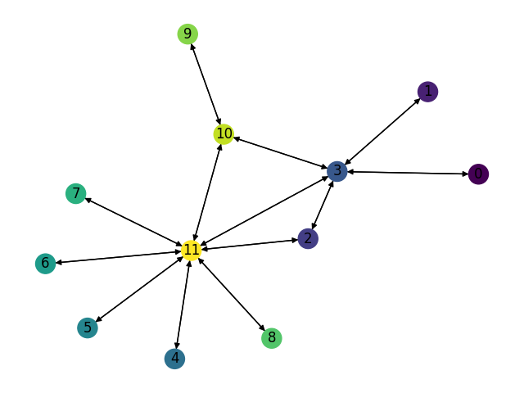
Number of Nodes | Number of links | Smart node set |  | Training Set: |  |  | Test Set: |  |  | Test Set: |  |  | Test Set: |  | LP Set:
12 | 26 | {2,3,10,11} | Description | Gravity Traffic, 1024 TMs, 30% sparsity |  |  | Gravity Traffic, 1024 TMs, 30% sparsity |  |  | Gravity Traffic, 1024 TMs, 30% sparsity |  |  | Gravity Traffic, 1024 TMs, 30% sparsity |  | Gravity Traffic, 1024 TMs, 30% sparsity
 |  |  | Optimal Expected Congestion | 1.1398 |  |  | 1.1405 |  |  | 1.1354 |  |  | 1.1472 |  | 1.129
 |  |  | Reduce source- destination to destination routing congestion | 1.3656 | 19.81% |  | 1.3802 |  | 21.02% | 1.3492 |  | 18.83% | 1.3754 | 19.89% | 1.3618 | 20.62%
 |  |  | Oblivious Mean Congestion | 1.2449 | 9.22% |  | 1.2455 |  | 9.21% | 1.2343 |  | 8.71% | 1.2501 | 8.97% | 1.2328 | 9.19%
 |  |  | Mean Traffic Matrix optimal routing scheme expected congestion | 1.6634 | 45.94% |  | 1.6489 |  | 44.58% | 1.6713 |  | 47.20% | 1.6698 | 45.55% | 1.6668 | 47.64%

 |  |  | Smart Nodes Set size | “Smart Nodes” by evaluating all hubs options | Expected Congestion of Test Set 0 |  | Expected Congestion of Test Set 1 |  | Expected Congestion of Test Set 2 |  | LP
 |  |  | "-1 (No optimization, just smart weight init)" | None | 1.3714 | 20.24% | 1.358 | 19.61% | 1.370 | 19.46% | 1.3573917718 | 20.23%
 |  |  | 0 just RL | None | 1.3212 | 15.84% | 1.3202 | 16.28% | 1.3093 | 14.13% | 1.3158 | 16.55%
 |  |  | 1 | (3,) 1.25128 | 1.2866 | 12.81% | 1.2457 | 9.71% | 1.2537 | 9.28% | 1.2395 | 9.79%
 |  |  | 2 | (3, 11) 1.1967 | 1.2121 | 6.28% | 1.198 | 5.51% | 1.215 | 5.91% | 1.1889 | 5.31%
 |  |  | 3 | (3, 10, 11) 1.1577 | 1.1682 | 2.43% | 1.172 | 3.22% | 1.1788 | 2.75% | 1.1495 | 1.82%
 |  |  | 4 | (2, 3, 10, 11) 1.12889 | 1.1411 | 0.05% | 1.1434 | 0.70% | 1.1585 | 0.99% | 1.131 | 0.18%

Expected Congestion Vs. Optimal

