Claranet
Traffic | Sparsity | Properties |  |  |  |  |  |  |  |  |  |  |  |  |  |  |  |  |  |  |  |  | Number of Nodes | Number of links | Smart node set
Custom Bimodal | 40% | G_1 (5,1) G_2 (0.5,0.1) |  |  |  |  |  |  |  |  |  |  |  |  |  |  |  |  |  |  |  |  | 15 | 36 | {3,10,12,14}

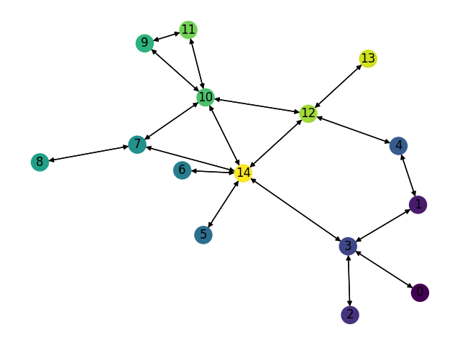
Name | Number of TMs | Optimal Expected Congestion | Reduce source- destination to destination routing congestion | Reduced Vs. Optimal | Oblivious Routing Expected Congestion Congestion | Oblivious Routing Vs. Optimal | Mean TM optimal routing scheme expected congestion | Mean TM Vs. Optimal | No optimization, smart weight heuristic initialization | weight heuristic initialization Vs. Optimal | First RL Phase | First RL Phase Vs. Optimal | 1 Smart Node (3,) 1.54368 | 1 Smart Node Vs. Optimal | 2 Smart Node (3, 14) 1.52449 | 2 Smart Node Vs. Optimal | 3 Smart Node (3, 12, 14) 1.49809 | 3 Smart Node Vs. Optimal | 4 Smart Node (3, 10, 12, 14) 1.49208 | 4 Smart Node Vs. Optimal | Naïve RL | Naïve RL Vs. Optimal
RL Training Set | 1024 | 1.3918 | 1.5931 | 14.464% | 1.6252 | 16.767% | 1.7434 | 25.259% | 1.5782 | 13.392% | 1.5464 | 11.105% | 1.5234 | 9.453% | 1.5041 | 8.066% | 1.4875 | 6.873% | 1.4688 | 5.530% | 1.6101 | 15.68%
LP Training Set | 1024 | 1.4251 | 1.6341 | 14.663% | 1.6594 | 16.441% | 1.7552 | 23.163% | 1.5931 | 11.787% | 1.5720 | 10.308% | 1.5251 | 7.017% | 1.5077 | 5.796% | 1.4925 | 4.729% | 1.4800 | 3.852% | 1.6269 | 14.16%
Test_0 | 1024 | 1.4402 | 1.6511 | 14.648% | 1.6620 | 15.403% | 1.7851 | 23.951% | 1.6226 | 12.664% | 1.6032 | 11.320% | 1.5719 | 9.147% | 1.5529 | 7.828% | 1.5409 | 6.994% | 1.5232 | 5.765% | 1.6624 | 15.43%
Test_1 | 1024 | 1.4033 | 1.6240 | 15.731% | 1.6387 | 16.779% | 1.7501 | 24.718% | 1.6044 | 14.334% | 1.5947 | 13.643% | 1.5788 | 12.510% | 1.5373 | 9.553% | 1.5051 | 7.258% | 1.4870 | 5.968% | 1.6612 | 18.38%
Test_2 | 1024 | 1.4089 | 1.6259 | 15.401% | 1.6374 | 16.216% | 1.7485 | 24.102% | 1.5882 | 12.727% | 1.5731 | 11.653% | 1.5397 | 9.282% | 1.5272 | 8.395% | 1.5011 | 6.542% | 1.4772 | 4.846% | 1.6444 | 16.71%
Test_3 | 1024 | 1.3908 | 1.6309 | 17.263% | 1.6219 | 16.616% | 1.7353 | 24.770% | 1.5715 | 12.990% | 1.5488 | 11.360% | 1.5269 | 9.786% | 1.5137 | 8.837% | 1.4809 | 6.478% | 1.4634 | 5.220% | 1.6073 | 15.57%
Test_4 | 1024 | 1.3988 | 1.6199 | 15.806% | 1.6251 | 16.178% | 1.7341 | 23.971% | 1.5818 | 13.081% | 1.5681 | 12.103% | 1.5292 | 9.322% | 1.5167 | 8.429% | 1.4851 | 6.170% | 1.4778 | 5.648% | 1.6392 | 17.19%
 |  |  |  |  |  | 16.343% |  | 24.276%

Expected Congestion Vs. Optimal
 | RL Training Set | LP Training Set | Test_0 | Test_1 | Test_2 | Test_3 | Test_4
weight heuristic initialization Vs. Optimal | 13.392% | 11.787% | 12.664% | 14.334% | 12.727% | 12.990% | 13.081%
First RL Phase Vs. Optimal | 11.105% | 10.308% | 11.320% | 13.643% | 11.653% | 11.360% | 12.103%
1 Smart Node Vs. Optimal | 9.453% | 7.017% | 9.147% | 12.510% | 9.282% | 9.786% | 9.322%
2 Smart Node Vs. Optimal | 8.066% | 5.796% | 7.828% | 9.553% | 8.395% | 8.837% | 8.429%
3 Smart Node Vs. Optimal | 6.873% | 4.729% | 6.994% | 7.258% | 6.542% | 6.478% | 6.170%
4 Smart Node Vs. Optimal | 5.530% | 3.852% | 5.765% | 5.968% | 4.846% | 5.220% | 5.648%

Traffic | Sparsity | Properties
Custom Bimodal | 40% | G_1 (5,1) G_2 (0.5,0.1)

Name | Number of TMs | Optimal Expected Congestion | Reduce source- destination to destination routing congestion | Reduced Vs. Optimal | Oblivious Routing Expected Congestion Congestion | Oblivious Routing Vs. Optimal | Mean TM optimal routing scheme expected congestion | Mean TM Vs. Optimal | No optimization, smart weight heuristic initialization | weight heuristic initialization Vs. Optimal | First RL Phase | First RL Phase Vs. Optimal | 1 Smart Node (3) 1.55529 | 1 Smart Node Vs. Optimal | 2 Smart Node (3, 14) 1.53689 | 2 Smart Node Vs. Optimal | 3 Smart Node (3, 12, 14) 1.50812 | 3 Smart Node Vs. Optimal | 4 Smart Node (3,10,12,14) 1.50241 | 4 Smart Node Vs. Optimal | Naïve RL | Naïve RL Vs. Optimal
RL Training Set | 1024 | 1.3918 | 1.5931 | 14.464% | 1.6252 | 16.767% | 1.7434 | 25.259% | 1.5782 | 13.392% | 1.5464 | 11.105% | 1.5238 | 9.481% | 1.5074 | 8.303% | 1.4734 | 5.860% | 1.46735 | 5.426% | 1.6101 | 15.68%
LP Training Set | 4096 | 1.4229 | 1.6385 | 15.146% | 1.6594 | 16.618% | 1.7552 | 23.351% | 1.5931 | 11.957% | 1.5720 | 10.476% | 1.5546 | 9.253% | 1.5417 | 8.346% | 1.5116 | 6.231% | 1.4996 | 5.388% | 1.6305 | 14.59%
Test_0 | 1024 | 1.4402 | 1.6511 | 14.648% | 1.6620 | 15.403% | 1.7851 | 23.951% | 1.6226 | 12.664% | 1.6032 | 11.320% | 1.5658 | 8.723% | 1.5374 | 6.751% | 1.5264 | 5.988% | 1.5086 | 4.752% | 1.6624 | 15.43%
Test_1 | 1024 | 1.4033 | 1.6240 | 15.731% | 1.6387 | 16.779% | 1.7501 | 24.718% | 1.6044 | 14.334% | 1.5947 | 13.643% | 1.5638 | 11.441% | 1.5360 | 9.460% | 1.5032 | 7.119% | 1.4990 | 6.823% | 1.6612 | 18.38%
Test_2 | 1024 | 1.4089 | 1.6259 | 15.401% | 1.6374 | 16.216% | 1.7485 | 24.102% | 1.5882 | 12.727% | 1.5731 | 11.653% | 1.5529 | 10.219% | 1.5256 | 8.278% | 1.4942 | 6.049% | 1.4890 | 5.684% | 1.6444 | 16.71%
Test_3 | 1024 | 1.3908 | 1.6309 | 17.263% | 1.6219 | 16.616% | 1.7353 | 24.770% | 1.5715 | 12.990% | 1.5488 | 11.360% | 1.5230 | 9.505% | 1.5123 | 8.736% | 1.4873 | 6.938% | 1.4784 | 6.299% | 1.6073 | 15.57%
Test_4 | 1024 | 1.3988 | 1.6199 | 15.806% | 1.6251 | 16.178% | 1.7341 | 23.971% | 1.5818 | 13.081% | 1.5681 | 12.103% | 1.5343 | 9.687% | 1.5080 | 7.807% | 1.4976 | 7.063% | 1.4903 | 6.541% | 1.6392 | 17.19%
 |  |  |  |  |  | 16.368% |  | 24.303%

Expected Congestion Vs. Optimal
 | RL Training Set | LP Training Set | Test_0 | Test_1 | Test_2 | Test_3 | Test_4
weight heuristic initialization Vs. Optimal | 13.392% | 11.957% | 12.664% | 14.334% | 12.727% | 12.990% | 13.081%
First RL Phase Vs. Optimal | 11.105% | 10.476% | 11.320% | 13.643% | 11.653% | 11.360% | 12.103%
1 Smart Node Vs. Optimal | 9.481% | 9.253% | 8.723% | 11.441% | 10.219% | 9.505% | 9.687%
2 Smart Node Vs. Optimal | 8.303% | 8.346% | 6.751% | 9.460% | 8.278% | 8.736% | 7.807%
3 Smart Node Vs. Optimal | 5.860% | 6.231% | 5.988% | 7.119% | 6.049% | 6.938% | 7.063%
4 Smart Node Vs. Optimal | 5.426% | 5.388% | 4.752% | 6.823% | 5.684% | 6.299% | 6.541%

Traffic | Sparsity | Properties
Bimodal | 40% | G_1 Ratio 20% G_1 (5,1) G_2 (0.5,0.1)

Name | Number of TMs | Optimal Expected Congestion | Reduce source- destination to destination routing congestion | Reduced Vs. Optimal | Oblivious Routing Expected Congestion Congestion | Oblivious Routing Vs. Optimal | Mean TM optimal routing scheme expected congestion | Mean TM Vs. Optimal | No optimization, smart weight heuristic initialization | weight heuristic initialization Vs. Optimal | First RL Phase | First RL Phase Vs. Optimal | 1 Smart Node (3,) 2.70483 | 1 Smart Node Vs. Optimal | 2 Smart Node (3, 14) 2.68502 | 2 Smart Node Vs. Optimal | 3 Smart Node (3, 12, 14) 2.66095 | 3 Smart Node Vs. Optimal | 4 Smart Node (3,10,12,14) 2.65634 | 4 Smart Node Vs. Optimal | Naïve RL | Naïve RL Vs. Optimal
RL Training Set | 1024 | 2.5413 | 2.866071934 | 12.778% | 2.927 | 15.175% | 3.0572 | 20.299% | 2.7937 | 9.929% | 2.7467 | 8.081% | 2.7123 | 6.727% | 2.6873 | 5.743% | 2.6561 | 4.516% | 2.6513 | 4.327% | 2.8329 | 11.47%
LP Training Set | 4096 | 2.5405 | 2.8817251472 | 13.430% | 2.9001 | 14.154% | 3.0446 | 19.841% | 2.8000 | 10.215% | 2.7299 | 7.454% | 2.7055 | 6.494% | 2.6893 | 5.856% | 2.6556 | 4.530% | 2.6501 | 4.313% | 2.8477 | 12.09%
Test_0 | 1024 | 2.5485 | 2.8456 | 11.659% | 2.8975 | 13.694% | 3.0760 | 20.698% | 2.7771 | 8.970% | 2.7461 | 7.754% | 2.7050 | 6.141% | 2.6841 | 5.319% | 2.6649 | 4.567% | 2.6564 | 4.234% | 2.8493 | 11.80%
Test_1 | 1024 | 2.5336 | 2.8504626979 | 12.505% | 2.8922 | 14.153% | 3.0547 | 20.567% | 2.7798 | 9.715% | 2.7468 | 8.414% | 2.6833 | 5.908% | 2.6777 | 5.687% | 2.6655 | 5.205% | 2.6432 | 4.325% | 2.850 | 12.47%
Test_2 | 1024 | 2.5459 | 2.8549 | 12.138% | 2.8894 | 13.492% | 3.0503 | 19.812% | 2.7760 | 9.037% | 2.7491 | 7.981% | 2.6986 | 5.997% | 2.6697 | 4.862% | 2.6631 | 4.603% | 2.6532 | 4.214% | 2.8256 | 10.99%
Test_3 | 1024 | 2.5304 | 2.8979 | 14.523% | 2.9065 | 14.863% | 3.0568 | 20.803% | 2.7796 | 9.849% | 2.7254 | 7.706% | 2.6960 | 6.544% | 2.6711 | 5.560% | 2.6525 | 4.825% | 2.6362 | 4.181% | 2.8293 | 11.81%
Test_4 | 1024 | 2.5614 | 2.9123 | 13.700% | 2.9048 | 13.407% | 3.0678 | 19.770% | 2.8045 | 9.492% | 2.7512 | 7.410% | 2.6901 | 5.025% | 2.6987 | 5.360% | 2.6792 | 4.599% | 2.6754 | 4.451% | 2.8542 | 11.43%
 |  |  |  |  |  | 14.134% |  | 20.256%

Expected Congestion Vs. Optimal
 | RL Training Set | LP Training Set | Test_0 | Test_1 | Test_2 | Test_3 | Test_4
weight heuristic initialization Vs. Optimal | 9.929% | 10.215% | 8.970% | 9.715% | 9.037% | 9.849% | 9.492%
First RL Phase Vs. Optimal | 8.081% | 7.454% | 7.754% | 8.414% | 7.981% | 7.706% | 7.410%
1 Smart Node Vs. Optimal | 6.727% | 6.494% | 6.141% | 5.908% | 5.997% | 6.544% | 5.025%
2 Smart Node Vs. Optimal | 5.743% | 5.856% | 5.319% | 5.687% | 4.862% | 5.560% | 5.360%
3 Smart Node Vs. Optimal | 4.516% | 4.530% | 4.567% | 5.205% | 4.603% | 4.825% | 4.599%
4 Smart Node Vs. Optimal | 4.327% | 4.313% | 4.234% | 4.325% | 4.214% | 4.181% | 4.451%

Traffic | Sparsity | Properties
Gravity | 30%

Name | Number of TMs | Optimal Expected Congestion | Reduce source- destination to destination routing congestion | Reduced Vs. Optimal | Oblivious Routing Expected Congestion Congestion | Oblivious Routing Vs. Optimal | Mean TM optimal routing scheme expected congestion | Mean TM Vs. Optimal | No optimization, smart weight heuristic initialization | weight heuristic initialization Vs. Optimal | First RL Phase | First RL Phase Vs. Optimal | 1 Smart Node (3,) 1.79761 | 1 Smart Node Vs. Optimal | 2 Smart Node (3, 14) 1.74602 | 2 Smart Node Vs. Optimal | 3 Smart Node (3, 12, 14) 1.70072 | 3 Smart Node Vs. Optimal | 4 Smart Node (3, 10, 12, 14) 1.6936 | 4 Smart Node Vs. Optimal | Naïve RL | Naïve RL Vs. Optimal
RL Training Set | 1024 | 1.5862 | 1.9591 | 23.510% | 2.1012 | 32.469% | 2.0347 | 28.274% | 1.8552 | 16.959% | 1.8363 | 15.766% | 1.7922 | 12.986% | 1.7338 | 9.304% | 1.6954 | 6.883% | 1.6838 | 6.152% | 1.9448 | 22.61%
LP Training Set | 1024 | 1.5988 | 1.9281 | 20.603% | 2.1212 | 32.677% | 2.0673 | 29.306% | 1.8698297308 | 16.955% | 1.8488 | 15.640% | 1.7955 | 12.306% | 1.7457 | 9.191% | 1.7003 | 6.351% | 1.6953 | 6.038% | 1.971 | 23.28%
Test_0 | 1024 | 1.6016 | 1.9240 | 20.133% | 2.1233 | 32.579% | 2.0486 | 27.912% | 1.8761925364 | 17.147% | 1.853 | 15.699% | 1.7922 | 11.903% | 1.7532 | 9.468% | 1.7163 | 7.164% | 1.7094 | 6.733% | 1.9757 | 23.36%
Test_1 | 1024 | 1.5889 | 1.9186 | 20.750% | 2.1073 | 32.625% | 2.0343 | 28.031% | 1.8478369318 | 16.295% | 1.8393 | 15.758% | 1.7865 | 12.435% | 1.734 | 9.131% | 1.7077 | 7.476% | 1.6946 | 6.651% | 1.9806 | 24.65%
Test_2 | 1024 | 1.5992 | 1.9318 | 20.798% | 2.1222 | 32.706% | 2.0274 | 26.776% | 1.8538872311 | 15.926% | 1.8505 | 15.714% | 1.7901 | 11.937% | 1.7431 | 8.998% | 1.7097 | 6.910% | 1.7001 | 6.310% | 1.9538 | 22.17%
Test_3 | 1024 | 1.5930 | 1.9468 | 22.210% | 2.1097 | 32.433% | 2.0517 | 28.795% | 1.8594 | 16.724% | 1.8417 | 15.612% | 1.7892 | 12.316% | 1.7417 | 9.335% | 1.7021 | 6.849% | 1.6963 | 6.485% | 1.9613 | 23.12%
Test_4 | 1024 | 1.5800 | 1.9119 | 21.006% | 2.0909 | 32.339% | 2.0234 | 28.063% | 1.8379 | 16.321% | 1.8298 | 15.810% | 1.7821 | 12.791% | 1.7227 | 9.032% | 1.6920 | 7.089% | 1.6793 | 6.285% | 1.942 | 22.91%
 |  |  |  |  |  | 32.547% |  | 28.165%

Expected Congestion Vs. Optimal
 | RL Training Set | LP Training Set | Test_0 | Test_1 | Test_2 | Test_3 | Test_4
weight heuristic initialization Vs. Optimal | 16.959% | 16.955% | 17.147% | 16.295% | 15.926% | 16.724% | 16.321%
First RL Phase Vs. Optimal | 15.766% | 15.640% | 15.699% | 15.758% | 15.714% | 15.612% | 15.810%
1 Smart Node Vs. Optimal | 12.986% | 12.306% | 11.903% | 12.435% | 11.937% | 12.316% | 12.791%
2 Smart Node Vs. Optimal | 9.304% | 9.191% | 9.468% | 9.131% | 8.998% | 9.335% | 9.032%
3 Smart Node Vs. Optimal | 6.883% | 6.351% | 7.164% | 7.476% | 6.910% | 6.849% | 7.089%
4 Smart Node Vs. Optimal | 6.152% | 6.038% | 6.733% | 6.651% | 6.310% | 6.485% | 6.285%

GoodNet
Traffic | Sparsity | Properties |  |  |  |  |  |  |  |  |  |  |  |  |  |  |  |  |  |  |  |  |  |  | Number of Nodes | Number of links | Smart node set
Custom Bimodal | 50% | G_1 (50,10) G_2 (1,0.2) |  |  |  |  |  |  |  |  |  |  |  |  |  |  |  |  |  |  |  |  |  |  | 17 | 62 | {5,7,9,12,15}

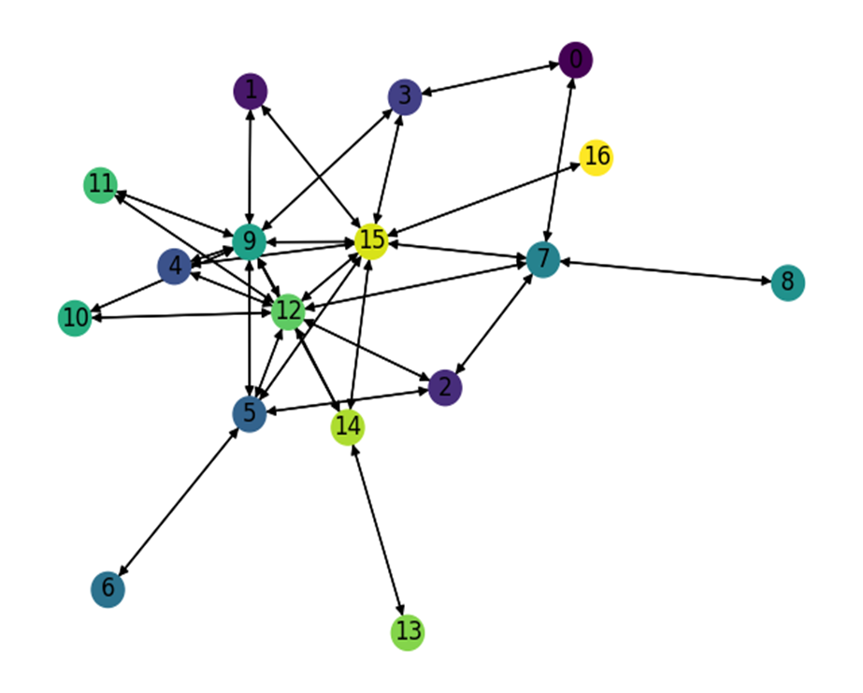
Name | Number of TMs | Optimal Expected Congestion | Reduce source- destination to destination routing congestion | Reduced Vs. Optimal | Oblivious Routing Expected Congestion Congestion | Oblivious Routing Vs. Optimal | Mean TM optimal routing scheme expected congestion | Mean TM Vs. Optimal | No optimization, smart weight heuristic initialization | weight heuristic initialization Vs. Optimal | First RL Phase | First RL Phase Vs. Optimal | 1 Smart Node (3,) 1.54368 | 1 Smart Node Vs. Optimal | 2 Smart Node (3, 14) 1.52449 | 2 Smart Node Vs. Optimal | 3 Smart Node (3, 12, 14) 1.49809 | 3 Smart Node Vs. Optimal | 4 Smart Node (3, 10, 12, 14) 1.49208 | 4 Smart Node Vs. Optimal | 5 Smart Node (3, 10, 12, 14) 1.49208 | 5 Smart Node Vs. Optimal | Naïve RL | Naïve RL Vs. Optimal
RL Training Set | 1024 | 1.7427 | 1.9877 | 14.059% | 1.8277 | 4.879% | 2.3231 | 33.307% | 1.9829 | 13.787% | 1.9747 | 13.314% | 1.9510 | 11.954% | 1.9361 | 11.099% | 1.9115 | 9.688% | 1.8865 | 8.253% | 1.8634 | 6.928% | 2.1384 | 22.71%
LP Training Set | 1024 | 1.7782 | 2.0092 | 12.991% | 1.8605 | 4.628% | 2.375 | 33.562% | 2.023 | 13.779% | 2.009 | 12.977% | 1.967 | 10.601% | 1.9374 | 8.953% | 1.8731 | 5.337% | 1.8543 | 4.280% | 1.8392 | 3.430% | 2.1658 | 21.80%
Test_0 | 1024 | 1.7569 | 1.9927 | 13.421% | 1.8435 | 4.928% | 2.3215 | 32.135% | 1.987 | 13.071% | 1.972 | 12.225% | 1.9637 | 11.770% | 1.9559 | 11.326% | 1.9215 | 9.368% | 1.8862 | 7.359% | 1.8854 | 7.313% | 2.1262 | 21.02%
Test_1 | 1024 | 1.7190 | 1.9535 | 13.642% | 1.8077 | 5.162% | 2.3069 | 34.202% | 1.958 | 13.902% | 1.939 | 12.812% | 1.9191 | 11.642% | 1.9056 | 10.857% | 1.8657 | 8.536% | 1.8498 | 7.611% | 1.844 | 7.273% | 2.1115 | 22.84%
Test_2 | 1024 | 1.7481 | 1.9830 | 13.436% | 1.8425 | 5.397% | 2.3316 | 33.375% | 1.989 | 13.795% | 1.976 | 13.022% | 1.9577 | 11.987% | 1.9501 | 11.552% | 1.9242 | 10.071% | 1.9019 | 8.795% | 1.8723 | 7.102% | 2.1433 | 22.60%
Test_3 | 1024 | 1.7634 | 1.9957 | 13.173% | 1.8489 | 4.849% | 2.2976 | 30.294% | 1.9923 | 12.983% | 1.9862 | 12.635% | 1.9789 | 12.221% | 1.9456 | 10.332% | 1.9348 | 9.720% | 1.9156 | 8.631% | 1.8930 | 7.349% | 2.1423 | 21.49%
Test_4 | 1024 | 1.7492 | 1.9804 | 13.217% | 1.8342 | 4.859% | 2.2707 | 29.814% | 1.9766 | 12.999% | 1.9635 | 12.251% | 1.9576 | 11.914% | 1.9420 | 11.022% | 1.9109 | 9.244% | 1.8924 | 8.187% | 1.8876 | 7.912% | 2.1111 | 20.69%
 |  |  |  |  |  | 4.958% |  | 32.384%

Expected Congestion Vs. Optimal
 | RL Training Set | LP Training Set | Test_0 | Test_1 | Test_2 | Test_3 | Test_4
weight heuristic initialization Vs. Optimal | 13.787% | 13.779% | 13.071% | 13.902% | 13.795% | 12.983% | 12.999%
First RL Phase Vs. Optimal | 13.314% | 12.977% | 12.225% | 12.812% | 13.022% | 12.635% | 12.251%
1 Smart Node Vs. Optimal | 11.954% | 10.601% | 11.770% | 11.642% | 11.987% | 12.221% | 11.914%
2 Smart Node Vs. Optimal | 11.099% | 8.953% | 11.326% | 10.857% | 11.552% | 10.332% | 11.022%
3 Smart Node Vs. Optimal | 9.688% | 5.337% | 9.368% | 8.536% | 10.071% | 9.720% | 9.244%
4 Smart Node Vs. Optimal | 8.253% | 4.280% | 7.359% | 7.611% | 8.795% | 8.631% | 8.187%
5 Smart Node Vs. Optimal | 6.928% | 3.430% | 7.313% | 7.273% | 7.102% | 7.349% | 7.912%

Traffic | Sparsity | Properties
Custom Bimodal | 50% | G_1 (50,10) G_2 (1,0.2)

Name | Number of TMs | Optimal Expected Congestion | Reduce source- destination to destination routing congestion | Reduced Vs. Optimal | Oblivious Routing Expected Congestion Congestion | Oblivious Routing Vs. Optimal | Mean TM optimal routing scheme expected congestion | Mean TM Vs. Optimal | No optimization, smart weight heuristic initialization | weight heuristic initialization Vs. Optimal | First RL Phase | First RL Phase Vs. Optimal | 1 Smart Node (12,) 1.95014 | 1 Smart Node Vs. Optimal | 2 Smart Node (12, 15) 1.91806 | 2 Smart Node Vs. Optimal | 3 Smart Node (9, 12, 15) 1.87841 | 3 Smart Node Vs. Optimal | 4 Smart Node (7, 9, 12, 15) 1.84918 | 4 Smart Node Vs. Optimal | 5 Smart Node (5, 7, 9, 12, 15) 1.82899 | 5 Smart Node Vs. Optimal | Naïve RL | Naïve RL Vs. Optimal
RL Training Set | 1024 | 1.7427 | 1.9877 | 14.059% | 1.8277 | 4.879% | 2.3231 | 33.307% | 1.9829 | 13.787% | 1.9747 | 13.314% | 1.9483 | 11.800% | 1.913 | 9.774% | 1.8889 | 8.391% | 1.8671 | 7.140% | 1.8334 | 5.206% | 2.1384 | 22.71%
LP Training Set | 4096 | 1.7623 | 1.9789 | 12.291% | 1.8341 | 4.074% | 2.325 | 31.930% | 1.996 | 13.257% | 1.980 | 12.342% | 1.942 | 10.174% | 1.9124 | 8.517% | 1.8838 | 6.894% | 1.8476 | 4.840% | 1.8231 | 3.450% | 2.135 | 21.15%
Test_0 | 1024 | 1.7569 | 1.9927 | 13.421% | 1.8435 | 4.928% | 2.3215 | 32.135% | 1.987 | 13.071% | 1.972 | 12.225% | 1.9551 | 11.280% | 1.9248 | 9.556% | 1.9041 | 8.378% | 1.8749 | 6.716% | 1.84 | 4.729% | 2.1262 | 21.02%
Test_1 | 1024 | 1.7190 | 1.9535 | 13.642% | 1.8077 | 5.162% | 2.3069 | 34.202% | 1.958 | 13.902% | 1.939 | 12.812% | 1.9085 | 11.026% | 1.8884 | 9.856% | 1.8553 | 7.931% | 1.8345 | 6.721% | 1.8052 | 5.016% | 2.1115 | 22.84%
Test_2 | 1024 | 1.7481 | 1.9830 | 13.436% | 1.8425 | 5.397% | 2.3316 | 33.375% | 1.989 | 13.795% | 1.976 | 13.022% | 1.9582 | 12.016% | 1.9236 | 10.036% | 1.8946 | 8.378% | 1.86935 | 6.933% | 1.8341 | 4.917% | 2.1433 | 22.60%
Test_3 | 1024 | 1.7634 | 1.9957 | 13.173% | 1.8489 | 4.849% | 2.2976 | 30.294% | 1.9923 | 12.983% | 1.9862 | 12.635% | 1.9578 | 11.024% | 1.9184 | 8.790% | 1.8947 | 7.446% | 1.8729 | 6.210% | 1.8495 | 4.883% | 2.1423 | 21.49%
Test_4 | 1024 | 1.7492 | 1.9804 | 13.217% | 1.8342 | 4.859% | 2.2707 | 29.814% | 1.9766 | 12.999% | 1.9635 | 12.251% | 1.9423 | 11.039% | 1.9157 | 9.519% | 1.8960 | 8.392% | 1.8608 | 6.380% | 1.8340 | 4.848% | 2.1111 | 20.69%
 |  |  |  |  |  | 4.878% |  | 32.151%

Expected Congestion Vs. Optimal
 | RL Training Set | LP Training Set | Test_0 | Test_1 | Test_2 | Test_3 | Test_4
weight heuristic initialization Vs. Optimal | 13.787% | 13.257% | 13.071% | 13.902% | 13.795% | 12.983% | 12.999%
First RL Phase Vs. Optimal | 13.314% | 12.342% | 12.225% | 12.812% | 13.022% | 12.635% | 12.251%
1 Smart Node Vs. Optimal | 11.800% | 10.174% | 11.280% | 11.026% | 12.016% | 11.024% | 11.039%
2 Smart Node Vs. Optimal | 9.774% | 8.517% | 9.556% | 9.856% | 10.036% | 8.790% | 9.519%
3 Smart Node Vs. Optimal | 8.391% | 6.894% | 8.378% | 7.931% | 8.378% | 7.446% | 8.392%
4 Smart Node Vs. Optimal | 7.140% | 4.840% | 6.716% | 6.721% | 6.933% | 6.210% | 6.380%
5 Smart Node Vs. Optimal | 5.206% | 3.450% | 4.729% | 5.016% | 4.917% | 4.883% | 4.848%

Traffic | Sparsity | Properties
Custom Bimodal | 40% | G_1 (30,5) G_2 (4,1)

Name | Number of TMs | Optimal Expected Congestion | Reduce source- destination to destination routing congestion | Reduced Vs. Optimal | Oblivious Routing Expected Congestion Congestion | Oblivious Routing Vs. Optimal | Mean TM optimal routing scheme expected congestion | Mean TM Vs. Optimal | No optimization, smart weight heuristic initialization | weight heuristic initialization Vs. Optimal | First RL Phase | First RL Phase Vs. Optimal | 1 Smart Node (12,) 1.42948 | 1 Smart Node Vs. Optimal | 2 Smart Node (12, 15) 1.4105 | 2 Smart Node Vs. Optimal | 3 Smart Node (7, 12, 15) 1.39551 | 3 Smart Node Vs. Optimal | 4 Smart Node (7, 9, 12, 15) 1.38173 | 4 Smart Node Vs. Optimal | 5 Smart Node (5, 7, 9, 12, 15) 1.37686 | 5 Smart Node Vs. Optimal | Naïve RL | Naïve RL Vs. Optimal
RL Training Set | 1024 | 1.3596 | 1.4462 | 6.369% | 1.4184 | 4.325% | 1.6437 | 20.896% | 1.4453 | 6.303% | 1.4388 | 5.826% | 1.4315 | 5.289% | 1.4164 | 4.178% | 1.4095 | 3.671% | 1.395355 | 2.630% | 1.389 | 2.163% | 1.7778 | 30.76%
LP Training Set | 1024 | 1.3536 | 1.4440 | 6.685% | 1.4185 | 4.798% | 1.6224 | 19.862% | 1.4462 | 6.841% | 1.4466 | 6.874% | 1.425 | 5.300% | 1.4083 | 4.044% | 1.3953 | 3.084% | 1.3864 | 2.426% | 1.3791 | 1.887% | 1.7733 | 31.01%
Test_0 | 1024 | 1.3649 | 1.4414 | 5.604% | 1.4262 | 4.489% | 1.6247 | 19.032% | 1.451 | 6.274% | 1.444 | 5.822% | 1.4411 | 5.580% | 1.4228 | 4.240% | 1.4177 | 3.866% | 1.413 | 3.522% | 1.3992 | 2.511% | 1.7914 | 31.24%
Test_1 | 1024 | 1.3514 | 1.4282 | 5.681% | 1.4086 | 4.234% | 1.6136 | 19.404% | 1.431 | 5.863% | 1.416 | 4.782% | 1.4127 | 4.537% | 1.4073 | 4.138% | 1.4015 | 3.709% | 1.3937 | 3.131% | 1.38 | 2.118% | 1.7739 | 31.27%
Test_2 | 1024 | 1.3651 | 1.4454 | 5.883% | 1.4274 | 4.566% | 1.6562 | 21.327% | 1.453 | 6.448% | 1.446 | 5.943% | 1.4295 | 4.719% | 1.42 | 4.023% | 1.4191 | 3.958% | 1.4163 | 3.752% | 1.4049 | 2.917% | 1.8085 | 32.48%
Test_3 | 1024 | 1.3534 | 1.4371 | 6.184% | 1.4200 | 4.921% | 1.5971 | 18.007% | 1.4470 | 6.916% | 1.4366 | 6.147% | 1.4236 | 5.187% | 1.4156 | 4.596% | 1.4050 | 3.813% | 1.4034 | 3.694% | 1.3915 | 2.815% | 1.7926 | 32.45%
Test_4 | 1024 | 1.3540 | 1.4306 | 5.657% | 1.4093 | 4.084% | 1.5858 | 17.120% | 1.4350 | 5.980% | 1.4234 | 5.126% | 1.4289 | 5.532% | 1.4109 | 4.202% | 1.4058 | 3.826% | 1.4022 | 3.560% | 1.3849 | 2.282% | 1.7885 | 32.09%
 |  |  |  |  |  | 4.488% |  | 19.378%

Expected Congestion Vs. Optimal
 | RL Training Set | LP Training Set | Test_0 | Test_1 | Test_2 | Test_3 | Test_4
weight heuristic initialization Vs. Optimal | 6.303% | 6.841% | 6.274% | 5.863% | 6.448% | 6.916% | 5.980%
First RL Phase Vs. Optimal | 5.826% | 6.874% | 5.822% | 4.782% | 5.943% | 6.147% | 5.126%
1 Smart Node Vs. Optimal | 5.289% | 5.300% | 5.580% | 4.537% | 4.719% | 5.187% | 5.532%
2 Smart Node Vs. Optimal | 4.178% | 4.044% | 4.240% | 4.138% | 4.023% | 4.596% | 4.202%
3 Smart Node Vs. Optimal | 3.671% | 3.084% | 3.866% | 3.709% | 3.958% | 3.813% | 3.826%
4 Smart Node Vs. Optimal | 2.630% | 2.426% | 3.522% | 3.131% | 3.752% | 3.694% | 3.560%
5 Smart Node Vs. Optimal | 2.163% | 1.887% | 2.511% | 2.118% | 2.917% | 2.815% | 2.282%

Traffic | Sparsity | Properties
Bimodal | 50% | G_1 ratio 20% G_1 (50,10) G_2 (1,0.2)

Name | Number of TMs | Optimal Expected Congestion | Reduce source- destination to destination routing congestion | Reduced Vs. Optimal | Oblivious Routing Expected Congestion Congestion | Oblivious Routing Vs. Optimal | Mean TM optimal routing scheme expected congestion | Mean TM Vs. Optimal | No optimization, smart weight heuristic initialization | weight heuristic initialization Vs. Optimal | First RL Phase | First RL Phase Vs. Optimal | 1 Smart Node (12,) 4.12622 | 1 Smart Node Vs. Optimal | 2 Smart Node (12, 15) 4.10813 | 2 Smart Node Vs. Optimal | 3 Smart Node (9, 12, 15) 4.09865 | 3 Smart Node Vs. Optimal | 4 Smart Node (7, 9, 12, 15) 4.07875 | 4 Smart Node Vs. Optimal | 5 Smart Node (5, 7, 9, 12, 15) 4.0726 | 5 Smart Node Vs. Optimal | Naïve RL | Naïve RL Vs. Optimal
RL Training Set | 1024 | 3.9884 | 4.1076 | 2.990% | 4.1066 | 2.965% | 4.5655 | 14.471% | 4.1206 | 3.315% | 4.0900 | 2.549% | 4.0879 | 2.496% | 4.06525 | 1.928% | 4.0648 | 1.917% | 4.05015 | 1.549% | 4.0276 | 0.984% | 4.7021 | 17.90%
LP Training Set | 4096 | 4.0205 | 4.1364 | 2.883% | 4.122 | 2.528% | 4.605 | 14.537% | 4.139 | 2.956% | 4.128 | 2.675% | 4.127 | 2.653% | 4.1046 | 2.093% | 4.09 | 1.730% | 4.0765 | 1.394% | 4.0508 | 0.755% | 4.7184 | 17.36%
Test_0 | 1024 | 4.0197 | 4.1343 | 2.850% | 4.1256 | 2.634% | 4.5661 | 13.593% | 4.142 | 3.043% | 4.120 | 2.495% | 4.1036 | 2.087% | 4.1008 | 2.017% | 4.08515 | 1.628% | 4.081 | 1.525% | 4.0629 | 1.074% | 4.7438 | 18.01%
Test_1 | 1024 | 4.0165 | 4.1356 | 2.965% | 4.1261 | 2.728% | 4.5573 | 13.463% | 4.135 | 2.961% | 4.119 | 2.543% | 4.1147 | 2.444% | 4.1034 | 2.162% | 4.0891 | 1.806% | 4.0631 | 1.159% | 4.0589 | 1.054% | 4.7175 | 17.45%
Test_2 | 1024 | 4.0594 | 4.1581 | 2.431% | 4.1599 | 2.476% | 4.6017 | 13.360% | 4.172 | 2.779% | 4.165 | 2.592% | 4.14 | 1.986% | 4.1353 | 1.870% | 4.1097 | 1.240% | 4.08785 | 0.701% | 4.0769 | 0.432% | 4.7174 | 16.21%
Test_3 | 1024 | 4.0239 | 4.1484 | 3.094% | 4.1271 | 2.565% | 4.5990 | 14.292% | 4.1477 | 3.077% | 4.1281 | 2.590% | 4.1095 | 2.127% | 4.1028 | 1.961% | 4.0749 | 1.267% | 4.0674 | 1.081% | 4.0643 | 1.004% | 4.7107 | 17.07%
Test_4 | 1024 | 3.9868 | 4.0997 | 2.832% | 4.1101 | 3.093% | 4.5394 | 13.861% | 4.1169 | 3.262% | 4.0909 | 2.611% | 4.0852 | 2.468% | 4.0781 | 2.290% | 4.0626 | 1.901% | 4.0420 | 1.385% | 4.0289 | 1.056% | 4.7229 | 18.46%
 |  |  |  |  |  | 2.713% |  | 13.939%
Expected Congestion Vs. Optimal
 | RL Training Set | LP Training Set | Test_0 | Test_1 | Test_2 | Test_3 | Test_4
weight heuristic initialization Vs. Optimal | 3.315% | 2.956% | 3.043% | 2.961% | 2.779% | 3.077% | 3.262%
First RL Phase Vs. Optimal | 2.549% | 2.675% | 2.495% | 2.543% | 2.592% | 2.590% | 2.611%
1 Smart Node Vs. Optimal | 2.496% | 2.653% | 2.087% | 2.444% | 1.986% | 2.127% | 2.468%
2 Smart Node Vs. Optimal | 1.928% | 2.093% | 2.017% | 2.162% | 1.870% | 1.961% | 2.290%
3 Smart Node Vs. Optimal | 1.917% | 1.730% | 1.628% | 1.806% | 1.240% | 1.267% | 1.901%
4 Smart Node Vs. Optimal | 1.549% | 1.394% | 1.525% | 1.159% | 0.701% | 1.081% | 1.385%
5 Smart Node Vs. Optimal | 0.984% | 0.755% | 1.074% | 1.054% | 0.432% | 1.004% | 1.056%

Traffic | Sparsity | Properties
Gravity | 30%

Name | Number of TMs | Optimal Expected Congestion | Reduce source- destination to destination routing congestion | Reduced Vs. Optimal | Oblivious Routing Expected Congestion Congestion | Oblivious Routing Vs. Optimal | Mean TM optimal routing scheme expected congestion | Mean TM Vs. Optimal | No optimization, smart weight heuristic initialization | weight heuristic initialization Vs. Optimal | First RL Phase | First RL Phase Vs. Optimal | 1 Smart Node (12,) 1.167 | 1 Smart Node Vs. Optimal | 2 Smart Node (12, 15) 1.1494 | 2 Smart Node Vs. Optimal | 3 Smart Node (7, 12, 15) 1.133 | 3 Smart Node Vs. Optimal | 4 Smart Node (5, 9, 12, 15) 1.115 | 4 Smart Node Vs. Optimal | 5 Smart Node (5,7,9,12,15) 1.09425 | 5 Smart Node Vs. Optimal | Naïve RL | Naïve RL Vs. Optimal
RL Training Set | 1024 | 1.04948 | 1.25664 | 19.739% | 1.2488 | 18.992% | 1.4819 | 41.203% | 1.2415 | 18.295% | 1.1819 | 12.617% | 1.1683 | 11.321% | 1.1522 | 9.787% | 1.1455 | 9.149% | 1.1329 | 7.948% | 1.1179 | 6.519% | 1.713 | 63.22%
LP Training Set | 1024 | 1.05318 | 1.27514 | 21.074% | 1.2525 | 18.925% | 1.5157 | 43.916% | 1.252 | 18.868% | 1.185 | 12.506% | 1.168 | 10.854% | 1.1492 | 9.117% | 1.1407 | 8.310% | 1.1149 | 5.860% | 1.0973 | 4.189% | 1.7241 | 63.70%
Test_0 | 1024 | 1.04955 | 1.23554 | 17.721% | 1.2505 | 19.146% | 1.5116 | 44.023% | 1.2381 | 17.965% | 1.1844 | 12.848% | 1.17 | 11.476% | 1.16 | 10.523% | 1.154 | 9.952% | 1.138 | 8.427% | 1.12 | 6.712% | 1.7236 | 64.22%
Test_1 | 1024 | 1.04724 | 1.25336 | 19.683% | 1.2482 | 19.190% | 1.4991 | 43.148% | 1.231 | 17.548% | 1.1823 | 12.897% | 1.17 | 11.723% | 1.155 | 10.290% | 1.145 | 9.335% | 1.1347 | 8.352% | 1.122 | 7.139% | 1.7135 | 63.62%
Test_2 | 1024 | 1.05007 | 1.21026 | 15.256% | 1.2525 | 19.278% | 1.4861 | 41.524% | 1.2423 | 18.307% | 1.1813 | 12.498% | 1.169 | 11.326% | 1.16 | 10.469% | 1.15 | 9.517% | 1.1364 | 8.222% | 1.127 | 7.327% | 1.7208 | 63.88%
Test_3 | 1024 | 1.05180 | 1.28010 | 21.706% | 1.2499 | 18.834% | 1.4959 | 42.223% | 1.2412 | 18.010% | 1.1857 | 12.731% | 1.1721 | 11.438% | 1.1582 | 10.116% | 1.1484 | 9.184% | 1.1374 | 8.138% | 1.1283 | 7.273% | 1.7224 | 63.76%
Test_4 | 1024 | 1.05410 | 1.26070 | 19.600% | 1.2601 | 19.543% | 1.4950 | 41.827% | 1.2484 | 18.435% | 1.1897 | 12.864% | 1.1769 | 11.650% | 1.1651 | 10.530% | 1.1546 | 9.534% | 1.1410 | 8.244% | 1.1281 | 7.020% | 1.7202 | 63.19%
 |  |  |  |  |  | 19.130% |  | 42.552%

Expected Congestion Vs. Optimal
 | RL Training Set | LP Training Set | Test_0 | Test_1 | Test_2 | Test_3 | Test_4
weight heuristic initialization Vs. Optimal | 18.295% | 18.868% | 17.965% | 17.548% | 18.307% | 18.010% | 18.435%
First RL Phase Vs. Optimal | 12.617% | 12.506% | 12.848% | 12.897% | 12.498% | 12.731% | 12.864%
1 Smart Node Vs. Optimal | 11.321% | 10.854% | 11.476% | 11.723% | 11.326% | 11.438% | 11.650%
2 Smart Node Vs. Optimal | 9.787% | 9.117% | 10.523% | 10.290% | 10.469% | 10.116% | 10.530%
3 Smart Node Vs. Optimal | 9.149% | 8.310% | 9.952% | 9.335% | 9.517% | 9.184% | 9.534%
4 Smart Node Vs. Optimal | 7.948% | 5.860% | 8.427% | 8.352% | 8.222% | 8.138% | 8.244%
5 Smart Node Vs. Optimal | 6.519% | 4.189% | 6.712% | 7.139% | 7.327% | 7.273% | 7.020%

ScaleFree30Nodes
Traffic | Sparsity | Properties |  |  |  |  |  |  |  |  |  |  |  |  |  |  |  |  |  |  |  |  | Number of Nodes | Number of links | Smart node set
Custom Bimodal | 40% | G_1 (5,1) G_2 (1,0.2) |  |  |  |  |  |  |  |  |  |  |  |  |  |  |  |  |  |  |  |  | 30 | 86 | {0,1,2,3}

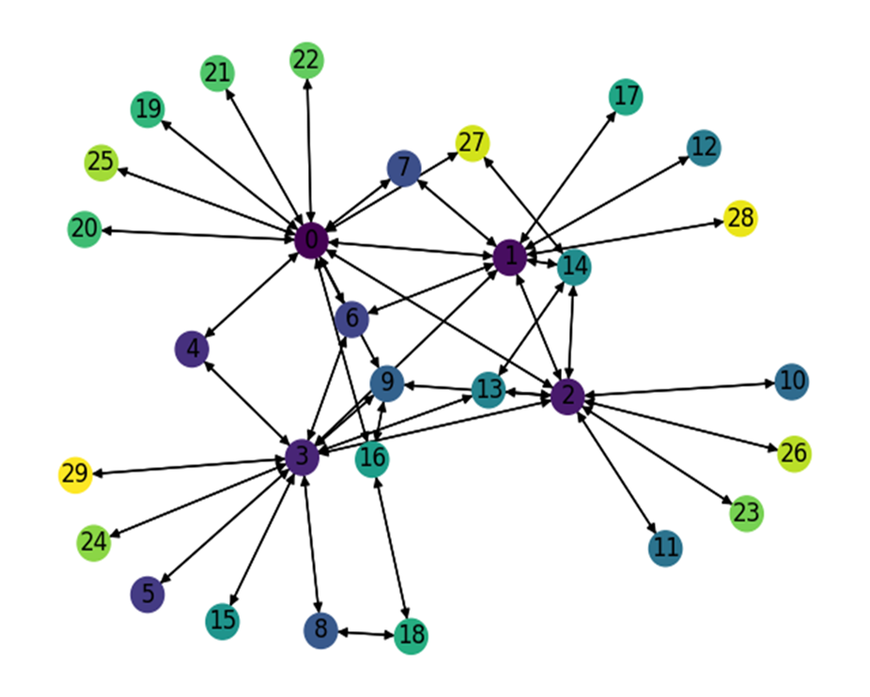
Name | Number of TMs | Optimal Expected Congestion | Reduce source- destination to destination routing congestion | Reduced Vs. Optimal | Oblivious Routing Expected Congestion Congestion | Oblivious Routing Vs. Optimal | Mean TM optimal routing scheme expected congestion | Mean TM Vs. Optimal | No optimization, smart weight heuristic initialization | weight heuristic initialization Vs. Optimal | First RL Phase | First RL Phase Vs. Optimal | 1 Smart Node (3,) 2.22107 | 1 Smart Node Vs. Optimal | 2 Smart Node (0, 3) 2.20886 | 2 Smart Node Vs. Optimal | 3 Smart Node (0, 2, 3) 2.19509 | 3 Smart Node Vs. Optimal | 4 Smart Node (0, 1, 2, 3) 2.18557 | 4 Smart Node Vs. Optimal | Naïve RL | Naïve RL Vs. Optimal
RL Training Set | 1024 | 2.1529 | 2.2758 | 5.708% | 2.49277 | 15.789% | 2.3236 | 7.931% | 2.2278 | 3.481% | 2.2216 | 3.193% | 2.2202 | 3.128% | 2.2073 | 2.529% | 2.2010 | 2.236% | 2.1941 | 1.916% | 2.7524 | 27.85%
LP Training Set | 4096 | 2.1661 | 2.2298 | 2.941% | 2.49178 | 15.035% | 2.3351 | 7.802% | 2.2382 | 3.329% | 2.2354 | 3.199% | 2.2211 | 2.539% | 2.2073 | 1.902% | 2.1956 | 1.362% | 2.1853 | 0.886% | 2.7747 | 28.10%
Test_0 | 1024 | 2.1661 | 2.2960 | 6.000% | 2.49947 | 15.391% | 2.3371 | 7.895% | 2.2432 | 3.559% | 2.2342 | 3.145% | 2.2272 | 2.822% | 2.2179 | 2.392% | 2.2135 | 2.189% | 2.2084 | 1.954% | 2.755 | 27.19%
Test_1 | 1024 | 2.1724 | 2.2733 | 4.641% | 2.48967 | 14.603% | 2.3441 | 7.903% | 2.2429 | 3.245% | 2.2331 | 2.793% | 2.2302 | 2.660% | 2.2262 | 2.475% | 2.2213 | 2.250% | 2.2156 | 1.987% | 2.7627 | 27.17%
Test_2 | 1024 | 2.1769 | 2.3073 | 5.993% | 2.49432 | 14.583% | 2.3585 | 8.343% | 2.2508 | 3.396% | 2.2427 | 3.024% | 2.2389 | 2.849% | 2.2311 | 2.491% | 2.2286 | 2.376% | 2.2199 | 1.976% | 2.7685 | 27.18%
Test_3 | 1024 | 2.1682 | 2.2466 | 3.616% | 2.50862 | 15.701% | 2.3316 | 7.536% | 2.2426 | 3.432% | 2.2315 | 2.919% | 2.2262 | 2.675% | 2.2208 | 2.426% | 2.2194 | 2.361% | 2.2102 | 1.937% | 2.7717 | 27.83%
Test_4 | 1024 | 2.1740 | 2.2623 | 4.062% | 2.48964 | 14.519% | 2.3317 | 7.254% | 2.2422 | 3.135% | 2.2350 | 2.806% | 2.2311 | 2.626% | 2.2271 | 2.443% | 2.2193 | 2.084% | 2.2160 | 1.932% | 2.7609 | 27.00%
 |  |  |  |  |  | 15.089% |  | 7.809%

Expected Congestion Vs. Optimal
 | RL Training Set | LP Training Set | Test_0 | Test_1 | Test_2 | Test_3 | Test_4
weight heuristic initialization Vs. Optimal | 3.481% | 3.329% | 3.559% | 3.245% | 3.396% | 3.432% | 3.135%
First RL Phase Vs. Optimal | 3.193% | 3.199% | 3.145% | 2.793% | 3.024% | 2.919% | 2.806%
1 Smart Node Vs. Optimal | 3.128% | 2.539% | 2.822% | 2.660% | 2.849% | 2.675% | 2.626%
2 Smart Node Vs. Optimal | 2.529% | 1.902% | 2.392% | 2.475% | 2.491% | 2.426% | 2.443%
3 Smart Node Vs. Optimal | 2.236% | 1.362% | 2.189% | 2.250% | 2.376% | 2.361% | 2.084%
4 Smart Node Vs. Optimal | 1.916% | 0.886% | 1.954% | 1.987% | 1.976% | 1.937% | 1.932%

Traffic | Sparsity | Properties
Gravity | 30%

Name | Number of TMs | Optimal Expected Congestion | Reduce source- destination to destination routing congestion | Reduced Vs. Optimal | Oblivious Routing Expected Congestion Congestion | Oblivious Routing Vs. Optimal | Mean TM optimal routing scheme expected congestion | Mean TM Vs. Optimal | No optimization, smart weight heuristic initialization | weight heuristic initialization Vs. Optimal | First RL Phase | First RL Phase Vs. Optimal | 1 Smart Node (0,) 1.49 | 1 Smart Node Vs. Optimal | 2 Smart Node (0, 2) 1.462 | 2 Smart Node Vs. Optimal | 3 Smart Node (0, 2, 3) 1.42965 | 3 Smart Node Vs. Optimal | 4 Smart Node (0, 1, 2, 3)1.39859 | 4 Smart Node Vs. Optimal | Naïve RL | Naïve RL Vs. Optimal
RL Training Set | 1024 | 1.3137 | 1.6495 | 25.562% | 1.6628 | 26.577% | 1.7929 | 36.478% | 1.6361 | 24.544% | 1.5097 | 14.920% | 1.5016 | 14.304% | 1.4785 | 12.545% | 1.4467 | 10.125% | 1.4342 | 9.173% | 1.9783 | 50.59%
LP Training Set | 1024 | 1.3261 | 1.6630 | 25.405% | 1.6787 | 26.595% | 1.7508 | 32.029% | 1.641 | 23.749% | 1.5098 | 13.855% | 1.4967 | 12.867% | 1.4653 | 10.499% | 1.4409 | 8.659% | 1.4093 | 6.276% | 1.9832 | 49.55%
Test_0 | 1024 | 1.3107 | 1.6189 | 23.511% | 1.6610 | 26.726% | 1.7794 | 35.755% | 1.6334 | 24.617% | 1.5123 | 15.377% | 1.5014 | 14.546% | 1.4745 | 12.494% | 1.4462 | 10.335% | 1.4287 | 8.999% | 1.9793 | 51.01%
Test_1 | 1024 | 1.3134 | 1.6158 | 23.026% | 1.6674 | 26.954% | 1.7916 | 36.412% | 1.6202 | 23.362% | 1.5193 | 15.680% | 1.4993 | 14.157% | 1.4734 | 12.185% | 1.4498 | 10.388% | 1.4303 | 8.903% | 1.9742 | 50.32%
Test_2 | 1024 | 1.3114 | 1.6716 | 27.467% | 1.6593 | 26.527% | 1.7534 | 33.705% | 1.6295 | 24.257% | 1.5107 | 15.198% | 1.502 | 14.535% | 1.4752 | 12.491% | 1.4549 | 10.943% | 1.427 | 8.816% | 1.9767 | 50.73%
Test_3 | 1024 | 1.3058 | 1.6437 | 25.877% | 1.6563 | 26.845% | 1.7969 | 37.609% | 1.6263 | 24.543% | 1.5090 | 15.561% | 1.4904 | 14.137% | 1.4696 | 12.544% | 1.4469 | 10.806% | 1.4242 | 9.067% | 1.9665 | 50.60%
Test_4 | 1024 | 1.3146 | 1.6688 | 26.944% | 1.6630 | 26.500% | 1.7287 | 31.500% | 1.6318 | 24.127% | 1.5119 | 15.008% | 1.5023 | 14.278% | 1.4731 | 12.057% | 1.4481 | 10.155% | 1.4302 | 8.794% | 1.9687 | 49.76%
 |  |  |  |  |  | 26.675% |  | 34.784%

Expected Congestion Vs. Optimal
 | RL Training Set | LP Training Set | Test_0 | Test_1 | Test_2 | Test_3 | Test_4
weight heuristic initialization Vs. Optimal | 24.544% | 23.749% | 24.617% | 23.362% | 24.257% | 24.543% | 24.127%
First RL Phase Vs. Optimal | 14.920% | 13.855% | 15.377% | 15.680% | 15.198% | 15.561% | 15.008%
1 Smart Node Vs. Optimal | 14.304% | 12.867% | 14.546% | 14.157% | 14.535% | 14.137% | 14.278%
2 Smart Node Vs. Optimal | 12.545% | 10.499% | 12.494% | 12.185% | 12.491% | 12.544% | 12.057%
3 Smart Node Vs. Optimal | 10.125% | 8.659% | 10.335% | 10.388% | 10.943% | 10.806% | 10.155%
4 Smart Node Vs. Optimal | 9.173% | 6.276% | 8.999% | 8.903% | 8.816% | 9.067% | 8.794%

GEANT
Traffic | Sparsity | Properties |  |  |  |  |  |  |  |  |  |  |  |  |  |  |  |  |  |  |  |  | Number of Nodes | Number of links | Smart node set
Custom Bimodal | 40% | G_1 (1,0.1) G_2 (0.1,0.01) |  |  |  |  |  |  |  |  |  |  |  |  |  |  |  |  |  |  |  |  | 34 | 104 | {2,4,9,23}

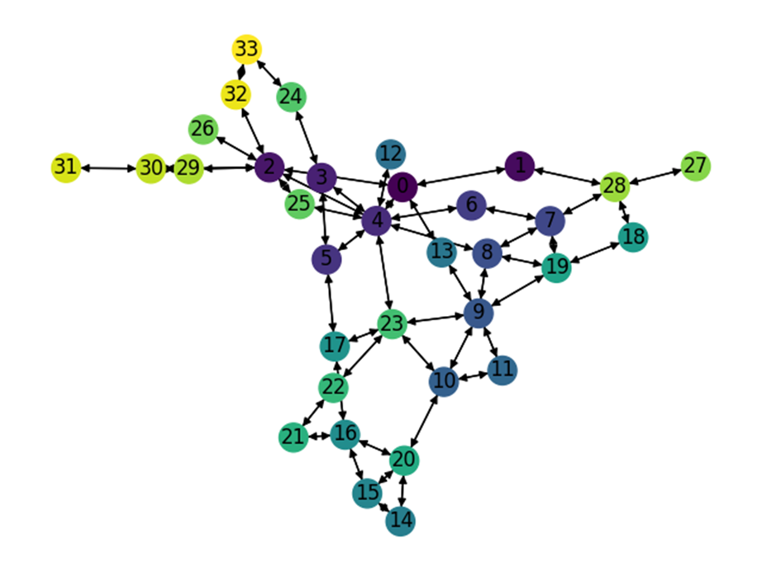
Name | Number of TMs | Optimal Expected Congestion | Reduce source- destination to destination routing congestion | Reduced Vs. Optimal | Oblivious Routing Expected Congestion Congestion | Oblivious Routing Vs. Optimal | Mean TM optimal routing scheme expected congestion | Mean TM Vs. Optimal | No optimization, smart weight heuristic initialization | weight heuristic initialization Vs. Optimal | First RL Phase | First RL Phase Vs. Optimal | 1 Smart Node (13,) 23.4611 | 1 Smart Node Vs. Optimal | 2 Smart Node (4, 9) 21.7095 | 2 Smart Node Vs. Optimal | 3 Smart Node (4, 9, 13) 21.2016 | 3 Smart Node Vs. Optimal | 4 Smart Node (0, 4, 9, 13) 20.3526 | 4 Smart Node Vs. Optimal | Naïve RL | Naïve RL Vs. Optimal
RL Training Set | 1024 | 19.8584 | 22.8342 | 14.985% | 20.090006027 | 1.166% | 25.5652 | 28.737% | 24.2330 | 22.029% | 23.0724 | 16.185% | 22.7687 | 14.655% | 21.3074 | 7.297% | 20.8646 | 5.067% | 19.8737 | 0.077% | 24.0980 | 21.35%
LP Training Set | 2048 | 20.3211 | 23.5511 | 15.895% | 20.554980697 | 1.151% | 26.2258 | 29.057% | 25.005 | 23.050% | 23.607 | 16.169% | 23.407 | 15.184% | 21.5758 | 6.174% | 20.9646 | 3.167% | 20.3216 | 0.002% | 24.720 | 21.65%
Test_0 | 1024 | 19.8059 | 22.6310 | 14.264% | 20.0392 | 1.178% | 25.1982 | 27.226% | 23.928 | 20.813% | 23.280 | 17.540% | 22.4037 | 13.116% | 21.2568 | 7.326% | 20.5192 | 3.601% | 19.8148 | 0.045% | 24.251 | 22.44%
Test_1 | 1024 | 19.9521 | 23.0279 | 15.416% | 20.1862 | 1.173% | 25.8007 | 29.313% | 24.327 | 21.925% | 23.450 | 17.530% | 22.993 | 15.241% | 21.459 | 7.553% | 20.9163 | 4.833% | 19.9603 | 0.041% | 24.287 | 21.73%
Test_2 | 1024 | 20.1227 | 23.1117 | 14.854% | 20.355615759 | 1.157% | 25.9465 | 28.941% | 24.509 | 21.797% | 23.528 | 16.921% | 23.0971 | 14.781% | 21.7794 | 8.233% | 20.93675 | 4.045% | 20.142 | 0.096% | 24.623 | 22.36%
Test_3 | 1024 | 20.1300 | 23.1071 | 14.789% | 20.3643 | 1.164% | 25.6426 | 27.385% | 24.4350 | 21.386% | 23.577 | 17.123% | 23.1902 | 15.202% | 21.6644 | 7.622% | 21.1378 | 5.006% | 20.1367 | 0.033% | 24.373 | 21.08%
Test_4 | 1024 | 19.6384 | 22.5396 | 14.773% | 19.8720 | 1.189% | 25.3348 | 29.006% | 23.9899 | 22.158% | 23.3857 | 19.081% | 22.6194 | 15.179% | 21.1671 | 7.784% | 20.5395 | 4.588% | 19.6499 | 0.059% | 24.1495 | 22.97%
 |  |  |  |  |  | 1.169% |  | 28.524% |  | 21.880% |  |  |  |  |  |  |  |  |  |  |  | 21.94%

Expected Congestion Vs. Optimal
 | RL Training Set | LP Training Set | Test_0 | Test_1 | Test_2 | Test_3 | Test_4
weight heuristic initialization Vs. Optimal | 22.029% | 23.050% | 20.813% | 21.925% | 21.797% | 21.386% | 22.158%
First RL Phase Vs. Optimal | 16.185% | 16.169% | 17.540% | 17.530% | 16.921% | 17.123% | 19.081%
1 Smart Node Vs. Optimal | 14.655% | 15.184% | 13.116% | 15.241% | 14.781% | 15.202% | 15.179%
2 Smart Node Vs. Optimal | 7.297% | 6.174% | 7.326% | 7.553% | 8.233% | 7.622% | 7.784%
3 Smart Node Vs. Optimal | 5.067% | 3.167% | 3.601% | 4.833% | 4.045% | 5.006% | 4.588%
4 Smart Node Vs. Optimal | 0.077% | 0.002% | 0.045% | 0.041% | 0.096% | 0.033% | 0.059%

Traffic | Sparsity | Properties
Gravity | 30%

Name | Number of TMs | Optimal Expected Congestion | Reduce source- destination to destination routing congestion | Reduced Vs. Optimal | Oblivious Routing Expected Congestion Congestion | Oblivious Routing Vs. Optimal | Mean TM optimal routing scheme expected congestion | Mean TM Vs. Optimal | No optimization, smart weight heuristic initialization | weight heuristic initialization Vs. Optimal | First RL Phase | First RL Phase Vs. Optimal | 1 Smart Node (4,) 1.904 | 1 Smart Node Vs. Optimal | 2 Smart Node (4, 23) 1.87 | 2 Smart Node Vs. Optimal | 3 Smart Node (4, 9, 23) 1.8446 | 3 Smart Node Vs. Optimal | 4 Smart Node (2, 4, 9, 23) 1.834 | 4 Smart Node Vs. Optimal
RL Training Set | 1024 | 1.7073 | 42.4014 | 2383.577% | 2.5397428805 | 48.760% | 2.5535 | 49.566% | 2.6898 | 57.549% | 1.948 | 14.100% | 1.9193 | 12.419% | 1.8903 | 10.721% | 1.8924 | 10.844% | 1.9037 | 11.505%
LP Training Set | 1024 | 1.7116 | 146.5649 | 8463.035% | 2.5425628772 | 48.549% | 3.3036 | 93.012% | 2.6861 | 56.935% | 1.9527 | 14.086% | 1.9112 | 11.662% | 1.8764 | 9.628% | 1.8634 | 8.869% | 1.8581 | 8.559%
Test_0 | 1024 | 1.7030 | 51.0310 | 2896.461% | 2.5322 | 48.689% | 2.9328 | 72.209% | 2.6912 | 58.023% | 1.9369 | 13.732% | 1.916 | 12.504% | 1.8943 | 11.230% | 1.8933 | 11.172% | 1.8993 | 11.524%
Test_1 | 1024 | 1.7130 | 62.3307 | 3538.643% | 2.5429 | 48.448% | 2.9143 | 70.126% | 2.7310 | 59.426% | 1.9479 | 13.711% | 1.9268 | 12.480% | 1.8938 | 10.553% | 1.899 | 10.857% | 1.9074 | 11.347%
Test_2 | 1024 | 1.7059 | 49.5147 | 2802.518% | 2.5407832001 | 48.939% | 2.5128 | 47.299% | 2.6671 | 56.344% | 1.948 | 14.190% | 1.9143 | 12.215% | 1.8992 | 11.330% | 1.8917 | 10.890% | 1.8977 | 11.242%
 |  |  |  |  |  | 48.677% |  | 66.443%

Expected Congestion Vs. Optimal
 | RL Training Set | LP Training Set | Test_0 | Test_1 | Test_2
weight heuristic initialization Vs. Optimal | 57.549% | 56.935% | 58.023% | 59.426% | 56.344%
First RL Phase Vs. Optimal | 14.100% | 14.086% | 13.732% | 13.711% | 14.190%
1 Smart Node Vs. Optimal | 12.419% | 11.662% | 12.504% | 12.480% | 12.215%
2 Smart Node Vs. Optimal | 10.721% | 9.628% | 11.230% | 10.553% | 11.330%
3 Smart Node Vs. Optimal | 10.844% | 8.869% | 11.172% | 10.857% | 10.890%
4 Smart Node Vs. Optimal | 11.505% | 8.559% | 11.524% | 11.347% | 11.242%

Traffic | Sparsity | Properties
Gravity | 30%

Name | Number of TMs | Optimal Expected Congestion | Reduce source- destination to destination routing congestion | Reduced Vs. Optimal | Oblivious Routing Expected Congestion Congestion | Oblivious Routing Vs. Optimal | Mean TM optimal routing scheme expected congestion | Mean TM Vs. Optimal | No optimization, smart weight heuristic initialization | weight heuristic initialization Vs. Optimal | First RL Phase | First RL Phase Vs. Optimal | 1 Smart Node (4,) 1.912 | 1 Smart Node Vs. Optimal | 2 Smart Node (4, 23) 1.875 | 2 Smart Node Vs. Optimal | 3 Smart Node (4, 9, 23) 1.853 | 3 Smart Node Vs. Optimal | 4 Smart Node (2, 4, 9, 23)1.846 | 4 Smart Node Vs. Optimal | Naïve RL | Naïve RL Vs. Optimal
RL Training Set | 1024 | 1.7073 | 42.4014 | 2383.577% | 2.5397428805 | 48.760% | 2.5535 | 49.566% | 2.6898 | 57.549% | 1.948 | 14.100% | 1.9189 | 12.396% | 1.8854 | 10.434% | 1.8784 | 10.024% | 1.8748 | 9.813% | 2.6281 | 53.94%
LP Training Set | 2048 | 1.7316 | 82.1920 | 4646.566% | 2.548604309 | 47.181% | 2.9658 | 71.274% | 2.6861 | 55.122% | 1.9598 | 13.178% | 1.914 | 10.533% | 1.8766 | 8.373% | 1.8538 | 7.057% | 1.8504 | 6.860% | 2.6378 | 52.33%
Test_0 | 1024 | 1.7030 | 51.0310 | 2896.461% | 2.5322 | 48.689% | 2.9328 | 72.209% | 2.6912 | 58.023% | 1.9369 | 13.732% | 1.9179 | 12.616% | 1.8807 | 10.432% | 1.8734 | 10.003% | 1.8679 | 9.680% | 2.6217 | 53.94%
Test_1 | 1024 | 1.7130 | 62.3307 | 3538.643% | 2.5429 | 48.448% | 2.9143 | 70.126% | 2.731 | 59.426% | 1.9479 | 13.711% | 1.9254 | 12.398% | 1.8951 | 10.629% | 1.8806 | 9.783% | 1.8741 | 9.403% | 2.6247 | 53.22%
Test_2 | 1024 | 1.7059 | 49.5147 | 2802.518% | 2.5407832001 | 48.939% | 2.5128 | 47.299% | 2.6671 | 56.344% | 1.948 | 14.190% | 1.9054 | 11.693% | 1.8859 | 10.550% | 1.8732 | 9.806% | 1.8652 | 9.337% | 2.619 | 53.52%
Test_3 | 1024 | 1.7082 | 43.4993 | 2446.499% | 2.5433 | 48.890% | 3.2314 | 89.170% | 2.6986 | 57.980% | 1.9472 | 13.991% | 1.9198 | 12.387% | 1.8922 | 10.772% | 1.8810 | 10.116% | 1.8763 | 9.841% | 2.639 | 54.49%
Test_4 | 1024 | 1.7042 | 50.2476 | 2848.457% | 2.5359 | 48.804% | 2.8998 | 70.156% | 2.7211 | 59.670% | 1.9489 | 14.359% | 1.9168 | 12.475% | 1.8871 | 10.732% | 1.8759 | 10.075% | 1.8705 | 9.758% | 2.6276 | 54.18%
 |  |  |  |  |  | 48.530% |  | 67.114%

Expected Congestion Vs. Optimal
 | RL Training Set | LP Training Set | Test_0 | Test_1 | Test_2 | Test_3 | Test_4
weight heuristic initialization Vs. Optimal | 57.549% | 55.122% | 58.023% | 59.426% | 56.344% | 57.980% | 59.670%
First RL Phase Vs. Optimal | 14.100% | 13.178% | 13.732% | 13.711% | 14.190% | 13.991% | 14.359%
1 Smart Node Vs. Optimal | 12.396% | 10.533% | 12.616% | 12.398% | 11.693% | 12.387% | 12.475%
2 Smart Node Vs. Optimal | 10.434% | 8.373% | 10.432% | 10.629% | 10.550% | 10.772% | 10.732%
3 Smart Node Vs. Optimal | 10.024% | 7.057% | 10.003% | 9.783% | 9.806% | 10.116% | 10.075%
4 Smart Node Vs. Optimal | 9.813% | 6.860% | 9.680% | 9.403% | 9.337% | 9.841% | 9.758%

China_Telecom
Traffic | Sparsity | Properties |  |  |  |  |  |  |  |  |  |  |  |  |  |  |  |  |  |  |  |  |  |  | Number of Nodes | Number of links | Smart node set
Custom Bimodal | 30% | G_1 (2.0,0.2) G_2 (0.2,0.02) |  |  |  |  |  |  |  |  |  |  |  |  |  |  |  |  |  |  |  |  |  |  | 42 | 132 | {8, 18, 27, 28, 39}

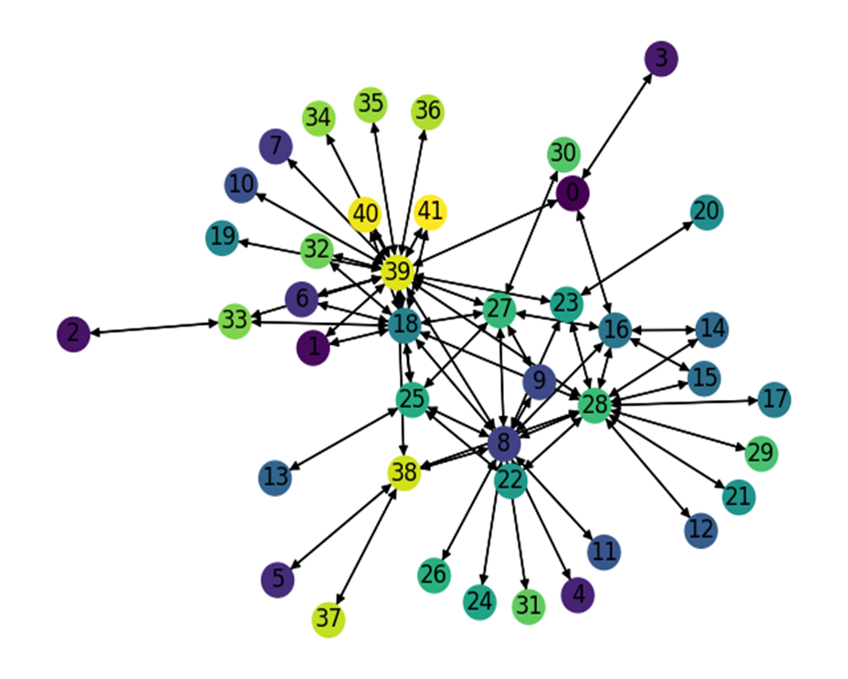
Name | Number of TMs | Optimal Expected Congestion | Reduce source- destination to destination routing congestion | Reduced Vs. Optimal | Oblivious Routing Expected Congestion Congestion | Oblivious Routing Vs. Optimal | Mean TM optimal routing scheme expected congestion | Mean TM Vs. Optimal | No optimization, smart weight heuristic initialization | weight heuristic initialization Vs. Optimal | First RL Phase | First RL Phase Vs. Optimal | 1 Smart Node (39,) 1.69309 | 1 Smart Node Vs. Optimal | 2 Smart Node (39, 28) 1.6942 | 2 Smart Node Vs. Optimal | 3 Smart Node (8, 39, 28) 1.69172 | 3 Smart Node Vs. Optimal | 4 Smart Node (8, 39, 27, 28) 1.69152 | 4 Smart Node Vs. Optimal | 5 Smart Node (8, 18, 27, 28, 39)1.69149 | 5 Smart Node Vs. Optimal | Naïve RL | Naïve RL Vs. Optimal
RL Training Set | 1024 | 1.70010 | 2.76839 | 0.62837 | 1.70023 | 0.0073% | 1.91250 | 12.493% | 1.72119 | 1.240% | 1.71240 | 0.723% | 1.70920 | 0.535% | 1.70190 | 0.106% | 1.70027 | 0.0099% | 1.70340 | 0.194% | 1.70950 | 0.553% | 1.8561 | 9.18%
LP Training Set | 4096 | 1.68880 | 1.74380 | 0.03257 | 1.68978 | 0.0579% | 1.92180 | 13.797% | 1.71272 | 1.417% | 1.70015 | 0.672% | 1.69257 | 0.223% | 1.69120 | 0.142% | 1.69100 | 0.1303% | 1.69043 | 0.097% | 1.68897 | 0.010% | 1.836 | 8.72%
Test_0 | 1024 | 1.70629 | 2.67969 | 0.57048 | 1.70701 | 0.0425% | 1.89480 | 11.048% | 1.72920 | 1.343% | 1.71700 | 0.628% | 1.71020 | 0.229% | 1.70720 | 0.053% | 1.70640 | 0.0066% | 1.71470 | 0.493% | 1.71660 | 0.604% | 1.8445 | 8.10%
Test_1 | 1024 | 1.68402 | 3.09841 | 0.83989 | 1.68502 | 0.0594% | 1.88190 | 11.751% | 1.70315 | 1.136% | 1.69030 | 0.373% | 1.68700 | 0.177% | 1.68460 | 0.035% | 1.69430 | 0.6106% | 1.69130 | 0.432% | 1.69340 | 0.557% | 1.8395 | 9.23%
Test_2 | 1024 | 1.68094 | 2.65187 | 0.57761 | 1.68150 | 0.0329% | 1.90470 | 13.311% | 1.70514 | 1.439% | 1.69240 | 0.682% | 1.68585 | 0.292% | 1.68190 | 0.057% | 1.68620 | 0.3127% | 1.68760 | 0.396% | 1.68480 | 0.229% | 1.8315 | 8.96%
Test_3 | 1024 | 1.69480 | 3.05710 | 0.80381 | 1.69539 | 0.0349% | 1.92500 | 13.583% | 1.71782 | 1.358% | 1.70320 | 0.496% | 1.70030 | 0.325% | 1.69640 | 0.094% | 1.69638 | 0.0932% | 1.69740 | 0.153% | 1.70740 | 0.743% | 1.8568 | 9.56%
Test_4 | 1024 | 1.70400 | 2.78060 | 0.63181 | 1.70564 | 0.0961% | 1.92710 | 13.093% | 1.72454 | 1.205% | 1.71440 | 0.610% | 1.71270 | 0.511% | 1.70520 | 0.070% | 1.70985 | 0.3433% | 1.70480 | 0.047% | 1.70860 | 0.270% | 1.8554 | 8.88%
 |  |  |  |  |  | 0.053% |  | 12.725% |  |  |  |  |  | 0.307% |  | 0.062% |  | 0.273% |  | 0.304% |  | 0.481%
Expected Congestion Vs. Optimal
 | RL Training Set | LP Training Set | Test_0 | Test_1 | Test_2 | Test_3 | Test_4
weight heuristic initialization Vs. Optimal | 1.240% | 1.417% | 1.343% | 1.136% | 1.439% | 1.358% | 1.205%
First RL Phase Vs. Optimal | 0.723% | 0.672% | 0.628% | 0.373% | 0.682% | 0.496% | 0.610%
1 Smart Node Vs. Optimal | 0.535% | 0.223% | 0.229% | 0.177% | 0.292% | 0.325% | 0.511%
2 Smart Node Vs. Optimal | 0.106% | 0.142% | 0.053% | 0.035% | 0.057% | 0.094% | 0.070%
3 Smart Node Vs. Optimal | 0.010% | 0.130% | 0.007% | 0.611% | 0.313% | 0.093% | 0.343%
4 Smart Node Vs. Optimal | 0.194% | 0.097% | 0.493% | 0.432% | 0.396% | 0.153% | 0.047%
5 Smart Node Vs. Optimal | 0.553% | 0.010% | 0.604% | 0.557% | 0.229% | 0.743% | 0.270%

Traffic | Sparsity | Properties
Gravity | 30%

Name | Number of TMs | Optimal Expected Congestion | Reduce source- destination to destination routing congestion | Reduced Vs. Optimal | Oblivious Routing Expected Congestion Congestion | Oblivious Routing Vs. Optimal | Mean TM optimal routing scheme expected congestion | Mean TM Vs. Optimal | No optimization, smart weight heuristic initialization | weight heuristic initialization Vs. Optimal | First RL Phase | First RL Phase Vs. Optimal | 1 Smart Node (28,) 1.7077 | 1 Smart Node Vs. Optimal | 2 Smart Node (28, 39) 1.643 | 2 Smart Node Vs. Optimal | 3 Smart Node (8, 28, 39) 1.584 | 3 Smart Node Vs. Optimal | 4 Smart Node (8, 18, 28, 39)1.541 | 4 Smart Node Vs. Optimal | 5 Smart Node (8, 18, 27, 28, 39)1.507 | 5 Smart Node Vs. Optimal | Naïve RL | Naïve RL Vs. Optimal
RL Training Set | 1024 | 1.4016 | 2.2948 | 63.720% | 2.1462186374 | 53.122% | 2.2711 | 62.031% | 2.0168 | 43.888% | 1.7601 | 25.574% | 1.7225 | 22.891% | 1.671 | 19.217% | 1.6327 | 16.485% | 1.6072 | 14.665% | 1.5724 | 12.183% | 2.7046 | 92.96%
LP Training Set | 1024 | 1.4016 | 2.4298 | 73.355% | 2.1358414964 | 52.385% | 2.2904 | 63.412% | 2.0163 | 43.856% | 1.7562 | 25.299% | 1.718 | 22.574% | 1.643 | 17.223% | 1.5871 | 13.234% | 1.5431 | 10.095% | 1.5183 | 8.326% | 2.693 | 92.14%
Test_0 | 1024 | 1.4091 | 2.4097 | 71.009% | 2.1529 | 52.786% | 2.2801 | 61.811% | 2.032 | 44.204% | 1.7542 | 24.490% | 1.7319 | 22.907% | 1.6716 | 18.628% | 1.6399 | 16.378% | 1.6126 | 14.441% | 1.5856 | 12.525% | 2.7175 | 92.85%
Test_1 | 1024 | 1.4108 | 2.2810 | 61.683% | 2.1530 | 52.615% | 2.2768 | 61.388% | 2.026 | 43.610% | 1.7684 | 25.351% | 1.7305 | 22.664% | 1.696 | 20.219% | 1.6496 | 16.930% | 1.6074 | 13.938% | 1.5862 | 12.436% | 2.725 | 93.16%
Test_2 | 1024 | 1.4048 | 2.4079 | 71.409% | 2.1425075447 | 52.519% | 2.2815 | 62.413% | 2.0285 | 44.403% | 1.7688 | 25.916% | 1.7276 | 22.983% | 1.6801 | 19.601% | 1.6347 | 16.369% | 1.6032 | 14.127% | 1.5807 | 12.525% | 2.7002 | 92.22%
Test_3 | 1024 | 1.3974 | 2.2117 | 58.273% | 2.1342 | 52.728% | 2.2142 | 58.451% | 2.0264 | 45.009% | 1.7452 | 24.889% | 1.7159 | 22.792% | 1.6697 | 19.486% | 1.6287 | 16.552% | 1.5979 | 14.348% | 1.5738 | 12.623% | 2.7109 | 94.00%
Test_4 | 1024 | 1.3992 | 2.1950 | 56.875% | 2.1373 | 52.753% | 2.2086 | 57.847% | 2.0217 | 44.489% | 1.7519 | 25.207% | 1.7157 | 22.620% | 1.6719 | 19.490% | 1.6344 | 16.810% | 1.5970 | 14.137% | 1.5780 | 12.779% | 2.7067 | 93.45%
 |  |  |  |  |  | 52.701% |  | 61.051%

Expected Congestion Vs. Optimal
 | RL Training Set | LP Training Set | Test_0 | Test_1 | Test_2 | Test_3 | Test_4
weight heuristic initialization Vs. Optimal | 43.888% | 43.856% | 44.204% | 43.610% | 44.403% | 45.009% | 44.489%
First RL Phase Vs. Optimal | 25.574% | 25.299% | 24.490% | 25.351% | 25.916% | 24.889% | 25.207%
1 Smart Node Vs. Optimal | 22.891% | 22.574% | 22.907% | 22.664% | 22.983% | 22.792% | 22.620%
2 Smart Node Vs. Optimal | 19.217% | 17.223% | 18.628% | 20.219% | 19.601% | 19.486% | 19.490%
3 Smart Node Vs. Optimal | 16.485% | 13.234% | 16.378% | 16.930% | 16.369% | 16.552% | 16.810%
4 Smart Node Vs. Optimal | 14.665% | 10.095% | 14.441% | 13.938% | 14.127% | 14.348% | 14.137%
5 Smart Node Vs. Optimal | 12.183% | 8.326% | 12.525% | 12.436% | 12.525% | 12.623% | 12.779%

Traffic | Sparsity | Properties
Custom Bimodal | 40% | G_1 (1.0,0.1) G_2 (0.1,0.01)

Name | Number of TMs | Optimal Expected Congestion | Reduce source- destination to destination routing congestion | Reduced Vs. Optimal | Oblivious Routing Expected Congestion Congestion | Oblivious Routing Vs. Optimal | Mean TM optimal routing scheme expected congestion | Mean TM Vs. Optimal | No optimization, smart weight heuristic initialization | weight heuristic initialization Vs. Optimal | First RL Phase | First RL Phase Vs. Optimal | 1 Smart Node (39,) 1.07204 | 1 Smart Node Vs. Optimal | 2 Smart Node (39, 28) 1.07381 | 2 Smart Node Vs. Optimal | 3 Smart Node (8, 39, 28) | 3 Smart Node Vs. Optimal | 4 Smart Node (8, 39, 27, 28) | 4 Smart Node Vs. Optimal | 5 Smart Node (8, 18, 27, 28, 39) | 5 Smart Node Vs. Optimal | Naïve RL | Naïve RL Vs. Optimal
RL Training Set | 1024 | 1.06917 | 1.9358 | 81.06% | 1.0692 | 0.0039% | 1.1825 | 10.600% | 1.0789 | 0.910% | 1.07630 | 0.667% | 1.07149 | 0.217% |  | -100.000% |  | -100.0000% |  | -100.000% |  | -100.000% |  | -100.00%
LP Training Set | 4096 | 1.06879 | 2.0093 | 88.00% | 1.0690 | 0.0158% | 1.189 | 11.248% | 1.0804 | 1.086% | 1.07220 | 0.319% | 1.06683 | -0.183% |  | -100.000% |  | -100.0000% |  | -100.000% |  | -100.000% |  | -100.00%
Test_0 | 1024 | 1.08092 | 1.9269 | 78.26% | 1.0809 | 0.0006% | 1.1833 | 9.472% | 1.0905 | 0.883% | 1.0818 | 0.082% |  | -100.000% |  | -100.000% |  | -100.0000% |  | -100.000% |  | -100.000% | 1.1151 | 3.16%
Test_1 | 1024 | 1.07813 | 1.8742 | 73.84% | 1.0782 | 0.0108% | 1.1922 | 10.581% | 1.0887 | 0.979% | 1.0843 | 0.572% |  | -100.000% |  | -100.000% |  | -100.0000% |  | -100.000% |  | -100.000% |  | -100.00%
Test_2 | 1024 | 1.07553 | 1.0870 | 1.07% | 1.0756 | 0.0082% | 1.1904 | 10.680% | 1.0866 | 1.032% | 1.07605 | 0.048% |  | -100.000% |  | -100.000% |  | -100.0000% |  | -100.000% |  | -100.000% |  | -100.00%
Test_3 | 1024 | 1.06480 | 1.0749 | 0.95% | 1.0653 | 0.0488% | 1.1863 | 11.411% | 1.0759 | 1.040% | 1.073 | 0.770% |  | -100.000% |  | -100.000% |  | -100.0000% |  | -100.000% |  | -100.000% |  | -100.00%
Test_4 | 1024 | 1.06538 | 1.0819 | 1.55% | 1.0655 | 0.0115% | 1.1865 | 11.369% | 1.0752 | 0.923% | 1.0696 | 0.396% |  | -100.000% |  | -100.000% |  | -100.0000% |  | -100.000% |  | -100.000% |  | -100.00%

