China_Telecom_1024LP
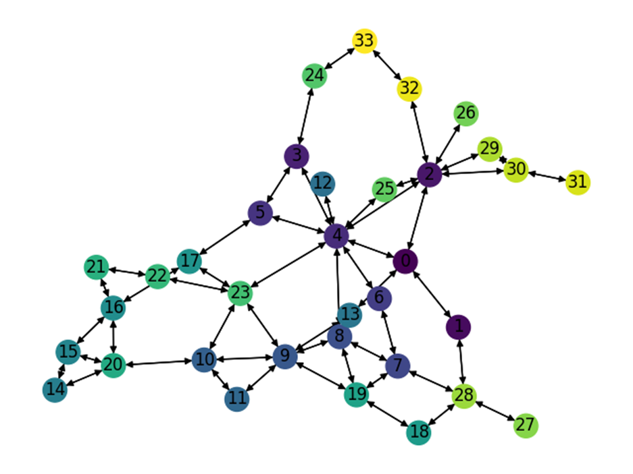
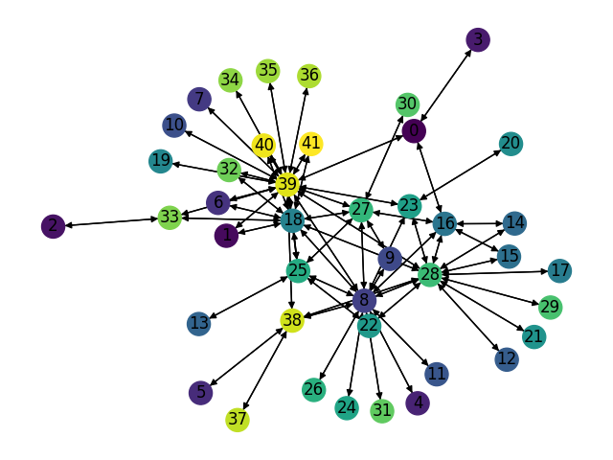
Number of Nodes | Number of links | Smart node set |  | Training Set: |  |  | Test Set: |  |  | Test Set: |  |  | Test Set: |  | LP Set:
42 | 132 | {8, 18, 27, 28, 39} | Description | Gravity Traffic, 1024 TMs, 30% sparsity |  |  | Gravity Traffic, 1024 TMs, 30% sparsity |  |  | Gravity Traffic, 1024 TMs, 30% sparsity |  |  | Gravity Traffic, 1024 TMs, 30% sparsity |  | Gravity Traffic, 1024 TMs, 30% sparsity
 |  |  | Optimal Expected Congestion | 1.4017 |  |  | 1.4092 |  |  | 1.4108 |  |  | 1.405 |  | 1.4017
 |  |  | Reduce source- destination to destination routing congestion | 6.8306 | 387.31% |  | 7.6843 |  | 445.30% | 7.6826 |  | 444.56% | 7.1189 | 406.76%
 |  |  | Oblivious Mean Congestion | 2.1465 | 53.14% |  | 2.1532 |  | 52.80% | 2.1534 |  | 52.64% | 2.1428 | 52.53%
 |  |  | Mean Traffic Matrix optimal routing scheme expected congestion | 2.29 | 63.37% |  | 2.2345 |  | 58.57% | 2.23 |  | 58.07% | 2.3261 | 65.58%

 |  |  | Smart Nodes Set size | “Smart Nodes” by evaluating all hubs options | Expected Congestion of Test Set 0 |  | Expected Congestion of Test Set 1 |  | Expected Congestion of Test Set 2 |  | LP
 |  |  | "-1 (No optimization, just smart weight init)" | None | 2.0275 | 43.88% | 2.0192 | 43.12% | 2.0314 | 44.60% | 2.02 | 44.11%
 |  |  | 0 just RL | None | 1.7542 | 24.48% | 1.7684 | 25.35% | 1.7688 | 25.91% | 1.7562 | 25.29%
 |  |  | 1 | (28,)1.7077 | 1.7319 | 22.90% | 1.7305 | 22.66% | 1.7276 | 22.98% | 1.718 | 22.57%
 |  |  | 2 | (28, 39) 1.643 | 1.6716 | 18.62% | 1.696 | 20.22% | 1.6801 | 19.60% | 1.643 | 17.21%
 |  |  | 3 | (8, 28, 39) 1.584 | 1.6399 | 16.37% | 1.6496 | 16.93% | 1.6347 | 16.37% | 1.5871 | 13.23%
 |  |  | 4 | (8, 18, 28, 39)1.541 | 1.6126 | 14.43% | 1.6074 | 13.94% | 1.6032 | 14.12% | 1.5431 | 10.09%
 |  |  | 5 | (8, 18, 27, 28, 39)1.507 | 1.5899 | 12.82% | 1.5878 | 12.55% | 1.5807 | 12.52% | 1.5183 | 8.32%

Expected Congestion Vs. Optimal

GEANT_2048LP
Number of Nodes | Number of links | Smart node set |  | Training Set: |  |  | Test Set: |  |  | Test Set: |  |  | Test Set: |  | LP Set:
34 | 104 | {2,4,9,23} | Description | Gravity Traffic, 1024 TMs, 30% sparsity |  |  | Gravity Traffic, 1024 TMs, 30% sparsity |  |  | Gravity Traffic, 1024 TMs, 30% sparsity |  |  | Gravity Traffic, 1024 TMs, 30% sparsity |  | Gravity Traffic, 20448 TMs, 30% sparsity
 |  |  | Optimal Expected Congestion | 1.7073 |  |  | 1.7031 |  |  | 1.713 |  |  | 1.706 |  | 1.7316
 |  |  | Reduce source- destination to destination routing congestion | 136.6947 | 7906% |  | 132.4935 |  | 7679.6% | 151.2026 |  | 8726.77% | 49.514683497 | 2802.5%
 |  |  | Oblivious Mean Congestion | 2.5397 | 49% |  | 2.5322 |  | 48.7% | 2.5429 |  | 48.45% | 2.5408 | 48.9%
 |  |  | Mean Traffic Matrix optimal routing scheme expected congestion | 2.5535 | 50% |  | 2.9328 |  | 72.2% | 2.9143 |  | 70.13% | 2.5128 | 47.3%

 |  |  | Smart Nodes Set size | “Smart Nodes” by evaluating all hubs options | Expected Congestion of Test Set 0 |  | Expected Congestion of Test Set 1 |  | Expected Congestion of Test Set 2 |  | LP
 |  |  | "-1 (No optimization, just smart weight init)" | None | 2.6836 | 57.57% | 2.7758 | 62.04% | 2.6745 | 56.78% | 2.7198 | 57.07%
 |  |  | 0 just RL | None | 1.9369 | 13.73% | 1.9479 | 13.71% | 1.948 | 14.19% | 1.9598 | 13.18%
 |  |  | 1 | (4,) 1.912 | 1.9179 | 12.61% | 1.9254 | 12.40% | 1.9054 | 11.69% | 1.914 | 10.53%
 |  |  | 2 | (4, 23) 1.875 | 1.8807 | 10.43% | 1.8951 | 10.63% | 1.8859 | 10.55% | 1.8766 | 8.37%
 |  |  | 3 | (4, 9, 23) 1.853 | 1.8756 | 10.13% | 1.8792 | 9.70% | 1.8684 | 9.52% | 1.8538 | 7.06%
 |  |  | 4 |  |  | -100.00% |  | -100.00% |  | -100.00% |  | -100.00%

Expected Congestion Vs. Optimal

GEANT_1024LP
Number of Nodes | Number of links | Smart node set |  | Training Set: |  |  | Test Set: |  |  | Test Set: |  |  | Test Set: |  | LP Set:
34 | 104 | {2,4,9,23} | Description | Gravity Traffic, 1024 TMs, 30% sparsity |  |  | Gravity Traffic, 1024 TMs, 30% sparsity |  |  | Gravity Traffic, 1024 TMs, 30% sparsity |  |  | Gravity Traffic, 1024 TMs, 30% sparsity |  | Gravity Traffic, 1024 TMs, 30% sparsity
 |  |  | Optimal Expected Congestion | 1.7073 |  |  | 1.7031 |  |  | 1.713 |  |  | 1.706 |  | 1.7116
 |  |  | Reduce source- destination to destination routing congestion | 136.6947 | 7906% |  | 132.4935 |  | 7679.6% | 151.2026 |  | 8726.77% | 49.514683497 | 2802.5%
 |  |  | Oblivious Mean Congestion | 2.5397 | 49% |  | 2.5322 |  | 48.7% | 2.5429 |  | 48.45% | 2.5408 | 48.9%
 |  |  | Mean Traffic Matrix optimal routing scheme expected congestion | 2.5535 | 50% |  | 2.9328 |  | 72.2% | 2.9143 |  | 70.13% | 2.5128 | 47.3%

 |  |  | Smart Nodes Set size | “Smart Nodes” by evaluating all hubs options | Expected Congestion of Test Set 0 |  | Expected Congestion of Test Set 1 |  | Expected Congestion of Test Set 2 |  | LP
 |  |  | "-1 (No optimization, just smart weight init)" | None | 2.6836 | 57.57% | 2.7758 | 62.04% | 2.6745 | 56.78% | 2.6948 | 57.44%
 |  |  | 0 just RL | None | 1.9369 | 13.73% | 1.9479 | 13.71% | 1.948 | 14.19% | 1.9527 | 14.09%
 |  |  | 1 | (4,) 1.904 | 1.916 | 12.50% | 1.9268 | 12.48% | 1.9143 | 12.21% | 1.9112 | 11.66%
 |  |  | 2 | (4, 23) 1.87 | 1.8943 | 11.23% | 1.8938 | 10.55% | 1.8992 | 11.33% | 1.8764 | 9.63%
 |  |  | 3 | (4, 9, 23) 1.8446 | 1.8933 | 11.17% | 1.899 | 10.86% | 1.8917 | 10.89% | 1.8634 | 8.87%
 |  |  | 4 | (2, 4, 9, 23) 1.834 | 1.8993 | 11.52% | 1.9074 | 11.35% | 1.8977 | 11.24% | 1.8581 | 8.56%

Expected Congestion Vs. Optimal

ScaleFree30Nodes_random_1024LP
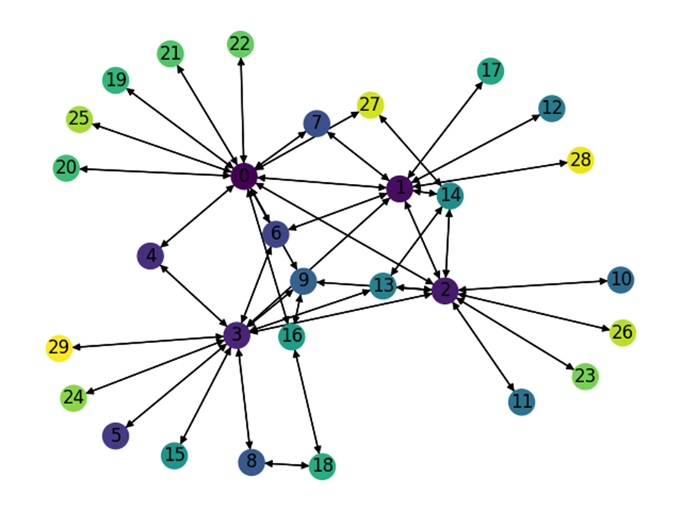
Number of Nodes | Number of links | Smart node set |  | Training Set: |  |  | Test Set: |  |  | Test Set: |  |  | Test Set: |  | LP Set:
30 | 86 | {0,1,2,3} | Description | Gravity Traffic, 1024 TMs, 30% sparsity |  |  | Gravity Traffic, 1024 TMs, 30% sparsity |  |  | Gravity Traffic, 1024 TMs, 30% sparsity |  |  | Gravity Traffic, 1024 TMs, 30% sparsity |  | Gravity Traffic, 1024 TMs, 30% sparsity
 |  |  | Optimal Expected Congestion | 1.3137 |  |  | 1.3108 |  |  | 1.3134 |  |  | 1.3114 |  | 1.3261
 |  |  | Reduce source- destination to destination routing congestion | 1.883 | 43.34% |  | 1.9888 |  | 51.72% | 1.8765 |  | 42.87% | 1.8301 | 39.55%
 |  |  | Oblivious Mean Congestion | 1.6628 | 26.57% |  | 1.661 |  | 26.72% | 1.6674 |  | 26.95% | 1.6593 | 26.53%
 |  |  | Mean Traffic Matrix optimal routing scheme expected congestion | 1.707 | 29.94% |  | 1.6947 |  | 29.29% | 1.7579 |  | 33.84% | 1.7424 | 32.87%

 |  |  | Smart Nodes Set size | “Smart Nodes” by evaluating all hubs options | Expected Congestion of Test Set 0 |  | Expected Congestion of Test Set 1 |  | Expected Congestion of Test Set 2 |  | LP
 |  |  | "-1 (No optimization, just smart weight init)" | None | 1.6414 | 25.22% | 1.6188 | 23.25% | 1.633 | 24.52% | 1.6323 | 23.09%
 |  |  | 0 just RL | None | 1.5123 | 15.37% | 1.5193 | 15.68% | 1.5107 | 15.20% | 1.5098 | 13.85%
 |  |  | 1 | (0,) 1.49 | 1.5014 | 14.54% | 1.4993 | 14.15% | 1.502 | 14.53% | 1.4967 | 12.86%
 |  |  | 2 | (0, 2) 1.462 | 1.4745 | 12.49% | 1.4734 | 12.18% | 1.4752 | 12.49% | 1.4653 | 10.50%
 |  |  | 3 | (0, 2, 3) 1.43 | 1.4462 | 10.33% | 1.4498 | 10.39% | 1.4549 | 10.94% | 1.4409 | 8.66%
 |  |  | 4 | (0, 1, 2, 3) 1.398 | 1.44 | 9.86% | 1.4303 | 8.90% | 1.427 | 8.82% | 1.4093 | 6.27%

Expected Congestion Vs. Optimal

GoodNet_Gravity_1024LP
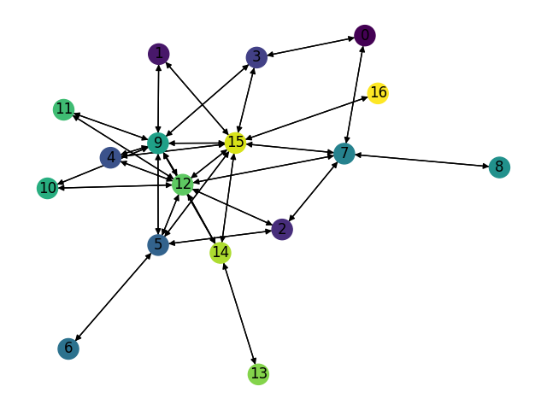
Number of Nodes | Number of links | Smart node set |  | Training Set: |  |  | Test Set: |  |  | Test Set: |  |  | Test Set: |  | LP Set:
17 | 62 | {5,7,9,12,15} | Description | Gravity Traffic, 1024 TMs, 30% sparsity |  |  | Gravity Traffic, 1024 TMs, 30% sparsity |  |  | Gravity Traffic, 1024 TMs, 30% sparsity |  |  | Gravity Traffic, 1024 TMs, 30% sparsity |  | Gravity Traffic, 1024 TMs, 30% sparsity
 |  |  | Optimal Expected Congestion | 1.0495 |  |  | 1.0496 |  |  | 1.0473 |  |  | 1.0501 |  | 1.0532
 |  |  | Reduce source- destination to destination routing congestion | 1.2936 | 23.26% |  | 1.3237 |  | 26.11% | 1.2976 |  | 23.90% | 1.2619 | 20.17%
 |  |  | Oblivious Mean Congestion | 1.2488 | 18.99% |  | 1.2505 |  | 19.14% | 1.2482 |  | 19.18% | 1.2525 | 19.27%
 |  |  | Mean Traffic Matrix optimal routing scheme expected congestion | 1.4819 | 41.20% |  | 1.5116 |  | 44.02% | 1.4991 |  | 43.14% | 1.4861 | 41.52%

 |  |  | Smart Nodes Set size | “Smart Nodes” by evaluating all hubs options | Expected Congestion of Test Set 0 |  | Expected Congestion of Test Set 1 |  | Expected Congestion of Test Set 2 |  | LP
 |  |  | "-1 (No optimization, just smart weight init)" | None | 1.2454 | 18.65% | 1.2301 | 17.45% | 1.2407 | 18.15% | 1.2469 | 18.39%
 |  |  | 0 just RL | None | 1.1844 | 12.84% | 1.1823 | 12.89% | 1.1813 | 12.49% | 1.1849 | 12.50%
 |  |  | 1 | (12,) 1.167 | 1.17 | 11.47% | 1.17 | 11.72% | 1.169 | 11.32% | 1.1675 | 10.85%
 |  |  | 2 | (12, 15) 1.1494 | 1.16 | 10.52% | 1.155 | 10.28% | 1.16 | 10.47% | 1.1492 | 9.12%
 |  |  | 3 | (7, 12, 15) 1.133 | 1.154 | 9.95% | 1.145 | 9.33% | 1.15 | 9.51% | 1.1407 | 8.31%
 |  |  | 4 | (5, 9, 12, 15) 1.115 | 1.138 | 8.42% | 1.1347 | 8.35% | 1.1364 | 8.22% | 1.1149 | 5.86%
 |  |  | 5 | (5,7,9,12,15) 1.09425 | 1.12 | 6.71% | 1.122 | 7.13% | 1.127 | 7.32% | 1.0973 | 4.19%

Expected Congestion Vs. Optimal

GoodNet_Bimodal_1024LP
Number of Nodes | Number of links | Smart node set |  | Training Set: |  |  | Test Set: |  |  | Test Set: |  |  | Test Set: |  | LP Set:
17 | 62 | {5,7,9,12,15} | Description | Bimodal Traffic, 1024 TMs, 30% sparsity 20% elephant flows |  |  | Bimodal Traffic, 1024 TMs, 30% sparsity 20% elephant flows |  |  | Bimodal Traffic, 1024 TMs, 30% sparsity 20% elephant flows |  |  | Bimodal Traffic, 1024 TMs, 30% sparsity 20% elephant flows |  | Bimodal Traffic, 1024 TMs, 30% sparsity 20% elephant flows
 |  |  | Optimal Expected Congestion | 3.027 |  |  | 3.0597 |  |  | 3.0081 |  |  | 3.1221 |  | 3.029
 |  |  | Reduce source- destination to destination routing congestion | 3.1755 | 4.91% |  | 3.2151 |  | 5.08% | 3.168 |  | 5.32% | 3.2637 | 4.54%
 |  |  | Oblivious Mean Congestion | 3.1151 | 2.91% |  | 3.1452 |  | 2.79% | 3.1045 |  | 3.20% | 3.2007 | 2.52%
 |  |  | Mean Traffic Matrix optimal routing scheme expected congestion | 3.6024 | 19.01% |  | 3.6149 |  | 18.15% | 3.6132 |  | 20.12% | 3.6958 | 18.38%

 |  |  | Smart Nodes Set size | “Smart Nodes” by evaluating all hubs options | Expected Congestion of Test Set 0 |  | Expected Congestion of Test Set 1 |  | Expected Congestion of Test Set 2 |  | LP
 |  |  | "-1 (No optimization, just smart weight init)" | None | 3.222 | 5.30% | 3.191 | 6.08% | 3.2789 | 5.02% | 3.1914 | 5.36%
 |  |  | 0 just RL | None |  | -100.00% |  | -100.00% |  | -100.00% |  | -100.00%
 |  |  | 1 | (12,) 1.167 |  | -100.00% |  | -100.00% |  | -100.00% |  | -100.00%
 |  |  | 2 | (12, 15) 1.1494 |  | -100.00% |  | -100.00% |  | -100.00% |  | -100.00%
 |  |  | 3 | (7, 12, 15) 1.133 |  | -100.00% |  | -100.00% |  | -100.00% |  | -100.00%
 |  |  | 4 | (5, 9, 12, 15) 1.115 |  | -100.00% |  | -100.00% |  | -100.00% |  | -100.00%
 |  |  | 5 | (5,7,9,12,15) 1.09425 |  | -100.00% |  | -100.00% |  | -100.00% |  | -100.00%

Expected Congestion Vs. Optimal

