Confidence Intervel
 | n= | 25 |  | 95 % Conifdence intreval
 | mean= | 50 |  | alfa= | 0.05
 | S= | 8 |  | alfa/2= | 0.025 | 0.975
n-1 | df= | 24 |  | from t table= | 2.064 | t_score | t_alfa/2
=T.INV.2T(0.05, 24)
 |  |  |  |  | 2.0638985616 | t_score | t_alfa/2
=50-CONFIDENCE.T(0.05,8,25)
=50+CONFIDENCE.T(0.05,8,25)
 |  |  |  | 46.698
 |  |  |  | 53.302
=50 - T.INV.2T(0.05, 24) * 8 /SQRT(25)
=50 + T.INV.2T(0.05, 24) * 8 /SQRT(25)
 |  |  |  | 46.698
 |  |  |  | 53.302

 |  | 46.698 <= | 50 | <= 53.302

Hyp Z test two-tail siq. known
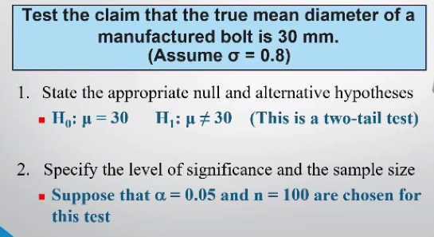
Hypothesis Z Test two-tail siqma known
H0: M = | 30
H1: M != | 30 |  |  |  | P(Z_stat) | P(Z_stat)
=NORM.S.DIST(-2,TRUE)
Mean= | 29.84 |  |  |  | from Z table
n= | 100 |  | Z_stat = | -2 | 0.0228 | 0.0228
siqma= | 0.8
 |  |  | 95 % Conifdence intreval
 |  |  | alfa= | 0.05 |  |  | Z_critic
 |  |  | alfa/2= | 0.025 | -1.96 | Z_alfa/2 | Z_score | from Z table
=NORM.S.INV(0.025)
 |  |  | alfa/2= | 0.975 | 1.96 | Z_alfa/2 | Z_score | from Z table
 |  |  |  |  | -1.96 | Z_alfa/2 | Z_score
=NORM.S.INV(0.975)
 |  |  |  |  | 1.96 | Z_alfa/2 | Z_score
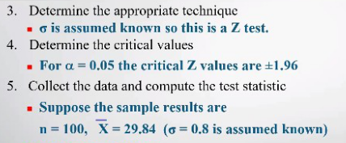
=2*NORM.S.DIST(-2,TRUE)
1 st method |  |  | Z_stat | -2 < | -1.96 | < 1.96 | Aralığa düşmədi | reject H0
2 nd method |  |  | p-value | P(Z_stat)*2 | from Z table | 0.0456 | < 0.05 | alfa | reject H0
 |  |  | p-value |  |  | 0.0455 | < 0.05 | alfa | reject H0
=J4 + NORM.S.INV(0.975)*J6/SQRT(J5)
3 thd method |  | If H0: M = 30 not in |  | 29.9968 | <= H0: M <= | 29.9968 |  | for 95% | reject H0
=J4 + NORM.S.INV(0.025)*J6/SQRT(J5)
3 thd method |  | If H0: M = 30 not in |  | 29.6832 | <= H0: M <= | 29.9968 |  | for 95% | reject H0
=29.84 - CONFIDENCE.NORM(0.05, 0.8, 100)
=29.84 + CONFIDENCE.NORM(0.05, 0.8, 100)

Hyp t test two-tail siq. unkno
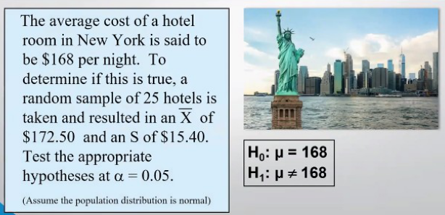
 | Hypothesis t Test two-tail siqma unknown
 | H0: M = | 168 |  |  |  | p-value
 | H1: M != | 168 |  |  |  | P(t_stat) | P(t_stat) - p-value
=T.DIST.2T(1.46, 24)
 | Mean= | 172.5 |  |  |  | from t table
 | n= | 25 |  | t_stat = | 1.46 | 0.1573 | 0.1573
 | S= | 15.4
 |  |  |  | 95 % Conifdence intreval
n-1 | df= | 24 |  | alfa= | 0.05 |  |  | t_critic
 |  |  |  | alfa/2= | 0.025 | -2.064 | t_alfa/2 | t_score | from t table
 |  |  |  | alfa/2= | 0.975 | 2.064 | t_alfa/2 | t_score | from t table
= - T.INV.2T(0.05, 24)
 |  | lower critical value |  |  |  | -2.064 | t_alfa/2 | t_score
=T.INV.2T(0.05, 24)
 |  | upper critical value |  |  |  | 2.064 | t_alfa/2 | t_score

=T.DIST.2T(1.46, 24)
1 st method |  |  | t_stat | -2.064 | < 1.46 < | 2.064 | Don’t reject H0
2 nd method |  |  | p-value | P(t_stat) | from t table | 0.1573 | > 0.05 | alfa | Don’t reject H0
 |  |  | p-value |  |  | 0.1573 | > 0.05 | alfa | Don’t reject H0
=172.5 - T.INV.2T(0.05, 24)*15.4/SQRT(25)
=172.5 + T.INV.2T(0.05, 24)*15.4/SQRT(25)
3 thd method |  | If H0: M = 168 in |  | 166.1432 | <= 168 <= | 178.8568 |  | for 95% | Don’t reject H0

3 thd method |  | If H0: M = 168 in |  | 166.1432 | <= 168 <= | 178.8568 |  | for 95% | Don’t reject H0
=172.5 - CONFIDENCE.T(0.05, 15.4, 25)
=172.5 + CONFIDENCE.T(0.05, 15.4, 25)

Hyp t test Upper one-tail
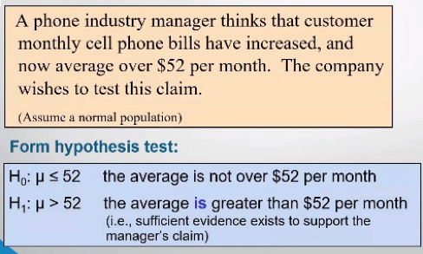
 | Hypothesis t Test Upper one-tail siqma unknown
 | H0: M <= | 52 |  |  |  | p-value
 | H1: M > | 52 |  |  |  | P(t_stat) | P(t_stat) - p-value
=T.DIST.RT(0.55, 24)
 | Mean= | 53.1 |  |  |  | from t table
 | n= | 25 |  | t_stat = | 0.55 | 0.2937 | 0.2937
 | S= | 10
 |  |  |  | 90 % Conifdence intreval
n-1 | df= | 24 |  | alfa= | 0.1
 |  |  |  | t_alfa= | 1.3178 | t_score | t_critic | from t table
=T.INV.2T(2*0.1, 24)
 |  | upper critical value |  |  |  | 1.3178 | t_score | t_critic

=T.DIST.RT(0.55, 24)
 | 1 st method |  |  | t_stat | 0.55 < | 1.3178 |  | Don’t reject H0
 | 2 nd method |  |  | p-value | P(t_stat) | from t table | 0.2937 | > 0.05 | alfa | Don’t reject H0
 |  |  |  | p-value |  |  | 0.2937 | > 0.05 | alfa | Don’t reject H0
=53.1 - T.INV.2T(2*0.1, 24) * 10 / SQRT(25)
 | 3 thd method |  | If H0: M = 52 in |  | 50.4643 | <= 52 <= | ∞ |  | for 95% | Don’t reject H0

 | 3 thd method |  | If H0: M = 52 in |  | 50.4643 | <= 52 <= | ∞ |  | for 95% | Don’t reject H0
=53.1 - CONFIDENCE.T(2*0.1, 10, 25)

Hyp t test Lower one-tail
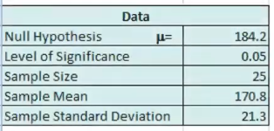
 | Hypothesis t Test Lower one-tail siqma unknown
 | H0: M >= | 184.2 |  |  |  | p-value
 | H1: M < | 184.2 |  |  |  | P(t_stat) | P(t_stat) - p-value |  | P(t_stat) - p-value
=T.DIST(-3.1455, 24, 1)
=T.DIST.RT(ABS(-3.1455), 24)
 | Mean= | 170.8 |  |  |  | from t table
 | n= | 25 |  | t_stat = | -3.1455 | 0.0022 | 0.0022 |  | 0.0022
 | S= | 21.3
 |  |  |  | 95 % Conifdence intreval
n-1 | df= | 24 |  | alfa= | 0.05
 |  |  |  | t_alfa= | -1.7110 | t_score | t_critic | from t table
=T.INV(0.05, 24)
 |  | lower critical value |  |  |  | -1.7109 | t_score | t_critic
= - T.INV.2T(2*0.05, 24)
 |  | lower critical value |  |  |  | -1.7109 | t_score | t_critic

=T.DIST(-3.1455, 24, 1)
 | 1 st method |  |  | t_stat | -3.1455 < | -1.7109 |  | reject H0
 | 2 nd method |  |  | p-value | P(t_stat) | from t table | 0.0022 | < 0.05 | alfa | reject H0
 |  |  |  | p-value |  |  | 0.0022 | < 0.05 | alfa | reject H0
=T.DIST.RT(ABS(-3.1455), 24)
 |  |  | p-value |  |  |  | 0.0022 | < 0.05 | alfa | reject H0
=170.8 + T.INV(1-0.05, 24) * 21.3 / SQRT(25)
 | 3 thd method |  | If H0: M = 184.2 not in |  | −∞ | <= H0: M <= | 178.0884 |  | for 95% | reject H0

 | 3 thd method |  | If H0: M = 184.2 not in |  | −∞ | <= H0: M <= | 178.0884 |  | for 95% | reject H0
=170.8 + CONFIDENCE.T(2*0.05, 21.3, 25)

