general formulas
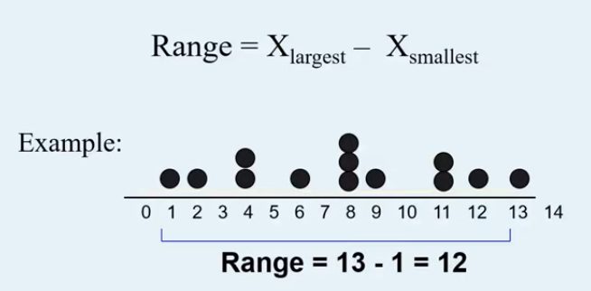

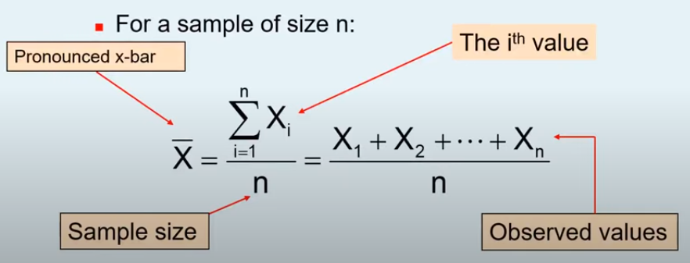

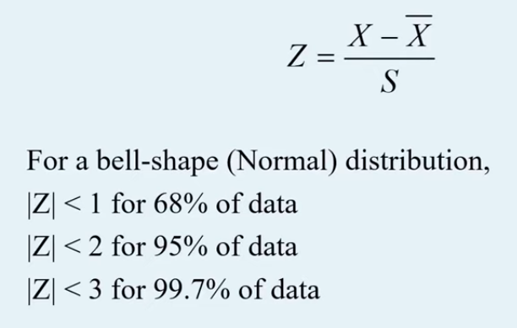

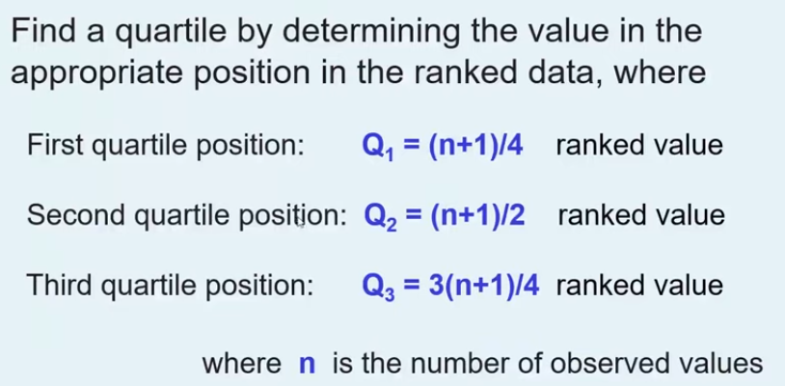
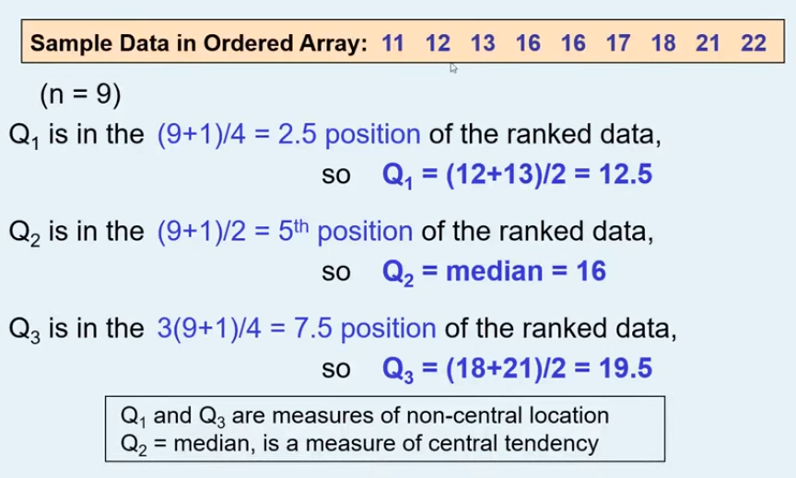

z-score
 | GDP | Average Wages | GDP | Average Wages | 2145851812111.05
2011 | 34948153851 | 406 | -1.5368691022 | -1.5098956944
2022 | 35393925299 | 419 | -1.5091892098 | -1.4158221764
2016 | 36277400597 | 421 | -1.4543303774 | -1.4013493275
2010 | 39674187693 | 423 | -1.2434090597 | -1.3868764786
2017 | 48401363697 | 439 | -0.70150065906 | -1.2710936873
2008 | 49172358716 | 479 | -0.65362621749 | -0.981636709
2014 | 49236683727 | 517 | -0.64963199716 | -0.70665257962
2013 | 50559208753 | 563 | -0.56751065329 | -0.37377705458
2021 | 52837606769 | 589 | -0.42603498873 | -0.18563001869
2009 | 54168730800 | 609 | -0.34337969515 | -0.040901529542
2001 | 60404958658 | 609 | 0.043854876849 | -0.040901529542
2015 | 60852512182 | 611 | 0.071645426081 | -0.026428680627
2005 | 61832480405 | 613 | 0.13249592482 | -0.011955831712
2012 | 61924236832 | 640 | 0.13819348135 | 0.18342762864
2020 | 62857600505 | 672 | 0.19615010042 | 0.41499321127
2007 | 65526252843 | 700 | 0.36185835699 | 0.61761309608
2006 | 67410760394 | 732 | 0.47887564558 | 0.84917867872
2019 | 68329691112 | 748 | 0.53593605956 | 0.96496147004
2003 | 70622799821 | 749 | 0.67832517518 | 0.97219789449
2004 | 82092081930 | 770 | 1.390502897 | 1.1241628081
2018 | 82997625644 | 774 | 1.4467320535 | 1.1531085059
2002 | 88467393469 | 801 | 1.786373781 | 1.3484919663
2000 | 89082012916 | 853 | 1.8245381817 | 1.7247860381
 |  |  |  |  |  | 7
mean | 59698696809 | 614.65217391 | 0 | -1.2550347235E-16
stdev | 16104522450 | 138.1897933 | 1 | 1

varian.,stdev.,covar. formulas
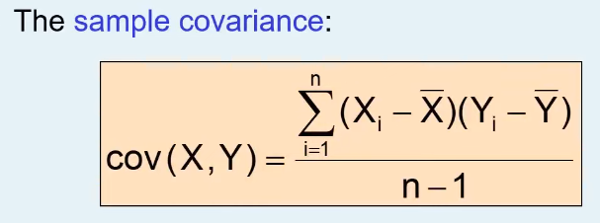
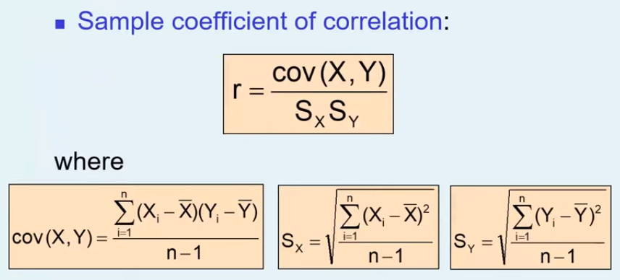

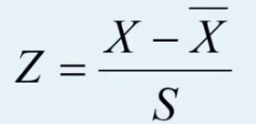

2 | 4 | 1.6666666667
3 | 5 | 0
6 | 6 | 2.3333333333

3.6666666667 | 5 | 4
 |  | 2

 | 2

correlation
temperature | ice-cream | covar | -871.82380952
20 | 690 | x stdev | 5.7150594714
21 | 660 | y stdev | 155.19164803
23 | 638 | correl | -0.98296855783 | -0.98296855783
23 | 615
25 | 587
26 | 586
26 | 560
26 | 558
27 | 497
27 | 466 |  | 560
28 | 459 |  |  | yes
29 | 406
29 | 392 |  |  |  | 20 | 690
32 | 372 |  |  | 20 | 1
32 | 371 |  |  | 690 | -0.9804549335 | 1
33 | 332
34 | 295
37 | 271
38 | 236
38 | 207 |  |  |  | -871.82380952
39 | 202

 |  |  |  |  |  | 20 | 690
 |  |  |  |  | 20 | 28.2275
 |  |  |  |  | 690 | -754.875 | 21000.15

 |  |  |  |  |  | -830.30839002
 |  |  |  |  |  | -871.82380952

 |  |  |  |  |  | 31.106575964

binom_3 dist
 |  | Involving clients | P(x) | p |  |  | n | p
N= | 50 | 0 | 0.03% | 0.03% | is gunu N | 22 | 0 | 0%
P= | 0.15 | 1 | 0.26% | 0.29% | ise vaxtinda catma ehtimali | 0.7 | 1 | 0%
 |  | 2 | 1.13% | 1.42% |  |  | 2 | 0%
 |  | 3 | 3.19% | 4.60% | mean = | 15.4 | 3 | 0%
 |  | 4 | 6.61% | 11.21% | var= | 4.62 | 4 | 0%
 |  | 5 | 10.72% | 21.94% |  |  | 5 | 0%
 |  | 6 | 14.19% | 36.13% |  |  | 6 | 0%
 |  | 7 | 15.75% | 51.88% |  |  | 7 | 0%
 |  | 8 | 14.93% | 66.81% |  |  | 8 | 0%
 |  | 9 | 12.30% | 79.11% |  |  | 9 | 0%
 |  | 10 | 8.90% | 88.01% |  |  | 10 | 1%
 |  | 11 | 5.71% | 93.72% |  |  | 11 | 2%
 |  | 12 | 3.28% | 96.99% |  |  | 12 | 5%
 |  | 13 | 1.69% | 98.68% |  |  | 13 | 9%
 |  | 14 | 0.79% | 99.47% |  |  | 14 | 14%
 |  | 15 | 0.33% | 99.81% |  |  | 15 | 18%
 |  | 16 | 0.13% | 99.93% |  |  | 16 | 18%
 |  | 17 | 0.05% | 99.98% |  |  | 17 | 15%
 |  | 18 | 0.01% | 99.99% |  |  | 18 | 10%
 |  | 19 | 0.00% | 100.00% |  |  | 19 | 5%
 |  | 20 | 0.00% | 100.00% |  |  | 20 | 2%
 |  |  |  |  |  |  | 21 | 0%
 |  |  |  |  |  |  | 22 | 0%

poisson dist
Number of succses | p, false | p, true | lambda | 5
0 | 0.7% | 0.006738
1 | 3.4% | 0.040428
2 | 8.4% | 0.124652
3 | 14.0% | 0.265026
4 | 17.5% | 0.440493
5 | 17.5% | 0.615961
6 | 14.6% | 0.762183
7 | 10.4% | 0.866628
8 | 6.5% | 0.931906
9 | 3.6% | 0.968172
10 | 1.8% | 0.986305
11 | 0.8% | 0.994547
12 | 0.3% | 0.997981
13 | 0.1% | 0.999302
14 | 0.0% | 0.999774
15 | 0.0% | 0.999931
16 | 0.0% | 0.999980
17 | 0.0% | 0.999995
18 | 0.0% | 0.999999
19 | 0.0% | 1.000000
20 | 0.0% | 1.000000

 | mean | 5
 | var | 5
 | stdev | 2.2360679775

sampling_dist
 |  | z
 | 18 | 1 | 0.25 |  | 18 | 0.25
 | 20 | 1 | 0.25 |  | 20 | 0.25
 | 22 | 1 | 0.25 |  | 22 | 0.25
 | 24 | 1 | 0.25 |  | 24 | 0.25
 |  | 4
mean= | 21
var= | 5
stdev= | 2.2360679775

 | 18 | 20 | 22 | 24
18 | 18,18 | 18,20 | 18,22 | 18,24
20 | 20,18 | 20,20 | 20,22 | 20,24
22 | 22,18 | 22,20 | 22,22 | 22,24
24 | 24,18 | 24,20 | 24,22 | 24,24

 | 18 | 20 | 22 | 24 |  | 18
18 | 18 | 19 | 20 | 21 |  | 19
20 | 19 | 20 | 21 | 22 |  | 20
22 | 20 | 21 | 22 | 23 |  | 21
24 | 21 | 22 | 23 | 24 |  | 19
 |  |  |  |  |  | 20
 |  |  |  |  |  | 21
mean | 21 |  |  |  |  | 22
st error | 0.55901699437 |  |  |  |  | 20
 |  |  |  |  |  | 21
 |  |  |  |  |  | 22
 |  |  |  |  |  | 23
 |  |  |  |  |  | 21
 |  |  |  |  |  | 22
 |  |  |  |  |  | 23
 |  |  |  |  |  | 24

samp.dist formulas
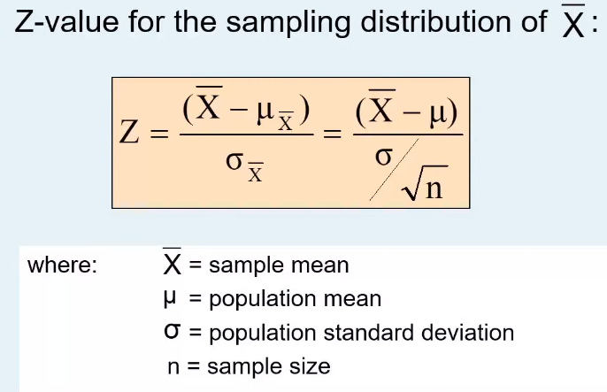

confidence interval formulas
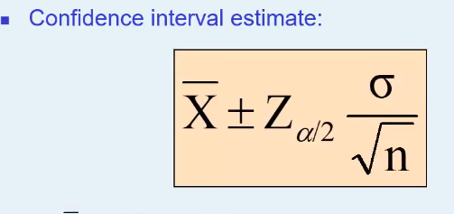

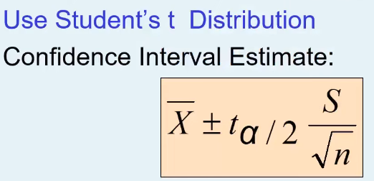

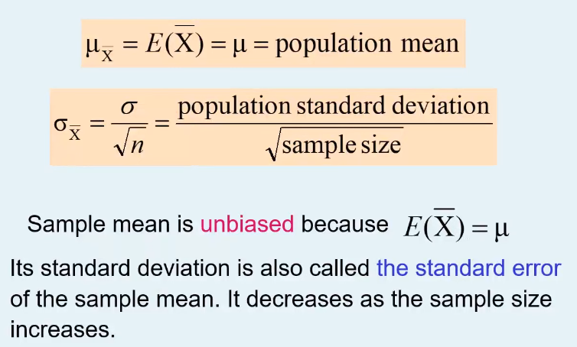

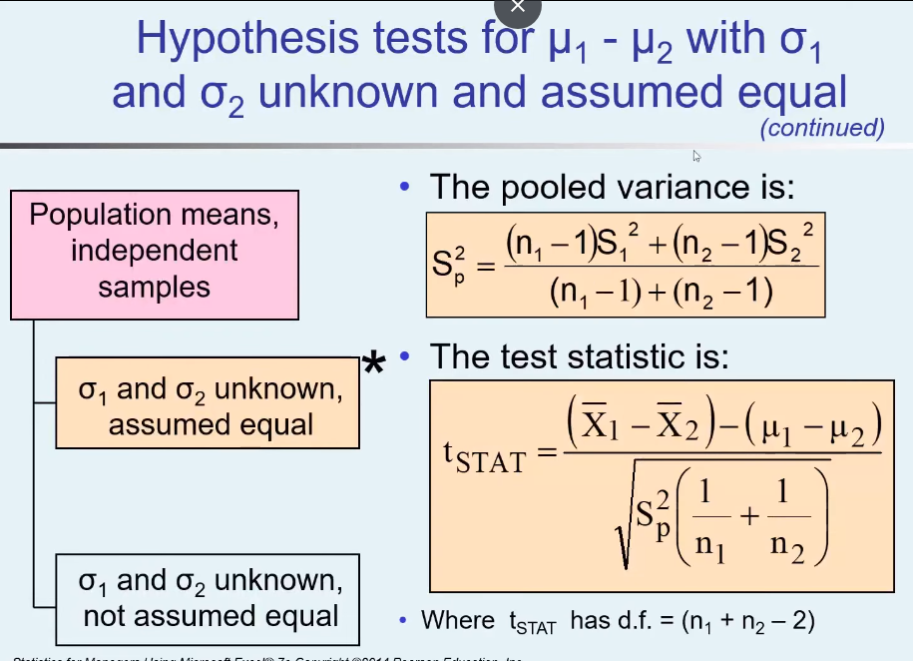
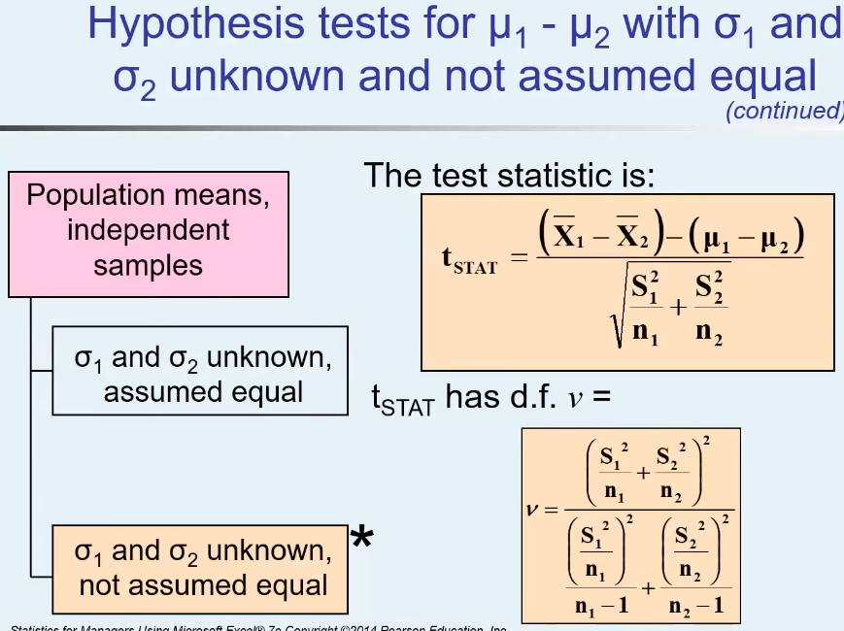

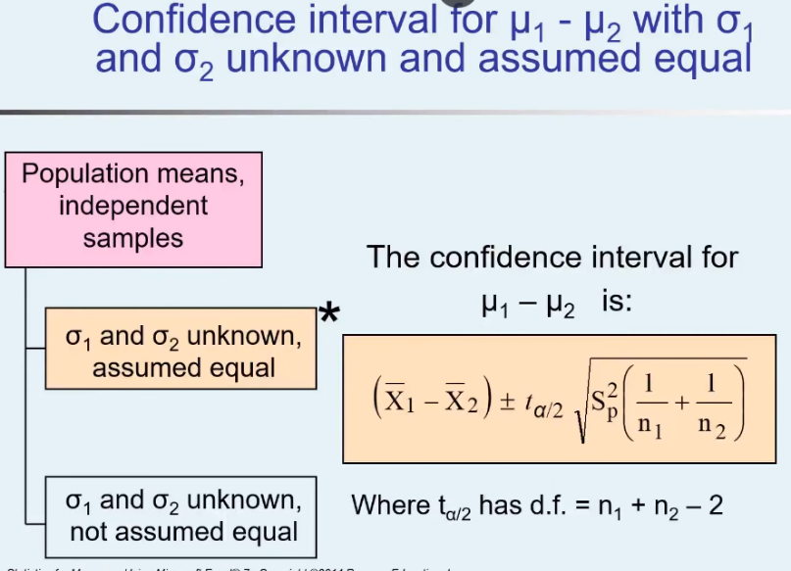

two sample hypot. test formulas
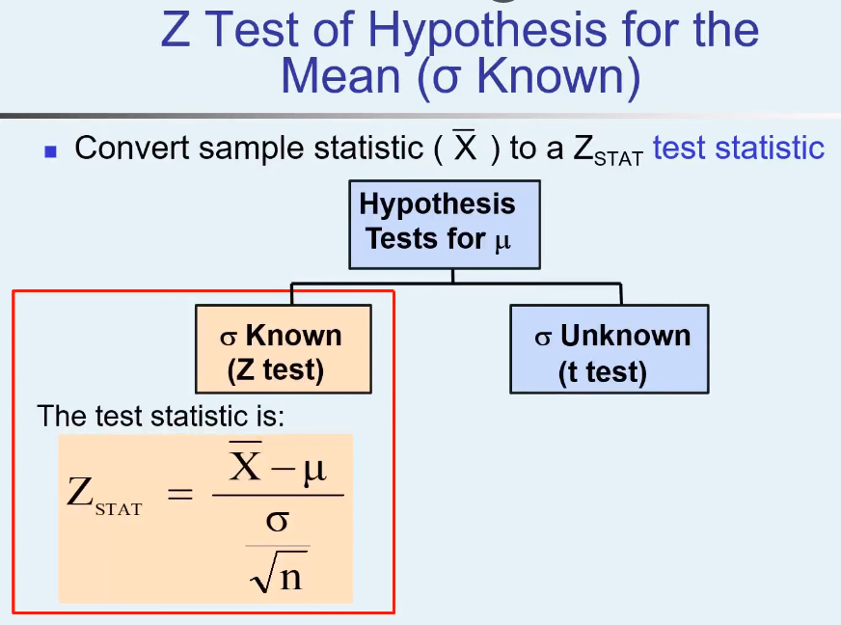
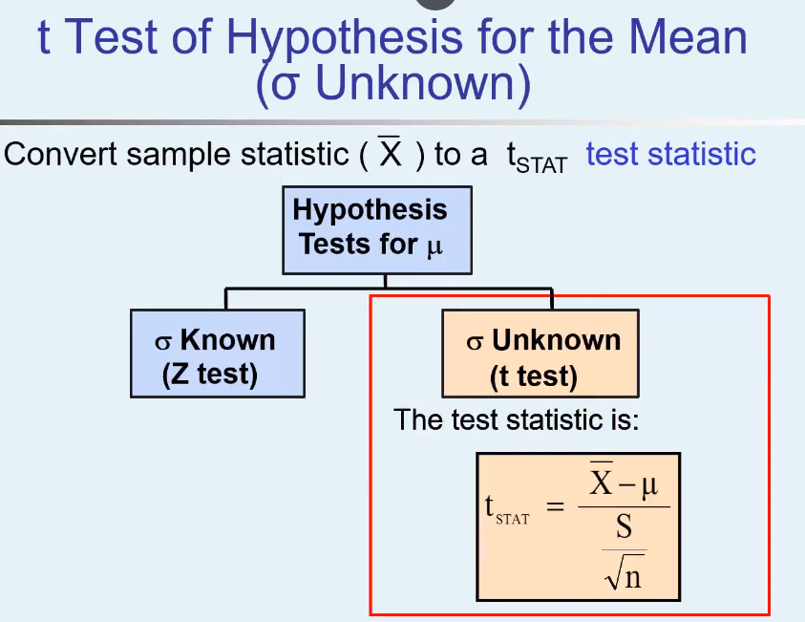

two sample test eq or uneq siq
 | H0 : m1-m2 | 0
 | H1: m1-m2 | !0

 | NYSE | NASDAQ |  |  | alfa | 1 | 9
number | 21 | 25 |  |  | 0.05 | 20 | 8
samp.mean | 3.27 | 2.53 |  |  | df | 30 | 7
samp. St dev | 1.3 | 1.16 |  |  | 44 | 40 | 6
 |  |  |  |  |  | 50 | 5 |  | 0.00035584419662
s**2 | 1.5021454545 |  |  |  |  | 60 | 4
t stat | 2.0397477447 |  |  |  |  | 70 | 3
 |  |  |  |  |  | 80 | 2
 | critical value | -2.0153675744 |  |  |  | 90 | 1
 | critical value | 2.0153675744

 | 2.03 not in | -2.01 | and | 2.01 |  |  |  | t-Test: Two-Sample Assuming Equal Variances

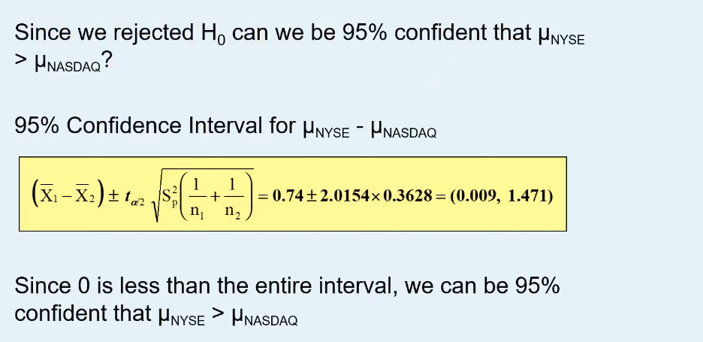
 |  |  |  |  |  |  |  |  | Variable 1 | Variable 2
 |  |  |  |  |  |  |  | Mean | 49 | 5
 |  |  |  |  |  |  |  | Variance | 849 | 7.5
 |  |  |  |  |  |  |  | Observations | 9 | 9
 |  |  |  |  |  |  |  | Pooled Variance | 428.25
 |  |  |  |  |  |  |  | Hypothesized Mean Difference | 0
 |  |  |  |  |  |  |  | df | 16
 |  |  |  |  |  |  |  | t Stat | 4.5103500355
 |  |  |  |  |  |  |  | P(T<=t) one-tail | 0.00017792209831
 |  |  |  |  |  |  |  | t Critical one-tail | 1.7458836763
 |  |  |  |  |  |  |  | P(T<=t) two-tail | 0.00035584419662
 |  |  |  |  |  |  |  | t Critical two-tail | 2.1199052992

 |  |  |  |  |  |  |  | t-Test: Two-Sample Assuming Unequal Variances

1.4874843524 |  |  |  |  |  |  |  |  | Variable 1 | Variable 2
-0.0074843523912 |  |  |  |  |  |  |  | Mean | 49 | 5
 |  |  |  |  |  |  |  | Variance | 849 | 7.5
 |  |  |  |  |  |  |  | Observations | 9 | 9
 |  |  |  |  |  |  |  | Hypothesized Mean Difference | 0
 |  |  |  |  |  |  |  | df | 8
 |  |  |  |  |  |  |  | t Stat | 4.5103500355
 |  |  |  |  |  |  |  | P(T<=t) one-tail | 0.00098744986657
 |  |  |  |  |  |  |  | t Critical one-tail | 1.8595480375
 |  |  |  |  |  |  |  | P(T<=t) two-tail | 0.0019748997331
 |  |  |  |  |  |  |  | t Critical two-tail | 2.3060041352

ANOVA formulas
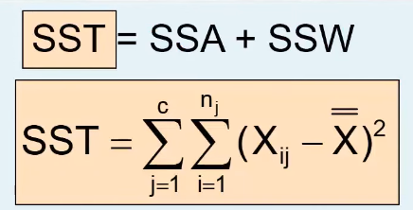
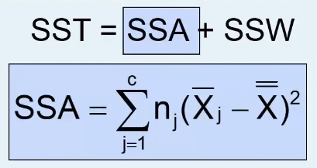
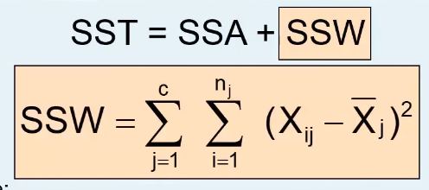

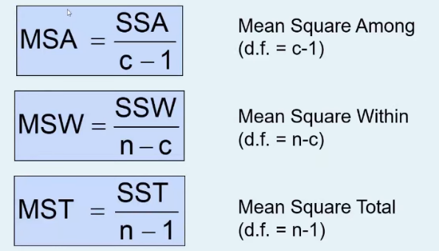

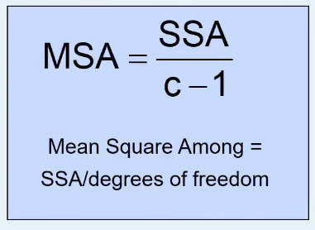
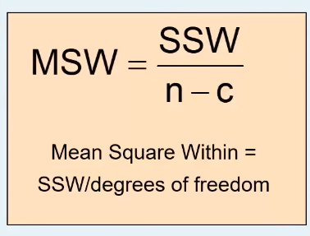

Chi-square test-1
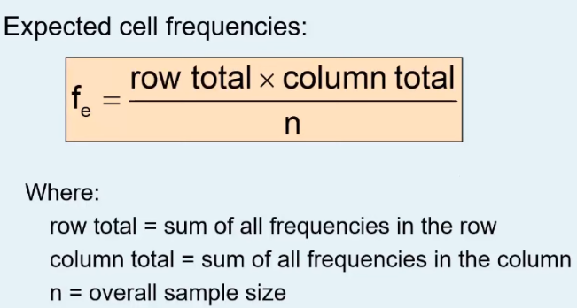
Gender | Hand Preference
 | Left |  | Right
Female | Obsreved | 12 | Obsreved | 108 | 120 |  | 12 | 14.4
 | expected | 14.4 | expected | 105.60 |  |  | 108 | 105.6
Male | Obsreved | 24 | Obsreved | 156 | 180 |  | 24 | 21.6
 | expected | 21.6 | expected | 158.4 |  |  | 156 | 158.4
 | 36 |  | 264 |  | 300
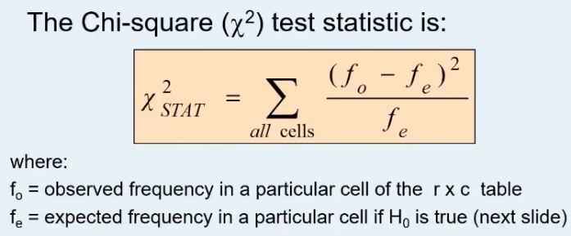
 |  |  |  |  |  |  |  | 0.85958506233 | excell func
 |  |  |  |  |  |  |  | duz gelmir
 | X**2 stat | 0.7576

 | df | 1 | excell func |  | x**2 alfa | 0.05
 | X**2_0.05 | 3.841 | 3.8414588207

 | X**2 stat | < | X**2_0.05 | don’t reject

LinearRegression_1
 |  |  | temp | dondruma | Predicted dondruma
 |  |  | 20 | 122 | 130.89934889
 |  |  | 21 | 141 | 138.77373847 |  | SUMMARY OUTPUT
 |  |  | 21 | 142 | 138.77373847
 |  |  | 22 | 145 | 146.64812805 |  | Regression Statistics
 |  |  | 23 | 148 | 154.52251763 |  | Multiple R | 0.98595725863
 |  |  | 25 | 178 | 170.2712968 |  | R Square | 0.97211171584 | coefficient of determination or correl. |  |  |  | temp. dondur. tesiri 97%
 |  |  | 27 | 204 | 186.02007596 |  | Adjusted R Square | 0.96957641728
 |  |  | 32 | 225 | 225.39202387 |  | Standard Error | 9.5762252053
 |  |  | 33 | 227 | 233.26641346 |  | Observations | 13
 |  |  | 33 | 229 | 233.26641346
 |  |  | 35 | 237 | 249.01519262 |  | ANOVA
 |  |  | 38 | 266 | 272.63836137 |  |  | df | SS | MS | F | Significance F
 |  |  | 39 | 296 | 280.51275095 |  | Regression | 1 | 35162.178096 | 35162.178096 | 383.43086344 | 6.7049361021E-10
With Formula |  |  |  |  |  |  | Residual | 11 | 1008.744981 | 91.704089183
264.76397179 | x_i | yeni temp | 37 |  | 264.76397179 |  | Total | 12 | 36170.923077
 | x_i | yeni temp | 100 |  | 760.85051546 |  | coefficient of determination or correl. |  | 0.97211171584
 | x_i | yeni temp | 39 |  | 280.51275095 |  |  | Coefficients | Standard Error | t Stat | P-value | Lower 95% | Upper 95% | Lower 95.0% | Upper 95.0%
 | x_i | yeni temp | 50 |  | 367.13103635 | b_0 | Intercept | -26.588442756 | 11.719413896 | -2.2687519183 | 0.044404746123 | -52.382698825 | -0.79418668737 | -52.382698825 | -0.79418668737
 |  |  |  |  |  | b_1 | temp | 7.8743895822 | 0.40213637966 | 19.581390743 | 6.7049361021E-10 | 6.9892933782 | 8.7594857862 | 6.9892933782 | 8.7594857862

 |  |  |  |  |  |  | RESIDUAL OUTPUT

 |  |  |  |  |  |  | Observation | Predicted dondruma | Residuals
 |  |  |  |  |  |  | 1 | 130.89934889 | -8.8993488877
 |  |  |  |  |  |  | 2 | 138.77373847 | 2.2262615301
 |  |  |  |  |  |  | 3 | 138.77373847 | 3.2262615301
 |  |  |  |  |  |  | 4 | 146.64812805 | -1.6481280521
 |  |  |  |  |  |  | 5 | 154.52251763 | -6.5225176343
 |  |  |  |  |  |  | 6 | 170.2712968 | 7.7287032013
 |  |  |  |  |  |  | 7 | 186.02007596 | 17.979924037
 |  |  |  |  |  |  | 8 | 225.39202387 | -0.39202387412
 |  |  |  |  |  |  | 9 | 233.26641346 | -6.2664134563
 |  |  |  |  |  |  | 10 | 233.26641346 | -4.2664134563
 |  |  |  |  |  |  | 11 | 249.01519262 | -12.015192621
 |  |  |  |  |  |  | 12 | 272.63836137 | -6.6383613673
 |  |  |  |  |  |  | 13 | 280.51275095 | 15.48724905

LinearRegression_2
 | Square Feet | House Price in $ 1000s
 | X | Y | Predicted Y |  | Residuals |  |  | X | Y |  |  |  |  |  |  | azadliq emsali= | daxil edilen deyisenlerin sayi |  | K
 | 1400 | 245 | 251.92316258 | -6.9231625835 | -6.9231625835 |  | X | 1 |  |  |  |  | SUMMARY OUTPUT
 | 1600 | 312 | 273.87671015 | 38.12328985 | 38.12328985 |  | Y | 0.76211371322 | 1
 | 1700 | 279 | 284.85348393 | -5.8534839325 | -5.8534839325 |  |  |  |  |  |  |  | Regression Statistics
 | 1875 | 308 | 304.06283805 | 3.9371619472 | 3.9371619472 |  |  |  |  |  |  |  | Multiple R | 0.76211371322 |  |  | 0.58081731187
 | 1100 | 199 | 218.99284123 | -19.992841234 | -19.992841234 |  |  |  |  |  |  |  | R Square | 0.58081731187 | coefficient of determination or correl**2 |  |  | x in y-e tesiri 58 % teskil edir
 | 1550 | 219 | 268.38832326 | -49.388323258 | -49.388323258 |  |  |  |  |  |  |  | Adjusted R Square | 0.52841947586
 | 2350 | 405 | 356.20251352 | 48.797486478 | 48.797486478 |  |  |  |  |  |  |  | Standard Error | 41.33032365 | S_yx (standart error) |  | 41.33032365 | 41.33032365
 | 2450 | 324 | 367.17928731 | -43.179287305 | -43.179287305 |  |  |  |  |  |  |  | Observations | 10
 | 1425 | 319 | 254.66735603 | 64.332643971 | 64.332643971 |  |  |  |  |  |  |  |  |  |  | 18934.934776
 | 1700 | 255 | 284.85348393 | -29.853483933 | -29.853483933 |  |  |  |  |  |  |  | ANOVA |  |  | 1708.195653 | 11.084757617 |  | F stat > 5.32
 |  |  |  |  |  |  |  |  |  |  |  |  |  | df | SS | MS | F | Significance F |  | df | 1
 |  |  |  |  |  |  |  | daxil edilen deyisenlerin sayi |  |  | k = | 1 | Regression | 1 | 18934.934776 | 18934.934776 | 11.084757617 | 0.010394016376 | < f_alfa | df | 8
New | 1000 |  | 208.01606745 |  |  |  |  |  |  |  | n-k -1= | 8 | Residual | 8 | 13665.565224 | 1708.195653 |  |  |  | f_alfa | 0.05 | 5.32
New | 2000 |  | 317.78380528 |  |  |  |  |  |  |  | n-1 | 9 | Total | 9 | 32600.5
 |  |  |  |  |  |  |  |  |  |  |  |  | coefficient of determination or correl. |  | 0.58081731187 | 1.6929595126 | p-value > alfa | "0" in lower and upper
 |  |  |  |  |  |  |  |  |  |  |  |  |  | Coefficients | Standard Error | t Stat | P-value | Lower 95% | Upper 95% | Lower 95.0% | Upper 95.0%
 |  |  |  |  |  |  |  |  |  |  | intercept | 98.248329621 | Intercept | 98.248329621 | 58.033478585 | 1.6929595126 | 0.12891881585 | -35.577111975 | 232.07377122 | -35.577111975 | 232.07377122
 |  |  |  |  |  |  |  |  | slope | 0.10976773783 | slope | 0.10976773783 | X | 0.10976773783 | 0.032969443262 | 3.3293779624 | 0.010394016376 | 0.033740065332 | 0.18579541033 | 0.033740065332 | 0.18579541033
 |  |  |  |  |  |  |  |  |  |  | R square | 0.58081731187 |  | 19166.666667 |  | 3.3293779624 | P-value<alfa | "0" not in lower and upper
 |  |  |  |  |  |  |  |  |  |  |  |  | 98.248329621 | 174611.11111 | t Stat not in | -2.3060041352 | 2.3060041352
 |  |  | average X |  |  |  |  |  |  |  |  |  |  | 0.10976773783 | 0.032969443262
 |  |  | 1715 |  | 99225 | 1 |  | 47.930180158 |  |  |  |  |  |  |  |  |  | 0.033740065332 | 0.18579541033
 |  |  |  |  | 13225 | 2 |  | 1453.385229 |  |  |  |  |  | Square Feet
 |  |  |  |  | 225 | 3 |  | 34.263274149 |  |  |  |  |  | X | Residuals
 |  |  |  |  | 25600 | 4 |  | 15.501244198 |  |  |  |  |  | 1400 | -6.9231625835 |  |  | t_alfa 0.05 | 2.3060041352
 |  |  |  |  | 378225 | 5 |  | 399.71370063 |  |  |  |  |  | 1600 | 38.12328985 |  |  | con_interval | 232.07377122
 |  |  |  |  | 27225 | 6 |  | 2439.2064742 |  |  |  |  |  | 1700 | -5.8534839325 |  |  | con_interval | -35.577111975
 |  |  |  |  | 403225 | 7 |  | 2381.1946866 |  |  |  |  |  | 1875 | 3.9371619472
 |  |  |  |  | 540225 | 8 |  | 1864.4508522 |  |  |  |  |  | 1100 | -19.992841234
 |  |  |  |  | 84100 | 9 |  | 4138.6890803 |  |  |  |  |  | 1550 | -49.388323258
 |  |  |  |  | 225 | 10 |  | 891.23050291 |  |  |  |  |  | 2350 | 48.797486478
 |  |  |  | SSX | 1571500 |  |  | 13665.565224 | SSE |  |  |  |  | 2450 | -43.179287305
 |  |  |  |  | 1253.5948309 |  |  |  |  |  |  |  |  | 1425 | 64.332643971
 |  |  |  |  |  |  |  |  |  |  |  |  |  | 1700 | -29.853483933

LinearRegression_Formulas
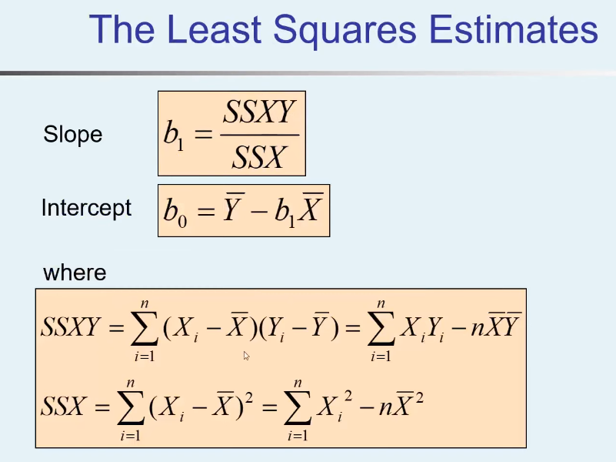

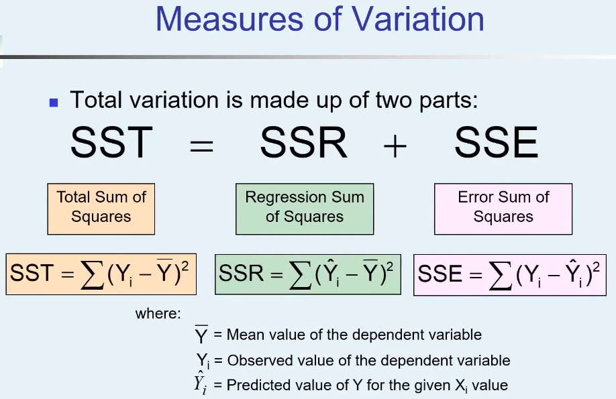
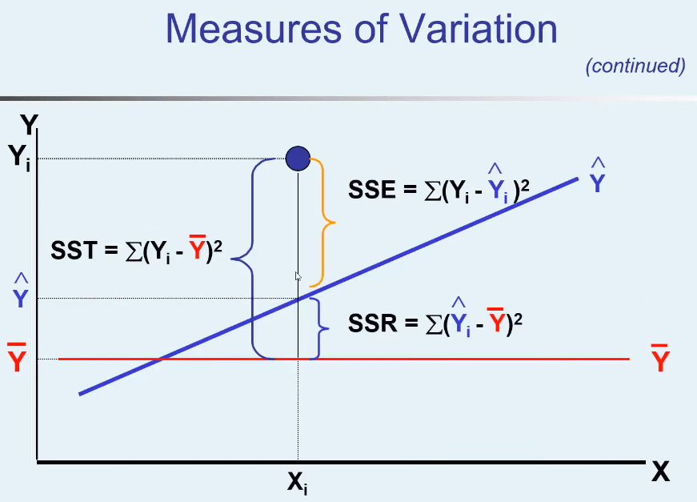

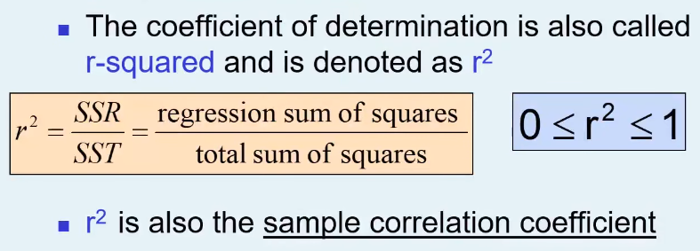

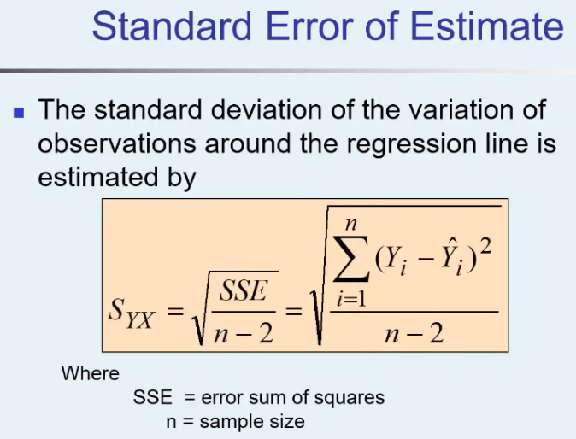
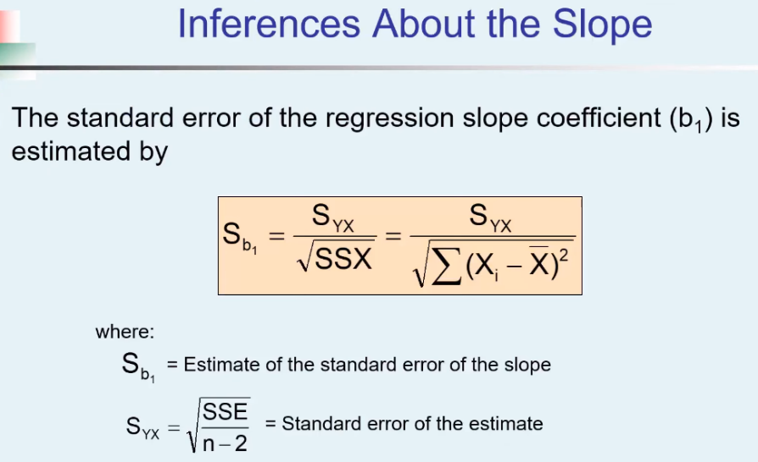

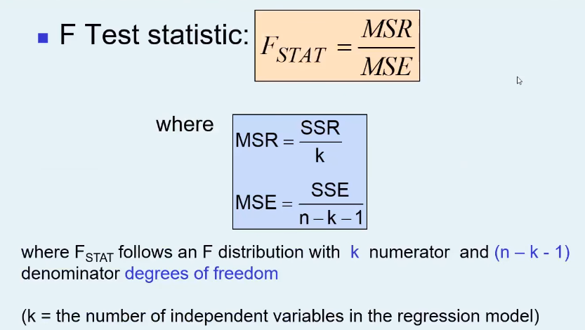

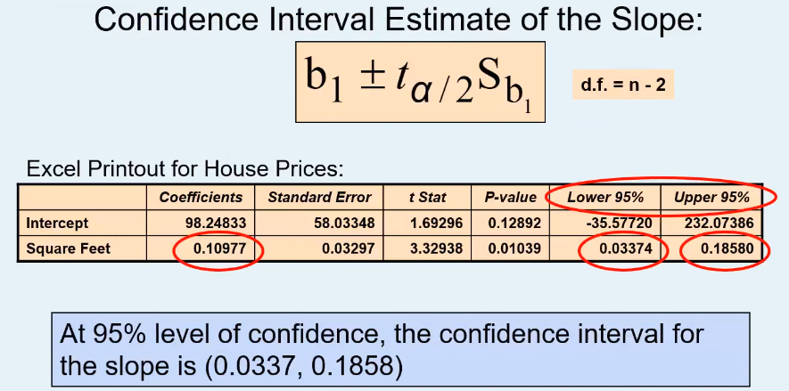

Multipl_Regression_Formulas
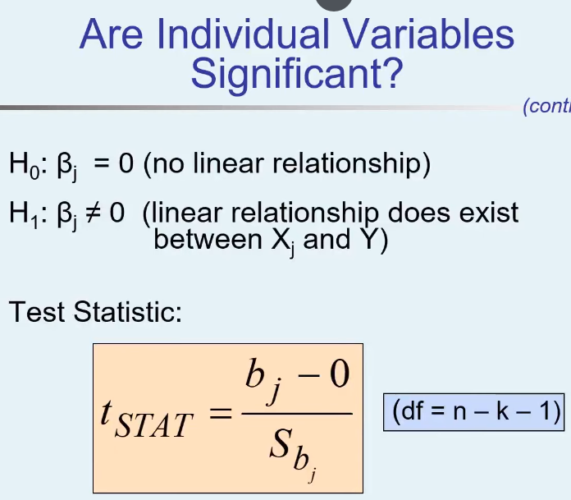
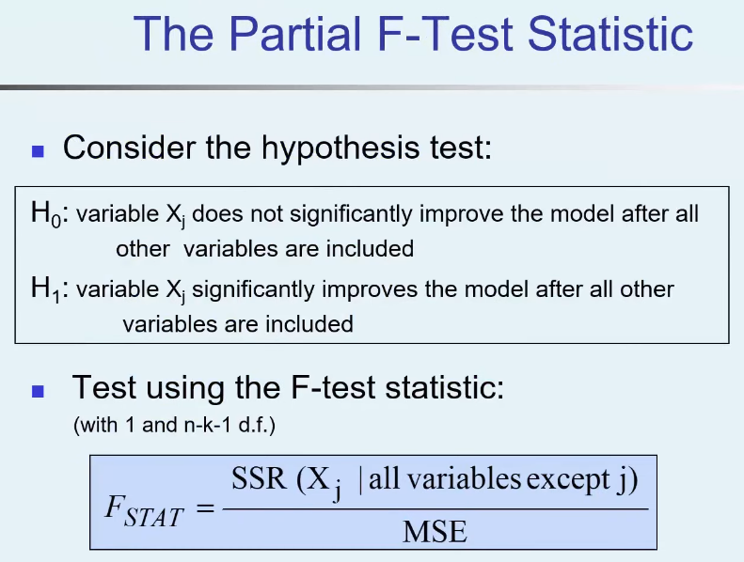
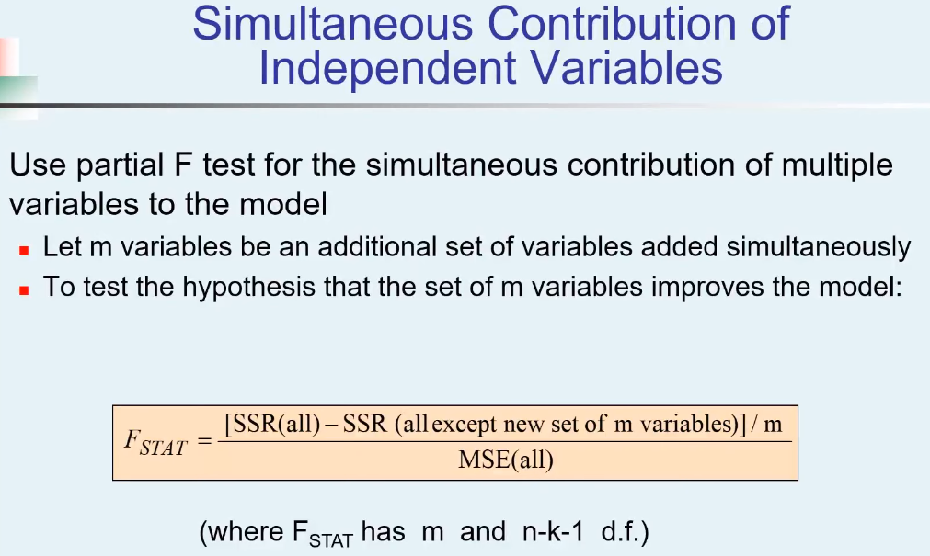
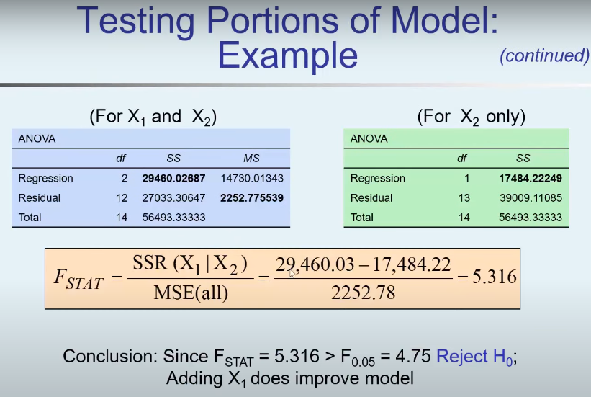
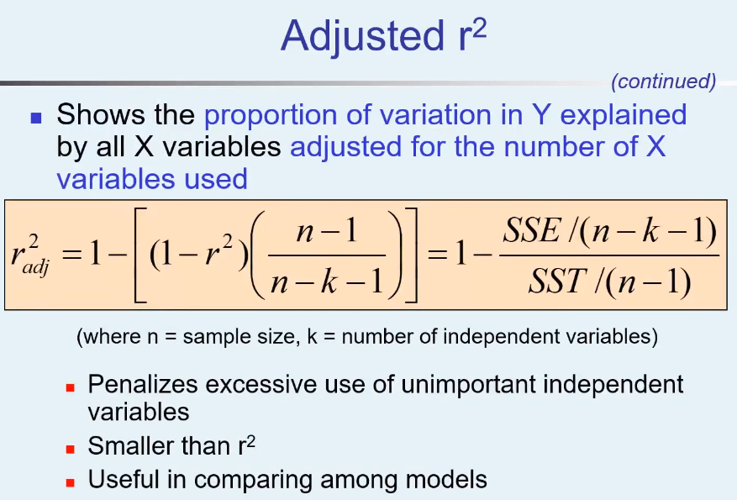

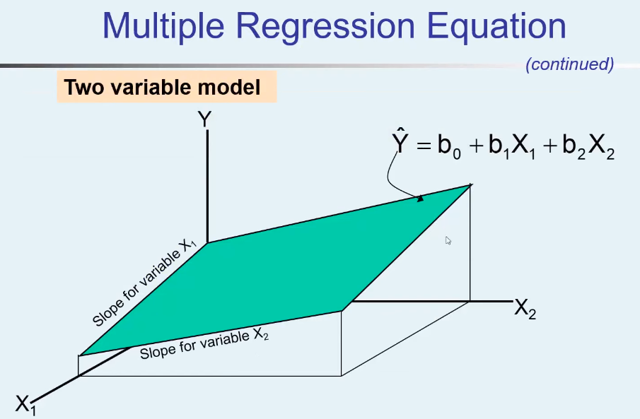

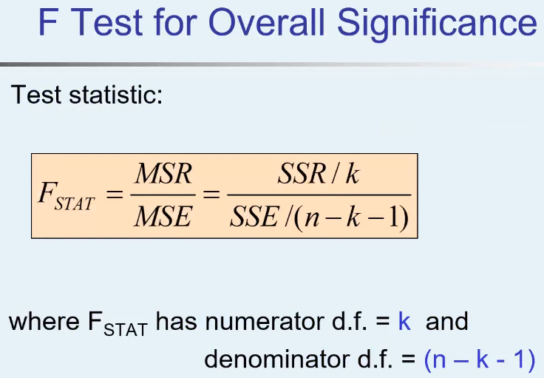

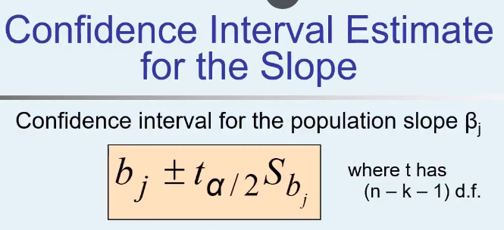

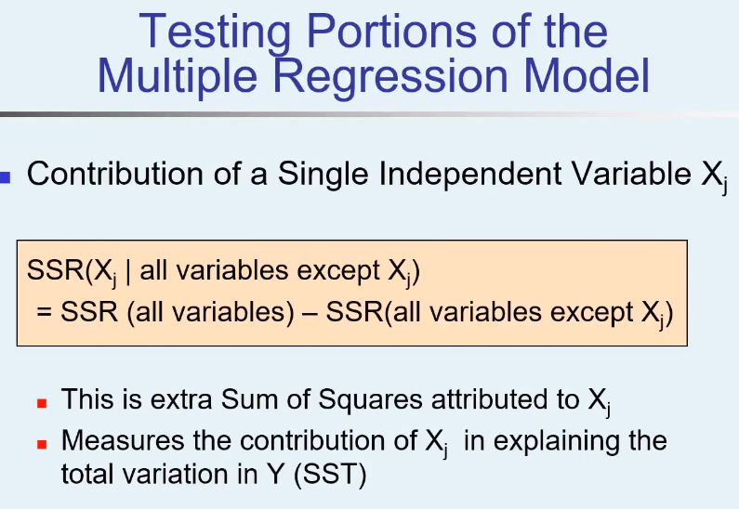
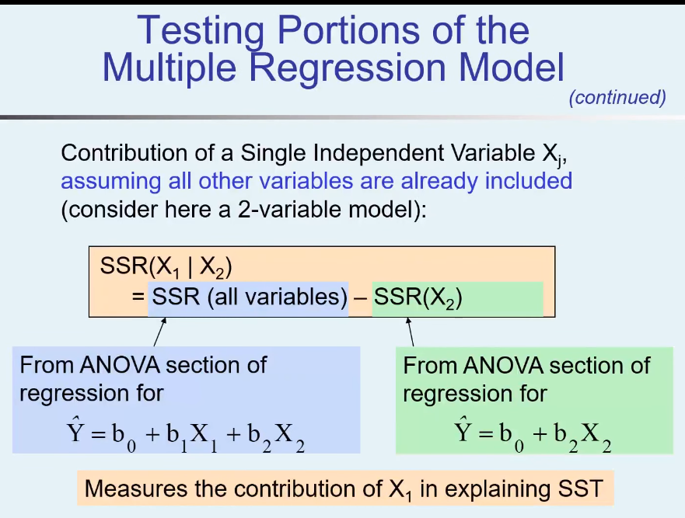
o

