Z_Score
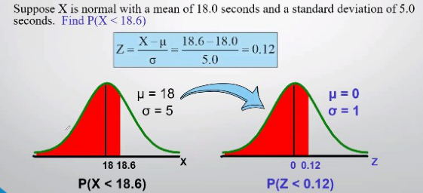
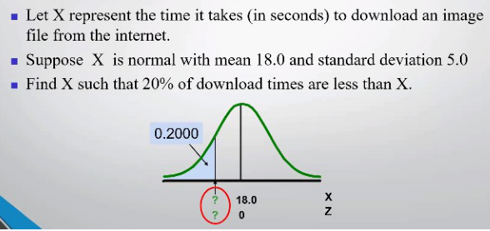
=NORM.S.INV(0.2)
 |  |  |  |  |  |  |  | -0.84162123357
 |  |  |  |  |  |  |  | z score

=18 + (-0.84162) * 5
 |  |  |  |  |  |  |  | 13.7919
 |  |  |  |  |  |  |  | X dəyəri

=NORM.INV(0.2, 18, 5)
 |  |  |  |  |  |  |  | 13.791893832
 |  |  |  |  |  |  |  | X dəyəri

=NORM.DIST(18.6, 18, 5, 1)
0.54775842602 | Ehtimal


=NORM.DIST(600, 900, 200,TRUE)
=0.933193 - 0.066807
=NORM.DIST(1200, 900, 200,TRUE)
 |  | 0.066807201269 | Ehtimal
 |  |  |  | 0.86638559746 | Ehtimal
 |  | 0.93319279873 | Ehtimal
=NORM.S.INV(0.03)
 |  |  |  |  |  | -1.8807936082 | z score
=NORM.INV(0.03, 900, 200)
=900 + (-1.88079) * 200
 |  | 523.84127837 | X dəyəri |  |  | 523.842 | X dəyəri

Central_Limit_Theorem
 |  | Sampling Data
=RANDBETWEEN(1, 5)
=RANDBETWEEN(1, 5)
 |  |  |  | Mean
Population Data | S1 | 3 | 1 | 2
1 | S2 | 2 | 3 | 2.5
2 | S3 | 5 | 1 | 3
3 | S4 | 2 | 3 | 2.5
4 | S5 | 5 | 4 | 4.5
5 | S6 | 4 | 3 | 3.5
 | S7 | 4 | 1 | 2.5
 | S8 | 1 | 2 | 1.5
 | S9 | 2 | 5 | 3.5
 | S10 | 2 | 5 | 3.5
 | S11 | 1 | 5 | 3
 | S12 | 5 | 1 | 3
 | S13 | 5 | 1 | 3
 | S14 | 4 | 2 | 3
 | S15 | 5 | 5 | 5
 | S16 | 1 | 5 | 3
 | S17 | 1 | 3 | 2
 | S18 | 2 | 3 | 2.5
 | S19 | 4 | 5 | 4.5
 | S20 | 4 | 3 | 3.5
 | S21 | 2 | 3 | 2.5
 | S22 | 2 | 4 | 3
 | S23 | 4 | 4 | 4
 | S24 | 1 | 4 | 2.5
 | S25 | 2 | 2 | 2
 | S26 | 2 | 2 | 2
 | S27 | 3 | 4 | 3.5
 | S28 | 4 | 4 | 4
 | S29 | 5 | 5 | 5
 | S30 | 4 | 3 | 3.5
 | S31 | 5 | 2 | 3.5
 | S32 | 1 | 5 | 3
 | S33 | 5 | 1 | 3
 | S34 | 2 | 4 | 3
 | S35 | 2 | 5 | 3.5
 | S36 | 3 | 2 | 2.5
 | S37 | 1 | 1 | 1
 | S38 | 4 | 2 | 3
 | S39 | 3 | 5 | 4
 | S40 | 1 | 3 | 2
 | S41 | 2 | 2 | 2
 | S42 | 1 | 2 | 1.5
 | S43 | 2 | 2 | 2
 | S44 | 4 | 2 | 3
 | S45 | 1 | 2 | 1.5
 | S46 | 1 | 4 | 2.5
 | S47 | 4 | 3 | 3.5
 | S48 | 2 | 2 | 2
 | S49 | 2 | 3 | 2.5
 | S50 | 5 | 1 | 3
 | S51 | 4 | 2 | 3
 | S52 | 2 | 2 | 2
 | S53 | 1 | 1 | 1
 | S54 | 2 | 5 | 3.5
 | S55 | 4 | 2 | 3
 | S56 | 1 | 2 | 1.5
 | S57 | 3 | 5 | 4
 | S58 | 2 | 3 | 2.5
 | S59 | 5 | 3 | 4
 | S60 | 3 | 1 | 2
 | S61 | 3 | 5 | 4
 | S62 | 3 | 4 | 3.5
 | S63 | 2 | 3 | 2.5
 | S64 | 1 | 3 | 2
 | S65 | 1 | 2 | 1.5
 | S66 | 5 | 3 | 4
 | S67 | 2 | 1 | 1.5
 | S68 | 1 | 2 | 1.5
 | S69 | 2 | 1 | 1.5
 | S70 | 2 | 5 | 3.5
 | S71 | 2 | 2 | 2
 | S72 | 2 | 2 | 2
 | S73 | 4 | 5 | 4.5
 | S74 | 1 | 2 | 1.5
 | S75 | 4 | 3 | 3.5
 | S76 | 3 | 1 | 2
 | S77 | 1 | 5 | 3
 | S78 | 4 | 4 | 4
 | S79 | 5 | 4 | 4.5
 | S80 | 3 | 1 | 2
 | S81 | 1 | 5 | 3
 | S82 | 5 | 5 | 5
 | S83 | 5 | 2 | 3.5
 | S84 | 3 | 1 | 2
 | S85 | 5 | 5 | 5
 | S86 | 2 | 2 | 2
 | S87 | 4 | 2 | 3
 | S88 | 2 | 3 | 2.5
 | S89 | 1 | 4 | 2.5
 | S90 | 1 | 2 | 1.5
 | S91 | 2 | 3 | 2.5
 | S92 | 1 | 1 | 1
 | S93 | 3 | 1 | 2
 | S94 | 2 | 5 | 3.5
 | S95 | 5 | 3 | 4
 | S96 | 2 | 1 | 1.5
 | S97 | 3 | 4 | 3.5
 | S98 | 2 | 1 | 1.5
 | S99 | 2 | 3 | 2.5
 | S100 | 3 | 1 | 2
 | S101 | 5 | 2 | 3.5
 | S102 | 4 | 1 | 2.5
 | S103 | 4 | 3 | 3.5
 | S104 | 4 | 4 | 4
 | S105 | 4 | 3 | 3.5
 | S106 | 5 | 4 | 4.5
 | S107 | 4 | 4 | 4
 | S108 | 5 | 4 | 4.5
 | S109 | 2 | 1 | 1.5
 | S110 | 5 | 3 | 4
 | S111 | 3 | 1 | 2
 | S112 | 5 | 1 | 3
 | S113 | 1 | 5 | 3
 | S114 | 3 | 3 | 3
 | S115 | 1 | 2 | 1.5
 | S116 | 1 | 3 | 2
 | S117 | 5 | 1 | 3
 | S118 | 4 | 4 | 4
 | S119 | 1 | 2 | 1.5
 | S120 | 4 | 3 | 3.5
 | S121 | 5 | 4 | 4.5
 | S122 | 5 | 2 | 3.5
 | S123 | 5 | 3 | 4
 | S124 | 1 | 5 | 3
 | S125 | 2 | 1 | 1.5
 | S126 | 3 | 4 | 3.5
 | S127 | 2 | 4 | 3
 | S128 | 1 | 3 | 2
 | S129 | 2 | 1 | 1.5
 | S130 | 2 | 2 | 2
 | S131 | 3 | 4 | 3.5
 | S132 | 4 | 1 | 2.5
 | S133 | 4 | 1 | 2.5
 | S134 | 2 | 1 | 1.5
 | S135 | 1 | 3 | 2
 | S136 | 1 | 5 | 3
 | S137 | 1 | 2 | 1.5
 | S138 | 2 | 3 | 2.5
 | S139 | 5 | 3 | 4
 | S140 | 5 | 4 | 4.5
 | S141 | 5 | 1 | 3
 | S142 | 4 | 3 | 3.5
 | S143 | 1 | 4 | 2.5
 | S144 | 4 | 1 | 2.5
 | S145 | 2 | 3 | 2.5
 | S146 | 5 | 3 | 4
 | S147 | 3 | 3 | 3
 | S148 | 3 | 2 | 2.5
 | S149 | 5 | 1 | 3
 | S150 | 2 | 3 | 2.5
 | S151 | 1 | 5 | 3
 | S152 | 2 | 1 | 1.5
 | S153 | 4 | 4 | 4
 | S154 | 3 | 5 | 4
 | S155 | 2 | 4 | 3
 | S156 | 1 | 5 | 3
 | S157 | 4 | 5 | 4.5
 | S158 | 4 | 5 | 4.5
 | S159 | 5 | 2 | 3.5
 | S160 | 1 | 2 | 1.5
 | S161 | 5 | 5 | 5
 | S162 | 5 | 3 | 4
 | S163 | 1 | 5 | 3
 | S164 | 5 | 3 | 4
 | S165 | 2 | 1 | 1.5
 | S166 | 1 | 2 | 1.5
 | S167 | 3 | 2 | 2.5
 | S168 | 2 | 1 | 1.5
 | S169 | 4 | 1 | 2.5
 | S170 | 1 | 4 | 2.5
 | S171 | 5 | 5 | 5
 | S172 | 4 | 4 | 4
 | S173 | 4 | 2 | 3
 | S174 | 5 | 2 | 3.5
 | S175 | 2 | 2 | 2
 | S176 | 2 | 4 | 3
 | S177 | 3 | 1 | 2
 | S178 | 4 | 2 | 3
 | S179 | 5 | 1 | 3
 | S180 | 2 | 2 | 2
 | S181 | 1 | 3 | 2
 | S182 | 4 | 5 | 4.5
 | S183 | 2 | 3 | 2.5
 | S184 | 2 | 2 | 2
 | S185 | 2 | 3 | 2.5
 | S186 | 3 | 3 | 3
 | S187 | 5 | 5 | 5
 | S188 | 3 | 2 | 2.5
 | S189 | 4 | 2 | 3
 | S190 | 4 | 5 | 4.5
 | S191 | 5 | 2 | 3.5
 | S192 | 3 | 5 | 4
 | S193 | 5 | 5 | 5
 | S194 | 2 | 2 | 2
 | S195 | 5 | 4 | 4.5
 | S196 | 5 | 1 | 3
 | S197 | 5 | 3 | 4
 | S198 | 2 | 2 | 2
 | S199 | 3 | 3 | 3
 | S200 | 3 | 1 | 2

Ev Endirim Task
=RANDBETWEEN(10000, 100000)
=E3/SUM($E$3:$E$14)
=RAND()
=F3*G3
N | Ev sayı | Frequency | Qiymət artımı | Weigthted Mean

1 | 30360 | 0.049 | 7.9% | 0.4%
2 | 42562 | 0.069 | 77.6% | 5.4%
3 | 27491 | 0.045 | 63.0% | 2.8%
4 | 66333 | 0.108 | 30.4% | 3.3%
5 | 31755 | 0.052 | 65.7% | 3.4%
6 | 72032 | 0.117 | 59.2% | 6.9%
7 | 64733 | 0.105 | 64.3% | 6.8%
8 | 80143 | 0.130 | 6.3% | 0.8%
9 | 45347 | 0.074 | 62.0% | 4.6%
10 | 77638 | 0.126 | 44.7% | 5.7%
11 | 39239 | 0.064 | 50.6% | 3.2%
12 | 36775 | 0.060 | 35.8% | 2.1%
 |  |  | 47.3% | 45.4% | Düzgün variant
=AVERAGE(G3:G14)
=SUM(H3:H14)

Confidence Interval
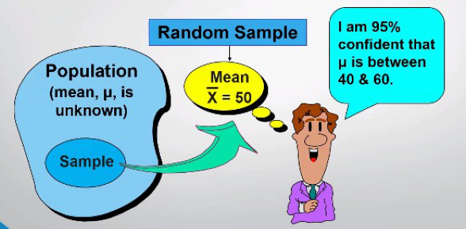
=50 + CONFIDENCE.NORM(0.05, 10, 25)
=50 - CONFIDENCE.NORM(0.05, 10, 25)
53.919927969
46.080072031

=50 + NORM.S.INV(1-0.05/2) * 10/SQRT(25)
=50 - NORM.S.INV(1-0.05/2) * 10/SQRT(25)
53.919927969
46.080072031

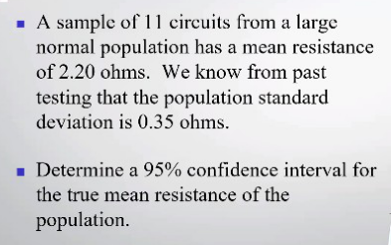
=2.2 + CONFIDENCE.NORM(0.05, 0.35, 11)
=2.2 - CONFIDENCE.NORM(0.05, 0.35, 11)
2.4068329817
1.9931670183

=2.2 + NORM.S.INV(1-0.05/2) * 0.35/SQRT(11)
=2.2 - NORM.S.INV(1-0.05/2) * 0.35/SQRT(11)
2.4068329817
1.9931670183

Sample Size
=(NORM.S.INV(1 - 0.1/2) * 45 / 5) ^ 2
219.14901978 | Sample Size

