Anova test
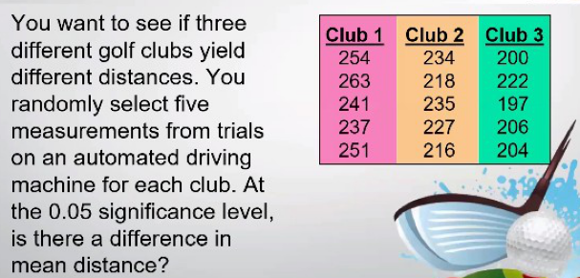
 |  |  | Anova: Single Factor

 |  |  | Anova: Single Factor | alfa= | 0.05

 |  |  | SUMMARY
 |  |  | Groups | Count | Sum | Average | Variance
 |  |  | Club 1 | 5 | 1246 | 249.2 | 108.2
 |  |  | Club 2 | 5 | 1130 | 226 | 77.5
 |  |  | Club 3 | 5 | 1029 | 205.8 | 94.2

Club 1 | Club 2 | Club 3 | ANOVA
254 | 234 | 200 | Source of Variation | SS | df | MS | F | P-value | F crit
263 | 218 | 222 | Between Groups | 4716.4 | 2 | 2358.2 | 25.27545552 | 0.0000499 | 3.8852938347
241 | 235 | 197 | Within Groups | 1119.6 | 12 | 93.3
237 | 227 | 206
251 | 216 | 204 | Total | 5836 | 14

Chi-square test_1
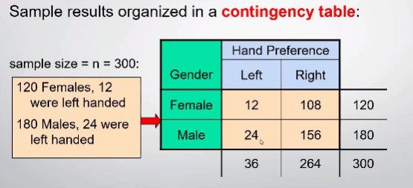
 |  |  |  |  |  | Chi-square test

 |  |  |  |  | Contingency table |  |  |  |  |  | Expected table
 |  |  |  | Gender | Hand Preference |  | Sum |  |  | Gender | Hand Preference |  | Sum
 |  |  |  |  | Lefr | Right |  |  |  |  | Lefr | Right
 |  |  |  | Female | 12 | 108 | 120 |  |  | Female | 14.4 | 105.6
 |  |  |  | Male | 24 | 156 | 180 |  |  | Male | 21.6 | 158.4
 |  |  |  | Sum | 36 | 264 | 300 |  |  | Sum

=CHISQ.TEST(J6:K7, Q6:R7)
 |  |  |  |  |  |  |  | P value
Gender | Hand Preference |  | Sum |  |  |  |  | 0.38408824947 | > 0.05 | Don't Reject H0
 | Lefr | Right
Female | 12 | 108 | 120
Male | 24 | 156 | 180
Sum | 36 | 264 | 300

Chi-square test_2
 |  |  |  |  |  |  | Chi-square test

 |  |  |  |  |  | Contingency table |  |  |  |  |  | Expected table
 |  |  |  |  | Gender | Hand Preference |  | Sum |  |  | Gender | Hand Preference |  | Sum
 |  |  |  |  |  | Lefr | Right |  |  |  |  | Lefr | Right
 |  |  |  |  | Female | 12 | 108 | 120 |  |  | Female | 14.4 | 105.6
 |  |  |  |  | Male | 24 | 156 | 180 |  |  | Male | 21.6 | 158.4
 |  |  |  |  | Sum | 36 | 264 | 300 |  |  | Sum

=CHISQ.INV.RT(0.05, 1)
 |  |  |  |  | (C-E)^2/E |  |  |  |  |  |  | alfa= | 0.05
 |  |  |  |  | 0.4 | 0.054545454545 |  |  |  |  |  | Chi^2_alfa= | 3.8414588207
 |  |  |  |  | 0.26666666667 | 0.036363636364
 |  |  |  | Chi^2_stat= | 0.7576
Gender | Hand Preference |  | Sum |  |  |  |  |  |  |  | df= | 1
=(COUNT(K6:K7) -1) * (COUNT(K6:L6)-1)
 | Lefr | Right
Female | 12 | 108 | 120
Male | 24 | 156 | 180 | 1 st method |  | Chi^2_stat |  | 0.7576 | < | 3.841 | Don't Reject H0
Sum | 36 | 264 | 300 | 2 nd method |  | p-value | P(Chi_stat)*2 |  | from Chi table |  | > 0.05 | alfa | Don't Reject H0
=CHISQ.DIST.RT(0.7576, 1)
 |  |  |  |  |  |  | p-value |  |  | 0.384081 | > 0.05 | alfa | Don't Reject H0
=CHISQ.TEST(K6:L7, P6:Q7)
 |  |  |  |  |  |  | p-value |  |  | 0.38408824947 | > 0.05 | alfa | Don't Reject H0

Chi-square test_3
 |  |  |  |  |  |  | Chi-square test

 |  |  |  |  |  | Admin | Students | Faculty | Total |  | Admin | Students | Faculty | Total
 |  |  |  |  | Favor | 63 | 20 | 37 | 120 | Favor | 60 | 30 | 30
 |  |  |  |  | Oppose | 37 | 30 | 13 | 80 | Oppose | 40 | 20 | 20
 |  |  |  |  | Total | 100 | 50 | 50 | 200 | Total

=CHISQ.TEST(K6:M7, Q6:S7)
 |  |  |  |  |  |  |  |  | P value
 | Admin | Students | Faculty | Total |  |  |  |  | 0.0016684948718 | < 0.05 | Reject H0
Favor | 63 | 20 | 37 | 120
Oppose | 37 | 30 | 13 | 80
Total | 100 | 50 | 50 | 200

Chi-square test_4
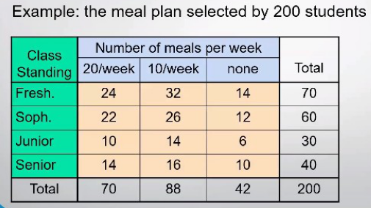
 |  |  |  |  |  |  | Chi-square test

 |  |  |  |  | Class Standing | Number of meals per week |  |  | Total |  | Class Standing | Number of meals per week |  |  | Total
 |  |  |  |  |  | 20/week | 10/week | none |  |  |  | 20/week | 10/week | none
 |  |  |  |  | Fresh. | 24 | 32 | 14 | 70 |  | Fresh. | 24.5 | 30.8 | 14.7
 |  |  |  |  | Sohp. | 22 | 26 | 12 | 60 |  | Sohp. | 21 | 26.4 | 12.6
 |  |  |  |  | Junior | 10 | 14 | 6 | 30 |  | Junior | 10.5 | 13.2 | 6.3
 |  |  |  |  | Senior | 14 | 16 | 10 | 40 |  | Senior | 14 | 17.6 | 8.4
 |  |  |  |  | Total | 70 | 88 | 42 | 200 |  | Total

Class Standing | Number of meals per week |  |  | Total
 | 20/week | 10/week | none |  |  |  |  | P value
Fresh. | 24 | 32 | 14 | 70 |  |  |  | 0.9942873142 |  | > 0.05 | Don't Reject H0
=CHISQ.TEST(J8:L11, P8:R11)
Sohp. | 22 | 26 | 12 | 60
Junior | 10 | 14 | 6 | 30
Senior | 14 | 16 | 10 | 40
Total | 70 | 88 | 42 | 200

