Problem1
﻿#!/usr/bin/env python3
# -*- coding: utf-8 -*-
﻿"""
Created on Thu Oct 20 13:37:37 2022
@author: ismailfaruqi
"""
"""
Advertisement Problem
LP Model:
Define
Newspaper = x1, and
Radio = x2
min x1+x2
s.t.
50x1+40x2 >= 109000
30x1+60x2 >= 123000
xi >= 0
Data read from Excel file with the table:
Newspaper Radio RHS
cost 1 1
below_25 50 40 109000
above_25 30 60 123000
"""
import pandas as pd # pandas is used to work with data frames
import pulp as pl # library with an LP Solver is named as pl
# ******************** INPUT; prepare data***********************************
# Read data from a sheet of an excel file as a Pandas DataFrame df
# "index_col=0" indicates no need for creating indices of rows
# file worksheet
file_name='AssignmentTemplate2022_5.xlsx'
df = pd.read_excel(file_name, "Problem1",
index_col=0) # by default header=0, i.e. no need to create
# create dictionary with pairs product -cost; got it from df
product = df.loc[df.index[0], df.columns[0:-1]].to_dict()
# cut off constraint matrix from dataframe; to use format Ax<=b
# use here a dictionary to loop through names of products and constraints
constraint_matrix = pd.DataFrame(df, index=df.index[1:],
columns=df.columns[0:-1]).to_dict('index')
# get RHS associated with the constraints; dictionary: 'constraint'-rhs(from df)
rhs_coefficients = df.loc[df.index[1:], df.columns[-1]].to_dict()
# ******************** MODEL **************************************************
# Creates model which is a "Linear Program" with "Minimisation" objective
# any name for the model/object is fine
model1 = pl.LpProblem("The_Advertisement_Problem", pl.LpMinimize)
# Creates a dictionary of variables. these are continuous varriables (default)
# use keys from the earlier defined dictionary to loop through variables
variables = pl.LpVariable.dicts('Advertisement_Count', product, lowBound=0)
# add/define the objective function
model1 += pl.lpSum([product[i]*variables[i] for i in product])
# add constraints to the model; format like Ax<=b
for c in rhs_coefficients:
model1 += pl.lpSum(constraint_matrix[c][u]*variables[u]for u in product
) >= rhs_coefficients[c], c # c is constraint name
model1.solve() # solve the problem with the default solver
# The status of the solution is printed to the screen
print("Status:", pl.LpStatus[model1.status])
# The optimised objective function value is printed to the screen
print("Total Cost = ", round(pl.value(model1.objective),2))
# Each of the variables is printed with it's resolved optimum value
if (pl.LpStatus[model1.status] == 'Optimal'):
for v in model1.variables():
print(v.name, "=", v.varValue)
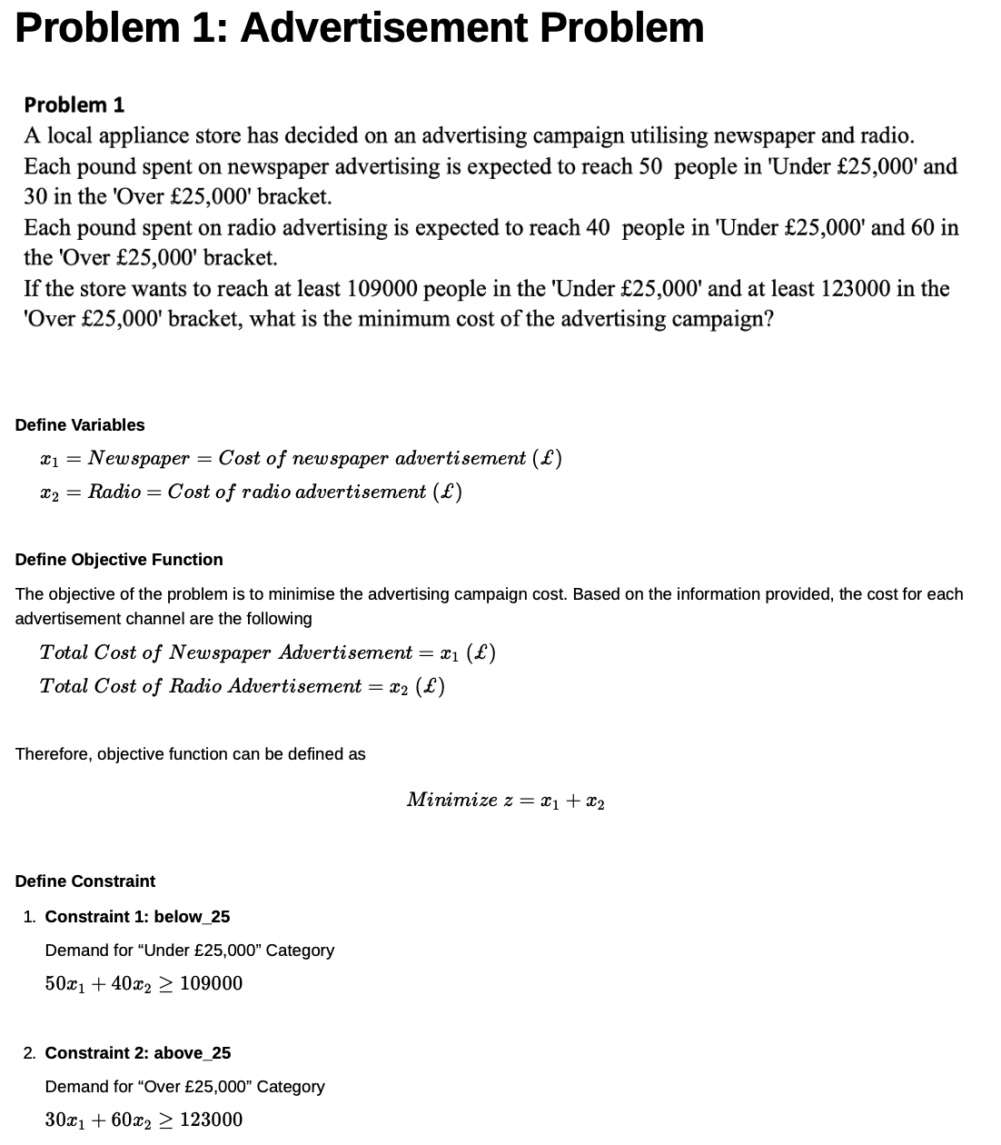
 | Newspaper | Radio | RHS
cost | 1 | 1 | 2
below_25 | 50 | 40 | 109000
above_25 | 30 | 60 | 123000

Problem2

﻿#!/usr/bin/env python3
# -*- coding: utf-8 -*-
"""
Created on Thu Oct 20 15:54:55 2022
@author: ismailfaruqi
"""
"""
Advertisement Problem
LP Model:
Define
High_Grade = x1, and
Low_Grade = x2
max 330x1+265x2
s.t.
25x1+25x2 <= 900
15x1+45x2 <= 1700
30x1+15x2 <= 500
xi >= 0
Data read from Excel file with the table:
High_Grade Low_Grade RHS
income 330 265
wool 50 40 109000
nylon 30 60 123000
labor 30 15 500
"""
import pandas as pd # pandas is used to work with data frames
import pulp as pl # library with an LP Solver is named as pl
# ******************** INPUT; prepare data***********************************
# Read data from a sheet of an excel file as a Pandas DataFrame df
# "index_col=0" indicates no need for creating indices of rows
# file worksheet
file_name='AssignmentTemplate2022_5.xlsx'
df = pd.read_excel(file_name, "Problem2",
index_col=0) # by default header=0, i.e. no need to create
# create dictionary with pairs product - income ; got it from df
product = df.loc[df.index[0], df.columns[0:-1]].to_dict()
# cut off constraint matrix from dataframe; to use format Ax<=b
# use here a dictionary to loop through names of products and constraints
constraint_matrix = pd.DataFrame(df, index=df.index[1:],
columns=df.columns[0:-1]).to_dict('index')
# get RHS associated with the constraints; dictionary: 'constraint'-rhs(from df)
rhs_coefficients = df.loc[df.index[1:], df.columns[-1]].to_dict()
# ******************** MODEL **************************************************
# Creates model which is a "Linear Program" with "Maximisation" objective
# any name for the model/object is fine
model2 = pl.LpProblem("The_Rug_Problem", pl.LpMaximize)
# Creates a dictionary of variables. these are continuous varriables (default)
# use keys from the earlier defined dictionary to loop through variables
variables = pl.LpVariable.dicts('Rug', product, lowBound=0)
# add/define the objective function
model2 += pl.lpSum([product[i]*variables[i] for i in product])
# add constraints to the model; format like Ax<=b
for c in rhs_coefficients:
model2 += pl.lpSum(constraint_matrix[c][u]*variables[u]for u in product
) <= rhs_coefficients[c], c # c is constraint name
model2.solve() # solve the problem with the default solver
# The status of the solution is printed to the screen
print("Status:", pl.LpStatus[model2.status])
# The optimised objective function value is printed to the screen
print("Total Income = ", round(pl.value(model2.objective),2))
# Each of the variables is printed with it's resolved optimum value
if (pl.LpStatus[model2.status] == 'Optimal'):
for v in model2.variables():
print(v.name, "=", v.varValue)
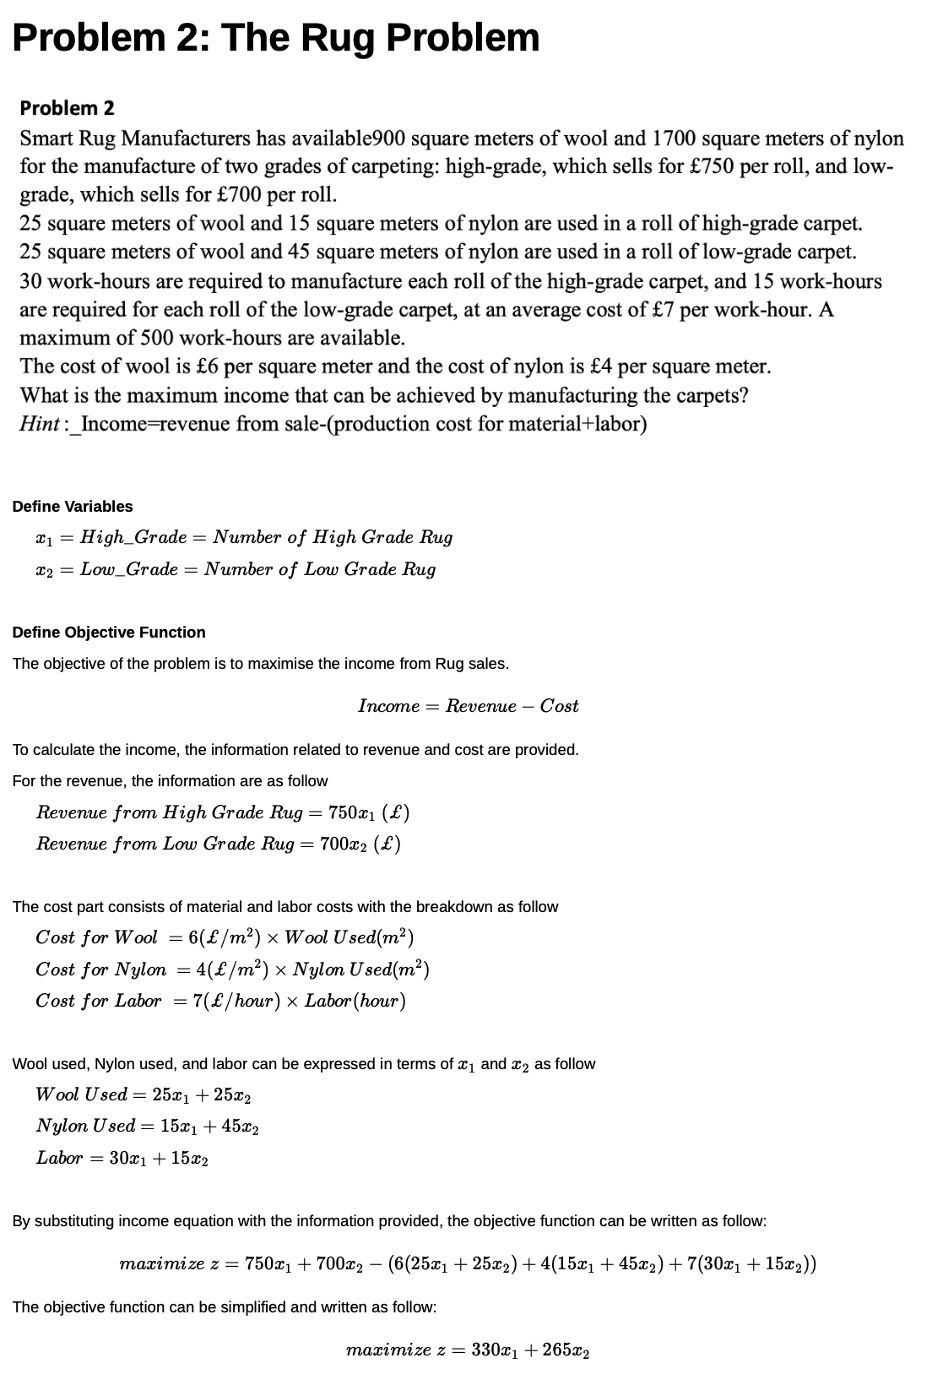
 | High_Grade | Low_Grade | RHS
income | 330 | 265 | 595
wool | 25 | 25 | 900
nylon | 15 | 45 | 1700
labor | 30 | 15 | 500

Problem3
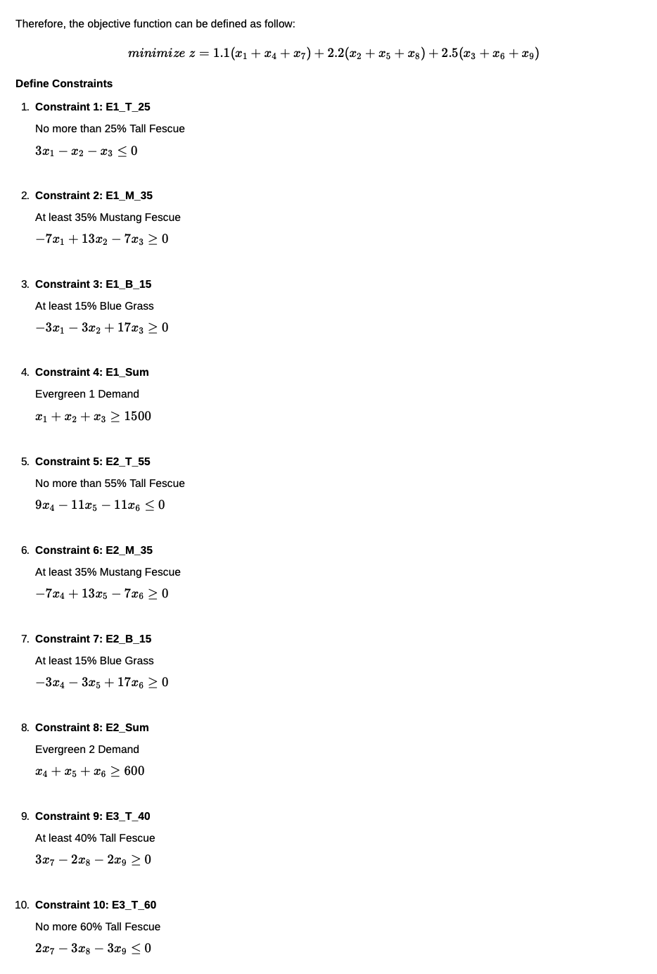
﻿#!/usr/bin/env python3
# -*- coding: utf-8 -*-
"""
Created on Fri Oct 21 00:02:30 2022
@author: ismailfaruqi
"""
"""
Advertisement Problem
LP Model:
Define
X_T1 = x1; X_T2 = x4; X_T3 = x7;
X_M1 = x2; X_M2 = x5; X_M3 = x8;
X_B1 = x3; X_B2 = x6; X_B3 = x9;
min 1.1(x1+x4+x7) + 2.2(x2+x5+x8) + 2.5(x3+x6+x9)
s.t.
3x1 - x2 - x3 <= 0
9x4 - 11x5 - 11x6 <=0
2x7 - 3x8 - 3x9 <= 0
-7x1 + 13x2 - 7x3 >= 0
-7x4 + 13x5 - 7x6 >= 0
3x7 - 2x8 - 2x9 >=0
-3x1 - 3x2 + 17x3 >= 0
-3x4 - 3x5 + 17x6 >= 0
-2x7 - 2x8 + 3x9 >= 0
x1 + x2 + x2 >= 1500
x4 + x5 + x6 >= 600
x7 + x8 + x9 >= 850
xij >= 0
Data read from Excel file with the table:
X_T1 X_M1 X_B1 X_T2 X_M2 X_B2 X_T3 X_M3 X_B3 RHS
Price 1.1 2.2 2.5 1.1 2.2 2.5 1.1 2.2 2.5
E1_T_25 3 -1 -1 0 0 0 0 0 0 0
E2_T_55 0 0 0 9 -11 -11 0 0 0 0
E3_T_60 0 0 0 0 0 0 2 -3 -3 0
E1_M_35 -7 13 -7 0 0 0 0 0 0 0
E2_M_35 0 0 0 -7 13 -7 0 0 0 0
E3_T_40 0 0 0 0 0 0 3 -2 -2 0
E1_B_15 -3 -3 17 0 0 0 0 0 0 0
E2_B_15 0 0 0 -3 -3 17 0 0 0 0
E3_B_40 0 0 0 0 0 0 -2 -2 3 0
E1_Sum 1 1 1 0 0 0 0 0 0 1500
E2_Sum 0 0 0 1 1 1 0 0 0 600
E3_Sum 0 0 0 0 0 0 1 1 1 850
"""
import pandas as pd # pandas is used to work with data frames
import pulp as pl # library with an LP Solver is named as pl
# ******************** INPUT; prepare data***********************************
# Read data from a sheet of an excel file as a Pandas DataFrame df
# "index_col=0" indicates no need for creating indices of rows
# file worksheet
file_name='AssignmentTemplate2022_5.xlsx'
df = pd.read_excel(file_name, "Problem3",
index_col=0) # by default header=0, i.e. no need to create
# create dictionary with pairs Grass - price; got it from df
product = df.loc[df.index[0], df.columns[0:-1]].to_dict()
# cut off constraint matrix from dataframe; to use format Ax<=b
# use here a dictionary to loop through names of products and constraints
constraint_matrix = pd.DataFrame(df, index=df.index[1:],
columns=df.columns[0:-1]).to_dict('index')
# get RHS associated with the constraints; dictionary: 'constraint'-rhs(from df)
rhs_coefficients_1 = df.loc[df.index[1:4], df.columns[-1]].to_dict()
rhs_coefficients_2 = df.loc[df.index[4:], df.columns[-1]].to_dict()
# ******************** MODEL **************************************************
# Creates model which is a "Linear Program" with "Minimisation" objective
# any name for the model/object is fine
model3= pl.LpProblem("The_Grass_Problem", pl.LpMinimize)
# Creates a dictionary of variables. these are continuous varriables (default)
# use keys from the earlier defined dictionary to loop through variables
variables = pl.LpVariable.dicts('Grass', product, lowBound=0)
# add/define the objective function
model3 += pl.lpSum([product[i]*variables[i] for i in product])
# add constraints to the model; format like Ax<=b
for c in rhs_coefficients_1:
model3 += pl.lpSum(constraint_matrix[c][u]*variables[u]for u in product
) <= rhs_coefficients_1[c], c # c is constraint name
# add constraints to the model; format like Ax<=b
for c in rhs_coefficients_2:
model3 += pl.lpSum(constraint_matrix[c][u]*variables[u]for u in product
) >= rhs_coefficients_2[c], c # c is constraint name
model3.solve() # solve the problem with the default solver
# The status of the solution is printed to the screen
print("Status:", pl.LpStatus[model3.status])
# The optimised objective function value is printed to the screen
print("Total Cost = ", round(pl.value(model3.objective),2))
# Each of the variables is printed with it's resolved optimum value
if (pl.LpStatus[model3.status] == 'Optimal'):
for v in model3.variables():
print(v.name, "=", v.varValue)
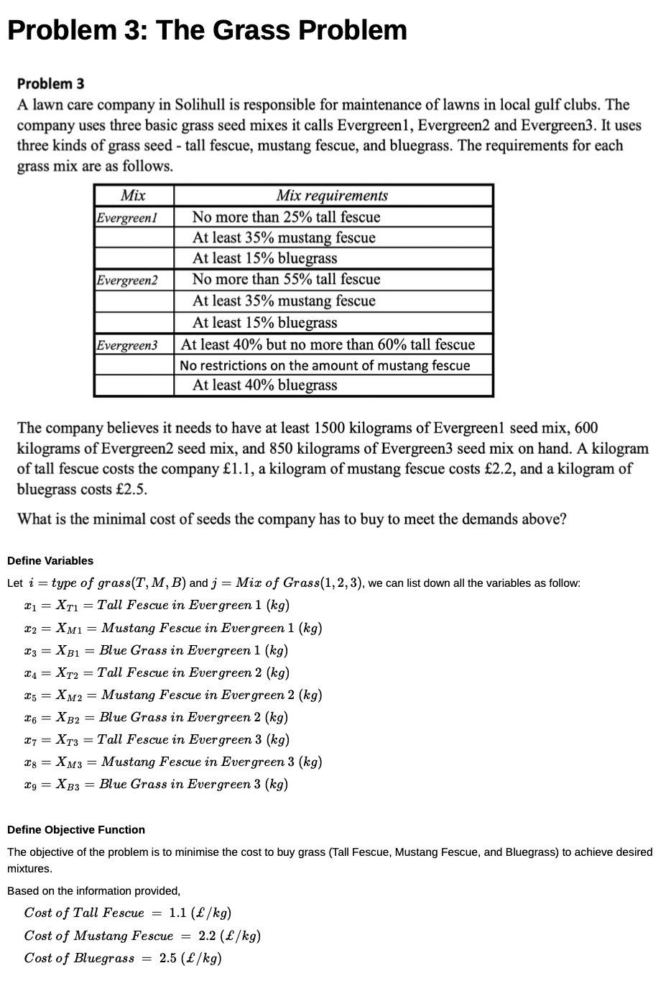
 | X_T1 | X_M1 | X_B1 | X_T2 | X_M2 | X_B2 | X_T3 | X_M3 | X_B3 | RHS
Price | 1.1 | 2.2 | 2.5 | 1.1 | 2.2 | 2.5 | 1.1 | 2.2 | 2.5
E1_T_25 | 3 | -1 | -1 | 0 | 0 | 0 | 0 | 0 | 0 | 0
E2_T_55 | 0 | 0 | 0 | 9 | -11 | -11 | 0 | 0 | 0 | 0
E3_T_60 | 0 | 0 | 0 | 0 | 0 | 0 | 2 | -3 | -3 | 0
E1_M_35 | -7 | 13 | -7 | 0 | 0 | 0 | 0 | 0 | 0 | 0
E2_M_35 | 0 | 0 | 0 | -7 | 13 | -7 | 0 | 0 | 0 | 0
E3_T_40 | 0 | 0 | 0 | 0 | 0 | 0 | 3 | -2 | -2 | 0
E1_B_15 | -3 | -3 | 17 | 0 | 0 | 0 | 0 | 0 | 0 | 0
E2_B_15 | 0 | 0 | 0 | -3 | -3 | 17 | 0 | 0 | 0 | 0
E3_B_40 | 0 | 0 | 0 | 0 | 0 | 0 | -2 | -2 | 3 | 0
E1_Sum | 1 | 1 | 1 | 0 | 0 | 0 | 0 | 0 | 0 | 1500
E2_Sum | 0 | 0 | 0 | 1 | 1 | 1 | 0 | 0 | 0 | 600
E3_Sum | 0 | 0 | 0 | 0 | 0 | 0 | 1 | 1 | 1 | 850

Problem4
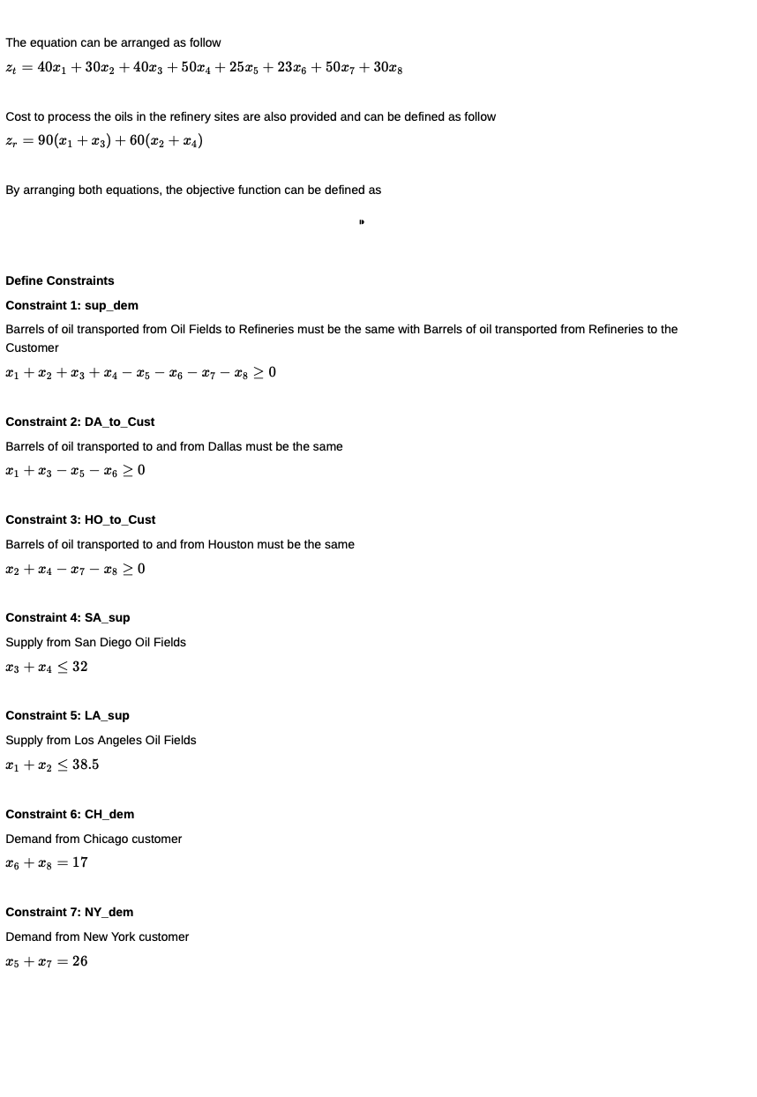
﻿#!/usr/bin/env python3
# -*- coding: utf-8 -*-
"""
Created on Mon Oct 24 21:49:12 2022
@author: ismailfaruqi
"""
"""
Advertisement Problem
LP Model:
Define
LD = x1; SD = x3; DN = x5; HN = x7;
LH = x2; SH = x4; DC = x6; HC = x8;
min 130x1 + 90x2 + 130x3 + 110x4 + 25x5 + 25x6 + 50x7 + 30x8
s.t.
x1 + x2 + x3 + x4 - x5 - x6 - x7 - x8 >= 0
x1 + x3 - x5 - x6 >= 0
x2 + x4 - x7 - x8 >= 0
x3 + x4 <= 32
x1 + x2 <= 38.5
x6 + x8 = 17
x5 + x7 = 26
xi >= 0
Data read from Excel file with the table:
LD LH SD SH DN DC HN HC RHS
cost 130 90 130 110 25 25 50 30
sup_dem 1 1 1 1 -1 -1 -1 -1 0
DA_to_Cust 1 0 1 0 -1 -1 0 0 0
HO_to Cust 0 1 0 1 0 0 -1 -1 0
SA_sup 0 0 1 1 0 0 0 0 32
LA_sup 1 1 0 0 0 0 0 0 38.5
CH_dem 0 0 0 0 0 1 0 1 17
NY_dem 0 0 0 0 1 0 1 0 26
"""
import pandas as pd # pandas is used to work with data frames
import pulp as pl # library with an LP Solver is named as pl
# ******************** INPUT; prepare data***********************************
# Read data from a sheet of an excel file as a Pandas DataFrame df
# "index_col=0" indicates no need for creating indices of rows
# file worksheet
file_name='AssignmentTemplate2022_5.xlsx'
df = pd.read_excel(file_name, "Problem4",
index_col=0) # by default header=0, i.e. no need to create
# create dictionary with pairs "product2 - price; got it from df
product = df.loc[df.index[0], df.columns[0:-1]].to_dict()
# cut off constraint matrix from dataframe; to use format Ax<=b
# use here a dictionary to loop through names of products and constraints
constraint_matrix = pd.DataFrame(df, index=df.index[1:],
columns=df.columns[0:-1]).to_dict('index')
# get RHS associated with the constraints; dictionary: 'constraint'-rhs(from df)
rhs_coefficients_1 = df.loc[df.index[1:4], df.columns[-1]].to_dict()
rhs_coefficients_2 = df.loc[df.index[4:6], df.columns[-1]].to_dict()
rhs_coefficients_3 = df.loc[df.index[6:], df.columns[-1]].to_dict()
# ******************** MODEL **************************************************
# Creates model which is a "Linear Program" with "Minimisation" objective
# any name for the model/object is fine
model4= pl.LpProblem("The_Oil_Problem", pl.LpMinimize)
# Creates a dictionary of variables. these are continuous varriables (default)
# use keys from the earlier defined dictionary to loop through variables
variables = pl.LpVariable.dicts('Oil', product, lowBound=0)
# add/define the objective function
model4 += pl.lpSum([product[i]*variables[i] for i in product])
# add constraints to the model; format like Ax<=b
for c in rhs_coefficients_1:
model4 += pl.lpSum(constraint_matrix[c][u]*variables[u]for u in product
) >= rhs_coefficients_1[c], c # c is constraint name
# add constraints to the model; format like Ax<=b
for c in rhs_coefficients_2:
model4 += pl.lpSum(constraint_matrix[c][u]*variables[u]for u in product
) <= rhs_coefficients_2[c], c # c is constraint name
# add constraints to the model; format like Ax<=b
for c in rhs_coefficients_3:
model4 += pl.lpSum(constraint_matrix[c][u]*variables[u]for u in product
) == rhs_coefficients_3[c], c # c is constraint name
model4.solve() # solve the problem with the default solver
# The status of the solution is printed to the screen
print("Status:", pl.LpStatus[model4.status])
# The optimised objective function value is printed to the screen
print("Total Cost = ", round(pl.value(model4.objective),2))
# Each of the variables is printed with it's resolved optimum value
if (pl.LpStatus[model4.status] == 'Optimal'):
for v in model4.variables():
print(v.name, "=", v.varValue)
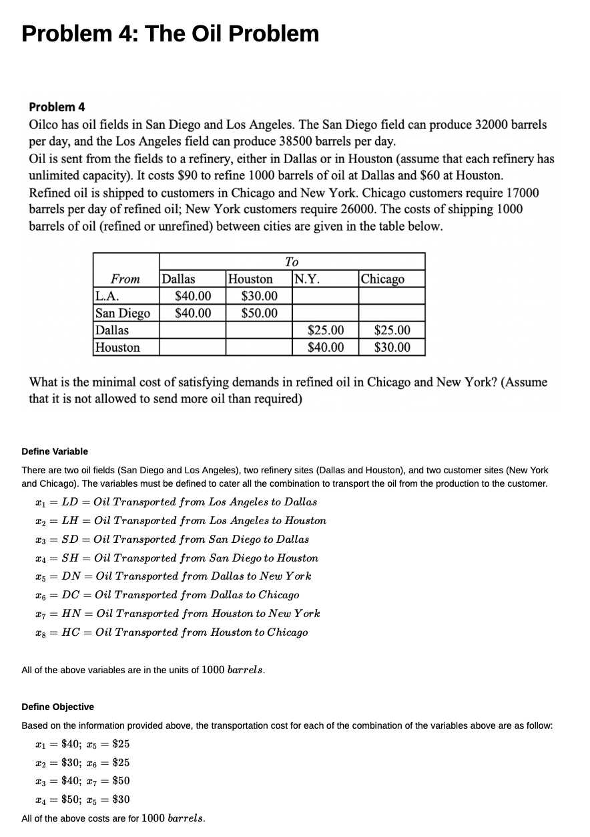
 | LD | LH | SD | SH | DN | DC | HN | HC | RHS
cost | 130 | 90 | 130 | 110 | 25 | 25 | 50 | 30
sup_dem | 1 | 1 | 1 | 1 | -1 | -1 | -1 | -1 | 0
DA_to_Cust | 1 | 0 | 1 | 0 | -1 | -1 | 0 | 0 | 0
HO_to Cust | 0 | 1 | 0 | 1 | 0 | 0 | -1 | -1 | 0
SA_sup | 0 | 0 | 1 | 1 | 0 | 0 | 0 | 0 | 32
LA_sup | 1 | 1 | 0 | 0 | 0 | 0 | 0 | 0 | 38.5
CH_dem | 0 | 0 | 0 | 0 | 0 | 1 | 0 | 1 | 17
NY_dem | 0 | 0 | 0 | 0 | 1 | 0 | 1 | 0 | 26

Problem5
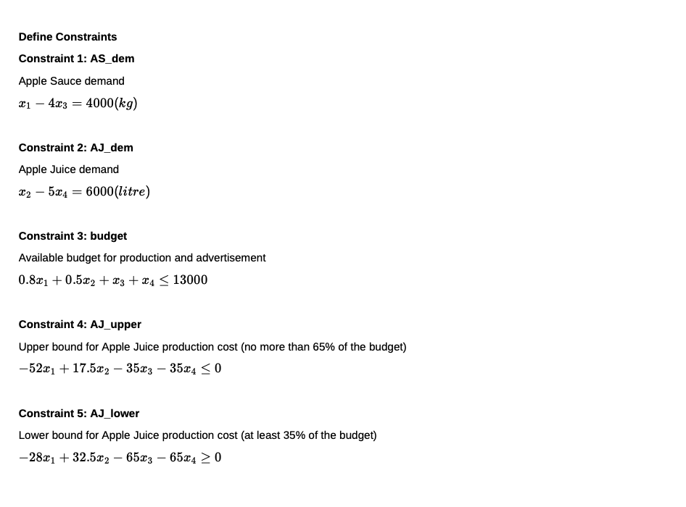
﻿#!/usr/bin/env python3
# -*- coding: utf-8 -*-
"""
Created on Mon Oct 24 23:13:32 2022
@author: ismailfaruqi
"""
"""
Advertisement Problem
LP Model:
Define
AS = x1; ASA = x3;
AJ = x2; AJA = x4;
max 0.8x1 + 1.3x2 - x3 - x4
s.t.
x1 - 4x3 = 4000
x2 - 5x4 = 6000
0.8x1 + 0.5x2 + x3 + x4 <= 13000
-52x1 + 17.5x2 - 35x3 - 35x4 <= 0
-28x1 + 32.5x2 - 65x3 - 65x4 >= 0
xi >= 0
Data read from Excel file with the table:
AS AJ ASA AJA RHS
cost 0.8 1.3 1 1
AS_dem 1 0 -4 0 4000
AJ_dem 0 1 0 -5 6000
budget 0.8 0.5 1 1 13000
AJ_upper -52 17.5 -35 -35 0
AJ_lower -28 32.5 -65 -65 0
"""
import pandas as pd # pandas is used to work with data frames
import pulp as pl # library with an LP Solver is named as pl
# ******************** INPUT; prepare data***********************************
# Read data from a sheet of an excel file as a Pandas DataFrame df
# "index_col=0" indicates no need for creating indices of rows
# file worksheet
file_name='AssignmentTemplate2022_5.xlsx'
df = pd.read_excel(file_name, "Problem5",
index_col=0) # by default header=0, i.e. no need to create
# create dictionary with pairs "product2 - price; got it from df
product = df.loc[df.index[0], df.columns[0:-1]].to_dict()
# cut off constraint matrix from dataframe; to use format Ax<=b
# use here a dictionary to loop through names of products and constraints
constraint_matrix = pd.DataFrame(df, index=df.index[1:],
columns=df.columns[0:-1]).to_dict('index')
# get RHS associated with the constraints; dictionary: 'constraint'-rhs(from df)
rhs_coefficients_1 = df.loc[df.index[1:3], df.columns[-1]].to_dict()
rhs_coefficients_2 = df.loc[df.index[3:5], df.columns[-1]].to_dict()
rhs_coefficients_3 = df.loc[df.index[5:], df.columns[-1]].to_dict()
# ******************** MODEL **************************************************
# Creates model which is a "Linear Program" with "Maximisation" objective
# any name for the model/object is fine
model5= pl.LpProblem("The_Apple_Problem", pl.LpMaximize)
# Creates a dictionary of variables. these are continuous varriables (default)
# use keys from the earlier defined dictionary to loop through variables
variables = pl.LpVariable.dicts('Apple', product, lowBound=0)
# add/define the objective function
model5 += pl.lpSum([product[i]*variables[i] for i in product])
# add constraints to the model; format like Ax<=b
for c in rhs_coefficients_1:
model5 += pl.lpSum(constraint_matrix[c][u]*variables[u]for u in product
) == rhs_coefficients_1[c], c # c is constraint name
# add constraints to the model; format like Ax<=b
for c in rhs_coefficients_2:
model5 += pl.lpSum(constraint_matrix[c][u]*variables[u]for u in product
) <= rhs_coefficients_2[c], c # c is constraint name
# add constraints to the model; format like Ax<=b
for c in rhs_coefficients_3:
model5 += pl.lpSum(constraint_matrix[c][u]*variables[u]for u in product
) >= rhs_coefficients_3[c], c # c is constraint name
model5.solve() # solve the problem with the default solver
# The status of the solution is printed to the screen
print("Status:", pl.LpStatus[model5.status])
# The optimised objective function value is printed to the screen
print("Total Profit = ", round(pl.value(model5.objective),2))
# Each of the variables is printed with it's resolved optimum value
if (pl.LpStatus[model5.status] == 'Optimal'):
for v in model5.variables():
print(v.name, "=", v.varValue)
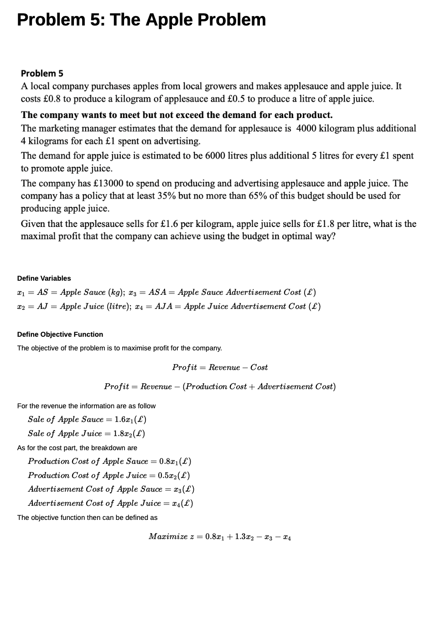
 | AS | AJ | ASA | AJA | RHS
cost | 0.8 | 1.3 | -1 | -1
AS_dem | 1 | 0 | -4 | 0 | 4000
AJ_dem | 0 | 1 | 0 | -5 | 6000
budget | 0.8 | 0.5 | 1 | 1 | 13000
AJ_upper | -52 | 17.5 | -35 | -35 | 0
AJ_lower | -28 | 32.5 | -65 | -65 | 0

