data on a population group
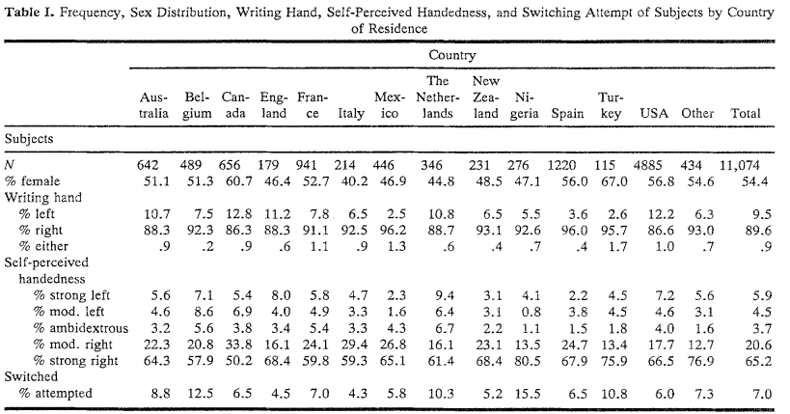
Title | Authors | Population | Mixed-handedness threshold | DOI
Mixed-handedness advantages in episodic memory obtained under conditions of intentional learning extend to incidental learning | Stephen D. Christman ⇑ , Michael Butler | American | 75 for mixed 80 for strong handedness; 80 for mixed, 85 for strong handedness | https://doi.org/10.1016/j.bandc.2011.07.003
Psychometric properties of the Spanish version of the Edinburgh Handedness Inventory in a sample of Chilean undergraduates | Javier Albayay a, Patricia Villarroel-Gruner b, Claudio Bascour-Sandoval c d, Valentina Parma e f, Germán Gálvez-García | Chilean | .-60 to 60 for mixed | https://doi.org/10.1016/j.bandc.2019.103618
Preliminary validation of the Portuguese Edinburgh Handedness Inventoryin an adult sample | Helena Espírito-Santoa , Catarina Freitas Pires a, Inês Queiroz Garciaa , Fernanda Daniela,b ,Alexandre Gomes da Silva b,c and Rachel L. Faziod | Portuguese | .-60 to 60 for mixed; extensive discussion of what is ambiguous and what is mixed | https://doi.org/10.1080/23279095.2017.1290636
The original instructions for the Edinburgh Handedness Inventory are misunderstood by a majority of participants | Rachel Fazio,Craig Coenen &Robert L. Denney | Canadian prisioners | .-70 to 70 | https://doi.org/10.1080/1357650X.2010.532801
Handedness and hemispheric language dominance in healthy humans | S. Knecht , B. Dräger , M. Deppe , L. Bobe , H. Lohmann , A. Flöel , E.-B. Ringelstein , H. Henningsen | Germans | .-76 to 75 | https://doi.org/10.1093/brain/123.12.2512
Hand preference in Italian students | Maria Pia Viggiano,Patrizio Borelli,Manila Vannucci &Gastone Rocchetti | Italian | no mixed: number of right answers minus number of left answers, left handers when LQ<0 | https://doi.org/10.1080/713754412
An international study of human handedness: The data | Ira B. Perelle & Lee Ehrman | Many, including Spanish -> less left-handers in 1,220 indiv. | self reported handedness and ambidextrous | https://doi.org/10.1007/BF01067189
No link between handedness and spatial navigation:evidence from over 400 000 participants in 41 countries. | Fernandez-Velasco, Pablo, Coutrot, Antoine, Oloye, H et al. | Many, including Spanish -> less left-handers | app | https://doi.org/10.1098/rspb.2023.1514

cutoff setup
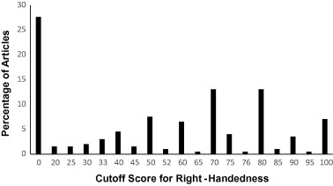
On the use (and misuse?) of the Edinburgh Handedness Inventory | James M. Edlin, Marcus L. Leppanen, Robin J. Fain, Ryan P. Hackländer, Shelley D. Hanaver-Torrez, Keith B. Lyle | https://doi.org/10.1016/j.bandc.2015.01.003

