all_PGS_all_indiv_byBD
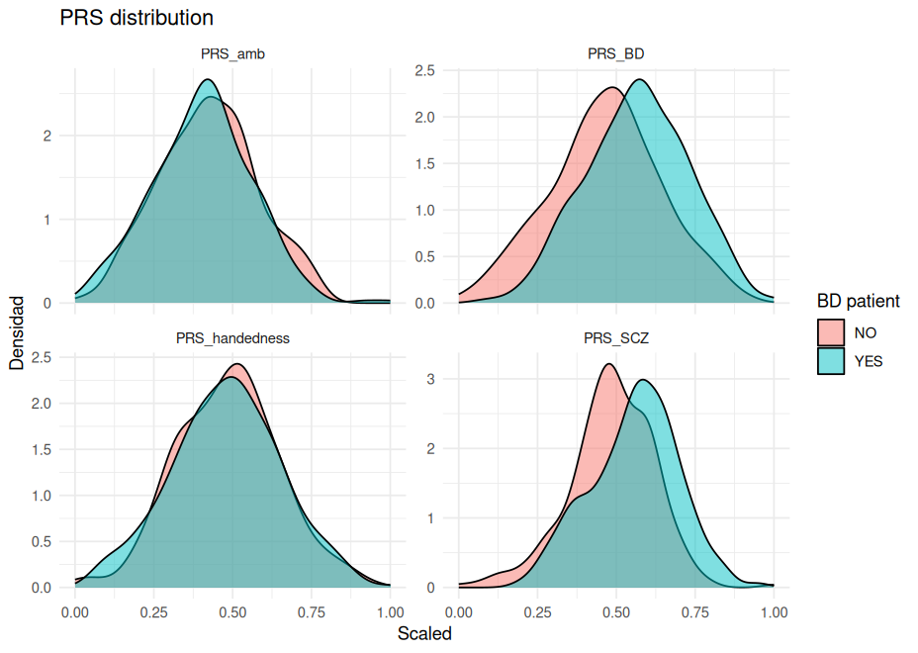
PRS differences between BD patients and controls |  |  |  |  |  |  | Makes sense?
 | level | Overall | NO | YES | p | test
n |  | 621 | 273 | 348
PRS_handedness (mean (SD)) |  | 0.09 (0.03) | 0.09 (0.03) | 0.09 (0.03) | 0.770 |  | Disappointing
PRS_amb (mean (SD)) |  | 0.04 (0.07) | 0.05 (0.07) | 0.04 (0.07) | 0.140
PRS_BD (mean (SD)) |  | 0.24 (0.07) | 0.21 (0.07) | 0.26 (0.07) | 0.000 |  | Expected
PRS_SCZ (mean (SD)) |  | 0.86 (0.27) | 0.78 (0.26) | 0.92 (0.26) | 0.000 |  | Expected -> does the graph look good?

