Hoja1
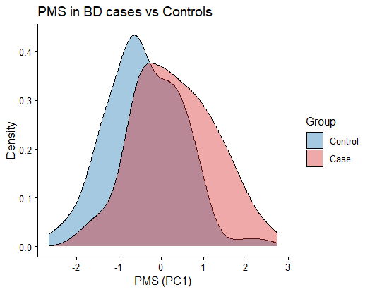
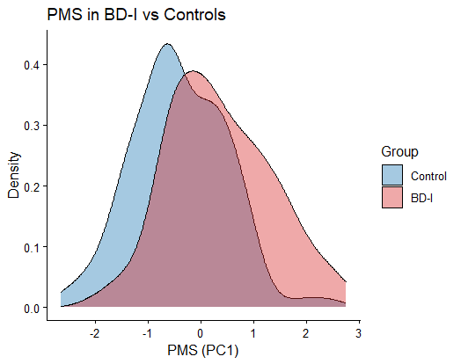
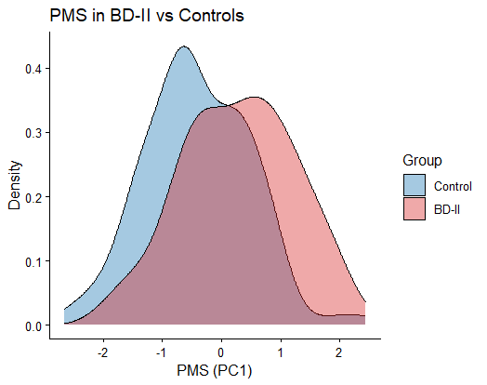
Association with BD: glm(Case-control ~ predictor + covariates, family="binomial") -> full model |  |  |  |  |  | Full model - reduced model | AUC adjusted by covariates (Full model = PMS + covariates) |  |  |  | Wilcoxon test case vs control | Information
Analysis | Sample size | Estimate | SE | P-value | Nagelkerke R2 | Nagelkerke R2 | AUC full model | AUC full model - reduced model | mean AUC full model 1000 iterations train (80%) and test (20%) | IC95% | p-value
PMS - all BD | 238 = 130 cases and 108 controls | 1.15203 | 0.38407 | 0.002704 | 0.3190453 | 0.04170767 | 0.8074 | 0.02521368 | 0.7659448 +- 0.06438266 | [0.6276002, 0.8782644] | 1.378E-08 | PMS obtained using fixed effects meta-analysis summary statistics and autosomes beta values. PMS calculated as PC1 from PCA of scores obtained using 13 p-value thresholds in summary statistics (5E-14, 5E-13, 5E-12, 5E-11, 5E-10, 5E-9, 5E-8, 5E-7, 5E-6, 5E-5, 5E-4, 5E-3, 0.05). SUMSTATS USED CONSISTS ON A META-ANALYSIS OF 3476 INDIVIDUALS (1729 CASES AND 1747 CONTROLS)
PMS - BD-I | 192 = 84 BD-I cases and 108 controls | 1.088621 | 0.428026 | 0.01098 | 0.3199252 | 0.03671917 | 0.8079 | 0.0271164 | 0.7541055 +- 0.06984481 | [0.6122698, 0.8858756] | 2.419E-07 | Same PMS as before, but extracting only BD-I individuals
PMS - BD-II | 154 = 46 BD-II cases and 108 controls | 1.09117 | 0.54105 | 0.0437 | 0.3302446 | 0.03074514 | 0.8321 | 0.01811594 | 0.7593203 +- 0.08116588 | [0.6010101, 0.9188095] | 0.00004905 | Same PMS as before, but extracting only BD-II individuals
PMS - PTSD | 238 = 130 cases and 108 controls | 0.22534 | 0.20622 | 0.27454 | 0.2826357 | 0.005298071 | 0.7869 | 0.004700855 | 0.7401944 +- 0.06832585 | [0.5979016, 0.8695672] | 0.4847 | PMS obtained using PTSD meta-analysis summary statistics (Katrinli et. al) and autosomes beta values. PMS calculated as PC1 from PCA of scores obtained using 8 p-value thresholds in summary statistics (5E-9, 5E-8, 5E-7, 5E-6, 5E-5, 5E-4, 5E-3, 0.05)
PMS - PTSD - BD-I | 192 = 84 BD-I cases and 108 controls | 0.04522 | 0.2353 | 0.84761 | 0.2834091 | 0.0002030899 | 0.78 | -0.0007716049 | 0.7234783 +- 0.07443463 | [0.5775196, 0.8694475] | 0.9822 | Same PMS as PTSD, but extracting only BD-I individuals
PMS - PTSD - BD-II | 154 = 46 BD-II cases and 108 controls | 0.66133 | 0.28803 | 0.021675 | 0.3375436 | 0.03804412 | 0.8297 | 0.01570048 | 0.754322 +- 0.08485802 | [0.5858586, 0.9136490] | 0.1547 | Same PMS as PTSD, but extracting only BD-II individuals
PMS - MDD | 238 = 130 cases and 108 controls | 0.135136 | 0.339144 | 0.690289 | 0.2780443 | 0.0007066447 | 0.784 | 0.001851852 | 0.7386161 +- 0.06813209 | [0.5978976, 0.8659612 ] | 0.000000373 | PMS obtained using MDD meta-analysis summary statistics (Shen et. al) and autosomes beta values. PMS calculated as PC1 from PCA of scores obtained using 8 p-value thresholds in summary statistics (5E-9, 5E-8, 5E-7, 5E-6, 5E-5, 5E-4, 5E-3, 0.05)
PMS - MDD - BD-I | 192 = 84 BD-I cases and 108 controls | -0.130484 | 0.378017 | 0.72996 | 0.2838623 | 0.0006562316 | 0.7803 | -0.0004409171 | 0.7249519 +- 0.07403471 | [0.5788816, 0.8636487] | 0.00001855 | Same PMS as MDD, but extracting only BD-I individuals
PMS - MDD - BD-II | 154 = 46 BD-II cases and 108 controls | 0.89899 | 0.46949 | 0.05552 | 0.3275233 | 0.02802379 | 0.8223 | 0.008252818 | 0.7483452 +- 0.08802153 | [0.5761497, 0.9000000] | 0.00003312 | Same PMS as MDD, but extracting only BD-II individuals
PMS - SCZ | 238 = 130 cases and 108 controls | -0.09482 | 0.16511 | 0.565769 | 0.2788039 | 0.001466276 | 0.7847 | 0.002492877 | 0.7384264 +- 0.06934091 | [0.5981696, 0.8675189] | 0.5445 | PMS obtained using SCZ meta-analysis summary statistics (Tesfaye et. al) and autosomes beta values. PMS calculated as PC1 from PCA of scores obtained using 8 p-value thresholds in summary statistics (5E-9, 5E-8, 5E-7, 5E-6, 5E-5, 5E-4, 5E-3, 0.05)
PMS - SCZ - BD-I | 192 = 84 BD-I cases and 108 controls | 0.191599 | 0.192858 | 0.320482 | 0.2887037 | 0.005497701 | 0.7858 | 0.005070547 | 0.7300687 +- 0.07455275 | [0.5846561, 0.8677563] | 0.1165 | Same PMS as SCZ, but extracting only BD-I individuals
PMS - SCZ - BD-II | 154 = 46 BD-II cases and 108 controls | -0.54278 | 0.24013 | 0.0238 | 0.3383543 | 0.03885483 | 0.8396 | 0.02556361 | 0.7641135 +- 0.08181865 | [0.5999457, 0.9142857] | 0.2716 | Same PMS as SCZ, but extracting only BD-II individuals
PMS - wellbeing | 238 = 130 cases and 108 controls | -0.18563 | 0.16341 | 0.255956 | 0.2830968 | 0.005759219 | 0.7886 | 0.006410256 | 0.7414406 +- 0.06793236 | [0.6019871, 0.8678827] | 0.1809 | PMS obtained using Wellbeing meta-analysis summary statistics adjusted for BMI and smoking (Bartels et. al) - ZScores are used as BETA - and autosomes beta values. PMS calculated as PC1 from PCA of scores obtained using 8 p-value thresholds in summary statistics (5E-9, 5E-8, 5E-7, 5E-6, 5E-5, 5E-4, 5E-3, 0.05)
PMS - wellbeing - BD-I | 192 = 84 BD-I cases and 108 controls | -0.244711 | 0.181556 | 0.177704 | 0.29323 | 0.01002396 | 0.7914 | 0.01069224 | 0.7319564 +- 0.07336338 | [0.5820106, 0.8716734] | 0.1273 | Same PMS as Wellbeing, but extracting only BD-I individuals
PMS - wellbeing - BD-II | 154 = 46 BD-II cases and 108 controls | -0.03267 | 0.23527 | 0.88957 | 0.2996395 | 0.0001400281 | 0.8144 | 0.0004025765 | 0.7382517 +- 0.08838683 | [0.5619048, 0.9076108] | 0.6231 | Same PMS as Wellbeing, but extracting only BD-II individuals

COVARIATES = Sex + Age + smoking + cell_PC1 + cell_PC2 + Anc_PC1 + Anc_PC1+ Ctrl_PC1 + Ctrl_PC2

Las distribuciones son los datos del PMS, sin ajustar por covariables --> se pueden repetir representando solo los residuos del PMS (pero no lo he hecho)
PMS distribution BD cases vs controls |  |  |  |  | PMS distribution BD-I vs controls |  |  |  |  | PMS distribution BD-II vs controls

