Steel
Parameter | Value | Unit | SI base unit | Arbitrary
X70 Steel density | 7,850 | kg/m³ | TRUE
Bare wall yr 1 | 13.28 | mm | FALSE
Outside diameter | 0.7112 | m | TRUE
Length of pipeline | 70,000 | m | TRUE
hot-rolled steel coil (hrc) price | 0.550 | $/kg | FALSE
China Inland | 15 | $/t | FALSE
Ocean Freight | 120 | $/t | FALSE
Chile Inland | 35 | $/t | FALSE
Freight cost | 170 | $/t
Freight cost | 0.170 | $/kg | FALSE
Cost per weight (CPW) | 1.27 | $/kg | FALSE
Cost per weight (CPW) | 1,270 | $/t
Bare · Inside Diameter Yr 1 | 0.68464 | m | TRUE
Bare · Volume of 1 m of pipe | 0.02911747 | m³ | TRUE
Bare · Steel weight of pipes | 16,000 | t
Bare · Steel weight of pipes | 16,000,048 | kg | TRUE
Cost of bare pipes | $20,320,061 | $

Parameter | Value | Unit | SI base unit | Arbitrary
X70 Steel density | 7,850 | kg/m³ | TRUE
FBE wall yr 1 | 9.53 | mm | FALSE
FBE · Inside Diameter Yr 1 | 0.69214 | m | TRUE
FBE · Volume of 1 m of pipe | 0.021007563353 | m³ | TRUE
FBE · Steel weight of pipes | 11,544 | t
FBE · Steel weight of pipes | 11,543,656 | kg | TRUE
Cost of FBE pipes | $14,660,443 | $

 | Bare | Coated | Difference | Diff/Bare
Initial wall thickness | 13.28 | 9.53 |  | -38.6%
Steel Weight | 16,000 | 11,544
Cost of steel | $20,320,061 | $14,660,443

Strategy | Steel cost | Percentage
Bare | $20,320,061 | 100%
FBE | $14,660,443 | 72.1%
Difference | $5,659,618 | 27.9%

SC
Parameter | Value | Unit
Cost per interior Surface Area (CPS) | $5.00 | $/m²
Inside Diameter (D) | 0.69214 | m
Pipeline Liength (L) | 70000 | m
FBE pipeline Inner Surface (pi·D·L) | 152,210 | m²
Shop coating | $761,048
Steel cost | $14,660,443
 | $15,421,491
FBE percentage | 4.9%
Steel Percentage | 95.1%

FJC
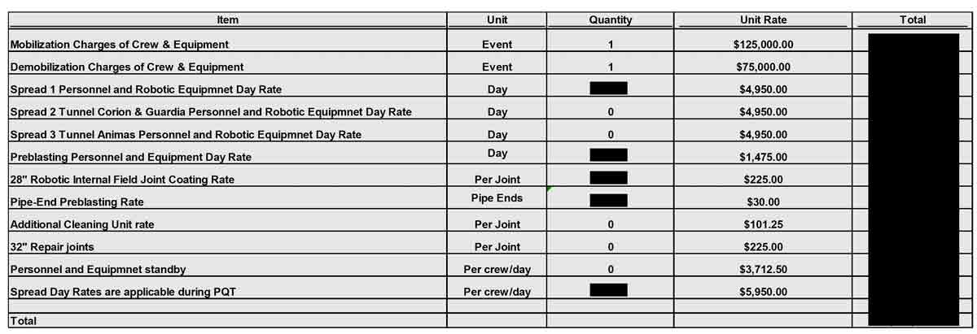
Cost Component | Cost per Joint
Mobilization of Crew & Equipment | $24.00 | 0.024
Demobilization of Crew & Equipment | $15.00 | 0.015 | 8.6
Personnel & Robotic Equipment | $549.00 | 0.549
Pre-blasting Personnel & Equipment | $162.00 | 0.162
Internal Coating Application | $197.00 | 0.197
Pipe-End Pre-blasting | $53.00 | 0.053
Total Cost per Joint | $1,000.00 | 1.000

Pipeline Length | 70000
Segment length | 12
Joints | 5,834
Total Field Internal Coating | $5,834,000

Cutback 0.5 m uncoated | 0.42%
Rest of the pipe coated | 99.58%
Times more expensive | 7.7
Times more expensive per surface area | 1,817

Total steel cost | $14,660,443 | 69.0%
Field joint coating | $5,834,000 | 27.4%
Shop FBE coating | $761,048 | 3.6%
Total Field Shop Steel | $21,255,491

Inhibitors
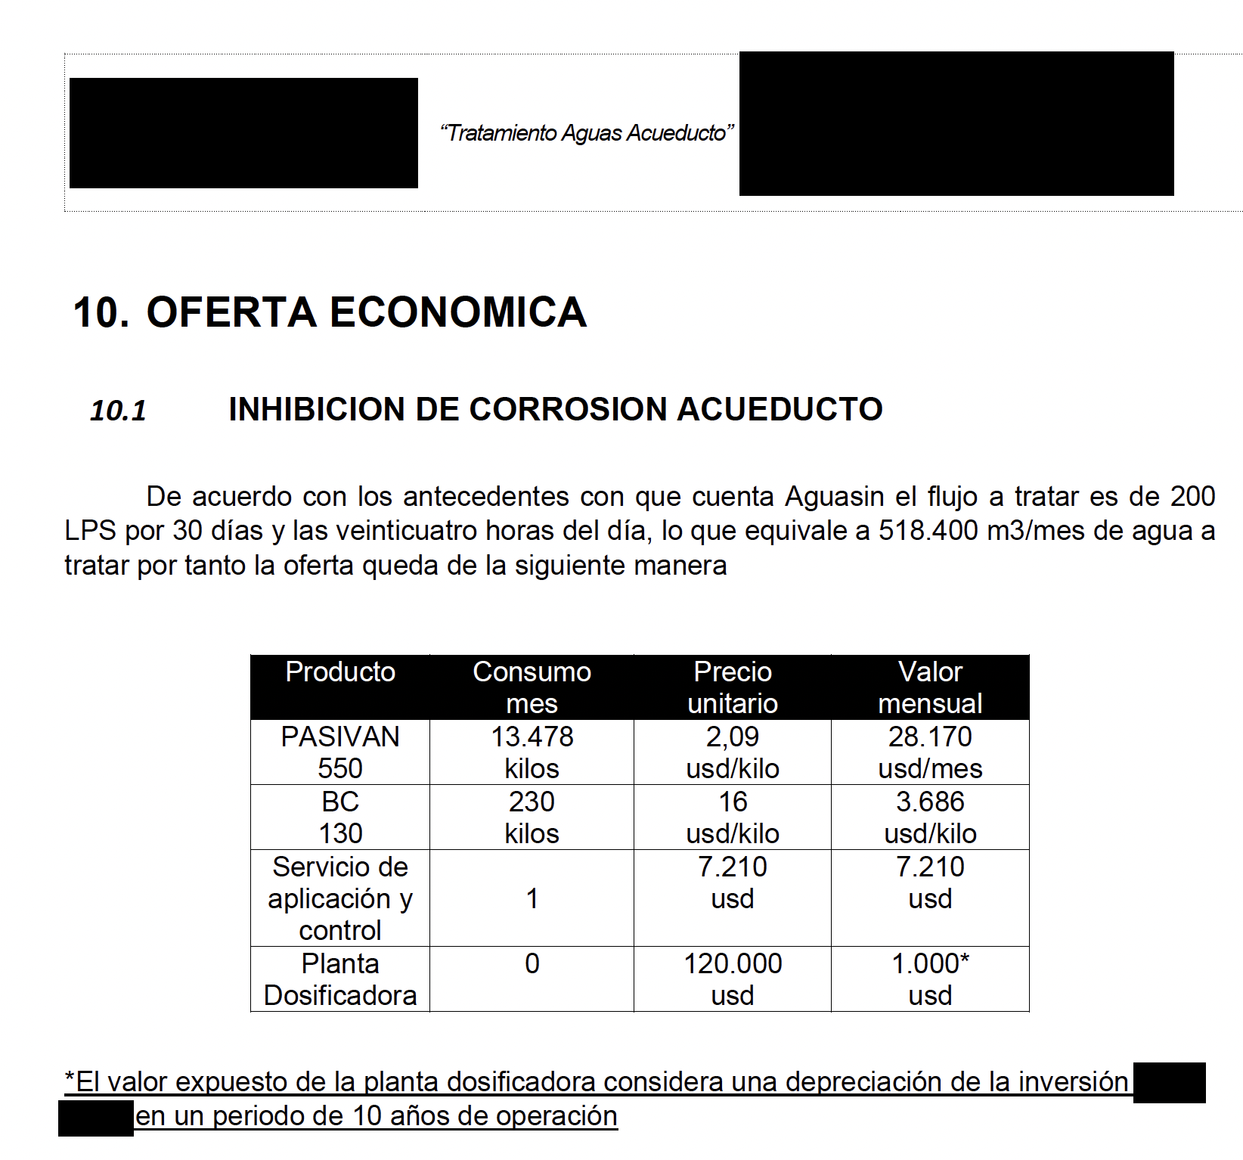
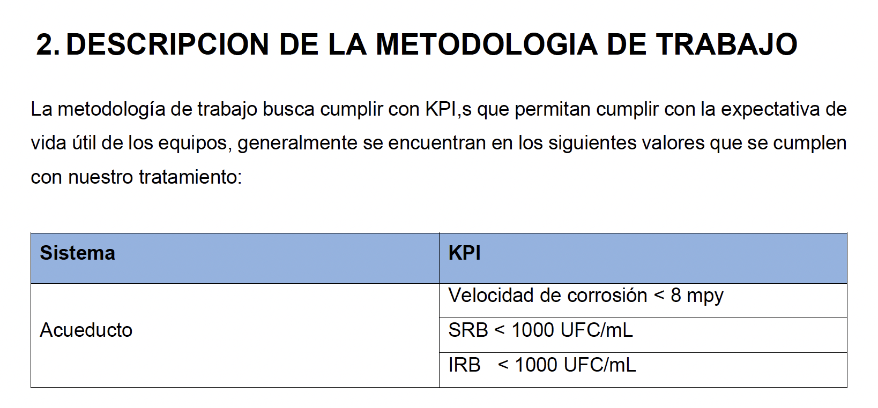
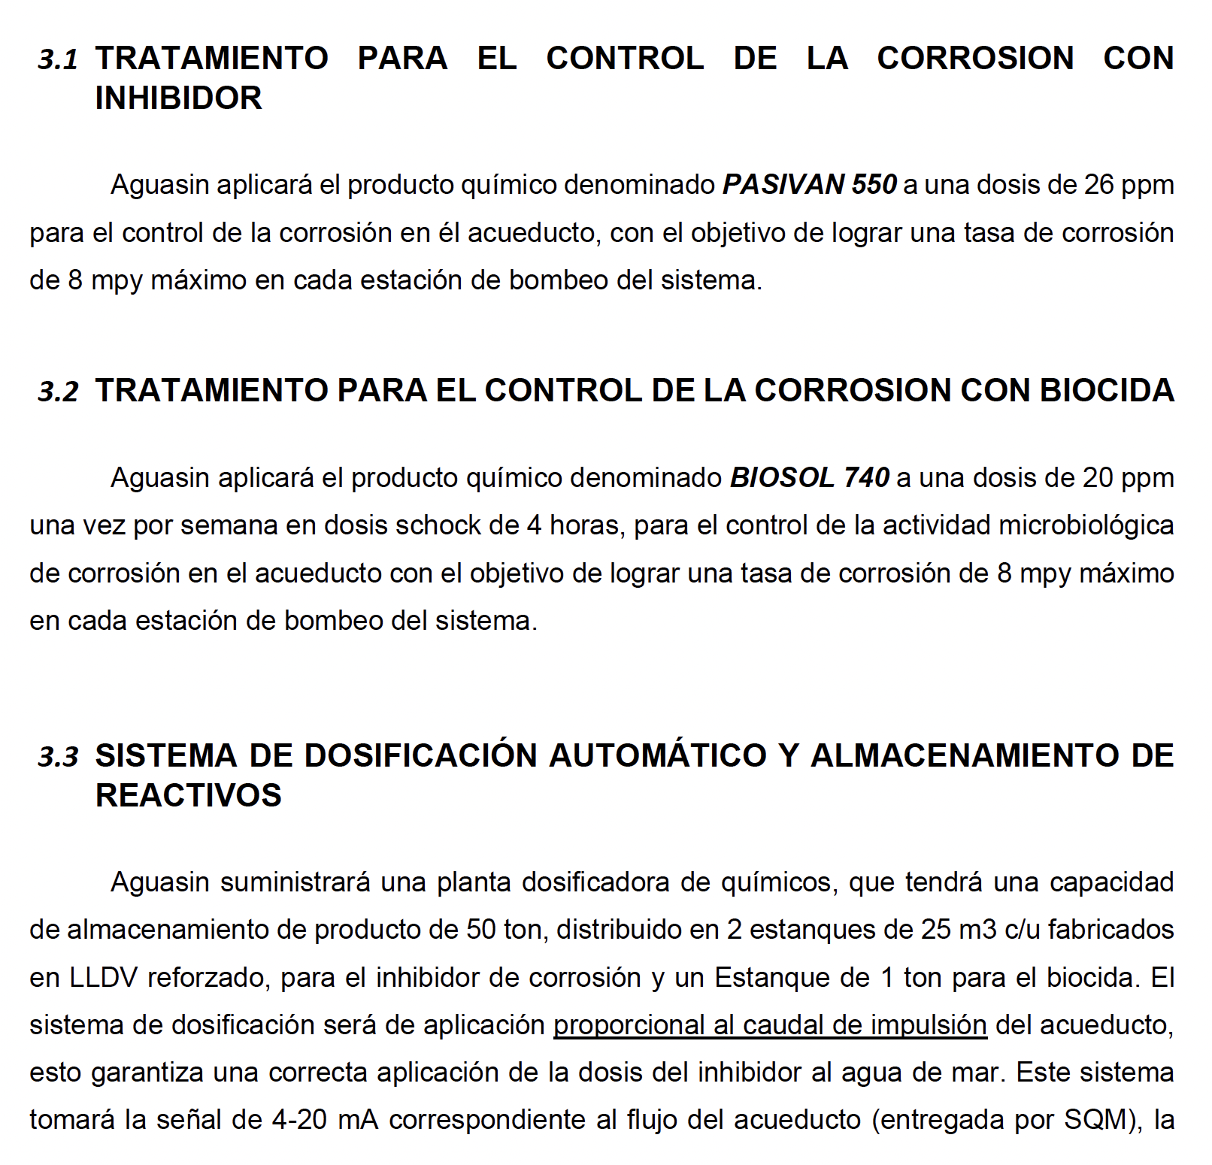
Parameter | Value | Unit
Flow rate | 0.7 | m³/s
Flow rate | 2520 | m³/hr
Flow rate | 1814400 | m³/month
Annual hours of operation | 8400 | hr/yr
Total volume | 21,168,000 | m³
Fluid density | 1030 | kg/m³
Discount Rate | 10%
Descuento por volumen | 20%
Compound | Dosage | Mass [ kg/yr ] | Price [ $/kg ] | Total | Mass [ kg/month ]
Inhibitor | 26.00 | 550,368 | $1.7 | $920,215 | 45,864.0 kg/month
Biocide | 0.46 | 9,660 | $12.8 | $123,648 | 805.0 kg/month
Total |  |  |  | $1,043,863

 |  |  | Present Value | $9,475,189

Electricity
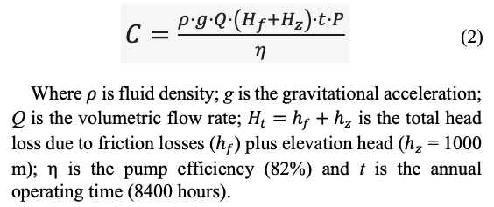
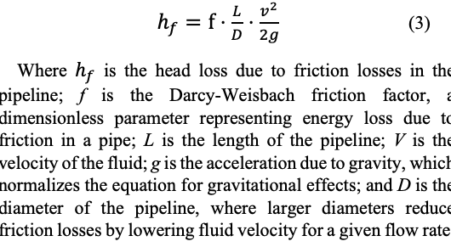
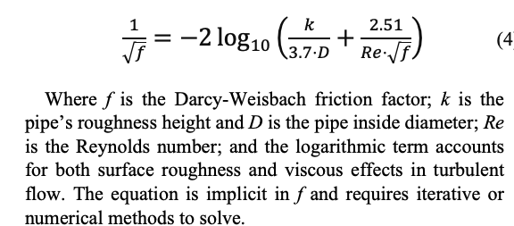
 |  |  | Pipeline Length | 70000 | m
 |  |  | Flow rate | 0.7 | m³/s
 |  |  | Fluid Density | 1030
 |  |  | Elevation | 1000 | m
 |  |  | Pump efficiency | 0.82
 |  |  | Annual hours of operation | 8400 | hr/yr
 |  |  | Projected Price of electricity | 175 | $/MWh
 |  |  | Projected Price of electricity | 0.175 | $/kWh
 |  |  | Projected Price of electricity | 0.000175 | $/Wh
 |  |  | Bare pipe Cost of Electricity Year 1 | $15,935,029

#NAME?
Analyzed case: FBE coated. Initial wall thickness = 9.53 mm; year 25 wall thickness = 9.53 mm. Initial pipe roughness = 0.01 mm; year 25 pipe roughness = 0.05 mm. Fixed parameters: Elevation head = 1000 m; pump efficiency = 0.82%; energy cost = 0.174 $/kWh; outside diameter = 28''; flow rate = 700 L/s; density of water = 1030 kg/m3; viscosity of water = 0.0013 Pa·s
 | Case: |  | wall yr 1 | 14.53 |  | k yr 1 | 0.1 |  | Case: |  | wall yr 1 | 9.53 | 0.01 |  |  |  |  |  | k yr 1
 | Bare pipe |  | wall yr 25 | 9.53 |  | k yr 25 | 0.3 |  | FBE coated |  | wall yr 25 | 9.53 | 0.05 |  |  |  |  |  | k yr 25

Yr | Pipe roughness [ mm ] | Interior Diameter [ mm ] | Wall thickness [ mm ] | Fluid Velocity [m/s] | Friction factor f [ ] | Head Loss [ m ] | Pump Friction [ kW ] | Pump Elevation [ kW ] | Electricity Friction [ M$ ] | Electricity Elevation [ M$ ] | Viscosity [ Pa·s ] | Out Diam [in] | Outside Diameter [m] | Wall thickness [m] | Inside Diameter [m] | Pipe roughness [m] | Reynolds Number Re | Flow [L/s] | Density kg/m3 | Flow Rate [m3/s] | Eq Left Side | Eq Right Side | f diff Error | C | Year | 1
1 | 0.068 | 682.140 | 14.53000 | 1.915 | 0.013397 | 257.17 | 2217 | 8623 | $3,259,695 | $12,675,334 | 0.0013 | 28 | 0.7112 | 0.01453 | 0.68214 | 0.00007 | 1,035,210 | 700 | 1030 | 0.7 | 8.639513 | 8.639513 | 0
2 | 0.095 | 682.557 | 14.32167 | 1.913 | 0.013940 | 266.77 | 2300 | 8623 | $3,381,387 | $12,675,334 | 0.0013 | 28 | 0.7112 | 0.01432 | 0.68256 | 0.00010 | 1,034,578 | 700 | 1030 | 0.7 | 8.469687 | 8.469687 | 0 |  | Density | 1030 | kg/m3 | Bare pipe
3 | 0.122 | 682.973 | 14.11333 | 1.911 | 0.014422 | 275.15 | 2373 | 8623 | $3,487,576 | $12,675,334 | 0.0013 | 28 | 0.7112 | 0.01411 | 0.68297 | 0.00012 | 1,033,947 | 700 | 1030 | 0.7 | 8.327034 | 8.327034 | 0 | 0.70000000000 | Flow | 0.70000 | m3/s | FBE coated
4 | 0.149 | 683.390 | 13.90500 | 1.908 | 0.014857 | 282.59 | 2437 | 8623 | $3,581,887 | $12,675,334 | 0.0013 | 28 | 0.7112 | 0.01391 | 0.68339 | 0.00015 | 1,033,317 | 700 | 1030 | 0.7 | 8.204158 | 8.204158 | 0 |  | Viscosity | 0.00130 | Pa·s
5 | 0.177 | 683.807 | 13.69667 | 1.906 | 0.015255 | 289.28 | 2494 | 8623 | $3,666,761 | $12,675,334 | 0.0013 | 28 | 0.7112 | 0.01370 | 0.68381 | 0.00018 | 1,032,687 | 700 | 1030 | 0.7 | 8.096307 | 8.096307 | 0 |  | Exterior Diameter | 0.71120 | m
6 | 0.204 | 684.223 | 13.48833 | 1.904 | 0.015624 | 295.37 | 2547 | 8623 | $3,743,924 | $12,675,334 | 0.0013 | 28 | 0.7112 | 0.01349 | 0.68422 | 0.00020 | 1,032,058 | 700 | 1030 | 0.7 | 8.000246 | 8.000246 | 0 |  | Interior Diameter | 0.68214 | m
7 | 0.231 | 684.640 | 13.28000 | 1.901 | 0.015968 | 300.95 | 2595 | 8623 | $3,814,648 | $12,675,334 | 0.0013 | 28 | 0.7112 | 0.01328 | 0.68464 | 0.00023 | 1,031,430 | 700 | 1030 | 0.7 | 7.913683 | 7.913683 | 0 |  | Wall thickness | 0.01453 | m
8 | 0.258 | 685.057 | 13.07167 | 1.899 | 0.016290 | 306.10 | 2639 | 8623 | $3,879,901 | $12,675,334 | 0.0013 | 28 | 0.7112 | 0.01307 | 0.68506 | 0.00026 | 1,030,803 | 700 | 1030 | 0.7 | 7.834928 | 7.834928 | 0 |  | Rougness | 0.00007 | m
9 | 0.285 | 685.473 | 12.86333 | 1.897 | 0.016595 | 310.87 | 2681 | 8623 | $3,940,434 | $12,675,334 | 0.0013 | 28 | 0.7112 | 0.01286 | 0.68547 | 0.00029 | 1,030,176 | 700 | 1030 | 0.7 | 7.762706 | 7.762706 | 0 |  | Velocity | 1.91541 | m/s
10 | 0.312 | 685.890 | 12.65500 | 1.895 | 0.016884 | 315.32 | 2719 | 8623 | $3,996,846 | $12,675,334 | 0.0013 | 28 | 0.7112 | 0.01266 | 0.68589 | 0.00031 | 1,029,550 | 700 | 1030 | 0.7 | 7.696029 | 7.696029 | 0 |  | Reynolds Number | 1035210 | m
11 | 0.340 | 686.307 | 12.44667 | 1.892 | 0.017159 | 319.49 | 2755 | 8623 | $4,049,623 | $12,675,334 | 0.0013 | 28 | 0.7112 | 0.01245 | 0.68631 | 0.00034 | 1,028,925 | 700 | 1030 | 0.7 | 7.634115 | 7.634115 | 0 |  | Friction factor | 0.013397429077
12 | 0.367 | 686.723 | 12.23833 | 1.890 | 0.017421 | 323.40 | 2789 | 8623 | $4,099,164 | $12,675,334 | 0.0013 | 28 | 0.7112 | 0.01224 | 0.68672 | 0.00037 | 1,028,301 | 700 | 1030 | 0.7 | 7.576339 | 7.576339 | 0 |  | Friction Head Loss | 257.168 | m
13 | 0.394 | 687.140 | 12.03000 | 1.888 | 0.017673 | 327.08 | 2820 | 8623 | $4,145,802 | $12,675,334 | 0.0013 | 28 | 0.7112 | 0.01203 | 0.68714 | 0.00039 | 1,027,677 | 700 | 1030 | 0.7 | 7.522188 | 7.522188 | 0 |  | Elevation Head Loss | 1000.00 | m
14 | 0.421 | 687.557 | 11.82167 | 1.885 | 0.017915 | 330.55 | 2850 | 8623 | $4,189,818 | $12,675,334 | 0.0013 | 28 | 0.7112 | 0.01182 | 0.68756 | 0.00042 | 1,027,055 | 700 | 1030 | 0.7 | 7.471241 | 7.471241 | 0 |  | Annual hours of operation | 8400 | h/yr
15 | 0.448 | 687.973 | 11.61333 | 1.883 | 0.018148 | 333.83 | 2879 | 8623 | $4,231,451 | $12,675,334 | 0.0013 | 28 | 0.7112 | 0.01161 | 0.68797 | 0.00045 | 1,026,433 | 700 | 1030 | 0.7 | 7.423144 | 7.423144 | 0 |  | Pump Efficiency | 0.82 | %
16 | 0.475 | 688.390 | 11.40500 | 1.881 | 0.018373 | 336.95 | 2905 | 8623 | $4,270,908 | $12,675,334 | 0.0013 | 28 | 0.7112 | 0.01141 | 0.68839 | 0.00048 | 1,025,811 | 700 | 1030 | 0.7 | 7.377599 | 7.377599 | 0 |  | Pump Power | #NAME? | W
17 | 0.503 | 688.807 | 11.19667 | 1.879 | 0.018590 | 339.90 | 2931 | 8623 | $4,308,367 | $12,675,334 | 0.0013 | 28 | 0.7112 | 0.01120 | 0.68881 | 0.00050 | 1,025,191 | 700 | 1030 | 0.7 | 7.334354 | 7.334354 | 0 |  | Energy cost | 0.000174 | W
18 | 0.530 | 689.223 | 10.98833 | 1.876 | 0.018800 | 342.71 | 2955 | 8623 | $4,343,984 | $12,675,334 | 0.0013 | 28 | 0.7112 | 0.01099 | 0.68922 | 0.00053 | 1,024,571 | 700 | 1030 | 0.7 | 7.293189 | 7.293189 | 0 |  | Annual cost of energy · C | #NAME? | $/yr
19 | 0.557 | 689.640 | 10.78000 | 1.874 | 0.019004 | 345.39 | 2978 | 8623 | $4,377,897 | $12,675,334 | 0.0013 | 28 | 0.7112 | 0.01078 | 0.68964 | 0.00056 | 1,023,952 | 700 | 1030 | 0.7 | 7.253918 | 7.253918 | 0
20 | 0.584 | 690.057 | 10.57167 | 1.872 | 0.019203 | 347.94 | 3000 | 8623 | $4,410,227 | $12,675,334 | 0.0013 | 28 | 0.7112 | 0.01057 | 0.69006 | 0.00058 | 1,023,334 | 700 | 1030 | 0.7 | 7.216376 | 7.216376 | 0
21 | 0.611 | 690.473 | 10.36333 | 1.869 | 0.019395 | 350.37 | 3021 | 8623 | $4,441,082 | $12,675,334 | 0.0013 | 28 | 0.7112 | 0.01036 | 0.69047 | 0.00061 | 1,022,716 | 700 | 1030 | 0.7 | 7.180420 | 7.180420 | 0
22 | 0.638 | 690.890 | 10.15500 | 1.867 | 0.019583 | 352.70 | 3041 | 8623 | $4,470,559 | $12,675,334 | 0.0013 | 28 | 0.7112 | 0.01016 | 0.69089 | 0.00064 | 1,022,099 | 700 | 1030 | 0.7 | 7.145923 | 7.145923 | 0
23 | 0.666 | 691.307 | 9.94667 | 1.865 | 0.019766 | 354.92 | 3060 | 8623 | $4,498,745 | $12,675,334 | 0.0013 | 28 | 0.7112 | 0.00995 | 0.69131 | 0.00067 | 1,021,483 | 700 | 1030 | 0.7 | 7.112774 | 7.112774 | 0
24 | 0.693 | 691.723 | 9.73833 | 1.863 | 0.019945 | 357.05 | 3079 | 8623 | $4,525,718 | $12,675,334 | 0.0013 | 28 | 0.7112 | 0.00974 | 0.69172 | 0.00069 | 1,020,868 | 700 | 1030 | 0.7 | 7.080872 | 7.080872 | 0
25 | 0.720 | 692.140 | 9.53000 | 1.860 | 0.020119 | 359.09 | 3096 | 8623 | $4,551,548 | $12,675,334 | 0.0013 | 28 | 0.7112 | 0.00953 | 0.69214 | 0.00072 | 1,020,253 | 700 | 1030 | 0.7 | 7.050130 | 7.050130 | 0
 |  |  |  |  |  |  |  |  | $34,702,859 | $115,054,517

Yr | Pipe roughness [ mm ] | Interior Diameter [ mm ] | Wall thickness [ mm ] | Fluid Velocity [m/s] | Friction factor f | Head Loss [ m ] | Pump Friction [ kW ] | Pump Elevation [ kW ] | Electricity Friction [ M$ ] | Electricity Elevation [ M$ ] | Viscosity [ Pa·s ] | Out Diam [ in ] | Outside Diameter [m] | Wall thickness [m] | Inside Diameter [m] | Pipe roughness [m] | Reynolds Number Re | Flow [L/s] | Density kg/m3 | Flow Rate [m3/s] | Eq Left Side | Eq Right Side | f diff Error
1 | 0.0100 | 692.140 | 9.53000 | 1.860 | 0.011929 | 212.91 | 1836 | 8623 | $2,698,730 | $12,675,334 | 0.0013 | 28 | 0.7112 | 0.00953 | 0.69214 | 0.000010 | 1020253 | 700 | 1030 | 0.7 | 9.155814 | 9.155814 | 0
2 | 0.0117 | 692.140 | 9.53000 | 1.860 | 0.011980 | 213.83 | 1844 | 8623 | $2,710,311 | $12,675,334 | 0.0013 | 28 | 0.7112 | 0.00953 | 0.69214 | 0.000012 | 1020253 | 700 | 1030 | 0.7 | 9.136232 | 9.136232 | 0
3 | 0.0133 | 692.140 | 9.53000 | 1.860 | 0.012031 | 214.73 | 1852 | 8623 | $2,721,728 | $12,675,334 | 0.0013 | 28 | 0.7112 | 0.00953 | 0.69214 | 0.000013 | 1020253 | 700 | 1030 | 0.7 | 9.117050 | 9.117050 | 0
4 | 0.0150 | 692.140 | 9.53000 | 1.860 | 0.012080 | 215.61 | 1859 | 8623 | $2,732,985 | $12,675,334 | 0.0013 | 28 | 0.7112 | 0.00953 | 0.69214 | 0.000015 | 1020253 | 700 | 1030 | 0.7 | 9.098254 | 9.098254 | 0
5 | 0.0167 | 692.140 | 9.53000 | 1.860 | 0.012130 | 216.49 | 1867 | 8623 | $2,744,089 | $12,675,334 | 0.0013 | 28 | 0.7112 | 0.00953 | 0.69214 | 0.000017 | 1020253 | 700 | 1030 | 0.7 | 9.079828 | 9.079828 | 0
6 | 0.0183 | 692.140 | 9.53000 | 1.860 | 0.012178 | 217.35 | 1874 | 8623 | $2,755,043 | $12,675,334 | 0.0013 | 28 | 0.7112 | 0.00953 | 0.69214 | 0.000018 | 1020253 | 700 | 1030 | 0.7 | 9.061759 | 9.061759 | 0
7 | 0.0200 | 692.140 | 9.53000 | 1.860 | 0.012226 | 218.21 | 1882 | 8623 | $2,765,852 | $12,675,334 | 0.0013 | 28 | 0.7112 | 0.00953 | 0.69214 | 0.000020 | 1020253 | 700 | 1030 | 0.7 | 9.044034 | 9.044034 | 0
8 | 0.0217 | 692.140 | 9.53000 | 1.860 | 0.012273 | 219.05 | 1889 | 8623 | $2,776,522 | $12,675,334 | 0.0013 | 28 | 0.7112 | 0.00953 | 0.69214 | 0.000022 | 1020253 | 700 | 1030 | 0.7 | 9.026640 | 9.026640 | 0
9 | 0.0233 | 692.140 | 9.53000 | 1.860 | 0.012319 | 219.88 | 1896 | 8623 | $2,787,055 | $12,675,334 | 0.0013 | 28 | 0.7112 | 0.00953 | 0.69214 | 0.000023 | 1020253 | 700 | 1030 | 0.7 | 9.009566 | 9.009566 | 0
10 | 0.0250 | 692.140 | 9.53000 | 1.860 | 0.012365 | 220.70 | 1903 | 8623 | $2,797,457 | $12,675,334 | 0.0013 | 28 | 0.7112 | 0.00953 | 0.69214 | 0.000025 | 1020253 | 700 | 1030 | 0.7 | 8.992801 | 8.992801 | 0
11 | 0.0267 | 692.140 | 9.53000 | 1.860 | 0.012411 | 221.51 | 1910 | 8623 | $2,807,731 | $12,675,334 | 0.0013 | 28 | 0.7112 | 0.00953 | 0.69214 | 0.000027 | 1020253 | 700 | 1030 | 0.7 | 8.976333 | 8.976333 | 0
12 | 0.0283 | 692.140 | 9.53000 | 1.860 | 0.012456 | 222.31 | 1917 | 8623 | $2,817,880 | $12,675,334 | 0.0013 | 28 | 0.7112 | 0.00953 | 0.69214 | 0.000028 | 1020253 | 700 | 1030 | 0.7 | 8.960153 | 8.960153 | 0
13 | 0.0300 | 692.140 | 9.53000 | 1.860 | 0.012500 | 223.10 | 1924 | 8623 | $2,827,908 | $12,675,334 | 0.0013 | 28 | 0.7112 | 0.00953 | 0.69214 | 0.000030 | 1020253 | 700 | 1030 | 0.7 | 8.944252 | 8.944252 | 0
14 | 0.0317 | 692.140 | 9.53000 | 1.860 | 0.012544 | 223.89 | 1930 | 8623 | $2,837,819 | $12,675,334 | 0.0013 | 28 | 0.7112 | 0.00953 | 0.69214 | 0.000032 | 1020253 | 700 | 1030 | 0.7 | 8.928619 | 8.928619 | 0
15 | 0.0333 | 692.140 | 9.53000 | 1.860 | 0.012587 | 224.66 | 1937 | 8623 | $2,847,616 | $12,675,334 | 0.0013 | 28 | 0.7112 | 0.00953 | 0.69214 | 0.000033 | 1020253 | 700 | 1030 | 0.7 | 8.913247 | 8.913247 | 0
16 | 0.0350 | 692.140 | 9.53000 | 1.860 | 0.012630 | 225.42 | 1944 | 8623 | $2,857,302 | $12,675,334 | 0.0013 | 28 | 0.7112 | 0.00953 | 0.69214 | 0.000035 | 1020253 | 700 | 1030 | 0.7 | 8.898128 | 8.898128 | 0
17 | 0.0367 | 692.140 | 9.53000 | 1.860 | 0.012672 | 226.18 | 1950 | 8623 | $2,866,879 | $12,675,334 | 0.0013 | 28 | 0.7112 | 0.00953 | 0.69214 | 0.000037 | 1020253 | 700 | 1030 | 0.7 | 8.883252 | 8.883252 | 0
18 | 0.0383 | 692.140 | 9.53000 | 1.860 | 0.012714 | 226.93 | 1957 | 8623 | $2,876,351 | $12,675,334 | 0.0013 | 28 | 0.7112 | 0.00953 | 0.69214 | 0.000038 | 1020253 | 700 | 1030 | 0.7 | 8.868613 | 8.868613 | 0
19 | 0.0400 | 692.140 | 9.53000 | 1.860 | 0.012756 | 227.66 | 1963 | 8623 | $2,885,721 | $12,675,334 | 0.0013 | 28 | 0.7112 | 0.00953 | 0.69214 | 0.000040 | 1020253 | 700 | 1030 | 0.7 | 8.854204 | 8.854204 | 0
20 | 0.0417 | 692.140 | 9.53000 | 1.860 | 0.012797 | 228.40 | 1969 | 8623 | $2,894,990 | $12,675,334 | 0.0013 | 28 | 0.7112 | 0.00953 | 0.69214 | 0.000042 | 1020253 | 700 | 1030 | 0.7 | 8.840017 | 8.840017 | 0
21 | 0.0433 | 692.140 | 9.53000 | 1.860 | 0.012837 | 229.12 | 1976 | 8623 | $2,904,163 | $12,675,334 | 0.0013 | 28 | 0.7112 | 0.00953 | 0.69214 | 0.000043 | 1020253 | 700 | 1030 | 0.7 | 8.826047 | 8.826047 | 0
22 | 0.0450 | 692.140 | 9.53000 | 1.860 | 0.012877 | 229.84 | 1982 | 8623 | $2,913,240 | $12,675,334 | 0.0013 | 28 | 0.7112 | 0.00953 | 0.69214 | 0.000045 | 1020253 | 700 | 1030 | 0.7 | 8.812286 | 8.812286 | 0
23 | 0.0467 | 692.140 | 9.53000 | 1.860 | 0.012917 | 230.54 | 1988 | 8623 | $2,922,224 | $12,675,334 | 0.0013 | 28 | 0.7112 | 0.00953 | 0.69214 | 0.000047 | 1020253 | 700 | 1030 | 0.7 | 8.798729 | 8.798729 | 0
24 | 0.0483 | 692.140 | 9.53000 | 1.860 | 0.012956 | 231.25 | 1994 | 8623 | $2,931,118 | $12,675,334 | 0.0013 | 28 | 0.7112 | 0.00953 | 0.69214 | 0.000048 | 1020253 | 700 | 1030 | 0.7 | 8.785369 | 8.785369 | 0
25 | 0.0500 | 692.140 | 9.53000 | 1.860 | 0.012995 | 231.94 | 2000 | 8623 | $2,939,924 | $12,675,334 | 0.0013 | 28 | 0.7112 | 0.00953 | 0.69214 | 0.000050 | 1020253 | 700 | 1030 | 0.7 | 8.772203 | 8.772203 | 0
 |  |  |  |  |  |  |  |  | $25,223,188 | $115,054,517

Charts
Steel pipe composition |  |  | Item | Bare Pipe | Coated Pipe | Difference
Steel plates | $625 | ok | Inhibitors | $9,475,189 |  | $9,475,189
Manufacturing | $625 | ok | Steel | $20,320,061 | $14,660,443 | $5,659,618
Transportation | $170 | ok | Field Joint Coating |  | $5,834,000 | $5,834,000
 | Extra Inhibitors | Extra Friction Energy | Extra Steel | Joint Field Coating | Extra Inspections | Shop Coating | Dosing Plant
 | $9,475,189 | $9,479,671 | $5,659,618 |  | $2,541,571 |  | $272,160
 |  |  |  | $5,834,000 |  | $761,048
 | $1,420 | ok | Friction Energy | $34,702,859 | $25,223,188 | $9,479,671
 |  |  | Elevation Energy | $115,054,517 | $115,054,517
 |  | ok | Inspections | $5,083,142 | $2,541,571 | $2,541,571 |  |  |  | Steel design |  | Steel corrosion
 |  |  | Shop Coating |  | $761,048 | $761,048 | CAPEX | OPEX |  | CAPEX | OPEX | Difference
 |  |  | Dosing Plant | $272,160 |  | $272,160 | 20.32 | 9.5 |  | 14.7 | 25.2 | 10.6
 |  |  | Total | $184,907,928 | $164,074,767 | 11.3% | 0.27 | 34.7 |  | 5.8 | 115.1
 |  |  |  |  |  | $20,833,161 |  | 115.1 |  | 0.8 | 2.5
 |  |  |  |  |  |  |  | 5.1
 |  |  | Initial capital costs | $25,675,364 | $21,255,491 | 17.2% |  |  |  | 21.3 | 142.8
 |  |  | OpEx | $129,612,848 | $117,596,088 | 9.3% | 20.6 | 164.3
Pipeline FBE coating related to the total pipeline cost
FBE shop interior coating cost | #NAME? |  |  |  |  |  |  | OPEX [ 115.05 ] Elevation Energy | :Elevation Energy #197 |  | OPEX [ 115.05 ] Elevation Energy | :Elevation Energy #d74
Pipeline steel cost | #NAME? |  | Item | Bare Pipe | Coated Pipe | Difference |  | :Elevation Energy #197 |  |  | :Elevation Energy #d74
 |  |  | Extra Inhibitors | $9,475,189 |  | 100%
 |  |  | Extra Friction Energy | $9,479,671 |  | 27% |  | Bare |  |  | Coated
 |  |  | Extra Steel | $5,659,618 |  | 28% |  | CAPEX [ 14.66 ] Steel design | :Steel design #d74 |  | CAPEX [ 14.66 ] Steel | :Steel #d74
 |  |  | Joint Field Coating |  | $5,834,000 | 100% |  | CAPEX [ 10.56 ] Steel corrosion | :Steel corrosion #d74 |  | CAPEX [ 5.83 ] Field Joint Coating | :Field Joint Coating #d74
 |  |  | Extra Inspections | $2,541,571 |  | 50% |  | CAPEX [ 0.27 ] Dosing Plant | :Dosing Plant #d74 |  | CAPEX [ 0.76 ] Shop Coating | :Shop Coating #d74
 |  |  | Shop Coating |  | $761,048 | 100% |  | OPEX [ 34.7 ] Friction Energy | :Friction Energy #197 |  | OPEX [ 25.22 ] Friction Energy | :Friction Energy #d74
 |  |  | Dosing Plant | $272,160 |  | 100% |  | OPEX [ 9.48 ] Inhibitors | :Inhibitors #197 |  | OPEX [ 2.54 ] Inspections | :Inspections #d74
 |  |  | Total | $27,428,209 | $6,595,048 | $20,833,161 |  | OPEX [ 5.08 ] Inspections | :Inspections #197
 |  |  |  |  | 0.31656490497
 |  |  |  |  |  |  |  | :Steel design #d74 |  |  | :Steel #d74
 |  |  |  |  |  |  |  | :Steel corrosion #d74 |  |  | :Field Joint Coating #d74
Internal Robotic Field Joint Coating compared to other pipeline costs. |  |  |  |  |  |  |  | :Dosing Plant #d74 |  |  | :Shop Coating #d74
FBE shop interior coating | #NAME? |  |  |  |  |  |  | :Friction Energy #197 |  |  | :Friction Energy #d74
Pipeline steel cost | #NAME? |  |  |  |  |  |  | :Inhibitors #197 |  |  | :Inspections #d74
Internal Field Joint Coating | #NAME? |  |  | Bare | FBE |  |  | :Inspections #197 |  |  | 0
 |  |  | CAPEX | $20,592,221 |  |  |  | 0
 |  |  | OPEX | $164,315,707

Extra energy | #REF!

Metric | Bare Pipe
Elevation | 115054516.79
Friction | 34702858.77
 | $149,757,375.56

Data_
 |  |  |  |  |  | #NAME? | 0.003125
Variable Name | Value | Unit |  | FBE Coated Case
Pipeline length | 70,000 | m | #NAME? | Year | Inner Diameter | Flow Velocity | Roughness factor | Friction Factor | Reynolds Num | Friction Head Loss | Pump Total Power | OPEX | Difference | Inner diameter | Calculated Error | Solve for f | f with Colebrook-White Equation | Error | Flow vel | Friction Head Loss
Pipe segment length | 12 | m |  | 1 | 692.14 mm | #NAME? | 0.010 mm | 0.0119409 | #NAME? | #NAME? | #NAME? | #NAME? | #NAME? | 0.69214 | -0.000018889571 | #NAME? | #NAME? | #NAME? | #NAME? | #NAME?
Pipeline Outside diameter | 28 | inches |  | 2 | 692.14 mm | #NAME? | 0.012 mm | 0.0119873 | #NAME? | #NAME? | #NAME? | #NAME? | #NAME? | 0.69214 | -0.000009966094 | #NAME? | #NAME? | #NAME? | #NAME? | #NAME?
API 5L X70 density | 7,850 | kg/m³ |  | 3 | 692.14 mm | #NAME? | 0.013 mm | 0.0120340 | #NAME? | #NAME? | #NAME? | #NAME? | #NAME? | 0.69214 | -0.000002227099 | #NAME? | #NAME? | #NAME? | #NAME? | #NAME?
Hot-rolled steel coil price | 625 | $/t |  | 4 | 692.14 mm | #NAME? | 0.015 mm | 0.0120805 | #NAME? | #NAME? | #NAME? | #NAME? | #NAME? | 0.69214 | 0.000004797646 | #NAME? | #NAME? | #NAME? | #NAME? | #NAME?
Wall thickness. No corrosion. | 9.53 | mm |  | 5 | 692.14 mm | #NAME? | 0.017 mm | 0.0121268 | #NAME? | #NAME? | #NAME? | #NAME? | #NAME? | 0.69214 | 0.000011192045 | #NAME? | #NAME? | #NAME? | #NAME? | #NAME?
Wall thickness corrosion rate | 0.2 | mm/yr | 14.53 | 6 | 692.14 mm | #NAME? | 0.018 mm | 0.0121727 | #NAME? | #NAME? | #NAME? | #NAME? | #NAME? | 0.69214 | 0.000017027919 | #NAME? | #NAME? | #NAME? | #NAME? | #NAME?
Roughness factor Bare Pipe year 1 | 0.1 | mm |  | 7 | 692.14 mm | #NAME? | 0.020 mm | 0.0122184 | #NAME? | #NAME? | #NAME? | #NAME? | #NAME? | 0.69214 | 0.000022367055 | #NAME? | #NAME? | #NAME? | #NAME? | #NAME?
Roughness factor Bare Pipe year 25 | 0.3 | mm |  | 8 | 692.14 mm | #NAME? | 0.022 mm | 0.0122637 | #NAME? | #NAME? | #NAME? | #NAME? | #NAME? | 0.69214 | 0.000027262849 | #NAME? | #NAME? | #NAME? | #NAME? | #NAME?
Roughness factor for FBE Inner Coated pipe year 1 | 0.01 | mm | 0.00001 | 9 | 692.14 mm | #NAME? | 0.023 mm | 0.0123087 | #NAME? | #NAME? | #NAME? | #NAME? | #NAME? | 0.69214 | 0.000031761655 | #NAME? | #NAME? | #NAME? | #NAME? | #NAME?
Roughness factor for FBE Inner Coated pipe year 25 | 0.05 | mm |  | 10 | 692.14 mm | #NAME? | 0.025 mm | 0.0123534 | #NAME? | #NAME? | #NAME? | #NAME? | #NAME? | 0.69214 | 0.000035903873 | #NAME? | #NAME? | #NAME? | #NAME? | #NAME?
Density of water | 1030 | kg/m³ |  | 11 | 692.14 mm | #NAME? | 0.027 mm | 0.0123970 | #NAME? | #NAME? | #NAME? | #NAME? | #NAME? | 0.69214 | 0.000040276457 | #NAME? | #NAME? | #NAME? | #NAME? | #NAME?
Dynamic viscosity of water | 0.0013 | Pa s |  | 12 | 692.14 mm | #NAME? | 0.028 mm | 0.0124415 | #NAME? | #NAME? | #NAME? | #NAME? | #NAME? | 0.69214 | 0.000043255655 | #NAME? | #NAME? | #NAME? | #NAME? | #NAME? |  |  |  |  |  |  |  |  |  |  |  |  |  |  | #NAME?
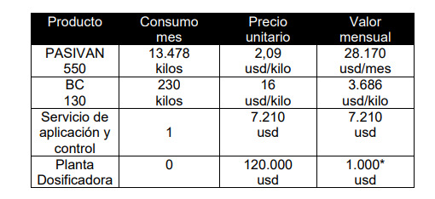
Pipeline Design flow rate | 700 | L/s |  | 13 | 692.14 mm | #NAME? | 0.030 mm | 0.0124846 | #NAME? | #NAME? | #NAME? | #NAME? | #NAME? | 0.69214 | 0.000046853217 | #NAME? | #NAME? | #NAME? | #NAME? | #NAME?
Opex DifferenceBare pipe minus FBE coated pipe Energy expenses
Pipeline Service life | 25 | years |  | 14 | 692.14 mm | #NAME? | 0.032 mm | 0.0125280 | #NAME? | #NAME? | #NAME? | #NAME? | #NAME? | 0.69214 | 0.000049552986 | #NAME? | #NAME? | #NAME? | #NAME? | #NAME?
Static Head (elevation change) | 1000 | m |  | 15 | 692.14 mm | #NAME? | 0.033 mm | 0.0125707 | #NAME? | #NAME? | #NAME? | #NAME? | #NAME? | 0.69214 | 0.000052365176 | #NAME? | #NAME? | #NAME? | #NAME? | #NAME?
Interior FBE thickness | 0.3 | mm |  | 16 | 692.14 mm | #NAME? | 0.035 mm | 0.0126131 | #NAME? | #NAME? | #NAME? | #NAME? | #NAME? | 0.69214 | 0.000054979298 | #NAME? | #NAME? | #NAME? | #NAME? | #NAME? |  |  |  |  |  | Difference
FBE repair robot service cost per joint | 1150 | $/joint |  | 17 | 692.14 mm | #NAME? | 0.037 mm | 0.0126550 | #NAME? | #NAME? | #NAME? | #NAME? | #NAME? | 0.69214 | 0.000057412386 | #NAME? | #NAME? | #NAME? | #NAME? | #NAME? |  |  |  |  |  | Bare | FBE | Units
Electrical energy cost | 0.174 | $/kWh | 0.000174 | 18 | 692.14 mm | #NAME? | 0.038 mm | 0.0126965 | #NAME? | #NAME? | #NAME? | #NAME? | #NAME? | 0.69214 | 0.000059679678 | #NAME? | #NAME? | #NAME? | #NAME? | #NAME? |  | Bare Pipe | FBE Coated Pipe | OPEX | Small ID & Roughness Extra Energy | #REF! |  | MUS$/yr
Annual hours of pump operation | 8400 | h/yr |  | 19 | 692.14 mm | #NAME? | 0.040 mm | 0.0127377 | #NAME? | #NAME? | #NAME? | #NAME? | #NAME? | 0.69214 | 0.000061794841 | #NAME? | #NAME? | #NAME? | #NAME? | #NAME? | Extra Energy |  |  |  | Corrosion Inhibitors | #REF! |  | MUS$/yr
Pump efficiency | 82 | % | 0.82 | 20 | 692.14 mm | #NAME? | 0.042 mm | 0.0127785 | #NAME? | #NAME? | #NAME? | #NAME? | #NAME? | 0.69214 | 0.000063770161 | #NAME? | #NAME? | #NAME? | #NAME? | #NAME? |  |  |  |  | Annual expenses | #REF! |  | MUS$/yr
Annual discount Rate | 10 | % |  | 21 | 692.14 mm | #NAME? | 0.043 mm | 0.0128189 | #NAME? | #NAME? | #NAME? | #NAME? | #NAME? | 0.69214 | 0.000065616712 | #NAME? | #NAME? | #NAME? | #NAME? | #NAME?
Gravitational acceleration | 9.807 | m/s² |  | 22 | 692.14 mm | #NAME? | 0.045 mm | 0.0128589 | #NAME? | #NAME? | #NAME? | #NAME? | #NAME? | 0.69214 | 0.000067344492 | #NAME? | #NAME? | #NAME? | #NAME? | #NAME? |  |  |  | CAPEX | Present value annual expenses | #REF! |  | MUS$ |  | 400 | $/L/s
 |  |  |  | 23 | 692.14 mm | #NAME? | 0.047 mm | 0.0128986 | #NAME? | #NAME? | #NAME? | #NAME? | #NAME? | 0.69214 | 0.000068962553 | #NAME? | #NAME? | #NAME? | #NAME? | #NAME? |  |  |  |  | FBE repair robot |  | #NAME? | MUS$ | PASIVAN 550 | 28170 | 70.425 | Corrosion inhibitor through passivation | 70 | 28000
Pipeline lenght | #NAME? | km |  | 24 | 692.14 mm | #NAME? | 0.048 mm | 0.0129379 | #NAME? | #NAME? | #NAME? | #NAME? | #NAME? | 0.69214 | 0.000070479101 | #NAME? | #NAME? | #NAME? | #NAME? | #NAME? |  |  |  |  | Extra Steel | #REF! |  | MUS$ | BC 130 | 3686 | 9.215 | Deoxygenation Agents | 50 | 21000
Pipeline Outside diameter | 711.2 | mm | 355.6 | 25 | 692.14 mm | #NAME? | 0.050 mm | 0.0129765 | #NAME? | #NAME? | #NAME? | #NAME? | #NAME? | 0.69214 | 0.000072194375 | #NAME? | #NAME? | #NAME? | #NAME? | #NAME? |  |  |  |  | FBE inner coating |  | #NAME? | MUS$ | Servicio de aplicación y control | 7210 | 18.025 | Biocide | 9 | 3600
Pipeline Outside diameter | 0.7112 | m |  |  |  |  | 0.002 mm |  |  |  |  | #NAME? |  |  |  |  |  |  |  |  |  |  |  |  | Total | #REF! |  | MUS$ |  |  |  | pH Adjusters | 3 | 1200
Kinematic viscosity of water | 0.00000126 | m²/s |  | Bare Pipe Case |  |  |  |  |  |  |  |  |  |  |  |  |  |  |  |  |  |  |  |  |  |  |  |  |  | $39,466 |  | Energy Cost | 5 | 2000
Dynamic Viscosity of water | 1.3 | cP |  | Year | Inner Diameter | Flow Velocity | Roughness factor | Friction Factor | Reynolds Num | Friction Head Loss | Pump Total Power | OPEX | Bare-FBE Diff | Inner diameter | Calculated Error | Solve for f | f with CBrook-W | Error |  |  |  |  |  |  |  |  |  |  |  |  |  | Application and QA service | 18 | 7200
Design flow rate | #NAME? | m³/s |  | 1 | 682.14 mm | #NAME? | 0.100 mm | 0.01403064 | #NAME? | #NAME? | #NAME? | #NAME? | #NAME? | 0.68214 m | 0.0000797329614 | #NAME? | #NAME? | #NAME? |  |  |  |  |  |  |  |  |  |  |  |  |  |  | 155 | 62000
Design flow rate | #NAME? | m³/h |  | 2 | 682.56 mm | #NAME? | 0.108 mm | 0.01418285 | #NAME? | #NAME? | #NAME? | #NAME? | #NAME? | 0.68256 m | 0.0000797329614 | #NAME? | #NAME? | #NAME?
Design flow rate | #NAME? | m³/day |  | 3 | 682.97 mm | #NAME? | 0.117 mm | 0.01432968 | #NAME? | #NAME? | #NAME? | #NAME? | #NAME? | 0.68297 m | 0.0000797329614 | #NAME? | #NAME? | #NAME?
CAPEX · Cost of Steel · Bare Pipe |  |  |  | 4 | 683.39 mm | #NAME? | 0.125 mm | 0.01447156 | #NAME? | #NAME? | #NAME? | #NAME? | #NAME? | 0.68339 m | 0.0000797329614 | #NAME? | #NAME? | #NAME?
W per m bare | 249.64 | kg/m |  | 5 | 683.81 mm | #NAME? | 0.133 mm | 0.01460889 | #NAME? | #NAME? | #NAME? | #NAME? | #NAME? | 0.68381 m | 0.0000797329614 | #NAME? | #NAME? | #NAME?
W total bare pipe | #NAME? | t |  | 6 | 684.22 mm | #NAME? | 0.142 mm | 0.01474201 | #NAME? | #NAME? | #NAME? | #NAME? | #NAME? | 0.68422 m | 0.0000797329614 | #NAME? | #NAME? | #NAME? |  |  |  |  |  |  |  |  | 28170
$ Total Steel | #NAME? | MM |  | 7 | 684.64 mm | #NAME? | 0.150 mm | 0.01487123 | #NAME? | #NAME? | #NAME? | #NAME? | #NAME? | 0.68464 m | 0.0000797329614 | #NAME? | #NAME? | #NAME? |  |  |  |  |  |  |  |  | 3686
Insider Diameter (ID) of bare pipe Year 1 | 0.68214 | m |  | 8 | 685.06 mm | #NAME? | 0.158 mm | 0.01499681 | #NAME? | #NAME? | #NAME? | #NAME? | #NAME? | 0.68506 m | 0.0000797329614 | #NAME? | #NAME? | #NAME?
Insider Diameter (ID) of bare pipe Year 1 | 682.14 | mm |  | 9 | 685.47 mm | #NAME? | 0.167 mm | 0.01511899 | #NAME? | #NAME? | #NAME? | #NAME? | #NAME? | 0.68547 m | 0.0000797329614 | #NAME? | #NAME? | #NAME? |  |  |  |  |  |  | #REF!
Insider Diameter (ID) of FBE Year 25 | 0.69214 | m |  | 10 | 685.89 mm | #NAME? | 0.175 mm | 0.01523799 | #NAME? | #NAME? | #NAME? | #NAME? | #NAME? | 0.68589 m | 0.0000797329614 | #NAME? | #NAME? | #NAME?
Insider Diameter (ID) of FBE Year 25 | 692.14 | mm |  | 11 | 686.31 mm | #NAME? | 0.183 mm | 0.01535402 | #NAME? | #NAME? | #NAME? | #NAME? | #NAME? | 0.68631 m | 0.0000797329614 | #NAME? | #NAME? | #NAME? |  | PV OPEX
Dosage upfront investment | #NAME? | m³/day |  | 12 | 686.72 mm | #NAME? | 0.192 mm | 0.01546723 | #NAME? | #NAME? | #NAME? | #NAME? | #NAME? | 0.68672 m | 0.0000797329614 | #NAME? | #NAME? | #NAME?
Dosing Plant Cost | #NAME? |  |  | 13 | 687.14 mm | #NAME? | 0.200 mm | 0.01557780 | #NAME? | #NAME? | #NAME? | #NAME? | #NAME? | 0.68714 m | 0.0000797329614 | #NAME? | #NAME? | #NAME? |  |  |  |  |  |  | #REF!
Total number of joints | #NAME? |  |  | 14 | 687.56 mm | #NAME? | 0.208 mm | 0.01568587 | #NAME? | #NAME? | #NAME? | #NAME? | #NAME? | 0.68756 m | 0.0000797329614 | #NAME? | #NAME? | #NAME?
 |  |  |  | 15 | 687.97 mm | #NAME? | 0.217 mm | 0.01579158 | #NAME? | #NAME? | #NAME? | #NAME? | #NAME? | 0.68797 m | 0.0000797329614 | #NAME? | #NAME? | #NAME? |  |  |  |  |  |  | #NAME?
CAPEX · Cost of Steel · FBE coated Pipe |  |  |  | 16 | 688.39 mm | #NAME? | 0.225 mm | 0.01589504 | #NAME? | #NAME? | #NAME? | #NAME? | #NAME? | 0.68839 m | 0.0000797329614 | #NAME? | #NAME? | #NAME?
W per m FBE coated | 164.91 | kg/m |  | 17 | 688.81 mm | #NAME? | 0.233 mm | 0.01599638 | #NAME? | #NAME? | #NAME? | #NAME? | #NAME? | 0.68881 m | 0.0000797329614 | #NAME? | #NAME? | #NAME?
W total FBE coated pipe | #NAME? | t |  | 18 | 689.22 mm | #NAME? | 0.242 mm | 0.01609569 | #NAME? | #NAME? | #NAME? | #NAME? | #NAME? | 0.68922 m | 0.0000797329614 | #NAME? | #NAME? | #NAME?
$ Total Steel | #NAME? | MM | 6.3326847117 | 19 | 689.64 mm | #NAME? | 0.250 mm | 0.01619308 | #NAME? | #NAME? | #NAME? | #NAME? | #NAME? | 0.68964 m | 0.0000797329614 | #NAME? | #NAME? | #NAME?
Insider Diameter (ID) of FBE coated | 0.69214 | m |  | 20 | 690.06 mm | #NAME? | 0.258 mm | 0.01628862 | #NAME? | #NAME? | #NAME? | #NAME? | #NAME? | 0.69006 m | 0.0000797329614 | #NAME? | #NAME? | #NAME?
Insider Diameter (ID) of FBE coated | 692.14 | mm |  | 21 | 690.47 mm | #NAME? | 0.267 mm | 0.01638241 | #NAME? | #NAME? | #NAME? | #NAME? | #NAME? | 0.69047 m | 0.0000797329614 | #NAME? | #NAME? | #NAME?
 |  |  |  | 22 | 690.89 mm | #NAME? | 0.275 mm | 0.01647452 | #NAME? | #NAME? | #NAME? | #NAME? | #NAME? | 0.69089 m | 0.0000797329614 | #NAME? | #NAME? | #NAME?
Cost Component | Cost per m² |  |  | 23 | 691.31 mm | #NAME? | 0.283 mm | 0.01656503 | #NAME? | #NAME? | #NAME? | #NAME? | #NAME? | 0.69131 m | 0.0000797329614 | #NAME? | #NAME? | #NAME?
FBE Powder Material | $2.45 | 0.35 |  | 24 | 691.72 mm | #NAME? | 0.292 mm | 0.01665399 | #NAME? | #NAME? | #NAME? | #NAME? | #NAME? | 0.69172 m | 0.0000797329614 | #NAME? | #NAME? | #NAME?
Application Costs | $1.75 | 0.25 |  | 25 | 692.14 mm | #NAME? | 0.300 mm | 0.01674147 | #NAME? | #NAME? | #NAME? | #NAME? | #NAME? | 0.69214 m | 0.0000797329614 | #NAME? | #NAME? | #NAME?
Transportation Costs | $1.05 | 0.15 | 36 |  |  |  | 0.0083333333333 |  |  |  |  | #NAME? |  | 0.00041666666667
Quality Control & Testing | $0.70 | 0.1 | 914.4
Miscellaneous (Overheads) | $1.05 | 0.15 | 9.5300000 |  |  |  |  |  |  |  |  | #NAME?
Total | $7.00 |  | 0.45
Encalada paper | 44.44 | $/m2 | 125
Comparison of CostsContribution of each item to the total cost
 | FBE Inner Coating | Bare Pipe
Energy | $0.00 MM | $0.00 MM
Steel | $0.00 MM | $0.00 MM
Inhibitors | $0.00 MM | $0.00 MM
Robotic coating | $0.00 MM | $0.00 MM
Coating | $0.00 MM | $0.00 MM
Inspections | $0.00 MM | $0.00 MM
Dosing Plant | $0.00 MM | $0.00 MM
FBE in Shop according to Sherwin-Williams Company | 134.5 | $/m2 |  |  | Case | OPEX | PV
Inner surface area FBE | #NAME? | m² |  |  | Bare pipe | Inspections | #NAME?
FBE\ inner\ coating capex | #NAME? |  | #NAME? |  |  | Pumping Energy | #NAME?
 |  |  |  |  |  | Corrosion Inhibitors | #NAME?
Cost Component | Cost per Joint |  |  |  | FBE coated pipe | Inspections | #NAME?
Mobilization of Crew & Equipment | $25.83 | 0.023 |  |  |  | Pumping Energy | #NAME?
Demobilization of Crew & Equipment | $15.30 | 0.014
Personnel & Robotic Equipment | $599.74 | 0.545 |  |  | Item | Bare Pipe | FBE Inner Coating
Pre-blasting Personnel & Equipment | $177.91 | 0.162 |  |  | Energy | #NAME? | #NAME?
Internal Coating Application | $215.22 | 0.196 |  |  | Steel | #NAME? | #NAME?
Pipe-End Pre-blasting | $57.39 | 0.052 |  |  | Inhibitors | #NAME?
Total Cost per Joint | $1,100.00 |  |  |  | Robotic coating |  | #NAME?
 |  |  |  |  | Coating |  | #NAME?
internal field joint coating service | #NAME? |  |  |  | Inspections | #NAME? | #NAME?
 |  |  |  |  | Dosing Plant | #NAME?
Cost Diference ContributionBare costs FBE costs Delta
 | FBE Inner Coating | Bare Pipe
Inhibitors |  | $0.00 MM
Steel |  | $0.00 MM
Energy |  | $0.00 MM
Inspections |  | $0.00 MM
Dosing Plant |  | $0.00 MM
Robotic coating | $0.00 MM
Coating | $0.00 MM
P freight | 170 |  |  |  | Total | #NAME? | #NAME? | #NAME?
P X70 | 625
P raw | 625 |  |  |  | Item | Bare Pipe | FBE Inner Coating
P total | 1,420 |  |  |  | Inhibitors | #NAME?
 |  |  |  |  | Steel | #NAME?
Cost item | Monthly cost per L/s | Cost per m3 |  |  | Energy | #NAME?
Corrosion inhibitor through passivation | $54.19 | $0.02091 | 0.452 |  | Inspections | #NAME?
Deoxygenation Agents | $38.71 | $0.01493 | 0.323 |  | Dosing Plant | #NAME?
Biocide | $6.97 | $0.00269 | 0.058 |  | Robotic coating |  | #NAME?
pH Adjusters | $2.32 | $0.00090 | 0.019 |  | Coating |  | #NAME?
Energy Cost | $3.87 | $0.00149 | 0.032 |  | Total | #NAME? | $0.00 MM | #NAME?
Application and QA service | $13.94 | $0.00538 | 0.116
Total | $120.00 | $0.04630
 | #NAME? | #NAME? | #NAME?
Corrosion Inhibitor Yearly cost | #NAME? | #NAME?

65% reduction in OPEX compared to uncoated pipes | 0.35
internally FBE coated pipe yearly cost per km | $4,000 | $/km per year
internally FBE coated pipe anual OPEX | #NAME? | #NAME?

MFL testing | $2,000 | $/km
bare pipe (corrosion allowance) yearly cost per km | $8,000 | $/km per year
bare pipe (corrosion allowance) anual OPEX | #NAME? | #NAME?

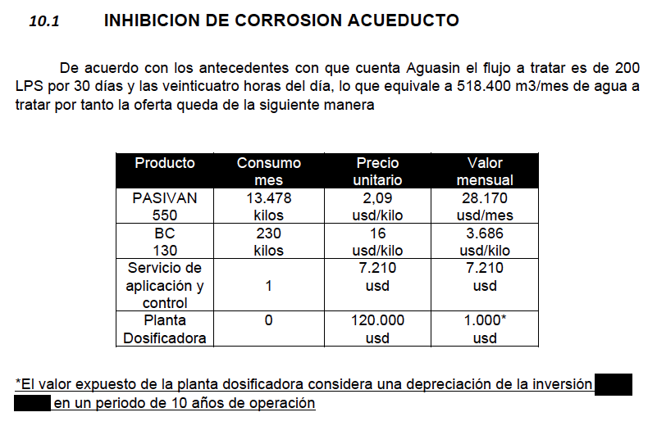
 |  |  |  | 200
SQM Aguasin quote 400 L/s | Consumo mes | Precio unitario | Valor mensual | $/mes/L
PASIVAN 550 | 13478 kg | 2.09 | $28,169.02 | 140.8451
BC 130 | 230 kg | 16 | $3,680.00 | 18.4
Servicio de aplicación y control | 1 | 7.21 | $7,210.00 | 36.05
 |  |  |  | 195.2951
Planta Dosificadora mensual | -1000
CAPEX Planta dosificadora PV | $75,671.16 | #NAME? | #NAME?

