Steel
Parameter | Value | Unit | SI base unit | Arbitrary
X70 Steel density | 7,850 | kg/m³ | TRUE
Bare wall yr 1 | 13.28 | mm | FALSE
Outside diameter | 0.7112 | m | TRUE
Length of pipeline | 100,000 | m | TRUE
hot-rolled steel coil (hrc) price | 0.470 | $/kg | FALSE
China Inland | 15 | $/t | FALSE
Ocean Freight | 120 | $/t | FALSE
Chile Inland | 35 | $/t | FALSE
Freight cost | 170 | $/t
Freight cost | 0.170 | $/kg | FALSE
Cost per weight (CPW) | 0.922 | $/kg | FALSE
Cost per weight (CPW) | 922 | $/t
Bare · Inside Diameter Yr 1 | 0.68464 | m | TRUE
Bare · Volume of 1 m of pipe | 0.02911747 | m³ | TRUE |  |  | FOB
Bare · Steel weight of pipes | 22,857 | t |  |  | 20" API 5L | 0.8 | $/kg
Bare · Steel weight of pipes | 22,857,212 | kg | TRUE |  | FBE interior | 0.1 | $/kg
Cost of bare pipes | $21,074,349 | $ |  |  | 3LPE ext | 0.1 | $/kg
 |  |  |  |  | Freight | 0.17 | $/kg
 |  |  |  |  |  | 1.17
Parameter | Value | Unit | SI base unit | Arbitrary
X70 Steel density | 7,850 | kg/m³ | TRUE
FBE wall yr 1 | 9.53 | mm | FALSE
FBE · Inside Diameter Yr 1 | 0.69214 | m | TRUE
FBE · Volume of 1 m of pipe | 0.021007563353 | m³ | TRUE
FBE · Steel weight of pipes | 16,491 | t
FBE · Steel weight of pipes | 16,490,937 | kg | TRUE
Cost of FBE pipes | $15,204,644 | $

 | Bare | Coated | Extra wall thickness | Diff/Bare
Initial wall thickness | 13.28 | 9.53 |  | 69.9%
Steel Weight | 22,857 | 16,491
Base steel | $15,204,644 | $15,204,644 | -$10,621,232
Corrosion Extra Steel | $4,583,412 | -

Strategy | Steel cost | Percentage
Bare | $21,074,349 | 100%
FBE | $15,204,644 | 72.1%
Difference | $5,869,705 | 27.9%

CFR BODEGAS LAMPA |  |  |  |  |  |  |  | 0.35295940879 | 0 | -2,441,015.56
Date | Wall [ mm ] | Item | Descr | Qty. [ m ] | External Coating | Inner Coating | NPS | Price | Volume | Weight | CPW | FBE extra
27-Feb-25 | 15.88 | 1 | PIPE API 5L GRADE X65M PSL2 SAWL ASME B36.10 SCH 30 (THK=15.88mm) BE NPS 28" EXTERNAL COATING: 3LPE EXTRUDED TYPE N ACC. TO DIN 30670:2012 THK=3.0mm INNER COATING: BARED | 19,644 | 3LPE THK=3.0MM | BARED | 28 | 2,441,015.56 | 344.6 m³ | 2,705,116 kg | 0.90
27-Feb-25 | 12.7 | 2 | PIPE API 5L GRADE X65M PSL2 SAWL ASME B36.10 SCH XS (THK=12.70mm) BE NPS 28" EXTERNAL COATING: 3LPE EXTRUDED TYPE N ACC. TO DIN 30670:2012 THK=3.0mm INNER COATING: BARED | 25,836 | 3LPE THK=3.0MM | BARED | 28 | 2,579,293.77 | 363.3 m³ | 2,851,775 kg | 0.90
27-Feb-25 | 9.53 | 3 | PIPE API 5L GRADE X65M PSL2 SAWL ASME B36.10 SCH STD (THK=9.53mm) BE NPS 28" EXTERNAL COATING: 3LPE EXTRUDED TYPE N ACC. TO DIN 30670:2012 THK=3.0mm INNER COATING: BARED | 24,540 | 3LPE THK=3.0MM | BARED | 28 | 1,846,740.06 | 259.5 m³ | 2,037,179 kg | 0.91
27-Feb-25 |  | 4 |  |  |  |  |  | 6,867,049.38
27-Feb-25 | 15.88 | 5 | PIPE API 5L GRADE X65M PSL2 SAWL ASME B36.10 SCH 30 (THK=15.88mm) BE NPS 28" EXTERNAL COATING: 3LPE EXTRUDED TYPE N ACC. TO DIN 30670:2012 THK=3.0mm INNER COATING: FUSION-BONDED EPOXY (FBE) ACC. TO AWWA C213 DFT=625 MICRONS | 19,644 | 3LPE THK=3.0MM | FBE 625MICRES | 28 | 2,725,760.14 | 344.6 m³ | 2,705,116 kg | 1.01
27-Feb-25 | 12.7 | 6 | PIPE API 5L GRADE X65M PSL2 SAWL ASME B36.10 SCH XS (THK=12.70mm) BE NPS 28" EXTERNAL COATING: 3LPE EXTRUDED TYPE N ACC. TO DIN 30670:2012 THK=3.0mm INNER COATING: FUSION-BONDED EPOXY (FBE) ACC. TO AWWA C213 DFT=625 MICRONS | 25,836 | 3LPE THK=3.0MM | FBE 625MICRES | 28 | 2,880,168.52 | 363.3 m³ | 2,851,775 kg | 1.01
27-Feb-25 | 9.53 | 7 | PIPE API 5L GRADE X65M PSL2 SAWL ASME B36.10 SCH STD (THK=9.53mm) BE NPS 28" EXTERNAL COATING: 3LPE EXTRUDED TYPE N ACC. TO DIN 30670:2012 THK=3.0mm INNER COATING: FUSION-BONDED EPOXY (FBE) ACC. TO AWWA C213 DFT=625 MICRONS | 24,540 | 3LPE THK=3.0MM | FBE 625MICRES | 28 | 2,062,162.38 | 259.5 m³ | 2,037,179 kg | 1.01
27-Feb-25 |  | 8 |  |  |  |  |  | 7,668,091.04 |  |  |  | -11.67%
27-Feb-25 | 15.88 | 9 | PIPE API 5L GRADE X65M PSL2 SAWL ASME B36.10 SCH 30 (THK=15.88mm) BE NPS 28" EXTERNAL COATING: 3LPE EXTRUDED TYPE N ACC. TO DIN 30670:2012 THK=3.0mm INNER COATING: 100% SOLIDS POLYURETHANE ACC. TO AWWA C222 DFT=625 MICRONS | 19,644 | 3LPE THK=3.0MM | 100%SOL.PU 625MICRES | 28 | 3,066,666.97 | 344.6 m³ | 2,705,116 kg | 1.13
27-Feb-25 | 12.7 | 10 | PIPE API 5L GRADE X65M PSL2 SAWL ASME B36.10 SCH 30 (THK=12.70mm) BE NPS 28" EXTERNAL COATING: 3LPE EXTRUDED TYPE N ACC. TO DIN 30670:2012 THK=3.0mm INNER COATING: 100% SOLIDS POLYURETHANE ACC. TO AWWA C222 DFT=625 MICRONS | 25,836 | 3LPE THK=3.0MM | 100%SOL.PU 625MICRES | 28 | 3,240,386.98 | 363.3 m³ | 2,851,775 kg | 1.14
27-Feb-25 | 9.53 | 11 | PIPE API 5L GRADE X65M PSL2 SAWL ASME B36.10 SCH 30 (THK=9.53mm) BE NPS 28" EXTERNAL COATING: 3LPE EXTRUDED TYPE N ACC. TO DIN 30670:2012 THK=3.0mm INNER COATING: 100% SOLIDS POLYURETHANE ACC. TO AWWA C222 DFT=625 MICRONS | 24,540 | 3LPE THK=3.0MM | 100%SOL.PU 625MICRES | 28 | 2,320,074.01 | 259.5 m³ | 2,037,179 kg | 1.14
27-Feb-25 |  | 12 |  |  |  |  |  | 8,627,127.96

SC
Parameter | Value | Unit
Cost per interior Surface Area (CPS) | $6.00 | $/m²
Inside Diameter (D) | 0.69214 | m
Pipeline Liength (L) | 100000 | m
FBE pipeline Inner Surface (pi·D·L) | 217,442 | m²
Shop coating | $1,304,653
Steel cost | $15,204,644
 | $16,509,297
FBE percentage | 7.9%
Steel Percentage | 92.1%

FJC
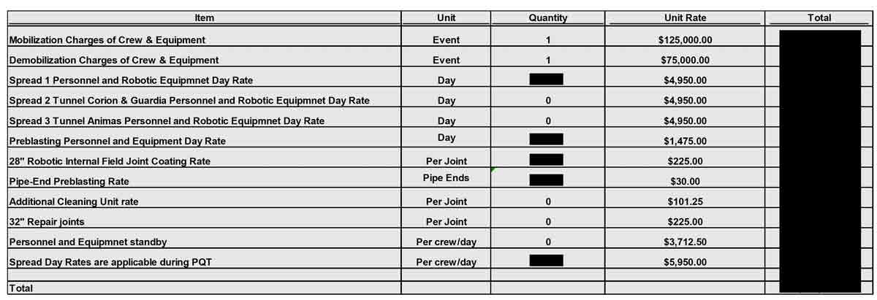
Cost Component | Cost per Joint
Mobilization of Crew & Equipment | $24.00 | 0.024
Demobilization of Crew & Equipment | $15.00 | 0.015 | 8.6
Personnel & Robotic Equipment | $549.00 | 0.549
Pre-blasting Personnel & Equipment | $162.00 | 0.162
Internal Coating Application | $197.00 | 0.197
Pipe-End Pre-blasting | $53.00 | 0.053
Total Cost per Joint | $1,000.00 | 1.000

Pipeline Length | 100000
Segment length | 12
Joints | 8,334
Total Field Internal Coating | $8,334,000

Cutback 0.5 m uncoated | 0.42%
Rest of the pipe coated | 99.58%
Times more expensive | 6.4
Times more expensive per surface area | 1,514

Total steel cost | $15,204,644 | 61.2%
Field joint coating | $8,334,000 | 33.5%
Shop FBE coating | $1,304,653 | 5.3%
Total Field Shop Steel | $24,843,297

Inhibitors
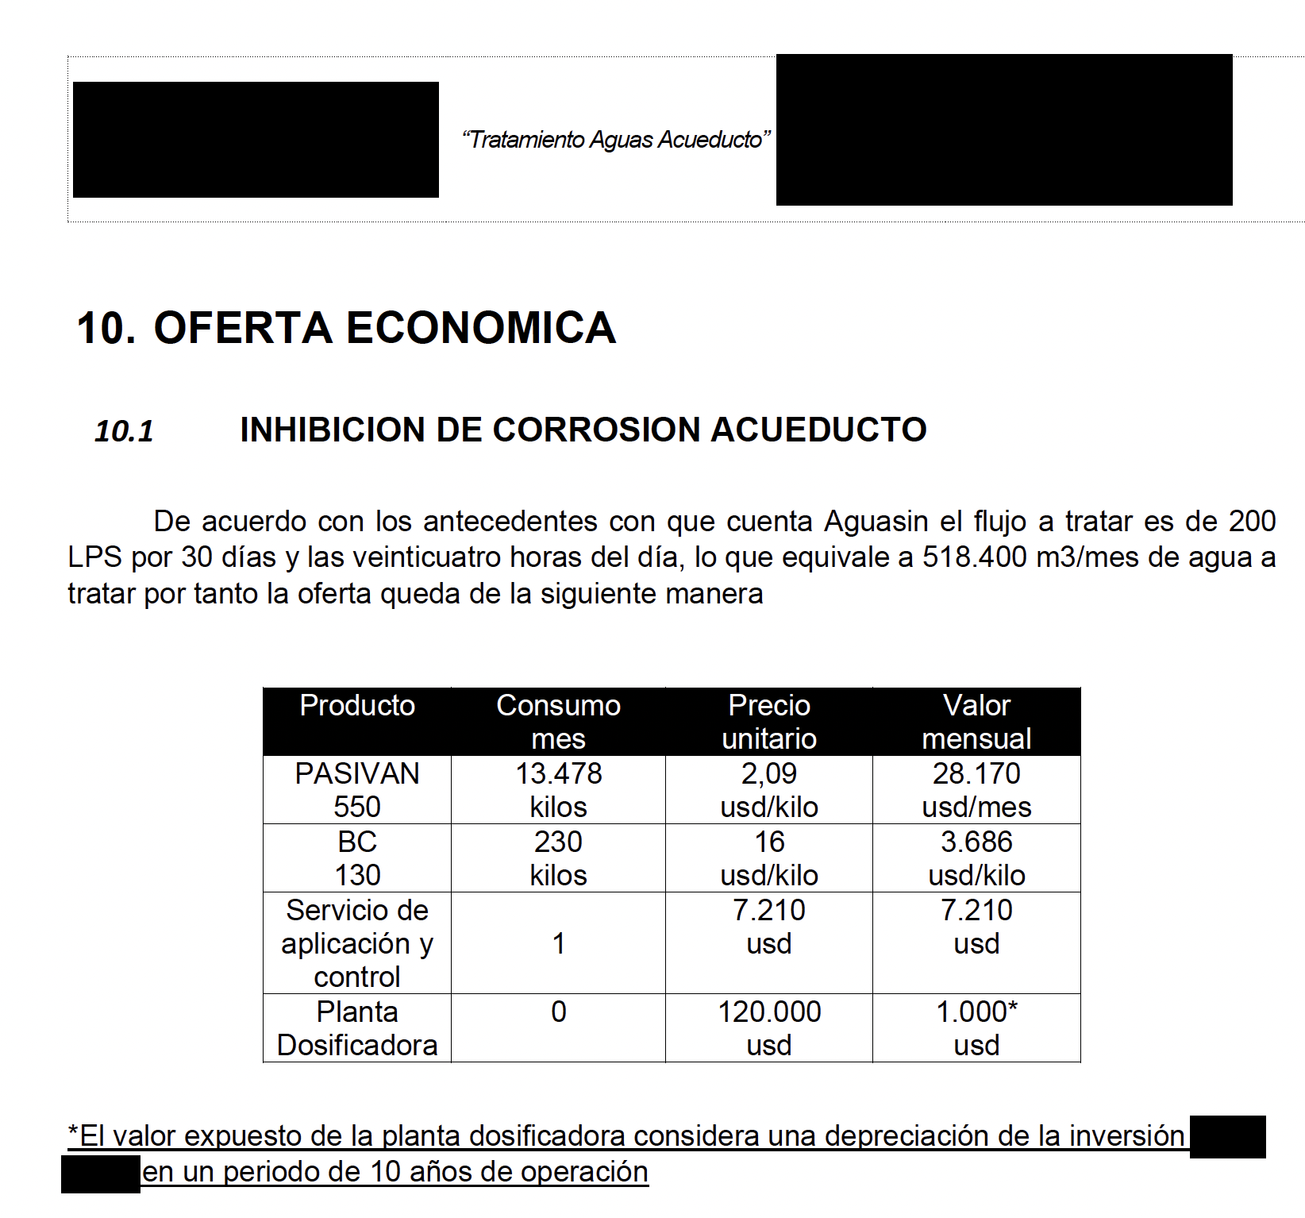
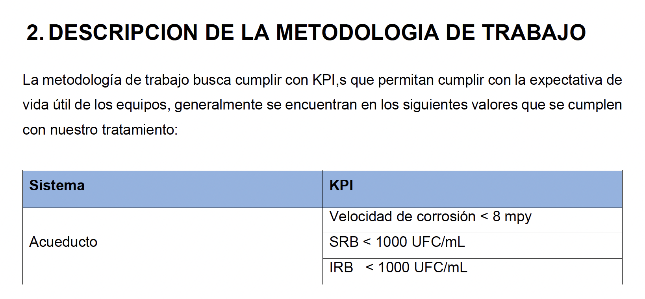
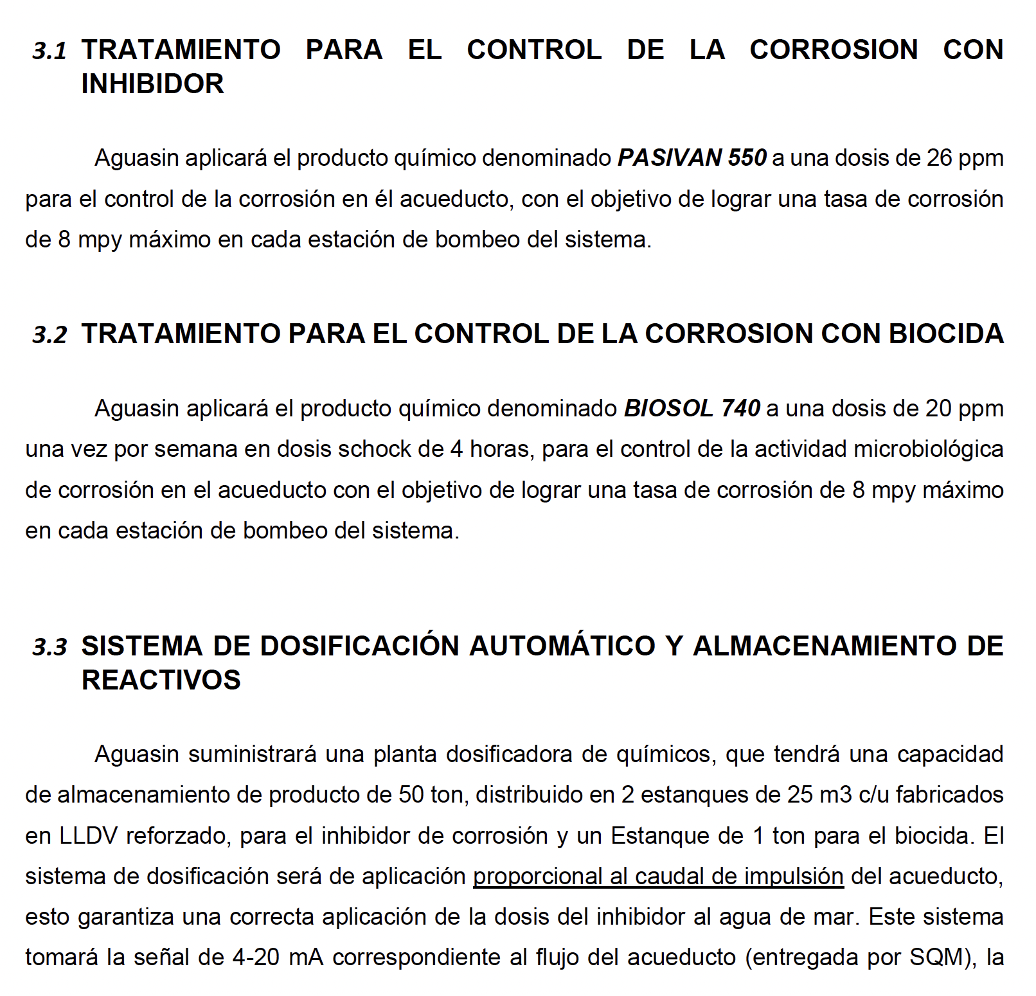
Parameter | Value | Unit
Flow rate | 0.7 | m³/s
Flow rate | 2520 | m³/hr
Flow rate | 1814400 | m³/month
Annual hours of operation | 8400 | hr/yr
Total volume | 21,168,000 | m³
Fluid density | 1030 | kg/m³
Discount Rate | 10%
Descuento por volumen | 20%
Compound | Dosage | Mass [ kg/yr ] | Price [ $/kg ] | Total | Mass [ kg/month ]
Inhibitor | 26.00 | 550,368 | $1.8 | $990,662 | 45,864.0 kg/month
Biocide | 0.46 | 9,660 | $12.8 | $123,648 | 805.0 kg/month
Dosing plant |  |  |  | $12,000
Total |  |  |  | $1,126,310
 |  |  | Present Value | $10,223,565

Electricity
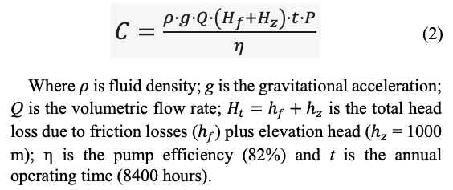
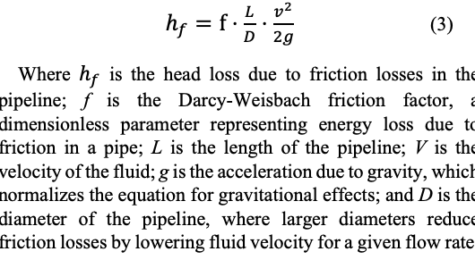
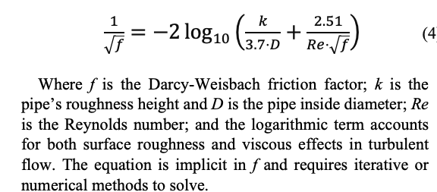
 |  |  | Pipeline Length | 100000 | m
 |  |  | Flow rate | 0.7 | m³/s
 |  |  | Fluid Density | 1030
 |  |  | Elevation | 1000 | m
 |  |  | Pump efficiency | 0.82
 |  |  | Annual hours of operation | 8400 | hr/yr
 |  |  | Projected Price of electricity | 175 | $/MWh
 |  |  | Projected Price of electricity | 0.175 | $/kWh
 |  |  | Projected Price of electricity | 0.000175 | $/Wh
 |  |  | Bare pipe Cost of Electricity Year 1 | $17,247,242

Analyzed case: Bare. Initial wall thickness = 13.28 mm; year 25 wall thickness = 9.53 mm. Initial pipe roughness = 0.07 mm; year 25 pipe roughness = 0.72 mm. Fixed parameters: Elevation head = 1000 m; pump efficiency = 82%; energy cost = 175 $/MWh; outside diameter = 28''; flow rate = 700 L/s; density of water = 1030 kg/m3; viscosity of water = 0.0013 Pa·s
Analyzed case: Coated. Initial wall thickness = 9.53 mm; year 25 wall thickness = 9.53 mm. Initial pipe roughness = 0.02 mm; year 25 pipe roughness = 0.04 mm. Fixed parameters: Elevation head = 1000 m; pump efficiency = 82%; energy cost = 175 $/kWh; outside diameter = 28''; flow rate = 700 L/s; density of water = 1030 kg/m3; viscosity of water = 0.0013 Pa·s

Yr | Pipe roughness [ mm ] | Interior Diameter [ mm ] | Wall thickness [ mm ] | Fluid Velocity [m/s] | Friction factor f [ ] | Head Loss [ m ] | Pump Friction [ kW ] | Pump Elevation [ kW ] | Electricity Friction [ M$ ] | Electricity Elevation [ M$ ] | Viscosity [ Pa·s ] | Outside Diameter [m] | Wall thickness [m] | Inside Diameter [m] | Pipe roughness [m] | Reynolds Number Re | Flow [L/s] | Density kg/m3 | Flow Rate [m3/s] | Eq Left Side | Eq Right Side | f diff Error | C | Year | 1
1 | 0.068 | 684.640 | 13.28000 | 1.901 | 0.013396 | 360.69 | 3110 | 8623 | $4,571,908 | $12,675,334 | 0.0013 | 0.7112 | 0.01328 | 0.68464 | 0.00007 | 1,031,430 | 700 | 1030 | 0.7 | 8.639889 | 8.639889 | 0
2 | 0.095 | 684.953 | 13.12375 | 1.900 | 0.013937 | 374.40 | 3228 | 8623 | $4,745,696 | $12,675,334 | 0.0013 | 0.7112 | 0.01312 | 0.68495 | 0.00010 | 1,030,959 | 700 | 1030 | 0.7 | 8.470546 | 8.470546 | 0 |  | Density | 1030 | kg/m3 | Bare pipe
3 | 0.122 | 685.265 | 12.96750 | 1.898 | 0.014418 | 386.43 | 3332 | 8623 | $4,898,139 | $12,675,334 | 0.0013 | 0.7112 | 0.01297 | 0.68527 | 0.00012 | 1,030,489 | 700 | 1030 | 0.7 | 8.328190 | 8.328190 | 0 | 0.70000000000 | Flow | 0.70000 | m3/s | FBE coated
4 | 0.149 | 685.578 | 12.81125 | 1.896 | 0.014852 | 397.17 | 3425 | 8623 | $5,034,225 | $12,675,334 | 0.0013 | 0.7112 | 0.01281 | 0.68558 | 0.00015 | 1,030,020 | 700 | 1030 | 0.7 | 8.205496 | 8.205496 | 0 |  | Viscosity | 0.00130 | Pa·s
5 | 0.177 | 685.890 | 12.65500 | 1.895 | 0.015250 | 406.88 | 3508 | 8623 | $5,157,319 | $12,675,334 | 0.0013 | 0.7112 | 0.01266 | 0.68589 | 0.00018 | 1,029,550 | 700 | 1030 | 0.7 | 8.097750 | 8.097750 | 0 |  | Exterior Diameter | 0.71120 | m
6 | 0.204 | 686.203 | 12.49875 | 1.893 | 0.015618 | 415.75 | 3585 | 8623 | $5,269,801 | $12,675,334 | 0.0013 | 0.7112 | 0.01250 | 0.68620 | 0.00020 | 1,029,081 | 700 | 1030 | 0.7 | 8.001745 | 8.001745 | 0 |  | Interior Diameter | 0.68464 | m
7 | 0.231 | 686.515 | 12.34250 | 1.891 | 0.015962 | 423.93 | 3655 | 8623 | $5,373,426 | $12,675,334 | 0.0013 | 0.7112 | 0.01234 | 0.68652 | 0.00023 | 1,028,613 | 700 | 1030 | 0.7 | 7.915199 | 7.915199 | 0 |  | Wall thickness | 0.01328 | m
8 | 0.258 | 686.828 | 12.18625 | 1.889 | 0.016284 | 431.51 | 3721 | 8623 | $5,469,526 | $12,675,334 | 0.0013 | 0.7112 | 0.01219 | 0.68683 | 0.00026 | 1,028,145 | 700 | 1030 | 0.7 | 7.836435 | 7.836435 | 0 |  | Rougness | 0.00007 | m
9 | 0.285 | 687.140 | 12.03000 | 1.888 | 0.016589 | 438.58 | 3782 | 8623 | $5,559,137 | $12,675,334 | 0.0013 | 0.7112 | 0.01203 | 0.68714 | 0.00029 | 1,027,677 | 700 | 1030 | 0.7 | 7.764183 | 7.764183 | 0 |  | Velocity | 1.90144 | m/s
10 | 0.312 | 687.453 | 11.87375 | 1.886 | 0.016877 | 445.20 | 3839 | 8623 | $5,643,087 | $12,675,334 | 0.0013 | 0.7112 | 0.01187 | 0.68745 | 0.00031 | 1,027,210 | 700 | 1030 | 0.7 | 7.697460 | 7.697460 | 0 |  | Reynolds Number | 1031430 | m
11 | 0.340 | 687.765 | 11.71750 | 1.884 | 0.017152 | 451.43 | 3893 | 8623 | $5,722,042 | $12,675,334 | 0.0013 | 0.7112 | 0.01172 | 0.68777 | 0.00034 | 1,026,743 | 700 | 1030 | 0.7 | 7.635488 | 7.635488 | 0 |  | Friction factor | 0.013396264738
12 | 0.367 | 688.078 | 11.56125 | 1.882 | 0.017415 | 457.31 | 3943 | 8623 | $5,796,554 | $12,675,334 | 0.0013 | 0.7112 | 0.01156 | 0.68808 | 0.00037 | 1,026,277 | 700 | 1030 | 0.7 | 7.577644 | 7.577644 | 0 |  | Friction Head Loss | 360.693 | m
13 | 0.394 | 688.390 | 11.40500 | 1.881 | 0.017667 | 462.87 | 3991 | 8623 | $5,867,081 | $12,675,334 | 0.0013 | 0.7112 | 0.01140 | 0.68839 | 0.00039 | 1,025,811 | 700 | 1030 | 0.7 | 7.523417 | 7.523417 | 0 |  | Elevation Head Loss | 1000.00 | m
14 | 0.421 | 688.703 | 11.24875 | 1.879 | 0.017909 | 468.15 | 4037 | 8623 | $5,934,008 | $12,675,334 | 0.0013 | 0.7112 | 0.01125 | 0.68870 | 0.00042 | 1,025,346 | 700 | 1030 | 0.7 | 7.472386 | 7.472386 | 0 |  | Annual hours of operation | 8400 | h/yr
15 | 0.448 | 689.015 | 11.09250 | 1.877 | 0.018143 | 473.18 | 4080 | 8623 | $5,997,666 | $12,675,334 | 0.0013 | 0.7112 | 0.01109 | 0.68902 | 0.00045 | 1,024,881 | 700 | 1030 | 0.7 | 7.424200 | 7.424200 | 0 |  | Pump Efficiency | 0.82 | %
16 | 0.475 | 689.328 | 10.93625 | 1.876 | 0.018368 | 477.96 | 4121 | 8623 | $6,058,338 | $12,675,334 | 0.0013 | 0.7112 | 0.01094 | 0.68933 | 0.00048 | 1,024,416 | 700 | 1030 | 0.7 | 7.378563 | 7.378563 | 0 |  | Pump Power | 11,732,818 | W
17 | 0.503 | 689.640 | 10.78000 | 1.874 | 0.018585 | 482.53 | 4161 | 8623 | $6,116,269 | $12,675,334 | 0.0013 | 0.7112 | 0.01078 | 0.68964 | 0.00050 | 1,023,952 | 700 | 1030 | 0.7 | 7.335220 | 7.335220 | 0 |  | Energy cost | 0.175000 | W
18 | 0.530 | 689.953 | 10.62375 | 1.872 | 0.018796 | 486.90 | 4198 | 8623 | $6,171,673 | $12,675,334 | 0.0013 | 0.7112 | 0.01062 | 0.68995 | 0.00053 | 1,023,488 | 700 | 1030 | 0.7 | 7.293955 | 7.293955 | 0 |  | Annual cost of energy · C |  | $/yr
19 | 0.557 | 690.265 | 10.46750 | 1.871 | 0.019001 | 491.09 | 4235 | 8623 | $6,224,740 | $12,675,334 | 0.0013 | 0.7112 | 0.01047 | 0.69027 | 0.00056 | 1,023,025 | 700 | 1030 | 0.7 | 7.254581 | 7.254581 | 0
20 | 0.584 | 690.578 | 10.31125 | 1.869 | 0.019200 | 495.11 | 4269 | 8623 | $6,275,634 | $12,675,334 | 0.0013 | 0.7112 | 0.01031 | 0.69058 | 0.00058 | 1,022,562 | 700 | 1030 | 0.7 | 7.216933 | 7.216933 | 0
21 | 0.611 | 690.890 | 10.15500 | 1.867 | 0.019393 | 498.96 | 4302 | 8623 | $6,324,505 | $12,675,334 | 0.0013 | 0.7112 | 0.01015 | 0.69089 | 0.00061 | 1,022,099 | 700 | 1030 | 0.7 | 7.180869 | 7.180869 | 0
22 | 0.638 | 691.203 | 9.99875 | 1.866 | 0.019581 | 502.67 | 4334 | 8623 | $6,371,486 | $12,675,334 | 0.0013 | 0.7112 | 0.01000 | 0.69120 | 0.00064 | 1,021,637 | 700 | 1030 | 0.7 | 7.146262 | 7.146262 | 0
23 | 0.666 | 691.515 | 9.84250 | 1.864 | 0.019765 | 506.23 | 4365 | 8623 | $6,416,694 | $12,675,334 | 0.0013 | 0.7112 | 0.00984 | 0.69152 | 0.00067 | 1,021,176 | 700 | 1030 | 0.7 | 7.113001 | 7.113001 | 0
24 | 0.693 | 691.828 | 9.68625 | 1.862 | 0.019944 | 509.67 | 4395 | 8623 | $6,460,237 | $12,675,334 | 0.0013 | 0.7112 | 0.00969 | 0.69183 | 0.00069 | 1,020,714 | 700 | 1030 | 0.7 | 7.080986 | 7.080986 | 0 |  |  | 0.7
25 | 0.720 | 692.140 | 9.53000 | 1.860 | 0.020119 | 512.98 | 4423 | 8623 | $6,502,212 | $12,675,334 | 0.0013 | 0.7112 | 0.00953 | 0.69214 | 0.00072 | 1,020,253 | 700 | 1030 | 0.7 | 7.050130 | 7.050130 | 0
 |  |  |  |  |  |  |  |  | $48,965,594 | $115,054,517

Yr | Pipe roughness [ mm ] | Interior Diameter [ mm ] | Wall thickness [ mm ] | Fluid Velocity [m/s] | Friction factor f | Head Loss [ m ] | Pump Friction [ kW ] | Pump Elevation [ kW ] | Electricity Friction [ M$ ] | Electricity Elevation [ M$ ] | Viscosity [ Pa·s ] | Outside Diameter [m] | Wall thickness [m] | Inside Diameter [m] | Pipe roughness [m] | Reynolds Number Re | Flow [L/s] | Density kg/m3 | Flow Rate [m3/s] | Eq Left Side | Eq Right Side | f diff Error
1 | 0.0150 | 692.140 | 9.53000 | 1.860 | 0.012080 | 308.02 | 2656 | 8623 | $3,904,265 | $12,675,334 | 0.0013 | 0.7112 | 0.00953 | 0.69214 | 0.000015 | 1020253 | 700 | 1030 | 0.7 | 9.098254 | 9.098254 | 0
2 | 0.0158 | 692.140 | 9.53000 | 1.860 | 0.012105 | 308.65 | 2661 | 8623 | $3,912,223 | $12,675,334 | 0.0013 | 0.7112 | 0.00953 | 0.69214 | 0.000016 | 1020253 | 700 | 1030 | 0.7 | 9.088995 | 9.088995 | 0
3 | 0.0167 | 692.140 | 9.53000 | 1.860 | 0.012130 | 309.27 | 2667 | 8623 | $3,920,127 | $12,675,334 | 0.0013 | 0.7112 | 0.00953 | 0.69214 | 0.000017 | 1020253 | 700 | 1030 | 0.7 | 9.079828 | 9.079828 | 0
4 | 0.0175 | 692.140 | 9.53000 | 1.860 | 0.012154 | 309.89 | 2672 | 8623 | $3,927,977 | $12,675,334 | 0.0013 | 0.7112 | 0.00953 | 0.69214 | 0.000018 | 1020253 | 700 | 1030 | 0.7 | 9.070750 | 9.070750 | 0
5 | 0.0183 | 692.140 | 9.53000 | 1.860 | 0.012178 | 310.51 | 2677 | 8623 | $3,935,775 | $12,675,334 | 0.0013 | 0.7112 | 0.00953 | 0.69214 | 0.000018 | 1020253 | 700 | 1030 | 0.7 | 9.061759 | 9.061759 | 0
6 | 0.0192 | 692.140 | 9.53000 | 1.860 | 0.012202 | 311.12 | 2683 | 8623 | $3,943,522 | $12,675,334 | 0.0013 | 0.7112 | 0.00953 | 0.69214 | 0.000019 | 1020253 | 700 | 1030 | 0.7 | 9.052854 | 9.052854 | 0
7 | 0.0200 | 692.140 | 9.53000 | 1.860 | 0.012226 | 311.72 | 2688 | 8623 | $3,951,218 | $12,675,334 | 0.0013 | 0.7112 | 0.00953 | 0.69214 | 0.000020 | 1020253 | 700 | 1030 | 0.7 | 9.044034 | 9.044034 | 0
8 | 0.0208 | 692.140 | 9.53000 | 1.860 | 0.012249 | 312.33 | 2693 | 8623 | $3,958,863 | $12,675,334 | 0.0013 | 0.7112 | 0.00953 | 0.69214 | 0.000021 | 1020253 | 700 | 1030 | 0.7 | 9.035296 | 9.035296 | 0
9 | 0.0217 | 692.140 | 9.53000 | 1.860 | 0.012273 | 312.93 | 2698 | 8623 | $3,966,460 | $12,675,334 | 0.0013 | 0.7112 | 0.00953 | 0.69214 | 0.000022 | 1020253 | 700 | 1030 | 0.7 | 9.026640 | 9.026640 | 0
10 | 0.0225 | 692.140 | 9.53000 | 1.860 | 0.012296 | 313.52 | 2703 | 8623 | $3,974,008 | $12,675,334 | 0.0013 | 0.7112 | 0.00953 | 0.69214 | 0.000023 | 1020253 | 700 | 1030 | 0.7 | 9.018064 | 9.018064 | 0
11 | 0.0233 | 692.140 | 9.53000 | 1.860 | 0.012319 | 314.11 | 2709 | 8623 | $3,981,508 | $12,675,334 | 0.0013 | 0.7112 | 0.00953 | 0.69214 | 0.000023 | 1020253 | 700 | 1030 | 0.7 | 9.009566 | 9.009566 | 0
12 | 0.0242 | 692.140 | 9.53000 | 1.860 | 0.012343 | 314.70 | 2714 | 8623 | $3,988,961 | $12,675,334 | 0.0013 | 0.7112 | 0.00953 | 0.69214 | 0.000024 | 1020253 | 700 | 1030 | 0.7 | 9.001146 | 9.001146 | 0
13 | 0.0250 | 692.140 | 9.53000 | 1.860 | 0.012365 | 315.29 | 2719 | 8623 | $3,996,367 | $12,675,334 | 0.0013 | 0.7112 | 0.00953 | 0.69214 | 0.000025 | 1020253 | 700 | 1030 | 0.7 | 8.992801 | 8.992801 | 0
14 | 0.0258 | 692.140 | 9.53000 | 1.860 | 0.012388 | 315.87 | 2724 | 8623 | $4,003,728 | $12,675,334 | 0.0013 | 0.7112 | 0.00953 | 0.69214 | 0.000026 | 1020253 | 700 | 1030 | 0.7 | 8.984530 | 8.984530 | 0
15 | 0.0267 | 692.140 | 9.53000 | 1.860 | 0.012411 | 316.44 | 2729 | 8623 | $4,011,044 | $12,675,334 | 0.0013 | 0.7112 | 0.00953 | 0.69214 | 0.000027 | 1020253 | 700 | 1030 | 0.7 | 8.976333 | 8.976333 | 0
16 | 0.0275 | 692.140 | 9.53000 | 1.860 | 0.012433 | 317.02 | 2734 | 8623 | $4,018,315 | $12,675,334 | 0.0013 | 0.7112 | 0.00953 | 0.69214 | 0.000028 | 1020253 | 700 | 1030 | 0.7 | 8.968208 | 8.968208 | 0
17 | 0.0283 | 692.140 | 9.53000 | 1.860 | 0.012456 | 317.59 | 2738 | 8623 | $4,025,543 | $12,675,334 | 0.0013 | 0.7112 | 0.00953 | 0.69214 | 0.000028 | 1020253 | 700 | 1030 | 0.7 | 8.960153 | 8.960153 | 0
18 | 0.0292 | 692.140 | 9.53000 | 1.860 | 0.012478 | 318.16 | 2743 | 8623 | $4,032,727 | $12,675,334 | 0.0013 | 0.7112 | 0.00953 | 0.69214 | 0.000029 | 1020253 | 700 | 1030 | 0.7 | 8.952168 | 8.952168 | 0
19 | 0.0300 | 692.140 | 9.53000 | 1.860 | 0.012500 | 318.72 | 2748 | 8623 | $4,039,869 | $12,675,334 | 0.0013 | 0.7112 | 0.00953 | 0.69214 | 0.000030 | 1020253 | 700 | 1030 | 0.7 | 8.944252 | 8.944252 | 0
20 | 0.0308 | 692.140 | 9.53000 | 1.860 | 0.012522 | 319.28 | 2753 | 8623 | $4,046,969 | $12,675,334 | 0.0013 | 0.7112 | 0.00953 | 0.69214 | 0.000031 | 1020253 | 700 | 1030 | 0.7 | 8.936402 | 8.936402 | 0
21 | 0.0317 | 692.140 | 9.53000 | 1.860 | 0.012544 | 319.84 | 2758 | 8623 | $4,054,028 | $12,675,334 | 0.0013 | 0.7112 | 0.00953 | 0.69214 | 0.000032 | 1020253 | 700 | 1030 | 0.7 | 8.928619 | 8.928619 | 0
22 | 0.0325 | 692.140 | 9.53000 | 1.860 | 0.012566 | 320.39 | 2763 | 8623 | $4,061,045 | $12,675,334 | 0.0013 | 0.7112 | 0.00953 | 0.69214 | 0.000033 | 1020253 | 700 | 1030 | 0.7 | 8.920901 | 8.920901 | 0
23 | 0.0333 | 692.140 | 9.53000 | 1.860 | 0.012587 | 320.94 | 2767 | 8623 | $4,068,023 | $12,675,334 | 0.0013 | 0.7112 | 0.00953 | 0.69214 | 0.000033 | 1020253 | 700 | 1030 | 0.7 | 8.913247 | 8.913247 | 0
24 | 0.0342 | 692.140 | 9.53000 | 1.860 | 0.012609 | 321.49 | 2772 | 8623 | $4,074,961 | $12,675,334 | 0.0013 | 0.7112 | 0.00953 | 0.69214 | 0.000034 | 1020253 | 700 | 1030 | 0.7 | 8.905656 | 8.905656 | 0
25 | 0.0350 | 692.140 | 9.53000 | 1.860 | 0.012630 | 322.03 | 2777 | 8623 | $4,081,860 | $12,675,334 | 0.0013 | 0.7112 | 0.00953 | 0.69214 | 0.000035 | 1020253 | 700 | 1030 | 0.7 | 8.898128 | 8.898128 | 0
 |  |  |  |  |  |  |  |  | $35,957,717 | $115,054,517

Charts
 |  |  |  |  | Sankey Diagrams |  |  |  | TOTAL [ 0 ] CAPEX | CAPEX [ 0 ] Steel design | :Steel design #0a82b0
 |  |  |  |  | https://sankeymatic.com/ |  | Steel design | Steel corrosion | TOTAL [ 0 ] CAPEX | CAPEX [ 0 ] | :Steel #0a82b0 | Bare [ 0 ] CAPEX | Coated [ 8.3 ] CAPEX | Item | Bare Pipe | Coated Pipe | Difference
 |  |  |  |  | Field Joint\nCoating [ 8.3 ] Coated\nCAPEX | 0 |  |  | Bare |  |  | Bare [ 0 ] CAPEX | Coated [ 1.3 ] CAPEX | Extra Inhibitors | $10,223,565 |  | 100%
 |  | Corrosion | Strategy |  | Shop Coating [ 1.3 ] Coated\nCAPEX | 0 |  |  | Bare [ 0 ] CAPEX | CAPEX [ 0 ] Steel corrosion | :Steel corrosion #0a82b0 | Bare [ 49 ] OPEX | Coated [ 36 ] OPEX | Extra Friction Energy | $13,007,877 |  | 27%
Type | Expenditure Category | Bare | Coated | Coated Savings | Coated\nFriction\nEnergy [ 36 ] Coated\nOPEX | 0 |  |  | Bare [ 0 ] CAPEX | CAPEX [ 0 ] | :Dosing Plant #0a82b0 | Bare [ 10.2 ] OPEX | Coated [ 3.6 ] OPEX | Extra Steel | $0 |  | #DIV/0!
CAPEX | Extra Steel for Corrosion | $5,869,705 | 0 | $5,869,705 | Coated\nInspections [ 3.6 ] Coated\nOPEX | 0 |  |  | Bare [ 49 ] OPEX | OPEX [ 49 ] Friction Energy | :Friction Energy #74b4dd | Bare [ 7.3 ] OPEX |  | Joint Field Coating |  | $8,334,000 | 100%
CAPEX | Field Joint Coating | $0 | $8,334,000 | -$8,334,000 |  |  |  |  | Bare [ 10.2 ] OPEX | OPEX [ 10.2 ] Corrosion Inhibitors | :Inhibitors #74b4dd |  | CAPEX [ 8.3 ] Field Joint Coating | Extra Inspections | $3,630,816 |  | 50%
CAPEX | Shop-applied Coating | $0 | $1,304,653 | -$1,304,653 | Coated\nCAPEX [ 8.3 ] Coated\nPipe | 0 |  |  | Bare [ 7.3 ] OPEX | OPEX [ 7.3 ] Inspections | :Inspections #74b4dd | CAPEX [ 0 ] Steel corrosion | CAPEX [ 1.3 ] Shop-applied Coating | Shop Coating |  | $1,304,653 | 100%
OPEX | Corrosion Inhibitors | $10,223,565 | $0 | $10,223,565 | Coated\nCAPEX [ 1.3 ] Coated\nPipe | 0 |  |  |  |  |  | CAPEX [ 0 ] | OPEX [ 36 ] Friction Energy | Dosing Plant | $272,160 |  | 100%
OPEX | Friction Energy | $48,965,594 | $35,957,717 | $13,007,877 | Coated\nOPEX [ 36 ] Coated\nPipe | 0 |  |  | Coated |  |  | OPEX [ 49 ] Friction Energy | OPEX [ 3.6 ] Inspections | Total | $27,134,418 | $9,638,653 | $17,495,764
OPEX | Inspections | $7,261,632 | $3,630,816 | $3,630,816 | Coated\nOPEX [ 3.6 ] Coated\nPipe | 0 |  |  | Coated [ 8.3 ] CAPEX | CAPEX [ 8.3 ] Field Joint Coating | :Field Joint Coating #0a82b0 | OPEX [ 10.2 ] Corrosion Inhibitors |  |  |  | 0.55091352013
 | Total CAPEX | $5,869,705 | $9,638,653 | -$3,768,948 |  |  |  |  | Coated [ 1.3 ] CAPEX | CAPEX [ 1.3 ] Shop-applied Coating | :Shop Coating #0a82b0 | OPEX [ 7.3 ] Inspections | :Field Joint Coating #0a82b0
 | Total OPEX | $66,450,791 | $39,588,533 | $26,862,258 |  |  |  |  | Coated [ 36 ] OPEX | OPEX [ 36 ] Friction Energy | :Friction Energy #74b4dd |  | :Shop Coating #0a82b0 | Item | Bare | Coated
 | Total Expenditure | $72,320,496 | $49,227,186 | $23,093,309 | Coated\nPipe [ 49.2 ] Bare\nPipe | 0 |  |  | Coated [ 3.6 ] OPEX | OPEX [ 3.6 ] Inspections | :Inspections #74b4dd | :Steel corrosion #0a82b0 | :Friction Energy #74b4dd | Extra Inhibitors | $10.22 MM
 |  |  |  |  | Savings [ 23.1 ] Bare\nPipe | 0 |  |  |  |  |  | :Dosing Plant #0a82b0 | :Inspections #74b4dd | Extra Friction Energy | $13.01 MM
 |  |  |  |  |  |  |  |  |  |  |  | :Friction Energy #74b4dd |  | Extra Steel | $0.00 MM
 |  |  |  |  | Bare\nPipe [ 5.9 ] Bare\nCAPEX | 0 |  |  | $8.33 |  |  | :Inhibitors #74b4dd |  | Joint Field Coating |  | $8.33 MM
 |  |  |  |  | Bare\nPipe [ 10.2 ] Bare\nOPEX | 0 |  |  | $1.30 |  |  | :Inspections #74b4dd |  | Extra Inspections | $3.63 MM
 |  |  |  |  | Bare\nPipe [ 49 ] Bare\nOPEX | 0 |  |  | $9.64 |  |  |  |  | Shop Coating |  | $1.30 MM
 | Item | Extra Inhibitors | Extra Friction Energy | Extra Steel | Joint Field Coating | Extra Inspections | Shop Coating | Dosing Plant
Bare | 0 | $10.22 MM | $13.01 MM | $0.00 MM |  | $3.63 MM |  | $0.27 MM
Coated | 0 |  |  |  | $8.33 MM |  | $1.30 MM
 |  |  |  |  | Bare\nPipe [ 7.3 ] Bare\nOPEX | 0 |  |  |  |  |  |  |  | Dosing Plant | $0.27 MM
 |  |  |  |  |  |  |  |  | $35.96
 |  |  |  |  |  |  |  |  | $3.63
 |  |  |  |  | Bare\nCAPEX [ 5.9 ] Corrosion\nExtra Steel | 0 |  |  | $39.59 | 49.2
 |  |  |  |  | Bare\nOPEX [ 49 ] Bare\nFriction\nEnergy | 0
 |  |  |  |  | Bare\nOPEX [ 10.2 ] Inhibitors | 0
 |  |  |  |  | Bare\nOPEX [ 7.3 ] Bare\nInspections | 0

 |  |  |  |  | :Savings #0db14b | 0
 |  |  |  |  | :Coated\nPipe #00b5ff | 0
 |  |  |  |  | :Bare\nPipe #005b80 | 0
 |  |  |  |  | :Bare\nCAPEX #003c54 | 0
 |  |  |  |  | :Bare\nOPEX #003c54 | 0
 |  |  |  |  | :Coated\nCAPEX #009bd9 | 0
 |  |  |  |  | :Coated\nOPEX #009bd9 | 0
 |  |  |  |  | :Field Joint\nCoating #0080b3 | 0
 |  |  |  |  | :Shop Coating #0080b3 | 0
 |  |  |  |  | :Coated\nFriction\nEnergy #0080b3 | 0
 |  |  |  |  | :Coated\nOPEX #0080b3 | 0
 |  |  |  |  | :Coated\nInspections #0080b3 | 0

