Steel
Parameter | Value | Unit | SI base unit | Arbitrary
X70 Steel density | 7,850 | kg/m³ | TRUE
Bare wall yr 1 | 13.28 | mm | FALSE
Outside diameter | 0.7112 | m | TRUE
Length of pipeline | 70,000 | m | TRUE
hot-rolled steel coil (hrc) price | 0.550 | $/kg | FALSE
China Inland | 15 | $/t | FALSE
Ocean Freight | 120 | $/t | FALSE
Chile Inland | 35 | $/t | FALSE
Freight cost | 170 | $/t
Freight cost | 0.170 | $/kg | FALSE
Cost per weight (CPW) | 1.27 | $/kg | FALSE
Cost per weight (CPW) | 1,270 | $/t
Bare · Inside Diameter Yr 1 | 0.68464 | m | TRUE
Bare · Volume of 1 m of pipe | 0.02911747 | m³ | TRUE
Bare · Steel weight of pipes | 16,000 | t
Bare · Steel weight of pipes | 16,000,048 | kg | TRUE
Cost of bare pipes | $20,320,061 | $

Parameter | Value | Unit | SI base unit | Arbitrary
X70 Steel density | 7,850 | kg/m³ | TRUE
FBE wall yr 1 | 9.53 | mm | FALSE
FBE · Inside Diameter Yr 1 | 0.69214 | m | TRUE
FBE · Volume of 1 m of pipe | 0.021007563353 | m³ | TRUE
FBE · Steel weight of pipes | 11,544 | t
FBE · Steel weight of pipes | 11,543,656 | kg | TRUE
Cost of FBE pipes | $14,660,443 | $

 | Bare | Coated | Difference | Diff/Bare
Initial wall thickness | 13.28 | 9.53 |  | -38.6%
Steel Weight | 16,000 | 11,544
Cost of steel | $20,320,061 | $14,660,443

Strategy | Steel cost | Percentage
Bare | $20,320,061 | 100%
FBE | $14,660,443 | 72.1%
Difference | $5,659,618 | 27.9%

SC
Parameter | Value | Unit
Cost per interior Surface Area (CPS) | $5.00 | $/m²
Inside Diameter (D) | 0.69214 | m
Pipeline Liength (L) | 70000 | m
FBE pipeline Inner Surface (pi·D·L) | 152,210 | m²
Shop coating | $761,048
Steel cost | $14,660,443
 | $15,421,491
FBE percentage | 4.9%
Steel Percentage | 95.1%

FJC
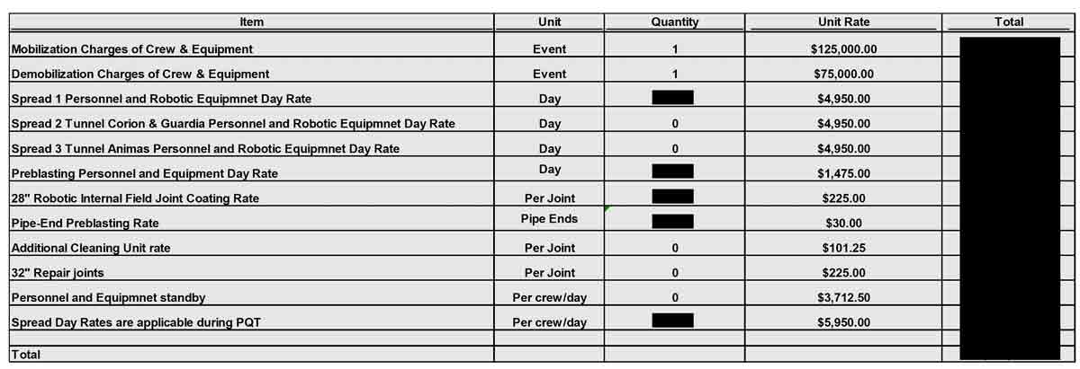
Cost Component | Cost per Joint
Mobilization of Crew & Equipment | $24.00 | 0.024
Demobilization of Crew & Equipment | $15.00 | 0.015 | 8.6
Personnel & Robotic Equipment | $549.00 | 0.549
Pre-blasting Personnel & Equipment | $162.00 | 0.162
Internal Coating Application | $197.00 | 0.197
Pipe-End Pre-blasting | $53.00 | 0.053
Total Cost per Joint | $1,000.00 | 1.000

Pipeline Length | 70000
Segment length | 12
Joints | 5,834
Total Field Internal Coating | $5,834,000

Cutback 0.5 m uncoated | 0.42%
Rest of the pipe coated | 99.58%
Times more expensive | 7.7
Times more expensive per surface area | 1,817

Total steel cost | $14,660,443 | 69.0%
Field joint coating | $5,834,000 | 27.4%
Shop FBE coating | $761,048 | 3.6%
Total Field Shop Steel | $21,255,491

Inhibitors
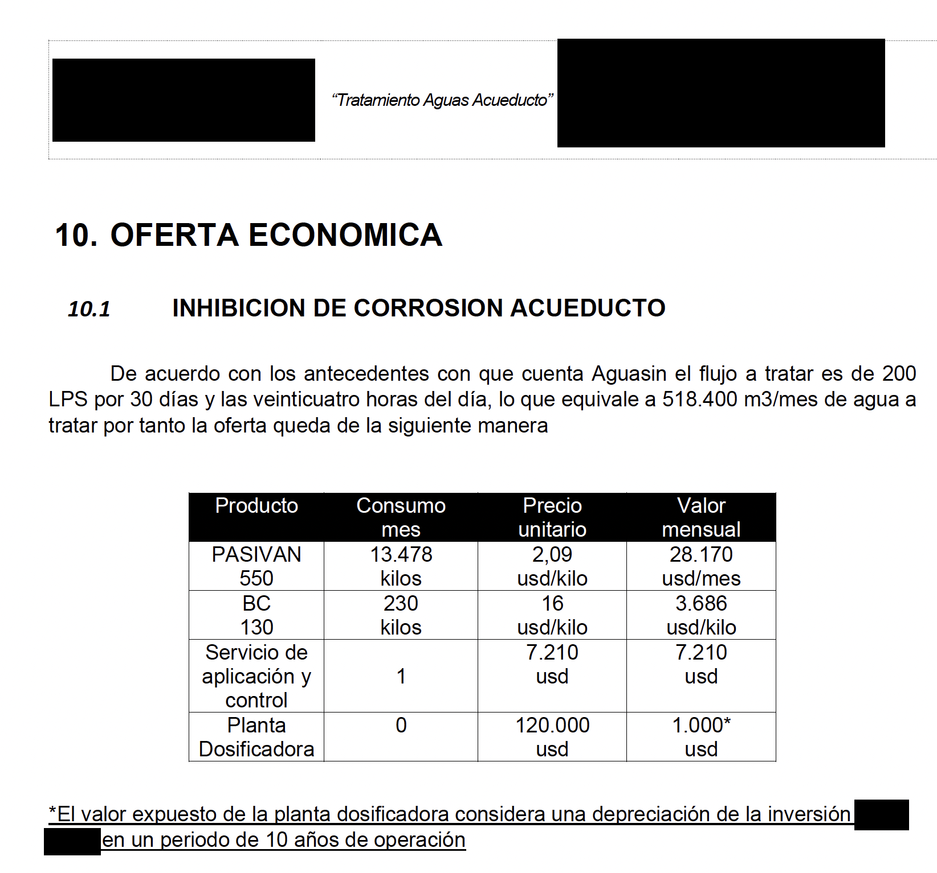
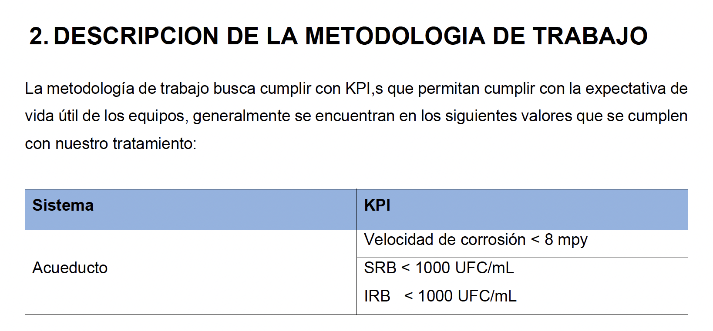
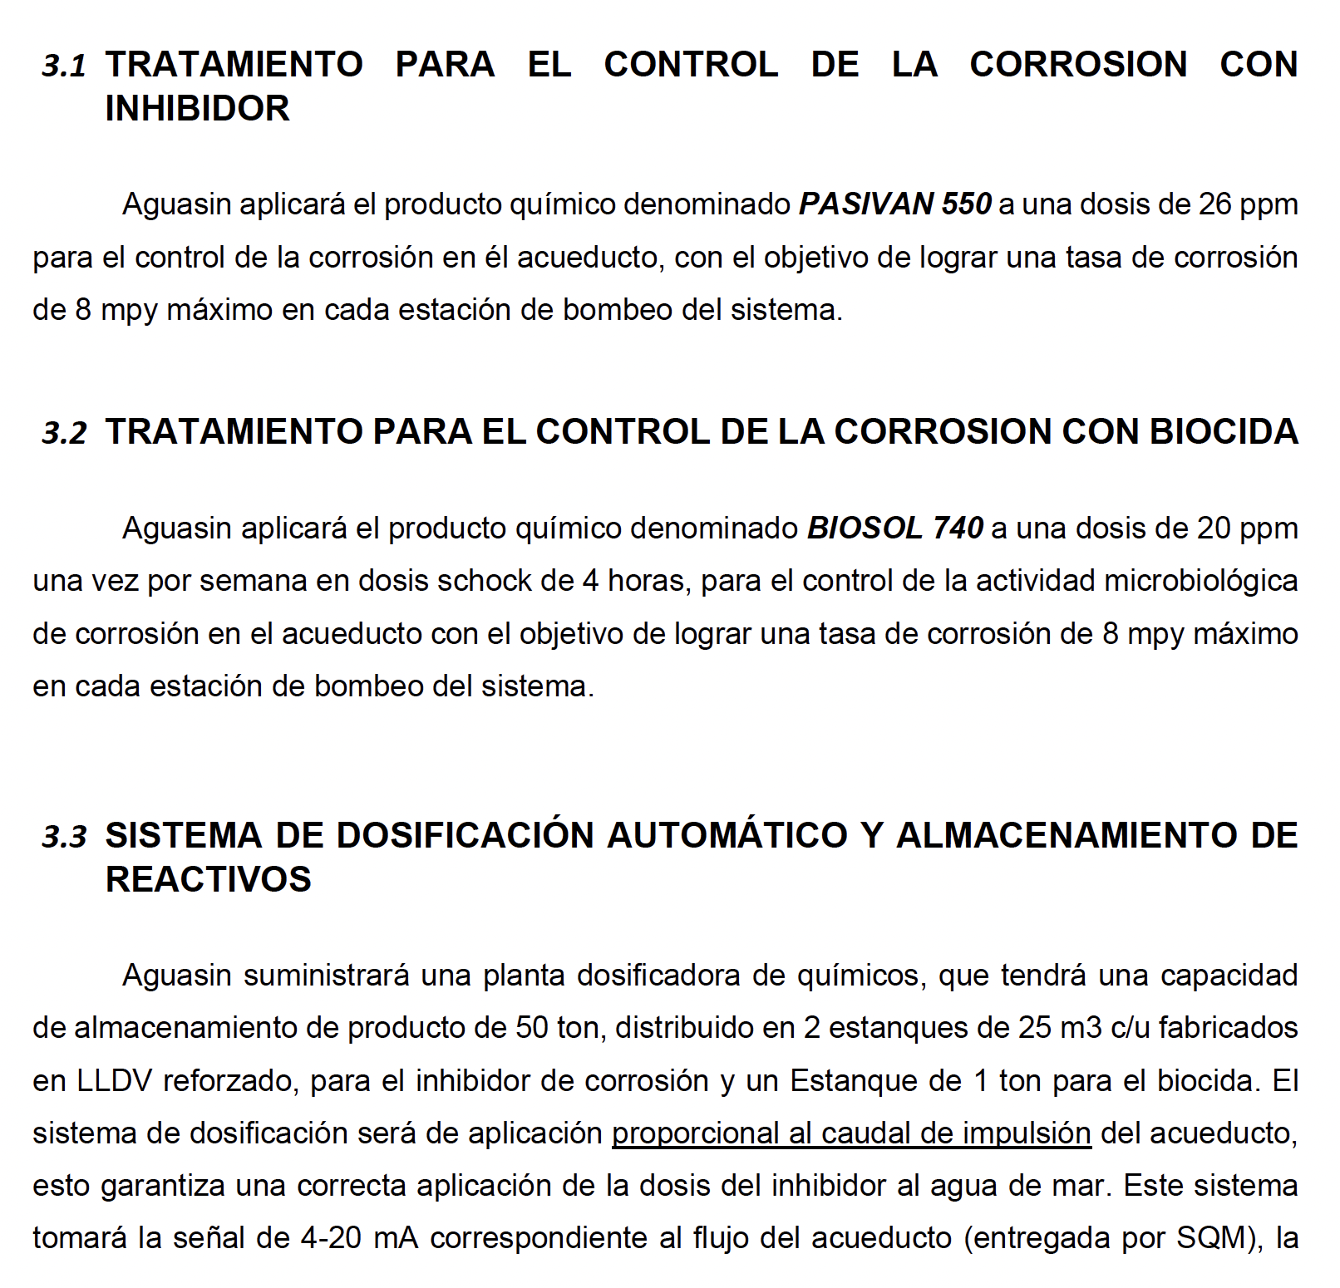
Parameter | Value | Unit
Flow rate | 0.7 | m³/s
Flow rate | 2520 | m³/hr
Flow rate | 1814400 | m³/month
Annual hours of operation | 8400 | hr/yr
Total volume | 21,168,000 | m³
Fluid density | 1030 | kg/m³
Discount Rate | 10%
Descuento por volumen | 20%
Compound | Dosage | Mass [ kg/yr ] | Price [ $/kg ] | Total | Mass [ kg/month ]
Inhibitor | 26.00 | 550,368 | $1.8 | $990,662 | 45,864.0 kg/month
Biocide | 0.46 | 9,660 | $12.8 | $123,648 | 805.0 kg/month
Dosing plant |  |  |  | $12,000
Total |  |  |  | $1,126,310
 |  |  | Present Value | $10,223,565

Electricity
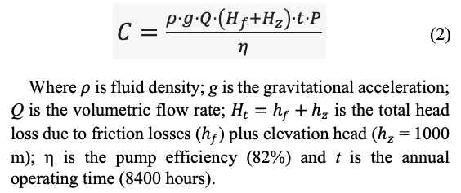
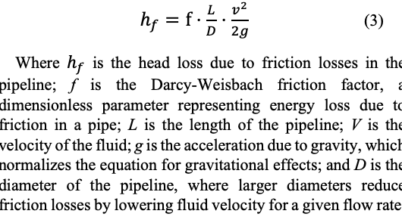
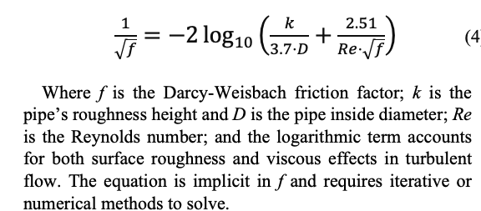
 |  |  | Pipeline Length | 70000 | m
 |  |  | Flow rate | 0.7 | m³/s
 |  |  | Fluid Density | 1030
 |  |  | Elevation | 1000 | m
 |  |  | Pump efficiency | 0.82
 |  |  | Annual hours of operation | 8400 | hr/yr
 |  |  | Projected Price of electricity | 175 | $/MWh
 |  |  | Projected Price of electricity | 0.175 | $/kWh
 |  |  | Projected Price of electricity | 0.000175 | $/Wh
 |  |  | Bare pipe Cost of Electricity Year 1 | $15,875,670

Analyzed case: Bare. Initial wall thickness = 13.28 mm; year 25 wall thickness = 9.53 mm. Initial pipe roughness = 0.07 mm; year 25 pipe roughness = 0.72 mm. Fixed parameters: Elevation head = 1000 m; pump efficiency = 82%; energy cost = 175 $/MWh; outside diameter = 28''; flow rate = 700 L/s; density of water = 1030 kg/m3; viscosity of water = 0.0013 Pa·s
Analyzed case: Coated. Initial wall thickness = 9.53 mm; year 25 wall thickness = 9.53 mm. Initial pipe roughness = 0.02 mm; year 25 pipe roughness = 0.04 mm. Fixed parameters: Elevation head = 1000 m; pump efficiency = 82%; energy cost = 175 $/kWh; outside diameter = 28''; flow rate = 700 L/s; density of water = 1030 kg/m3; viscosity of water = 0.0013 Pa·s

Yr | Pipe roughness [ mm ] | Interior Diameter [ mm ] | Wall thickness [ mm ] | Fluid Velocity [m/s] | Friction factor f [ ] | Head Loss [ m ] | Pump Friction [ kW ] | Pump Elevation [ kW ] | Electricity Friction [ M$ ] | Electricity Elevation [ M$ ] | Viscosity [ Pa·s ] | Outside Diameter [m] | Wall thickness [m] | Inside Diameter [m] | Pipe roughness [m] | Reynolds Number Re | Flow [L/s] | Density kg/m3 | Flow Rate [m3/s] | Eq Left Side | Eq Right Side | f diff Error | C | Year | 1
1 | 0.068 | 684.640 | 13.28000 | 1.901 | 0.013396 | 252.49 | 2177 | 8623 | $3,200,335 | $12,675,334 | 0.0013 | 0.7112 | 0.01328 | 0.68464 | 0.00007 | 1,031,430 | 700 | 1030 | 0.7 | 8.639889 | 8.639889 | 0
2 | 0.095 | 684.953 | 13.12375 | 1.900 | 0.013937 | 262.08 | 2260 | 8623 | $3,321,987 | $12,675,334 | 0.0013 | 0.7112 | 0.01312 | 0.68495 | 0.00010 | 1,030,959 | 700 | 1030 | 0.7 | 8.470546 | 8.470546 | 0 |  | Density | 1030 | kg/m3 | Bare pipe
3 | 0.122 | 685.265 | 12.96750 | 1.898 | 0.014418 | 270.50 | 2332 | 8623 | $3,428,697 | $12,675,334 | 0.0013 | 0.7112 | 0.01297 | 0.68527 | 0.00012 | 1,030,489 | 700 | 1030 | 0.7 | 8.328190 | 8.328190 | 0 | 0.70000000000 | Flow | 0.70000 | m3/s | FBE coated
4 | 0.149 | 685.578 | 12.81125 | 1.896 | 0.014852 | 278.02 | 2397 | 8623 | $3,523,958 | $12,675,334 | 0.0013 | 0.7112 | 0.01281 | 0.68558 | 0.00015 | 1,030,020 | 700 | 1030 | 0.7 | 8.205496 | 8.205496 | 0 |  | Viscosity | 0.00130 | Pa·s
5 | 0.177 | 685.890 | 12.65500 | 1.895 | 0.015250 | 284.81 | 2456 | 8623 | $3,610,123 | $12,675,334 | 0.0013 | 0.7112 | 0.01266 | 0.68589 | 0.00018 | 1,029,550 | 700 | 1030 | 0.7 | 8.097750 | 8.097750 | 0 |  | Exterior Diameter | 0.71120 | m
6 | 0.204 | 686.203 | 12.49875 | 1.893 | 0.015618 | 291.03 | 2509 | 8623 | $3,688,861 | $12,675,334 | 0.0013 | 0.7112 | 0.01250 | 0.68620 | 0.00020 | 1,029,081 | 700 | 1030 | 0.7 | 8.001745 | 8.001745 | 0 |  | Interior Diameter | 0.68464 | m
7 | 0.231 | 686.515 | 12.34250 | 1.891 | 0.015962 | 296.75 | 2559 | 8623 | $3,761,398 | $12,675,334 | 0.0013 | 0.7112 | 0.01234 | 0.68652 | 0.00023 | 1,028,613 | 700 | 1030 | 0.7 | 7.915199 | 7.915199 | 0 |  | Wall thickness | 0.01328 | m
8 | 0.258 | 686.828 | 12.18625 | 1.889 | 0.016284 | 302.06 | 2605 | 8623 | $3,828,668 | $12,675,334 | 0.0013 | 0.7112 | 0.01219 | 0.68683 | 0.00026 | 1,028,145 | 700 | 1030 | 0.7 | 7.836435 | 7.836435 | 0 |  | Rougness | 0.00007 | m
9 | 0.285 | 687.140 | 12.03000 | 1.888 | 0.016589 | 307.01 | 2647 | 8623 | $3,891,396 | $12,675,334 | 0.0013 | 0.7112 | 0.01203 | 0.68714 | 0.00029 | 1,027,677 | 700 | 1030 | 0.7 | 7.764183 | 7.764183 | 0 |  | Velocity | 1.90144 | m/s
10 | 0.312 | 687.453 | 11.87375 | 1.886 | 0.016877 | 311.64 | 2687 | 8623 | $3,950,161 | $12,675,334 | 0.0013 | 0.7112 | 0.01187 | 0.68745 | 0.00031 | 1,027,210 | 700 | 1030 | 0.7 | 7.697460 | 7.697460 | 0 |  | Reynolds Number | 1031430 | m
11 | 0.340 | 687.765 | 11.71750 | 1.884 | 0.017152 | 316.00 | 2725 | 8623 | $4,005,430 | $12,675,334 | 0.0013 | 0.7112 | 0.01172 | 0.68777 | 0.00034 | 1,026,743 | 700 | 1030 | 0.7 | 7.635488 | 7.635488 | 0 |  | Friction factor | 0.013396264738
12 | 0.367 | 688.078 | 11.56125 | 1.882 | 0.017415 | 320.12 | 2760 | 8623 | $4,057,588 | $12,675,334 | 0.0013 | 0.7112 | 0.01156 | 0.68808 | 0.00037 | 1,026,277 | 700 | 1030 | 0.7 | 7.577644 | 7.577644 | 0 |  | Friction Head Loss | 252.485 | m
13 | 0.394 | 688.390 | 11.40500 | 1.881 | 0.017667 | 324.01 | 2794 | 8623 | $4,106,956 | $12,675,334 | 0.0013 | 0.7112 | 0.01140 | 0.68839 | 0.00039 | 1,025,811 | 700 | 1030 | 0.7 | 7.523417 | 7.523417 | 0 |  | Elevation Head Loss | 1000.00 | m
14 | 0.421 | 688.703 | 11.24875 | 1.879 | 0.017909 | 327.71 | 2826 | 8623 | $4,153,806 | $12,675,334 | 0.0013 | 0.7112 | 0.01125 | 0.68870 | 0.00042 | 1,025,346 | 700 | 1030 | 0.7 | 7.472386 | 7.472386 | 0 |  | Annual hours of operation | 8400 | h/yr
15 | 0.448 | 689.015 | 11.09250 | 1.877 | 0.018143 | 331.22 | 2856 | 8623 | $4,198,366 | $12,675,334 | 0.0013 | 0.7112 | 0.01109 | 0.68902 | 0.00045 | 1,024,881 | 700 | 1030 | 0.7 | 7.424200 | 7.424200 | 0 |  | Pump Efficiency | 0.82 | %
16 | 0.475 | 689.328 | 10.93625 | 1.876 | 0.018368 | 334.57 | 2885 | 8623 | $4,240,837 | $12,675,334 | 0.0013 | 0.7112 | 0.01094 | 0.68933 | 0.00048 | 1,024,416 | 700 | 1030 | 0.7 | 7.378563 | 7.378563 | 0 |  | Pump Power | 10,799,775 | W
17 | 0.503 | 689.640 | 10.78000 | 1.874 | 0.018585 | 337.77 | 2913 | 8623 | $4,281,388 | $12,675,334 | 0.0013 | 0.7112 | 0.01078 | 0.68964 | 0.00050 | 1,023,952 | 700 | 1030 | 0.7 | 7.335220 | 7.335220 | 0 |  | Energy cost | 0.175000 | W
18 | 0.530 | 689.953 | 10.62375 | 1.872 | 0.018796 | 340.83 | 2939 | 8623 | $4,320,171 | $12,675,334 | 0.0013 | 0.7112 | 0.01062 | 0.68995 | 0.00053 | 1,023,488 | 700 | 1030 | 0.7 | 7.293955 | 7.293955 | 0 |  | Annual cost of energy · C |  | $/yr
19 | 0.557 | 690.265 | 10.46750 | 1.871 | 0.019001 | 343.76 | 2964 | 8623 | $4,357,318 | $12,675,334 | 0.0013 | 0.7112 | 0.01047 | 0.69027 | 0.00056 | 1,023,025 | 700 | 1030 | 0.7 | 7.254581 | 7.254581 | 0
20 | 0.584 | 690.578 | 10.31125 | 1.869 | 0.019200 | 346.57 | 2988 | 8623 | $4,392,944 | $12,675,334 | 0.0013 | 0.7112 | 0.01031 | 0.69058 | 0.00058 | 1,022,562 | 700 | 1030 | 0.7 | 7.216933 | 7.216933 | 0
21 | 0.611 | 690.890 | 10.15500 | 1.867 | 0.019393 | 349.27 | 3012 | 8623 | $4,427,154 | $12,675,334 | 0.0013 | 0.7112 | 0.01015 | 0.69089 | 0.00061 | 1,022,099 | 700 | 1030 | 0.7 | 7.180869 | 7.180869 | 0
22 | 0.638 | 691.203 | 9.99875 | 1.866 | 0.019581 | 351.87 | 3034 | 8623 | $4,460,040 | $12,675,334 | 0.0013 | 0.7112 | 0.01000 | 0.69120 | 0.00064 | 1,021,637 | 700 | 1030 | 0.7 | 7.146262 | 7.146262 | 0
23 | 0.666 | 691.515 | 9.84250 | 1.864 | 0.019765 | 354.36 | 3056 | 8623 | $4,491,686 | $12,675,334 | 0.0013 | 0.7112 | 0.00984 | 0.69152 | 0.00067 | 1,021,176 | 700 | 1030 | 0.7 | 7.113001 | 7.113001 | 0
24 | 0.693 | 691.828 | 9.68625 | 1.862 | 0.019944 | 356.77 | 3076 | 8623 | $4,522,166 | $12,675,334 | 0.0013 | 0.7112 | 0.00969 | 0.69183 | 0.00069 | 1,020,714 | 700 | 1030 | 0.7 | 7.080986 | 7.080986 | 0 |  |  | 0.7
25 | 0.720 | 692.140 | 9.53000 | 1.860 | 0.020119 | 359.09 | 3096 | 8623 | $4,551,548 | $12,675,334 | 0.0013 | 0.7112 | 0.00953 | 0.69214 | 0.00072 | 1,020,253 | 700 | 1030 | 0.7 | 7.050130 | 7.050130 | 0
 |  |  |  |  |  |  |  |  | $34,275,916 | $115,054,517

Yr | Pipe roughness [ mm ] | Interior Diameter [ mm ] | Wall thickness [ mm ] | Fluid Velocity [m/s] | Friction factor f | Head Loss [ m ] | Pump Friction [ kW ] | Pump Elevation [ kW ] | Electricity Friction [ M$ ] | Electricity Elevation [ M$ ] | Viscosity [ Pa·s ] | Outside Diameter [m] | Wall thickness [m] | Inside Diameter [m] | Pipe roughness [m] | Reynolds Number Re | Flow [L/s] | Density kg/m3 | Flow Rate [m3/s] | Eq Left Side | Eq Right Side | f diff Error
1 | 0.0150 | 692.140 | 9.53000 | 1.860 | 0.012080 | 215.61 | 1859 | 8623 | $2,732,985 | $12,675,334 | 0.0013 | 0.7112 | 0.00953 | 0.69214 | 0.000015 | 1020253 | 700 | 1030 | 0.7 | 9.098254 | 9.098254 | 0
2 | 0.0158 | 692.140 | 9.53000 | 1.860 | 0.012105 | 216.05 | 1863 | 8623 | $2,738,556 | $12,675,334 | 0.0013 | 0.7112 | 0.00953 | 0.69214 | 0.000016 | 1020253 | 700 | 1030 | 0.7 | 9.088995 | 9.088995 | 0
3 | 0.0167 | 692.140 | 9.53000 | 1.860 | 0.012130 | 216.49 | 1867 | 8623 | $2,744,089 | $12,675,334 | 0.0013 | 0.7112 | 0.00953 | 0.69214 | 0.000017 | 1020253 | 700 | 1030 | 0.7 | 9.079828 | 9.079828 | 0
4 | 0.0175 | 692.140 | 9.53000 | 1.860 | 0.012154 | 216.92 | 1870 | 8623 | $2,749,584 | $12,675,334 | 0.0013 | 0.7112 | 0.00953 | 0.69214 | 0.000018 | 1020253 | 700 | 1030 | 0.7 | 9.070750 | 9.070750 | 0
5 | 0.0183 | 692.140 | 9.53000 | 1.860 | 0.012178 | 217.35 | 1874 | 8623 | $2,755,043 | $12,675,334 | 0.0013 | 0.7112 | 0.00953 | 0.69214 | 0.000018 | 1020253 | 700 | 1030 | 0.7 | 9.061759 | 9.061759 | 0
6 | 0.0192 | 692.140 | 9.53000 | 1.860 | 0.012202 | 217.78 | 1878 | 8623 | $2,760,465 | $12,675,334 | 0.0013 | 0.7112 | 0.00953 | 0.69214 | 0.000019 | 1020253 | 700 | 1030 | 0.7 | 9.052854 | 9.052854 | 0
7 | 0.0200 | 692.140 | 9.53000 | 1.860 | 0.012226 | 218.21 | 1882 | 8623 | $2,765,852 | $12,675,334 | 0.0013 | 0.7112 | 0.00953 | 0.69214 | 0.000020 | 1020253 | 700 | 1030 | 0.7 | 9.044034 | 9.044034 | 0
8 | 0.0208 | 692.140 | 9.53000 | 1.860 | 0.012249 | 218.63 | 1885 | 8623 | $2,771,204 | $12,675,334 | 0.0013 | 0.7112 | 0.00953 | 0.69214 | 0.000021 | 1020253 | 700 | 1030 | 0.7 | 9.035296 | 9.035296 | 0
9 | 0.0217 | 692.140 | 9.53000 | 1.860 | 0.012273 | 219.05 | 1889 | 8623 | $2,776,522 | $12,675,334 | 0.0013 | 0.7112 | 0.00953 | 0.69214 | 0.000022 | 1020253 | 700 | 1030 | 0.7 | 9.026640 | 9.026640 | 0
10 | 0.0225 | 692.140 | 9.53000 | 1.860 | 0.012296 | 219.47 | 1892 | 8623 | $2,781,805 | $12,675,334 | 0.0013 | 0.7112 | 0.00953 | 0.69214 | 0.000023 | 1020253 | 700 | 1030 | 0.7 | 9.018064 | 9.018064 | 0
11 | 0.0233 | 692.140 | 9.53000 | 1.860 | 0.012319 | 219.88 | 1896 | 8623 | $2,787,055 | $12,675,334 | 0.0013 | 0.7112 | 0.00953 | 0.69214 | 0.000023 | 1020253 | 700 | 1030 | 0.7 | 9.009566 | 9.009566 | 0
12 | 0.0242 | 692.140 | 9.53000 | 1.860 | 0.012343 | 220.29 | 1900 | 8623 | $2,792,272 | $12,675,334 | 0.0013 | 0.7112 | 0.00953 | 0.69214 | 0.000024 | 1020253 | 700 | 1030 | 0.7 | 9.001146 | 9.001146 | 0
13 | 0.0250 | 692.140 | 9.53000 | 1.860 | 0.012365 | 220.70 | 1903 | 8623 | $2,797,457 | $12,675,334 | 0.0013 | 0.7112 | 0.00953 | 0.69214 | 0.000025 | 1020253 | 700 | 1030 | 0.7 | 8.992801 | 8.992801 | 0
14 | 0.0258 | 692.140 | 9.53000 | 1.860 | 0.012388 | 221.11 | 1907 | 8623 | $2,802,610 | $12,675,334 | 0.0013 | 0.7112 | 0.00953 | 0.69214 | 0.000026 | 1020253 | 700 | 1030 | 0.7 | 8.984530 | 8.984530 | 0
15 | 0.0267 | 692.140 | 9.53000 | 1.860 | 0.012411 | 221.51 | 1910 | 8623 | $2,807,731 | $12,675,334 | 0.0013 | 0.7112 | 0.00953 | 0.69214 | 0.000027 | 1020253 | 700 | 1030 | 0.7 | 8.976333 | 8.976333 | 0
16 | 0.0275 | 692.140 | 9.53000 | 1.860 | 0.012433 | 221.91 | 1913 | 8623 | $2,812,821 | $12,675,334 | 0.0013 | 0.7112 | 0.00953 | 0.69214 | 0.000028 | 1020253 | 700 | 1030 | 0.7 | 8.968208 | 8.968208 | 0
17 | 0.0283 | 692.140 | 9.53000 | 1.860 | 0.012456 | 222.31 | 1917 | 8623 | $2,817,880 | $12,675,334 | 0.0013 | 0.7112 | 0.00953 | 0.69214 | 0.000028 | 1020253 | 700 | 1030 | 0.7 | 8.960153 | 8.960153 | 0
18 | 0.0292 | 692.140 | 9.53000 | 1.860 | 0.012478 | 222.71 | 1920 | 8623 | $2,822,909 | $12,675,334 | 0.0013 | 0.7112 | 0.00953 | 0.69214 | 0.000029 | 1020253 | 700 | 1030 | 0.7 | 8.952168 | 8.952168 | 0
19 | 0.0300 | 692.140 | 9.53000 | 1.860 | 0.012500 | 223.10 | 1924 | 8623 | $2,827,908 | $12,675,334 | 0.0013 | 0.7112 | 0.00953 | 0.69214 | 0.000030 | 1020253 | 700 | 1030 | 0.7 | 8.944252 | 8.944252 | 0
20 | 0.0308 | 692.140 | 9.53000 | 1.860 | 0.012522 | 223.50 | 1927 | 8623 | $2,832,878 | $12,675,334 | 0.0013 | 0.7112 | 0.00953 | 0.69214 | 0.000031 | 1020253 | 700 | 1030 | 0.7 | 8.936402 | 8.936402 | 0
21 | 0.0317 | 692.140 | 9.53000 | 1.860 | 0.012544 | 223.89 | 1930 | 8623 | $2,837,819 | $12,675,334 | 0.0013 | 0.7112 | 0.00953 | 0.69214 | 0.000032 | 1020253 | 700 | 1030 | 0.7 | 8.928619 | 8.928619 | 0
22 | 0.0325 | 692.140 | 9.53000 | 1.860 | 0.012566 | 224.27 | 1934 | 8623 | $2,842,732 | $12,675,334 | 0.0013 | 0.7112 | 0.00953 | 0.69214 | 0.000033 | 1020253 | 700 | 1030 | 0.7 | 8.920901 | 8.920901 | 0
23 | 0.0333 | 692.140 | 9.53000 | 1.860 | 0.012587 | 224.66 | 1937 | 8623 | $2,847,616 | $12,675,334 | 0.0013 | 0.7112 | 0.00953 | 0.69214 | 0.000033 | 1020253 | 700 | 1030 | 0.7 | 8.913247 | 8.913247 | 0
24 | 0.0342 | 692.140 | 9.53000 | 1.860 | 0.012609 | 225.04 | 1940 | 8623 | $2,852,473 | $12,675,334 | 0.0013 | 0.7112 | 0.00953 | 0.69214 | 0.000034 | 1020253 | 700 | 1030 | 0.7 | 8.905656 | 8.905656 | 0
25 | 0.0350 | 692.140 | 9.53000 | 1.860 | 0.012630 | 225.42 | 1944 | 8623 | $2,857,302 | $12,675,334 | 0.0013 | 0.7112 | 0.00953 | 0.69214 | 0.000035 | 1020253 | 700 | 1030 | 0.7 | 8.898128 | 8.898128 | 0
 |  |  |  |  |  |  |  |  | $25,170,402 | $115,054,517

Charts
 |  |  |  | Field\nJoint Coating [ 5.8 ] Coated\nCAPEX |  |  | TOTAL [ 14.7 ] CAPEX | CAPEX [ 14.7 ] Steel design | :Steel design #0a82b0
 |  |  |  | Shop Coating [ 0.8 ] Coated\nCAPEX | Steel design | Steel corrosion | TOTAL [ 14.7 ] CAPEX | CAPEX [ 14.7 ] Design Steel | :Steel #0a82b0 | Bare [ 0 ] CAPEX | Coated [ 5.8 ] CAPEX | Item | Bare Pipe | Coated Pipe | Difference
 |  |  |  | Coated\nFriction Energy [ 25.2 ] Coated\nOPEX |  |  | Bare |  |  | Bare [ 0.3 ] CAPEX | Coated [ 0.8 ] CAPEX | Extra Inhibitors | $10,223,565 |  | 100%
 |  |  |  | Coated\nInspections [ 2.5 ] Coated\nOPEX |  |  | Bare [ 0 ] CAPEX | CAPEX [ 0 ] Steel corrosion | :Steel corrosion #0a82b0 | Bare [ 34.3 ] OPEX | Coated [ 25.2 ] OPEX | Extra Friction Energy | $9,105,514 |  | 27%
Item | Bare Pipe | Coated Pipe | Difference |  |  |  | Bare [ 0.3 ] CAPEX | CAPEX [ 0.3 ] Dosing Plant | :Dosing Plant #0a82b0 | Bare [ 10.2 ] OPEX | Coated [ 2.5 ] OPEX | Extra Steel | $0 |  | 0%
Corrosion Steel | $5,659,618 |  | $5,659,618 | Coated\nCAPEX [ 5.8 ] Coated |  |  | Bare [ 34.3 ] OPEX | OPEX [ 34.3 ] Friction Energy | :Friction Energy #74b4dd | Bare [ 5.1 ] OPEX |  | Joint Field Coating |  | $5,834,000 | 100%
Field Joint Coating |  | $5,834,000 |  | Coated\nCAPEX [ 0.8 ] Coated |  |  | Bare [ 10.2 ] OPEX | OPEX [ 10.2 ] Inhibitors | :Inhibitors #74b4dd |  | CAPEX [ 5.8 ] Field Joint Coating | Extra Inspections | $2,541,571 |  | 50%
Shop Coating |  | $761,048 |  | Coated\nOPEX [ 25.2 ] Coated |  |  | Bare [ 5.1 ] OPEX | OPEX [ 5.1 ] Inspections | :Inspections #74b4dd | CAPEX [ 0 ] Steel corrosion | CAPEX [ 0.8 ] Shop Coating | Shop Coating |  | $761,048 | 100%
CapEx | $5,659,618 | $6,595,048 | -16.5% | Coated\nOPEX [ 2.5 ] Coated |  |  |  |  |  | CAPEX [ 0.3 ] Dosing Plant | OPEX [ 25.2 ] Friction Energy | Dosing Plant | $272,160 |  | 100%
 |  |  |  |  |  |  | Coated |  |  | OPEX [ 34.3 ] Friction Energy | OPEX [ 2.5 ] Inspections | Total | $22,142,810 | $6,595,048 | $15,547,762
Inhibitors | $10,223,565 |  | $10,223,565 |  |  |  | Coated [ 5.8 ] CAPEX | CAPEX [ 5.8 ] Field Joint Coating | :Field Joint Coating #0a82b0 | OPEX [ 10.2 ] Inhibitors |  |  |  | 0.42417987092
Friction Energy | $34,275,916 | $25,170,402 | $9,105,514 | Coated [ 34.3 ] Bare |  |  | Coated [ 0.8 ] CAPEX | CAPEX [ 0.8 ] Shop Coating | :Shop Coating #0a82b0 | OPEX [ 5.1 ] Inspections | :Field Joint Coating #0a82b0
Inspections | $5,083,142 | $2,541,571 | $2,541,571 | Savings [ 20.9 ] Bare |  |  | Coated [ 25.2 ] OPEX | OPEX [ 25.2 ] Friction Energy | :Friction Energy #74b4dd |  | :Shop Coating #0a82b0 | Item | Bare | Coated
OpEx | $49,582,623 | $27,711,973 | 44.1% |  |  |  | Coated [ 2.5 ] OPEX | OPEX [ 2.5 ] Inspections | :Inspections #74b4dd | :Steel corrosion #0a82b0 | :Friction Energy #74b4dd | Extra Inhibitors | $10.22 MM
 |  |  |  | Bare [ 5.7 ] Bare\nCAPEX |  |  |  |  |  | :Dosing Plant #0a82b0 | :Inspections #74b4dd | Extra Friction Energy | $9.11 MM
Total | $55,242,241 | $34,307,021 | 37.9% | Bare [ 10.2 ] Bare\nOPEX |  |  |  |  |  | :Friction Energy #74b4dd |  | Extra Steel | $0.00 MM
 |  |  | $20,935,220 | Bare [ 34.3 ] Bare\nOPEX |  |  | $5.83 |  |  | :Inhibitors #74b4dd |  | Joint Field Coating |  | $5.83 MM
 |  |  |  | Bare [ 5.1 ] Bare\nOPEX |  |  | $0.76 |  |  | :Inspections #74b4dd |  | Extra Inspections | $2.54 MM
 |  |  |  |  |  |  | $6.60 |  |  |  |  | Shop Coating |  | $0.76 MM
 | Item | Extra Inhibitors | Extra Friction Energy | Extra Steel | Joint Field Coating | Extra Inspections | Shop Coating | Dosing Plant
Bare | 0 | $10.22 MM | $9.11 MM | $0.00 MM |  | $2.54 MM |  | $0.27 MM
Coated | 0 |  |  |  | $5.83 MM |  | $0.76 MM
 |  |  |  |  |  |  |  |  |  |  |  | Dosing Plant | $0.27 MM
 |  |  |  | Bare\nCAPEX [ 5.7 ] Corrosion\nSteel |  |  | $25.17
 |  |  |  | Bare\nOPEX [ 34.3 ] Bare\nFriction Energy |  |  | $2.54
 |  |  |  | Bare\nOPEX [ 10.2 ] Inhibitors |  |  | $27.71 | 34.3
 |  |  |  | Bare\nOPEX [ 5.1 ] Bare\nInspections

Dosing Plant | $272,160 |  | $272,160 | :Steel\ncorrosion #0a82b0
Elevation Energy | $115,054,517 | $115,054,517 |  | :Dosing Plant #0a82b0
Design Steel | $14,660,443 | $14,660,443 |  | :Bare\nFriction Energy #74b4dd
 |  |  |  | :Inhibitors #74b4dd
 |  |  |  | :Bare\nInspections #74b4dd
 |  |  |  | :Savings #74b
 |  |  |  | :Coated #A4b

