ToolDataBase
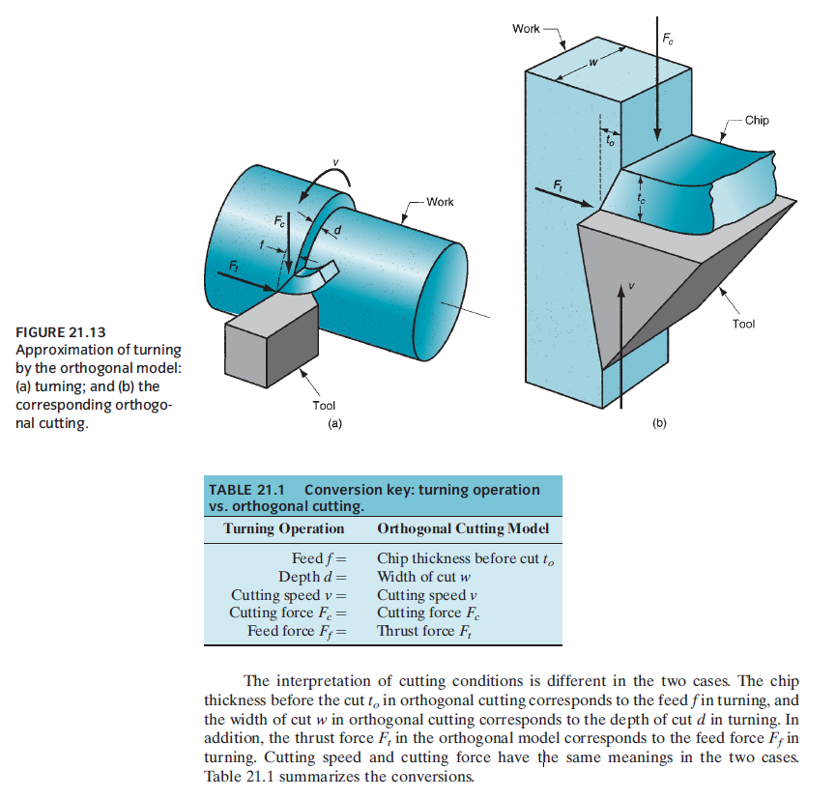
rake angle | clearance angle | cutting edge radius | VC | ap
-10° | 3°
-7° | 5°
-11° | 7°
-12° | 15° |  |  |  | o rake faze é onde o cavaco escoa, portanto a profundidade de corte é mais o avanço do que a profundidade de corte em z msm, pois é a direção por onde o cavaco escoa
-9° | 20°
-8° | 25°
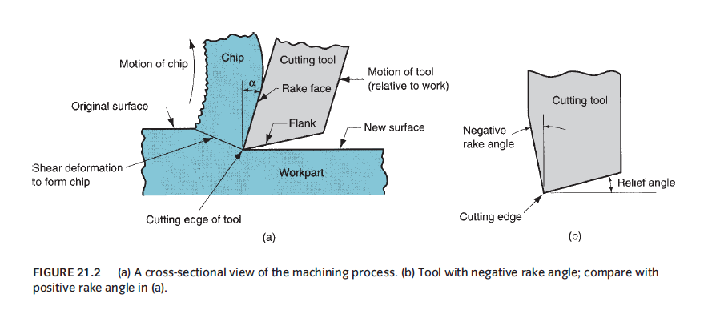
-8,5° | 30°
-5° | 0°
-14° | 11°
0°
-6°
-3°
10°
7°
11°
12°
9°
8°
8,5°
5°
14°
6°
3°

