A̳ssets


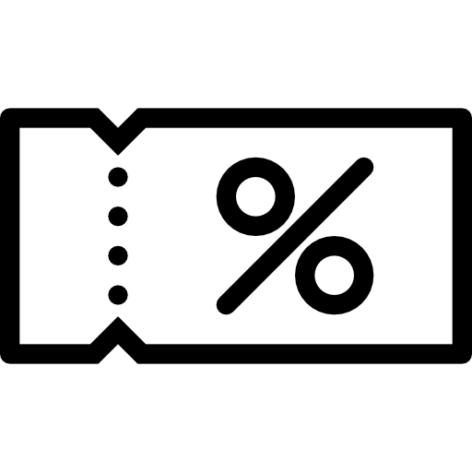
Paleta de Cores

# 9BC848 | Xbox Color | # E8E6E9 | negative zone
# 22C55E | Xbox Color
# 2AE6B1 | Menus
# 5BF6A8 | Menus

Logos |  |  |  | ícones

D̳ashboard
XBOX GAME PASS SUBSCRIPTIONS SALES
Calculation period: 01/01/2024 - 31/12/2024 | Update date: 22/05/2026 16:00:00

> bem vinda, Liana
R$ 600,00
TOTAL SUBSCRIPTIONS EA PLAY SEASON PASS
R$ 940,00
TOTAL SUBSCRIPTIONS MINECRAFT SEASON PASS
R$ 476,00
TOTAL IN CUPONS OFFERED

 | Total
No | R$217.00
Yes | R$1,537.00
TOTAL SUBSCRIPTIONS XBOX GAME PASS

