Energy Pulses (PL_constant)
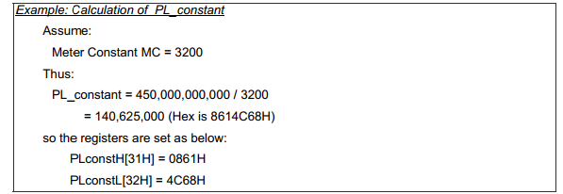

Meter Constant = | 36964.595557
PL_constant (DEC) = | 12173811
PL_constant (HEX) = | 00B9C1F3
PLconstH = | 00B9
PLconstL = | C1F3

 | 00B9
 | C1F3
 | 00B9C1F3
 | 12173811

 | 36964.595557 | 36964.595557

