Energy Pulses (PL_constant)
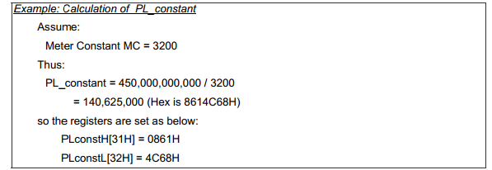

Meter Constant = | 3200
PL_constant (DEC) = | 140625000
PL_constant (HEX) = | 0861C468
PLconstH = | 0861
PLconstL = | C468

 | 00B9
 | C1F3
 | 00B9C1F3
 | 12173811

 |  |  | 1960 | 300
 | 36964.595557 | 36964.595557
 |  |  | 1920

