Scenarios
Images describing the scenarios

Reports
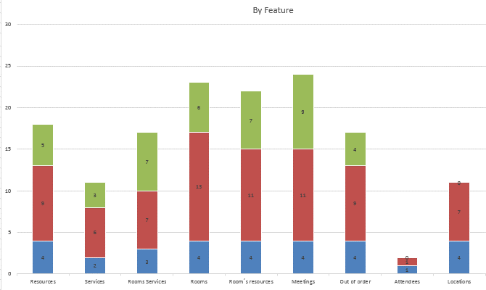
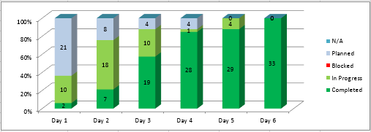

The reports that represents
the progress should be here

