Overview
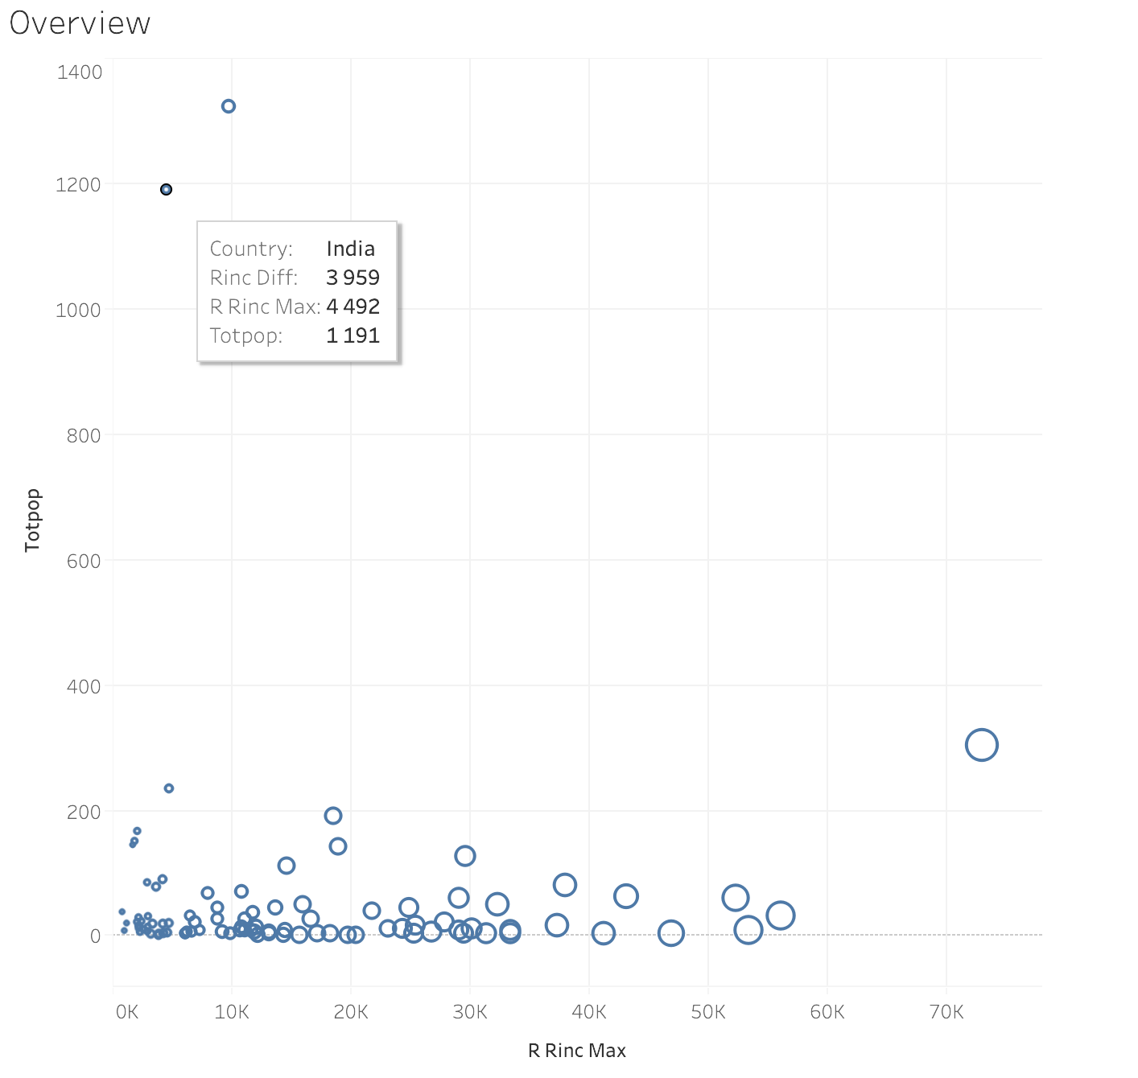

Drilldown_1
RRinc
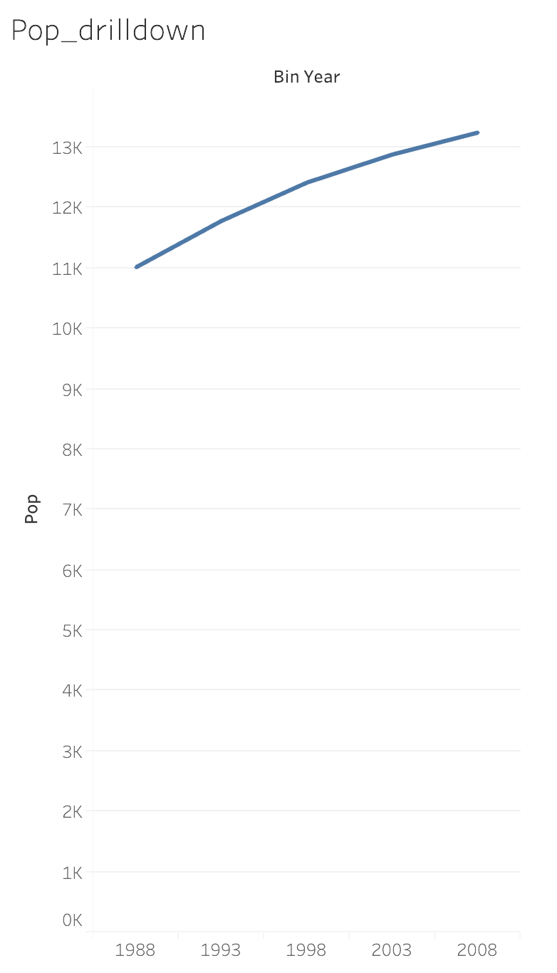

﻿
 | 1988 | 1993 | 1998 | 2003 | 2008
Rrinc min | 448 | 501 | 602 | 703 | 1001
Rrinc max | 2553 | 3271 | 4653 | 6215 | 9776

Drilldown_2
