Sheet1
Distribution Table
 |  | Parameter Name | Distribution | Source | Notes |  |  | DS coarse | LU~[2e1,5e1 | Geoscience with wider bounds
North Marina | Aquifer properties | Kh_sand_180 | LU~[6E1 ,3E2] | Geoscience 2014 | Geoscience with wider bounds |  |  | DS fine | LU~[1e-4,1e-2] | Geoscience with wider bounds
 |  | Kh_clay_180 | LU~[1e-4,1e-2] | Geoscience 2014 | Geoscience with wider bounds |  |  | U180 coarse | LU~[6E1 ,3E2 | lower=Geoscience, upper=MACTEC/Harding?
 |  | Kh_sand_400 | LU~[1E-1,1E2] |  | Get from Freeze Cherry |  |  | U180 fine | LU~[1e-4,1e-2] | Geoscience with wider bounds
 |  | Kh_clay_400 | LU~[1e-4,1e-2] |  | Get from Freeze Cherry
 |  | Kvh | U~[.1,1] |  | Get from Freeze Cherry |  |  |  | U180
 |  | Por_sand | U~[.15,.3] |  |  |  |  |  | I180
 |  | Por_clay | U~[.3-.5] |  |  |  |  |  | L180
 |  | aL | U~[1-20] | Literature?
 | SISIM corr structure | Range_x | U~[400,800]
 |  | Range_y | U~[200,300]
 |  | Range_z | U~[8,20]
 |  | Sill | 0.18
 | Boundary conditions | FO-SVA boundary head | U~[1.2,6] | MACTEC 2005 Plate 9 |  | Gridsize | 60.96
 |  | TSW pumping | 7 mbsl |  | GW levels at TSW between 20-30 ft bsl |  | Meas_meters |  | Meas_blocks
Salinas Valley | MPS structure | TI_rivwavelength | U~[2000,4000] m | Quick measurements from N Sal Valley |  |  | 2000 | 4000 | 32.80839895 | 65.6167979
 |  | TI_amplitude | U~[300,500] m | Quick measurements from N Sal Valley |  |  | 300 | 500 | 4.9212598425 | 8.2020997375
 |  | TI_rivwidth | U~[8,100] m | Quick measurements from N Sal Valley |  |  | 8 | 100 | 0.1312335958 | 1.6404199475
 |  | TI_sinuosity | U~[1.2,1.5] | 27km of Salinas Valley = 37km of river (1.37
 |  | TI_proportions | U~[50,55,60,65,70] | mean of lith_binary = 0.67
 |  | TI_rivlen | entire domain (25,000 m) | Assumption that river is continuous
 | SISIM structure | Range_x
 |  | Range_y
 |  | Range_z
 |  | Sill

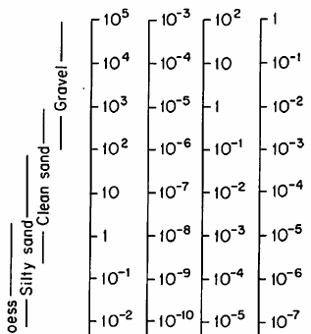
 |  | TDS of ocean, central California | 33.6 g/L | Geoscience 2014

 |  | Hydraulic conductivity 1 (log_hk1) | Continuous | U~[-3,0] | Literature | Fetter et als range from upper end of "clay" to upper end of silty sands, fine sands
 |  | Hydraulic conductivity 2 (log_hk2) | Continuous | U~[1,3] | Field data | Geoscience 2014 data (HydraulicConductivity.xlsx)
 |  | Lithology proprtion (lith_prop) | Continuous | U~[0,0.5] | Rationale: aquifer won't be more than 50% clay

 | 4320
 | 8.64
 | 0.432

 |  | Sources for K
 |  | Freeze and Cherry | K (m/d)
 |  | Kgravel | 4320 | Freeze Cherry | midpoint of range
 |  | Kcleansand | 8.64 | Freeze Cherry | midpoint of range
 |  | Ksiltysand | 0.432 | Freeze Cherry | midpoint of range

 |  | Geoscience 2014
 |  | Kc, DS (m/d) | 2.93E+01 | Geoscience 2014 | coarse lower bound
 |  |  | 4.75E+01 | Geoscience 2014 | coarse upper bound
 |  | Kf, DS | 6.40E-03 | Geoscience 2014 | fine lower bound
 |  |  | 1.31E-03 | Geoscience 2014 | fine upper bound
 |  | Kc, Upper 180 | 1.14E+02 | Geoscience 2014 | coarse lower bound
 |  |  | 1.55E+02 | Geoscience 2014 | coarse upper bound
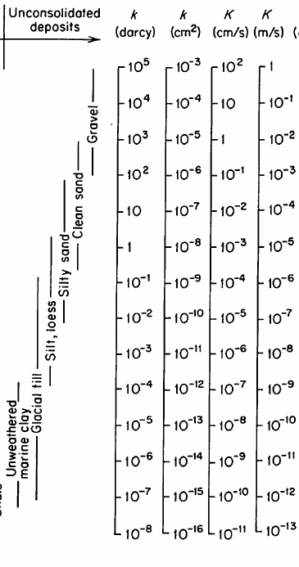
 |  | Kf, Upper 180 | 8.23E-03 | Geoscience 2014 | fine lower bound
 |  |  | 6.92E-03 | Geoscience 2014 | fine upper bound
 |  | Harding ESE
 |  | Kc, Upper 180 | 6.10E+01 | harding ESE | lower bound aquifer tests
 |  |  | 3.05E+02 | harding ESE | upper bound aquifer tests
 |  | K, Lower 180 | ??? | harding ESE | "Higher than in 400-FA"

 |  | Sources for porosity
 |  | SWI modeling | 0.25 |  | A. Smith, 2004
 |  | SWI modeling | .15-.3 |  | Post et al. 2013 Nature paper
 |  | SWI modeling | 0.3 |  | Werner 2017
 |  | Range of values for sand | .25-.50 |  | Freeze Cherry
 |  | Lab calculated effective porosity of marine clay | .3-.5 |  | John E. Sevee, 2010

