Supplemental info
Table S4. Usual fish consumption rates (g/day raw weight, edible portion) of total fish and shellfish. 50th percentile estimates (range: 95% CI). [2]

Usual fish consumption rates(g/day raw weight, edible portion )of total fish and shellfsih. 50th percentile estimates (95% CI)
 | adults, 21 years and older | youth, <21 years
Region
Northeast | 23.9 (20 - 28.7) | 5.7 (4.1 - 7.8)
Midwest | 12.9 (10.6 - 15.6) | 3.3 (2.5 - 4.3)
South | 17.6 (15.1 - 20.4) | 5.7 (4.2 - 7.7)
West | 20 (17.1 - 23.4) | 5.9 (4.1 - 8.7)
Coastal Status
Noncoastal | 15.9 (13.7 - 18.5) | 4.5 (3.5 - 5.7 )
Coastal | 20.9 (18.4 - 23.7) | 5.9 (4.7 - 7.4)
Coastal/Inland Region
Pacific | 22.1 (18.2 - 26.7) | 5.9 (4.3 - 8.1)
Atlantic | 24.5 (20.7 - 28.9) | 7.2 (5.4 - 9.6)
Gulf of Mexico | 19 (15.2 - 23.8) | 7 (4.3 - 11.5)
Great Lakes | 14.6 (12.1 - 17.5) | 3.9 (2.9 - 5.2)
Inland Northeast | 22.1 (17.5 - 28) | 5.1 (3.6 - 7.2)
Inland Midwest | 12.4 (10.1 - 15.1) | 3.1 (2.3 - 4.1)
Inland South | 15.6 (13.1 - 18.4) | 4.9 (3.7 - 6.4)
Inland West | 18.4 (15.1 - 22.5) | 6 (3.5 - 10.1)

[2] EPA, Estimated Fish Consumption Rates for the U.S. Population and Selected Subpopulations (NHANES 2003-2010). 2014.

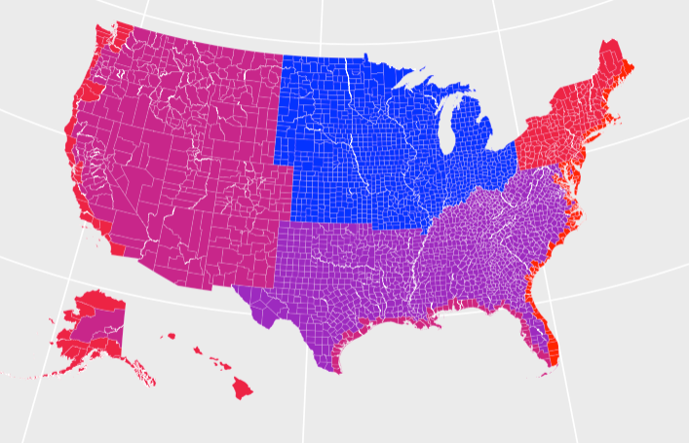

Figure S1. Seafood consumption rates (g/d, raw weight, edible portion) by county for each coastal/inland region described in Table S4.

