Input Parameters
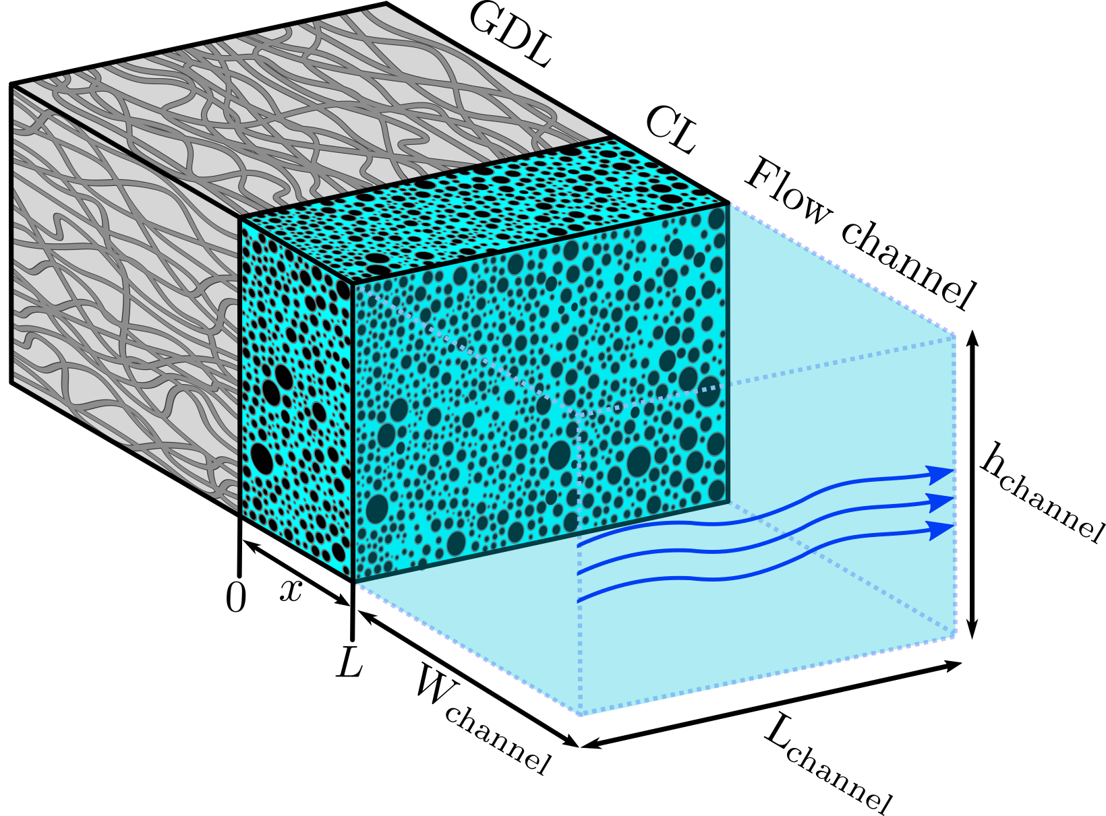
Parameter | Symbol | Default value | Unit | User input? | User specified value | Used value

Temperature | T | 298.15 | K | FALSE |  | 298.15
CO2 partial pressure | pCO2 | 1 | atm | FALSE |  | 1

Flow rate | q | 0.5 | ml/min | TRUE | 5 | 5
Flow velocity | v | 1.11E-03 | m/s | FALSE |  | 1.11E-02
Flow channel active length | Lchannel | 0.02 | m | FALSE |  | 0.02
Flow channel height (plane parallel) | hchannel | 5.00E-03 | m | FALSE |  | 5.00E-03
Flow channel width (plane perpendicular) | wchannel | 1.50E-03 | m | FALSE |  | 1.50E-03

Catalyst layer length | L | 3.81E-06 | m | FALSE |  | 3.81E-06
Catalyst layer porosity | ε | 5.00E-01 | - | FALSE |  | 5.00E-01
Catalyst layer average particle radius | r | 5.00E-08 | m | FALSE |  | 5.00E-08
Catalyst layer volumetric surface area | a | 30000000 | 1/m | FALSE |  | 30000000

Gas diffusion layer mass transfer coefficient | KDL | 0.013505739521 | m/s | FALSE |  | 0.013505739521

KHCO3 concentration | celectrolyte | 500 | mol/m3 | FALSE |  | 500
Method 2 (CO2 equilibrium pressure) | peq | 0.00039084089579 | atm | FALSE |  | 0.00039084089579
CO2 | CO2EL | 0.012414142331 | mol/m3 | FALSE |  | 0.012414142331
OH- | OHEL | 0.19373068953 | mol/m3 | FALSE |  | 0.19373068953
CO32- | CO3EL | 217.82997804 | mol/m3 | FALSE |  | 217.82997804
HCO3- | HCO3EL | 64.146304396 | mol/m3 | FALSE |  | 64.146304396
K+ | KEL | 500 | mol/m3 | FALSE |  | 500

 | pH | 9.5992555147

Methods of automatic electrolyte calculation are valid only for I<700 mol/m^3
For higher ionic strength, override and input manually

