PivotTable1
Satır Etiketleri | Toplam Satış Tutarı
Enterprise | 722,374.00₺
Glue Guns | 229,880.00₺
Light Sabres | 244,885.00₺
Transponders | 247,609.00₺
Galaxy | 594,115.00₺
Glue Guns | 195,635.00₺
Light Sabres | 173,885.00₺
Transponders | 224,595.00₺
Planet | 495,112.00₺
Glue Guns | 186,630.00₺
Light Sabres | 129,833.00₺
Transponders | 178,649.00₺
Genel Toplam | 1,811,601.00₺

Köprü
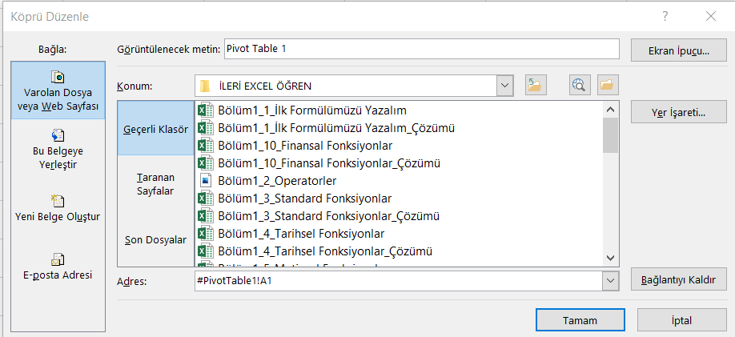
Sayfaya Köprü
Pivot Table 1

Dosyaya Köprü
Dosya

web adresine
http://globalkariyer.com.tr

