C(1670 )

 c1o43ol cool

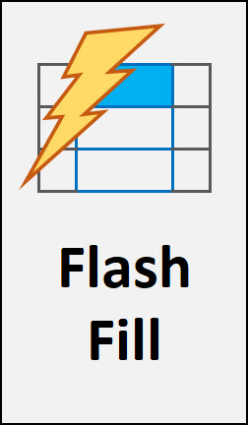

Bonus:



LET function

 | inside? | Change First Column in Lookup Table? 4 Examples: INDEX, XLOOKUP, LOOKUP or CHOOSE. EMT 1648
 |  | 91

 |  |  | #VALUE!

 |  |  | Excel Magic Trick 1670

 |  |  |  | Excel



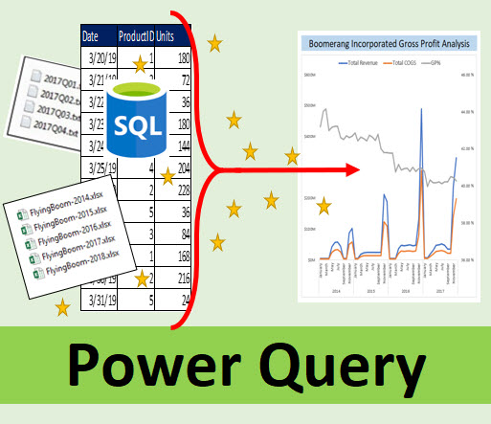



 |  |  | Power Query



 |  |  | Formula

 | Excel Get Last 5 In Column. Add, Average or Display

C(1672)
c1o43ol cool

Worksheet
Formulas

 | Formula | Change First Column in Lookup Table? 4 Examples: INDEX, XLOOKUP, LOOKUP or CHOOSE. EMT 1648
 |  | 91

 |  |  | #VALUE!

 |  |  | Excel Magic Trick 1672

 |  |  |  | Excel

 |  |  | Power Query

 |  |  | Formula

 | Excel Get Last 5 In Column. Add, Average or Display

C(1673)
c1o43ol cool

Worksheet
Formulas

 | LET | Change First Column in Lookup Table? 4 Examples: INDEX, XLOOKUP, LOOKUP or CHOOSE. EMT 1648
 |  | 91

 |  |  | #VALUE!

 |  |  | Excel Magic Trick 1673

 |  |  |  | Excel

 |  |  | Power Query

 |  |  | Formula

 | Excel Get Last 5 In Column. Add, Average or Display

